Logistic_Reg
 | Classification Technique

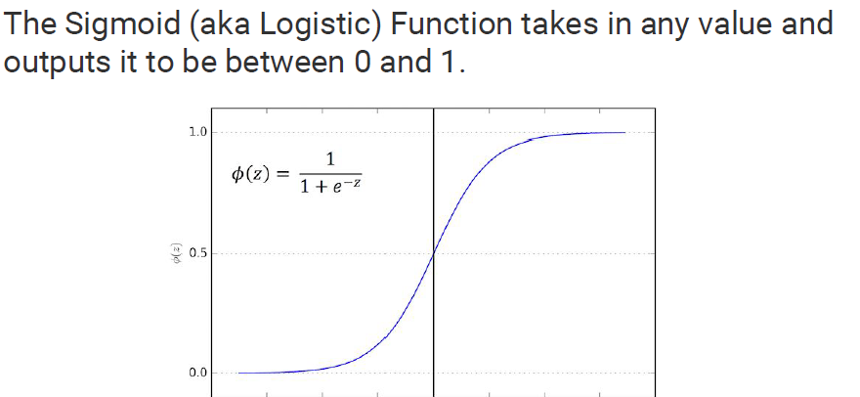
 | Logistic Regression
 |  | Y is discrete variable | examples |  |  |  |  |  |  |  |  | x1 | x2 | x3 | y_act
 | supervised technique |  | Loan Default |  |  |  |  |  |  |  | 1 | 56 | 36 | 14 | yes
 |  |  | rain fall prediction |  |  |  |  |  |  |  |  | 65 | 89 | 48 | yes
 |  |  | customer churn |  |  |  |  |  |  |  |  | 79 | 54 | 30 | yes
 |  |  | click or not click |  |  |  |  |  |  |  |  | 79 | 38 | 99 | no
 | probability of 1 is probability of event happening | P(0) = 1 - P(1) |  |  |  |  |  |  |  |  |  | 99 | 94 | 86 | no
 | probability of 0 is probability of not happening of enent |  |  |  |  |  |  |  |  |  |  | 12 | 18 | 16 | yes
 |  |  |  |  |  |  |  |  |  |  |  | 56 | 84 | 42 | yes
 |  |  |  |  |  |  |  |  |  |  |  | 50 | 83 | 49 | no
 | Training data | Modelling data |  |  |  |  |  |  |  |  |  | 97 | 74 | 29 | no
 | Testing data | Validation data |  |  |  |  |  |  |  |  |  | 10 | 34 | 41 | yes
 |  |  |  |  |  |  |  |  |  |  |  | 98 | 95 | 39 | yes
 |  |  |  |  |  |  |  |  |  |  |  | 75 | 63 | 43 | no
 | Assumptions: |  |  |  |  |  |  |  |  |  |  | 66 | 42 | 24 | yes
 |  | 1. There should be no outlier present in dataset.
 |  | 2. There should be no or min. multicollinearity.
 |  | 3. There should be linear relation b/w log(y) vs X |  |  |  |  |  |  |  |  | 1 | 56 | 36 | 14
 |  |  |  |  |  |  |  |  |  |  |  |  |  |  | probabaility of class YES = 0.78
 |  |  |  |  |  |  |  |  |  |  |  |  |  |  | probabaility of class NO = 0.22

 | Performance evaluation metrics:

 |  |  |  |  | z = b1*x1 + b2*x2 + …..-c

 |  |  |  |  | y vs x - linear | linear reg.

 | Confusion matrix | cross tabulation b/w acutal vs predicted |  |  | log(y) vs x - linear | logistic reg.

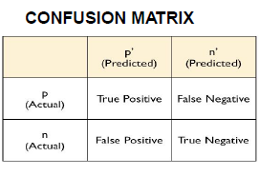

 |  | True Positive means my model says default and cutomer is actually default
 |  | True Negative means my model says not default and they do not default
 |  | False Negative means who actually defaulted but my model says not defaulted

for balanced data | sensitivity (recall) | how good my model is to detect positives | TPR : True positive rate
 | recall = tp / (tp + fn)

 | specificity (True Negative rate) | how good my model is to avoid those who are not defaulted but my model says defaulted | FPR = (1-specificity)
 | specificity = tn / (tn + fp) |  |  |  | total records | 1000

 | precision = tp / (tp + fp) | detecting the positives out of total positives |  |  | y_1 |  |  | y_2
 |  |  |  |  | 0 | 850 | 0.85 | 0 | 550 | 0.55
 | Accuracy = (tp + tn)/total |  |  |  | 1 | 150 | 0.15 | 1 | 450 | 0.45
 |  |  |  |  | unbalanced data |  |  | balanced data
for unbalanced data | F1 score = 2 * precision*recall/ (precision + recall) | value lies b/t 0 and 1
 |  | higher the value, better the model
 |  | it tells how robust and precise the model is. |  |  | new customer | defaulter or not

 | False Negative rate = 1 - recall
 | fn/(tp + fn) |  | Missclassification rate = 1 - accuracy

 | True Negative rate = specificity

 | ROC curve : (Receiver operating char.) curve between TPR and FPR

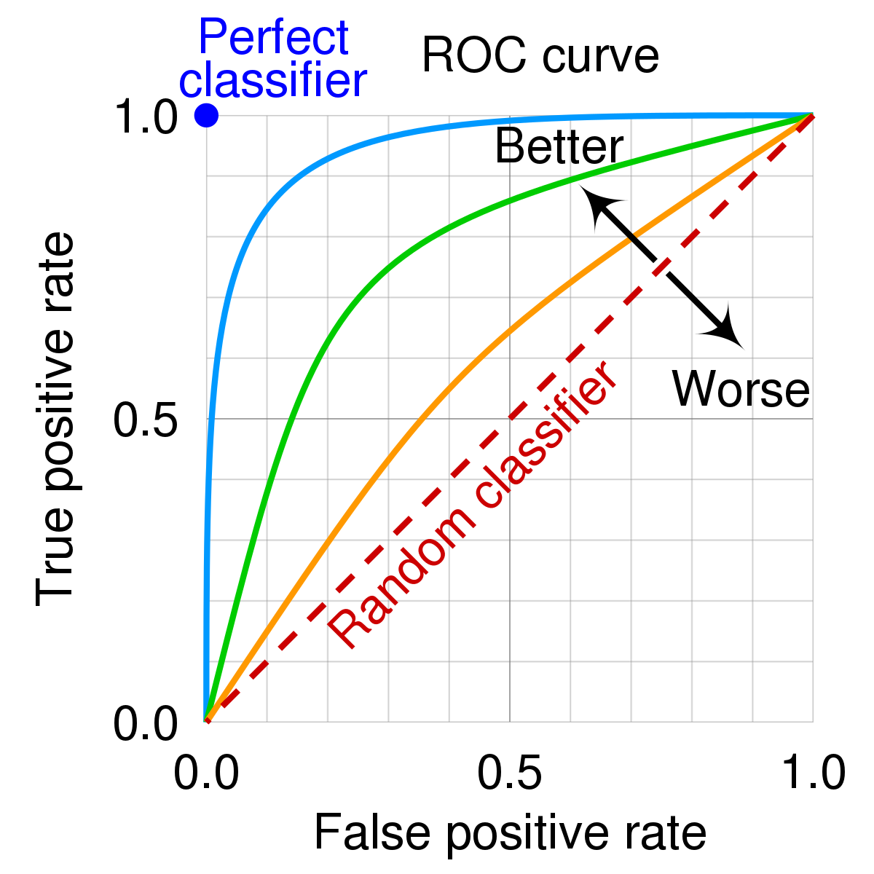

AUC | The Area Under the Curve (AUC) is the measure of the ability of a classifier to distinguish between classes and is used as a summary of the ROC curve

 | The higher the AUC, the better the performance of the model at distinguishing between the positive and negative classes

 | the AUC lies in b/t 0 and 1

 | AUC = 1
 | AUC = IN B/T 0.5 and 1
 | AUC = 0.5
 | AUC = 0

Recall / Sensitivity / TPR |  | Precision |  | Defaulter | yes | 1
 | TP / (TP+FN) | TP / (TP +FP) |  |  | no | 0

if FN inc. then recall will decrease. |  | if FP inc. then precision will dec.
 |  |  |  | FN | model = not defaulter
if FN dec. then recall will increase |  | if FP dec. then precision will inc. |  |  | actual = defaulter

 |  |  |  | FP | model = defaulter
 |  |  |  |  | acutal = not defaulter

DTree + RF_1
 |  |  |  | Decision Trees

 |  |  |  | It is supervised tech. and can be used for both regression as well classification.

 |  |  |  | based on the type of target variable we have. It can be of two types:

 |  |  |  |  | Regression Tree | if target variable is continuous in nature

 |  |  |  |  | Classification Tree | if target variable is categorical in nature

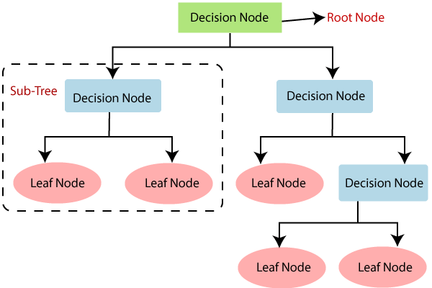
Important Terminologies
 |  |  |  | Root Node: It represents the entire population or sample

 |  |  |  | Splitting: It is a process of dividing a node into two or more sub-nodes.

 |  |  |  | Decision Node: Node which is going to split next

 |  |  |  | Leaf / Terminal Node: Nodes do not split is called Leaf or Terminal node.

 |  |  |  | Pruning : opposite of splitting

 | Attribute selection :
 |  |  | 1. Entropy
 |  |  |  | Entropy is the degree of uncertainty, impurity or disorder of a random variable, or a measure of purity
 |  |  |  | ex. if all elements belong to a single class, then it is termed as “Pure”, and if not then the distribution is named as “Impurity”.

 |  |  |  | Entropy=-ΣP(x)logP(x)

 |  |  |  | Entropy(s)=-P(yes)logP(yes)-P(no)logP(no)

 |  |  | 2. Information Gain
 |  |  |  |  | Information gain is used for determining the best features that render maximum information about a class

 |  |  |  |  | Information gain computes the difference between entropy before and after split

 |  |  |  |  | Information Gain = Entropy before splitting - Entropy after splitting

 |  |  | 3. Gini Index
 |  |  |  | Gini Index is a metric to measure how often a randomly chosen element would be incorrectly classified.

 |  |  |  | It means an attribute with lower Gini index should be preferred.

 |  |  |  | gini index varies from 0 to 1

 |  |  |  |  | Where 0 depicts that all the elements be allied to a certain class, or only one class exists there.

 |  |  |  |  | The gini index of value as 1 signifies that all the elements are randomly distributed across various classes, and

 |  |  |  |  | A value of 0.5 denotes the elements are uniformly distributed into some classes.

 |  |  |  | Gini index is measured by subtracting the sum of squared probabilities of each class from one

 | Advantages of D.Tree algo:

 |  | Simple to understand, interpret, visualize.

 |  | Can handle both numerical and categorical data. Can also handle multi-output problems

 |  | Decision trees implicitly perform variable screening or feature selection.

 |  | Nonlinear relationships between parameters do not affect tree performance

 | Disadvantages of D.Tree algo:

 |  | Decision-tree learners can create over-complex trees that do not generalize the data well. This is called overfitting.

 |  | Solution is to use ensemble methods.

 | Overfitting

 |  | When a model performs very well for training data but has poor performance with test data (new data), it is known as overfitting


 |  | Possible reasons:
 |  |  | Multicollineirity
 |  |  | Some of the assumptions are not followed
 |  |  | More variables and less observations

 |  | How to handle:
 |  |  | Training model with sufficient data
 |  |  | Adopting ensembling techniques
 |  |  | cross-validation

 | Underfitting
 |  | When a model has not learned the patterns in the training data well and is unable to generalize well on the new data, it is known as underfitting.

 |  | An underfit model has poor performance on the training data and will result in unreliable predictions.

 |  | Possible reasons:
 |  |  | Less number of variables
 |  |  | Not choosen right technique
 |  |  | not choosen right parameters of technique
 |  |  | not followed assumptions

 |  | How to handle :
 |  |  | Increase the number of features in the dataset
 |  |  | Taking care of assumptions
 |  |  | Taking right choise of hyperpameter

 |  |  | parameters of the model

 |  |  | hyperparameters of model

