Logistic_Reg
 | Classification Technique

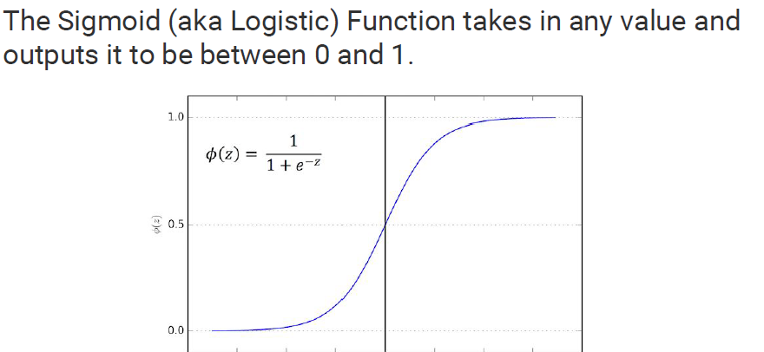
 | Logistic Regression
 |  | Y is discrete variable | examples |  |  |  |  |  |  |  |  | x1 | x2 | x3 | y_act
 | supervised technique |  | Loan Default |  |  |  |  |  |  |  | 1 | 56 | 36 | 14 | yes
 |  |  | rain fall prediction |  |  |  |  |  |  |  |  | 65 | 89 | 48 | yes
 |  |  | customer churn |  |  |  |  |  |  |  |  | 79 | 54 | 30 | yes
 |  |  | click or not click |  |  |  |  |  |  |  |  | 79 | 38 | 99 | no
 | probability of 1 is probability of event happening | P(0) = 1 - P(1) |  |  |  |  |  |  |  |  |  | 99 | 94 | 86 | no
 | probability of 0 is probability of not happening of enent |  |  |  |  |  |  |  |  |  |  | 12 | 18 | 16 | yes
 |  |  |  |  |  |  |  |  |  |  |  | 56 | 84 | 42 | yes
 |  |  |  |  |  |  |  |  |  |  |  | 50 | 83 | 49 | no
 | Training data | Modelling data |  |  |  |  |  |  |  |  |  | 97 | 74 | 29 | no
 | Testing data | Validation data |  |  |  |  |  |  |  |  |  | 10 | 34 | 41 | yes
 |  |  |  |  |  |  |  |  |  |  |  | 98 | 95 | 39 | yes
 |  |  |  |  |  |  |  |  |  |  |  | 75 | 63 | 43 | no
 | Assumptions: |  |  |  |  |  |  |  |  |  |  | 66 | 42 | 24 | yes
 |  | 1. There should be no outlier present in dataset.
 |  | 2. There should be no or min. multicollinearity.
 |  | 3. There should be linear relation b/w log(y) vs X |  |  |  |  |  |  |  |  | 1 | 56 | 36 | 14
 |  |  |  |  |  |  |  |  |  |  |  |  |  |  | probabaility of class YES = 0.78
 |  |  |  |  |  |  |  |  |  |  |  |  |  |  | probabaility of class NO = 0.22

 | Performance evaluation metrics:

 |  |  |  |  | z = b1*x1 + b2*x2 + …..-c

 |  |  |  |  | y vs x - linear | linear reg.

 | Confusion matrix | cross tabulation b/w acutal vs predicted |  |  | log(y) vs x - linear | logistic reg.

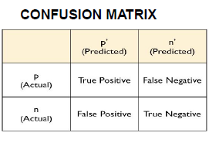

 |  | True Positive means my model says default and cutomer is actually default
 |  | True Negative means my model says not default and they do not default
 |  | False Negative means who actually defaulted but my model says not defaulted

for balanced data | sensitivity (recall) | how good my model is to detect positives | TPR : True positive rate
 | recall = tp / (tp + fn)

 | specificity (True Negative rate) | how good my model is to avoid those who are not defaulted but my model says defaulted | FPR = (1-specificity)
 | specificity = tn / (tn + fp) |  |  |  | total records | 1000

 | precision = tp / (tp + fp) | detecting the positives out of total positives |  |  | y_1 |  |  | y_2
 |  |  |  |  | 0 | 850 | 0.85 | 0 | 550 | 0.55
 | Accuracy = (tp + tn)/total |  |  |  | 1 | 150 | 0.15 | 1 | 450 | 0.45
 |  |  |  |  | unbalanced data |  |  | balanced data
for unbalanced data | F1 score = 2 * precision*recall/ (precision + recall) | value lies b/t 0 and 1
 |  | higher the value, better the model
 |  | it tells how robust and precise the model is. |  |  | new customer | defaulter or not

 | False Negative rate = 1 - recall
 | fn/(tp + fn) |  | Missclassification rate = 1 - accuracy

 | True Negative rate = specificity

 | ROC curve : (Receiver operating char.) curve between TPR and FPR

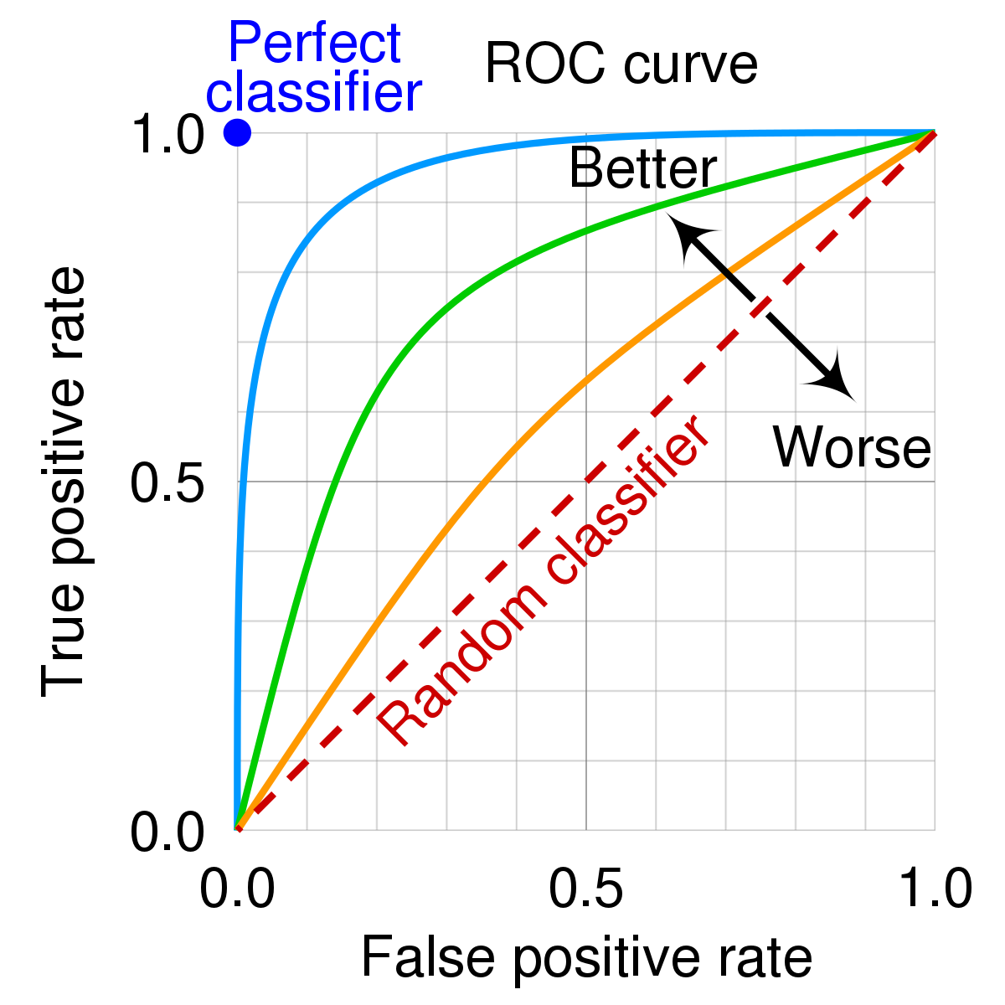

AUC | The Area Under the Curve (AUC) is the measure of the ability of a classifier to distinguish between classes and is used as a summary of the ROC curve

 | The higher the AUC, the better the performance of the model at distinguishing between the positive and negative classes

 | the AUC lies in b/t 0 and 1

 | AUC = 1
 | AUC = IN B/T 0.5 and 1
 | AUC = 0.5
 | AUC = 0

Recall / Sensitivity / TPR |  | Precision |  | Defaulter | yes | 1
 | TP / (TP+FN) | TP / (TP +FP) |  |  | no | 0

if FN inc. then recall will decrease. |  | if FP inc. then precision will dec.
 |  |  |  | FN | model = not defaulter
if FN dec. then recall will increase |  | if FP dec. then precision will inc. |  |  | actual = defaulter

 |  |  |  | FP | model = defaulter
 |  |  |  |  | acutal = not defaulter

