Image
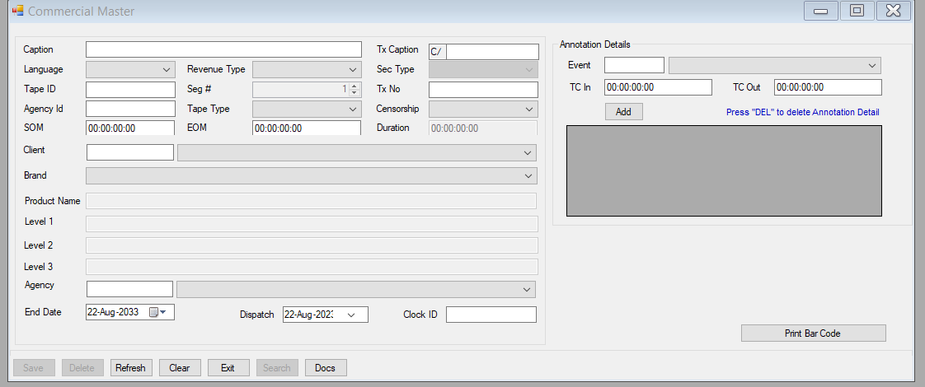
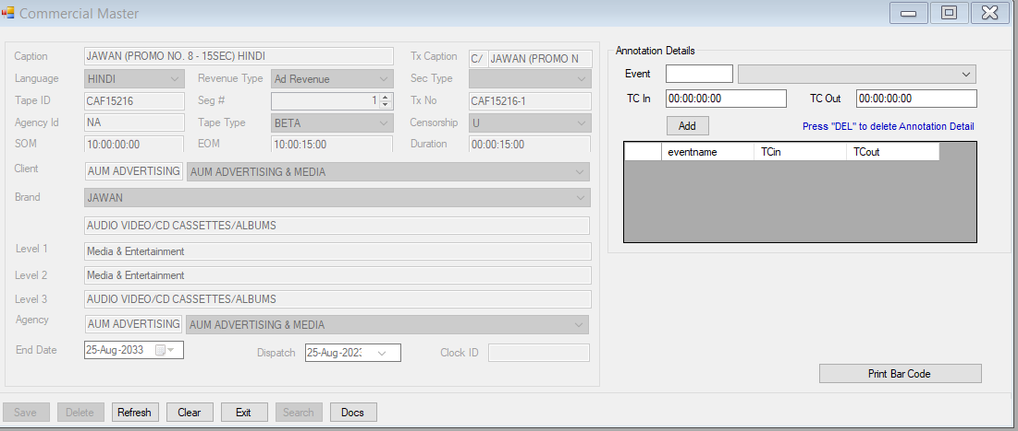

Client | --> | Brand | --> | Level1 | --> | Level2 | --> | Level3

Client | --> | Agency

