ADC_Vac_Vbus_Ii
Vadc | 3.3 | V | ADC Ref. Voltage
Voltage is sensed using a resistor divider and Op-amp circuitry
Vbus |  |  |  | 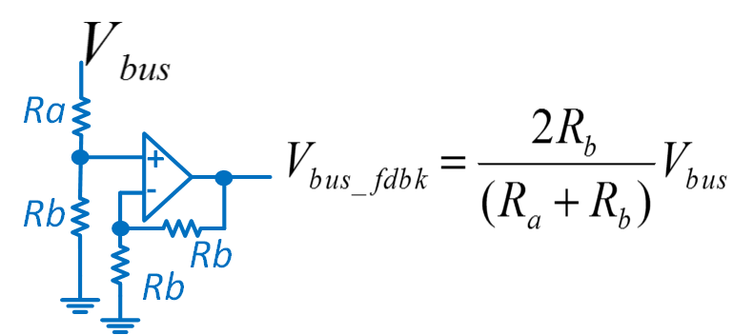
Ra | 3000000 | Ohms | R8+R11+R15
Rb | 11000 | Ohms | R16
Resitor Divider Gain | 0.0036532713384
Opamp Gain | 2
Vbus_max_sense | 451.65 | Volts
Vac |  |  |  | 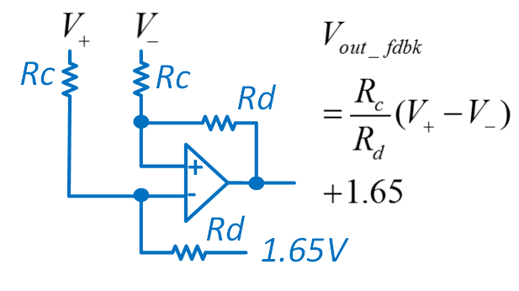
Rc | 3001000 | Ohms | R2+R5+R3+R60
Rd | 11000 | Ohms | R61, R55
Resitor Divider Gain | 0.0036654448517
Offset | 1.65 | Volts
Vac_max_sense | 450.15 | Volts
Current is sensed using a hall effect sensor LTSR-6-NP
Iinv |  |  |  | 
Vnominal | 0.625 | Volts | Nominal Range of Sensor in Volts
Inominal_rms | 3 | Irms | Nominal Range RMS Current
Inominal_max | 4.242 | Imax | Nominal Range Max Current
Re | 500000 | Ohms | R67
Rf | 330000 | Ohms | R68
Imax_sense | 16.968 | Amps

SDFM_Vac_Vbus_Iout_Icf
Vsense_max | 0.3125 | Volts | AMC1304 SDFM Sensor Max Range
Rdiff | 12500 | Ohms | AMC1304 has fully differential Opamp, with 50Kohm feedback resistor and 12.5Kohm input resistorof R3 and 12.5Kohm
Vlinear_range | 0.25 | Volts
Voltage is sensed using a resistor divider circuitry
Vbus/ Vac |  |  |  | 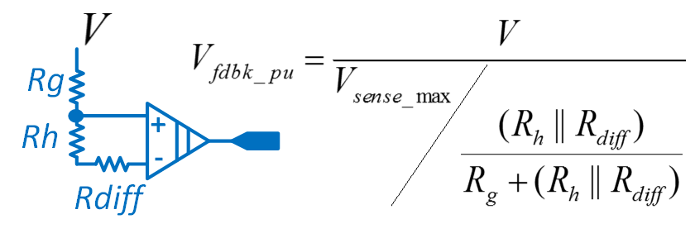
Rg | 4000000 | Ohms | R32+R37
Rh | 2400 | Ohms | R52
Reffective | 2013.4228188 | Ohms | Second end of the modultaor is grounded the effective resistance is a parallel combination
Effective Reistor Divider Gain | 0.0005031024652
Vmax_sensed | 621.14583333 | Volts
Vlinear_sensed | 496.91666667 | Volts
Current is sensed using a shunt resistor
Iout, If
Rsh | 0.02 | Ohms
Imax_sensed | 15.625 | Amps
Ilinear_sensed | 12.5

