RV1_Workflow
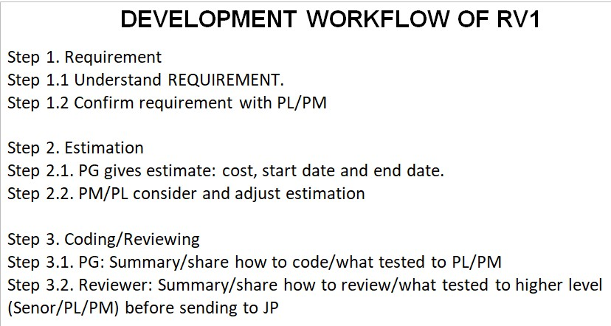

Will improve by share only special points and difficult points

