Citation
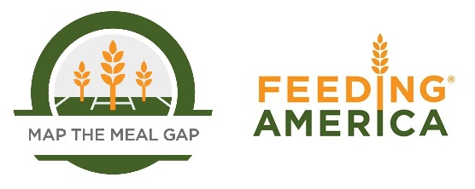

When using this data, please cite as follows: Gundersen, C., E. Engelhard, A. Satoh, & E. Waxman. Map the Meal Gap 2014: Food Insecurity and Child Food Insecurity Estimates at the County Level. Feeding America, 2014.

