Ratios
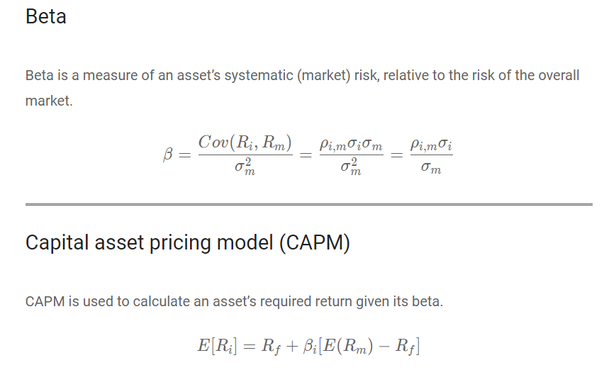
Sortino Ratio = | (Portfolio Return - Risk Free Rate) / STD DEV of downside

Sharpe Ratio = | (Portfolio Return - Risk Free Rate) / STD DEV of the portfolio's excess return

Treynor Ratio = | (Portfolio Return - Risk Free Rate) / Beta of the portfolio | Systematic Risk

Jensen's Alpha = | Portfolio Return - [Risk free Rate + Beta (Market Return - Risk free Rate)]

Information Ratio = | Portfolio Return - Benchmark Return / (STD DEV Portfolio Return - STD DEV Benchmark Return)

Minimum-Variance-Portfolio
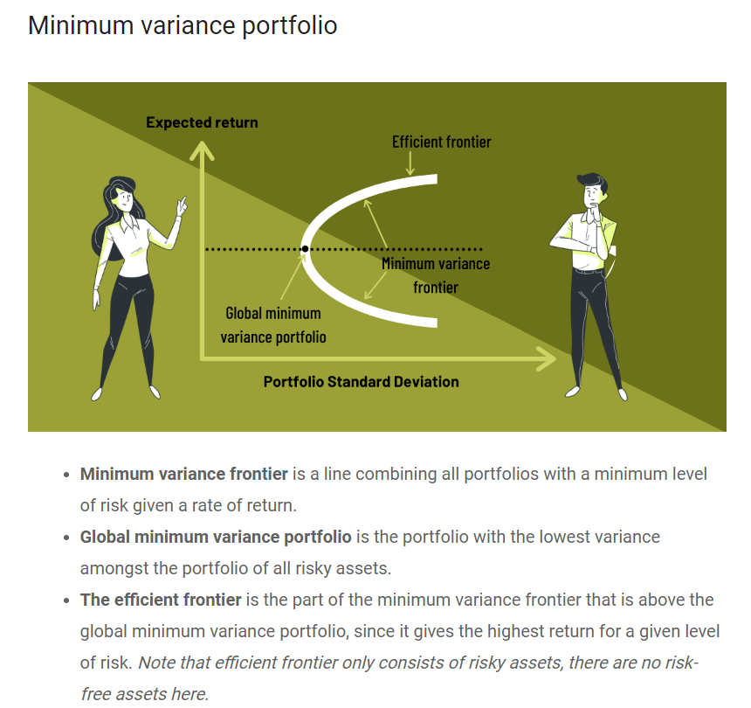

Capital_Allocation_Line
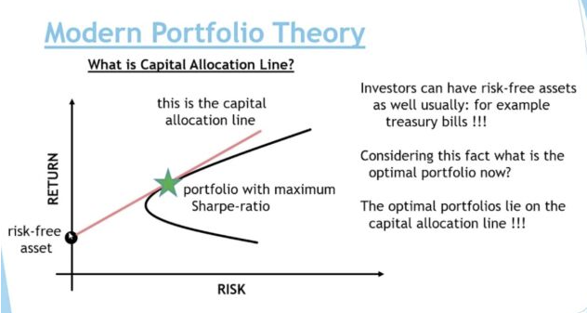
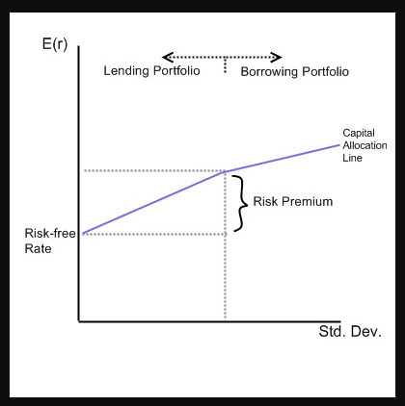
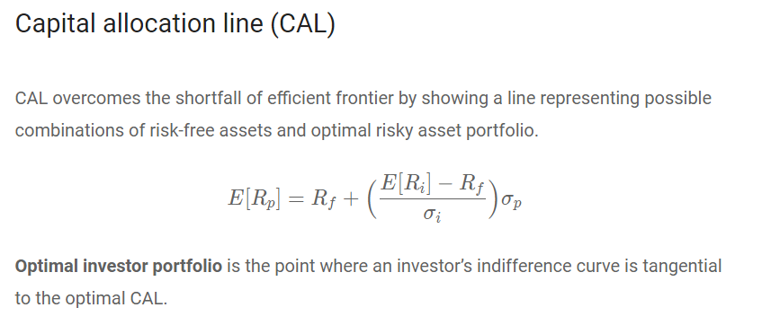
The Capital Allocation Line (CAL), also known as the capital market link, is created on a graph from the possible combinations of risk-free and risky assets.
The line displays the returns investors might earn by assuming a certain level of risk with their investment.
The slope of the CAL is known as the Reward-to-Variability ratio.
The slope of the CAL measures the trade-off between risk and return.
A steeper slope means you would receive a higher expected return for taking on more risk.

Capital_Market_Line
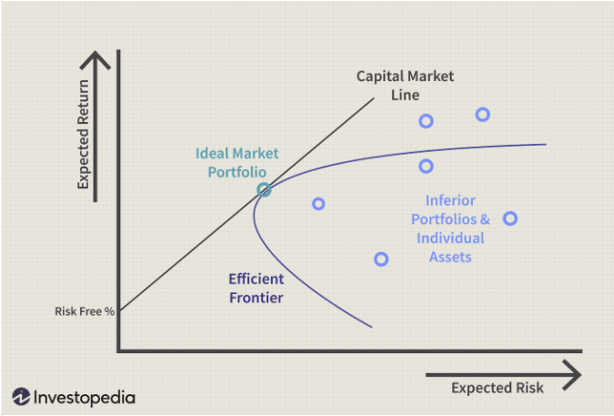
If all investors have the same expectations, the capital market line (CML) becomes a special case of optimal CAL, where the tangent portfolio is the market portfolio.

The capital market line (CML) represents portfolios that optimally combine risk and return.

CML is a special case of the capital allocation line (CAL) where the risk portfolio is the market portfolio. Thus, the slope of the CML is the Sharpe ratio of the market portfolio.

The intercept point of CML and efficient frontier would result in the most efficient portfolio called the tangency portfolio.

As a generalization, buy assets if Sharpe ratio is above CML and sell if Sharpe ratio is below CML.

