Systematic_Strategy
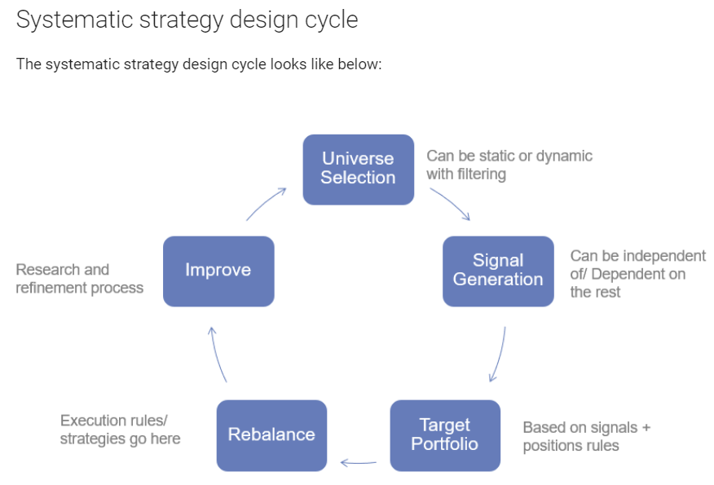
Selecting Universe | This is the set of trading instruments that we observe for opportunities. This is usually static (e.g. futures of the index) or systematically defined (e.g. all stocks in S&P500). It also depends on other factors like geographies, regulations, fund size, liquidity requirements, investment mandates etc.

Signal Generation | This is the step where we continuously observe and compute a quantitative metric on all instruments in our universe. It can be a technical indicator like RSI, or a factor like momentum or combinations of many such metrics. This defines our potential trading intentions for each of these instruments.

Target Portfolio Generation | Based on the step above, and taking in to account our current portfolio and other constraints, we come up with a target position for each instruments (including 0). This is the portfolio we want in our current strategy iteration.

Rebalancing | This is the step where we translate our target portfolio to actual orders and positions. All order sizing functions, execution strategies etc. sit here.

Improvement | And finally of course we look at the results of the current iteration and improve our strategy in this continuous cycle.

Strategy_Spectrum
