Interest_Rate_Swaps
Notional Principal | $10,000,000
Annual Fixed Rate | 3.50%
Floating Rate | 3.00%
 |  | Fixed Rate Bond |  |  | Floating Rate Bond
Treasury Curve |  | Time (Years) | Cash Flow | Present Value | Time (Years) | Cash Flow | Present Value
Time (Years) | Interest Rate | 0.5 | $175,000.00 | $172,432.62 | 0.5 | $10,150,000.00 | $10,001,092.17
0.5 | 3.00% | 1 | $175,000.00 | $168,269.23 | 1
1 | 4.00% | 1.5 | $175,000.00 | $165,001.56 | 1.5
1.5 | 4.00% | 2 | $10,175,000.00 | $9,317,552.25 | 2
2 | 4.50% |  |  | $9,823,255.66 |  |  | $10,001,092.17

Swap Position | Value
Value to pay Fixed, received float side. | $177,836.51
Value to receive Fixed, pay float side. | ($177,836.51)

Long-Put
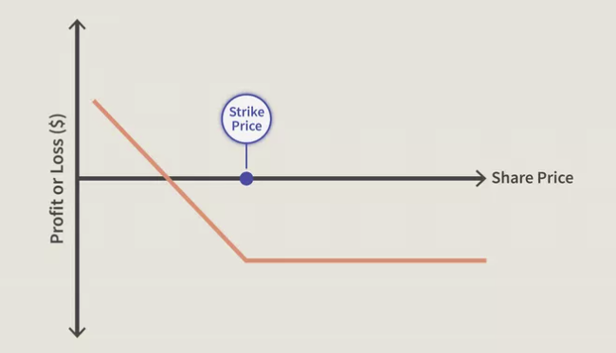
A long put is a position when somebody buys a put option. It is in and of itself, however, a bearish position in the market.

Investors go long put options if they think a security's price will fall.

Investors may go long put options to speculate on price drops or to hedge a portfolio against downside losses.

Downside risk is thus limited using a long put options strategy.

