CVA
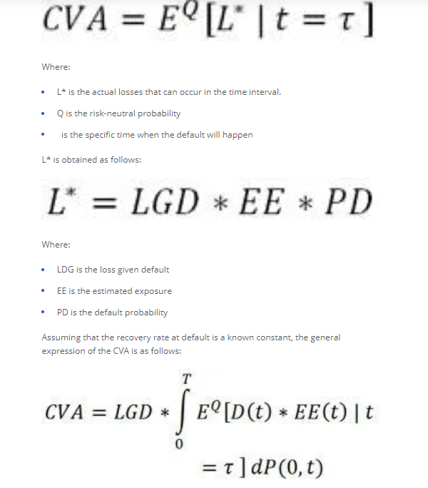
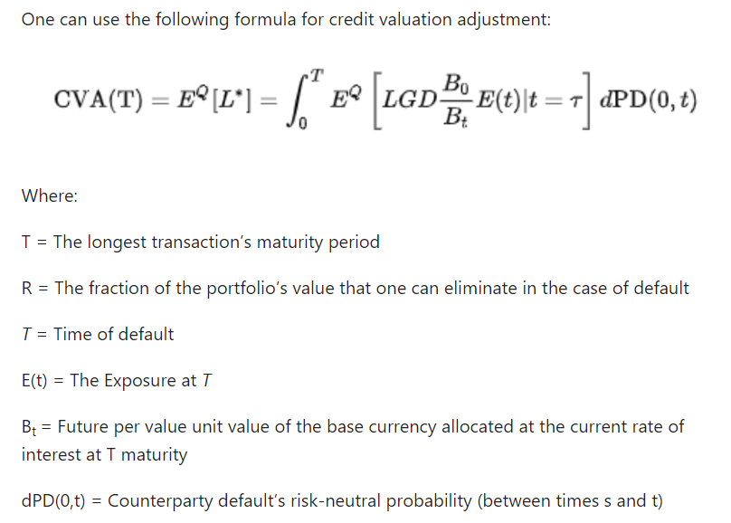
Credit Valuation Adjustment (CVA) is the price that an investor would pay to hedge the counterparty credit risk of a derivative instrument. It reduces the mark to market value of an asset by the value of the CVA.

Credit valuation adjustment or CVA refers to the market value of the counterparty credit risk arising due to the failure of a party to fulfill their financial obligation typically mentioned in a derivative contract.

Market estimate of the measurement of counterparty credit risk.
CVA is the difference between the risk free and risky value of a transaction which is equal to the EL arising from a Counterparty default.

CVA = Discounted Expected Exposure * PD * LGD

Because of Covariance, CVA of a portfolio will always be lower than the sum of individual CVAs.

XVA
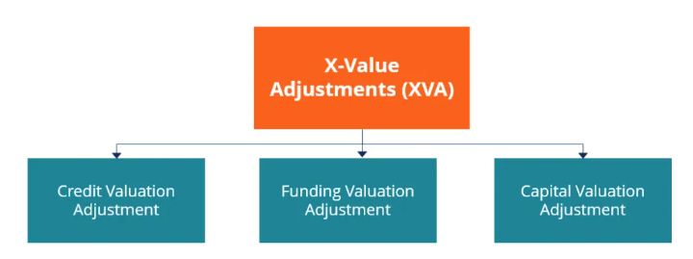
XVA or X-Value Adjustment is a collective term that covers the different types of valuation adjustments relating to derivative contracts.

The adjustments are made to account for the account funding, credit risk, and capital costs. When initiating new trades in the derivatives market, traders incorporate XVA into the price of the derivative instrument.

The pricing of Derivative instruments relied on the Black-Scholes risk-neutral pricing framework.

It was used based on the assumption that funding was done at the risk-free rate. XVA was introduced to deal with the shortcomings of the Black-Scholes pricing model. It adjusts the Black-Scholes frame to account for risks that the model fails to capture.

CVA_types
