Trade Life Cycle
Stage | Stage Name | Details
1 | Order | Trade is placed after the checks like cash available etc.
2 | Front Office Action | The investor’s order is received by the front office sales traders at the brokerage firm. From this point, the order is fed down to the risk management experts in the middle office of the organisation. The sales traders then ‘execute’ the order.
3 | Risk Management | The risk management team will conduct a number of checks and calculations to see whether the levels of risk involved with the client’s order mean it’s still safe to accept and proceed to the next stages. Amongst other things they will check the client placing the order has sufficient stocks to pay for the security and the limits.
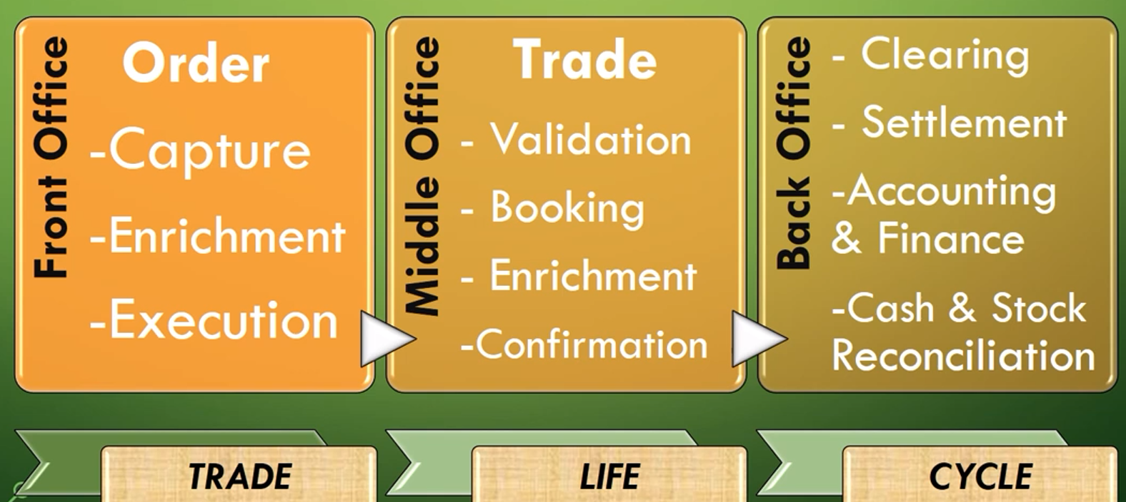
4 | Off to the exchange | When an order is accepted and validated by the risk management team, the broker firm sends it to the Stock Exchange. Now, let’s pause for a breather and consider what’s going on the sell-side of things, i.e. the guys with the security to sell. They will also put in a sell order to their broker, stating the security they have to make available on the market and the market price (how much they want to sell it for). The sell order goes through all of the necessary risk management procedures in the middle office on this side as well. All being well, it then shoots off to the exchange too…
5 | Matching | The exchange has to find the match between a security’s buy order and sell order.
6 | Trade Made | The exchange sends information on the trade back to the brokers for confirmation, and also details of the trade to the investor’s custodian. The brokers’ front office sales team can then inform their clients of the trade.
7 | Confirmation | The broker on each side of the trade has checked that their client agrees with details and conditions: details such as which security is being traded, how much it’s being traded for and the settlement date. The exchange will also send these details to the custodian who will relay this information to the broker for confirmation. Once the trade has been confirmed by the brokers and as long as each party agrees with the details and conditions, the back office team gets to work, and the clearing house comes into play.
8 | Clearing begins | The clearing house will make all of the necessary calculations for the buy side and the sell side of the trade in order to determine what’s needed from each of them and by when. It’s their job to make sure all of the obligations are fulfilled. They inform each party of what’s needed. On the settlement date the sell side must have transferred their security and the buy side must have transferred the money for their purchase.
9 | Settlement | Settlement is the transfer of money and the security. Back office staff are responsible for ensuring that these payments are made on time and documented and reported in the correct manner. The transfer isn’t done directly between the trading parties: the clearing house will have accounts for each side of the trade and will facilitate the transfer. The buy side will transfer cash for the security via the clearing house, and likewise the sell side will hand over their security. At the end of each trade day the clearing house will provide reports on settled trades to exchanges and custodians.

Front_Office
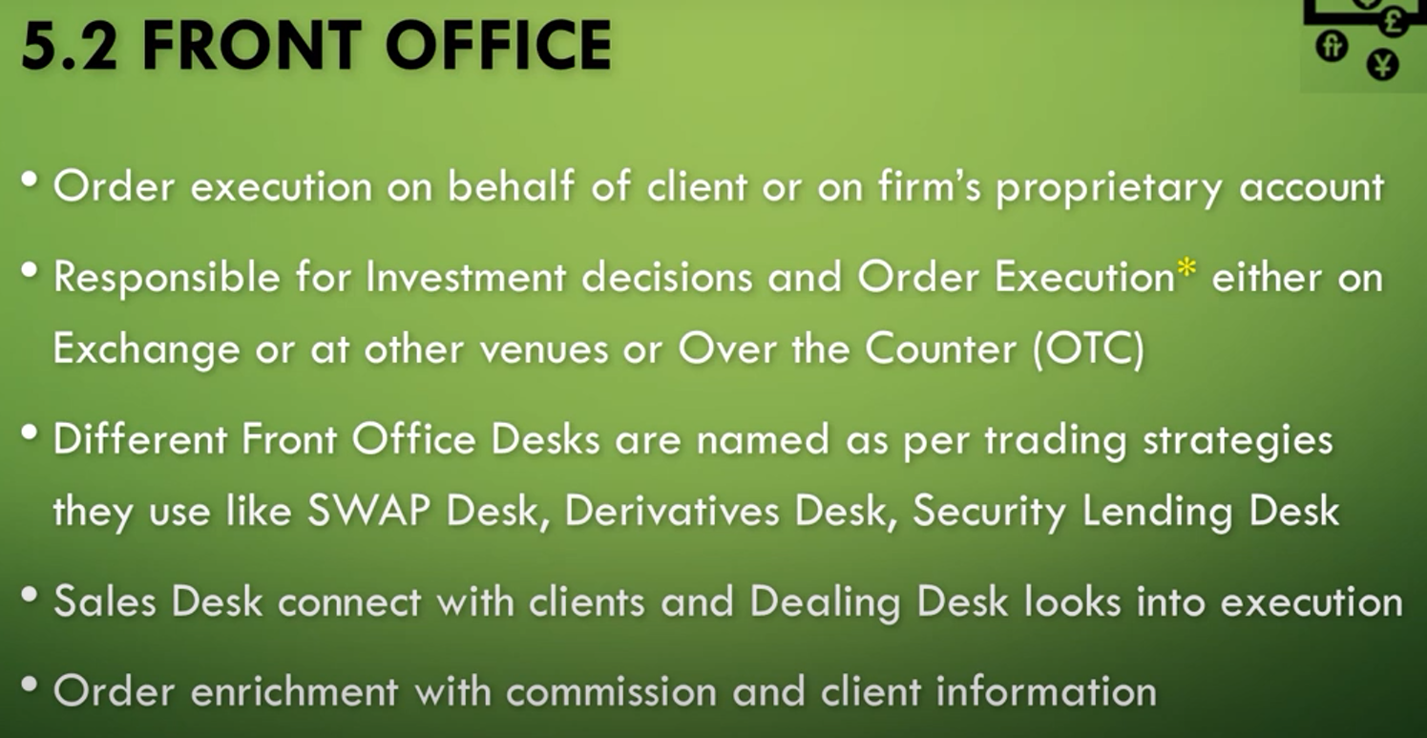

Middle_Office
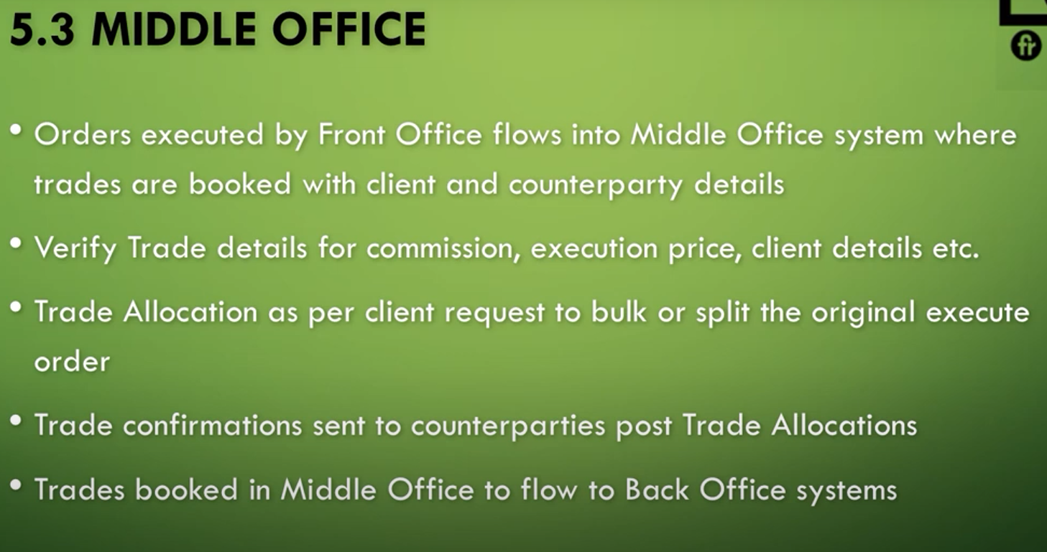

Back_Office
