PD_LGD_EAD
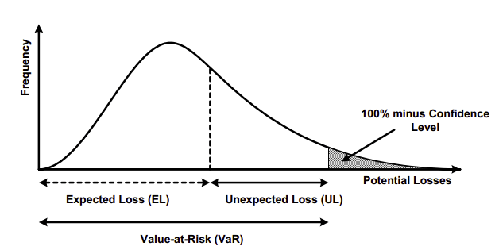
 | Amount ($)
Total Commitment | $10,000,000
Exposure at Default (EAD) | $8,250,000
Probability of Default (PD) | 0.15%
Loss Given Default (LGD) | 50%

Expected Loss (EAD * PD * LGD) | $6,187.50

STD DEV of PD | 3.87%
STD DEV of LGD | 25.00%

Unexpected Loss | $80,119.56
 |  | Economic Capital = Unexpected Loss - Expected Loss

UL is 1 STD DEV away from the EL.
 |  | 0.00149775

CVA_XVA
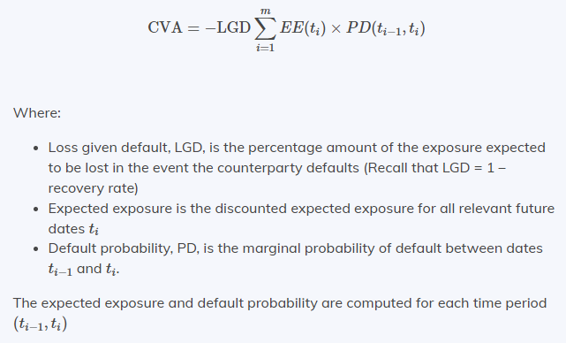
CVA is the price that an investor would pay to hedge the counterparty credit risk of a derivative instrument. It reduces the mark to market value of an asset by the value of the CVA.

Pricing of Counterparty risk is a function of EAD and PD.

CVA is a change to the market value of derivative instruments to account for counterparty credit risk.

CVA = Risk Free Value - Risky Value
Risky Value = Risk Free Value - CVA

FVA refers to the funding cost of an uncollateralized OTC derivative instrument that is priced above the risk-free rate. It concerns estimating PV of market funding costs into the pricing of a derivative on the first day rather than spreading the cost over the life of the derivative.

KVA - is the cost associated with holding regulatory capital against a trade. Banks are required by law to hold large capital reserves in preparation for unexpected market and operational losses. Subsequently, BASEL III increased the capital reserve requirements for banks that hold derivative contracts.

