FRTB_CVA
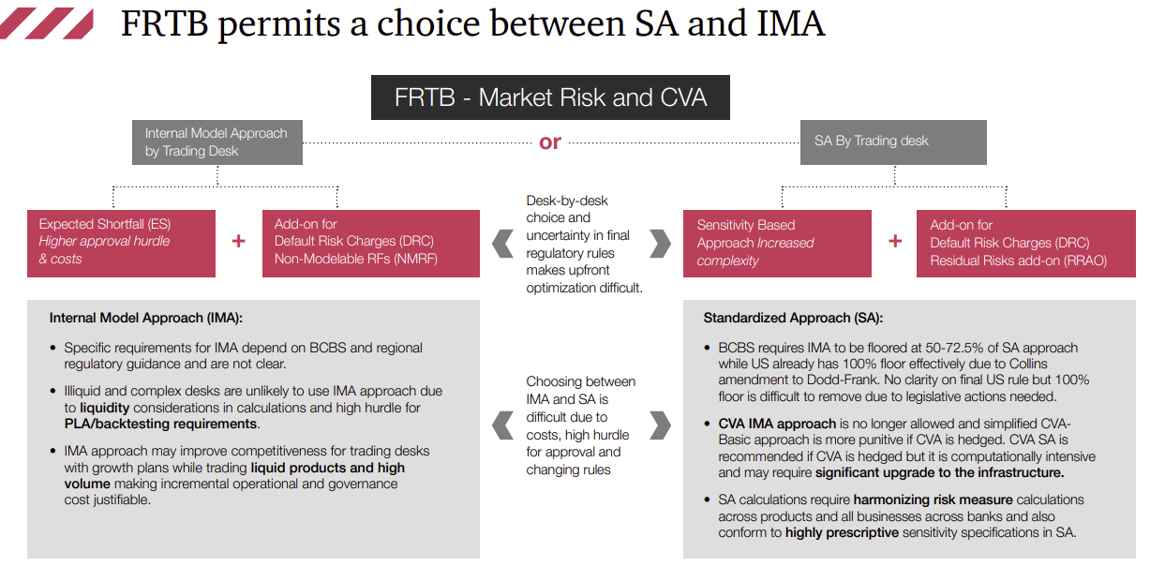
CVA Internal Model method is not allowed. | Product based Banking vs Trading book. | Address potential double count of market risk losses between Standardized Approach (SA) and CCAR by further reducing the multiplier in the SA.

Operational_Risk
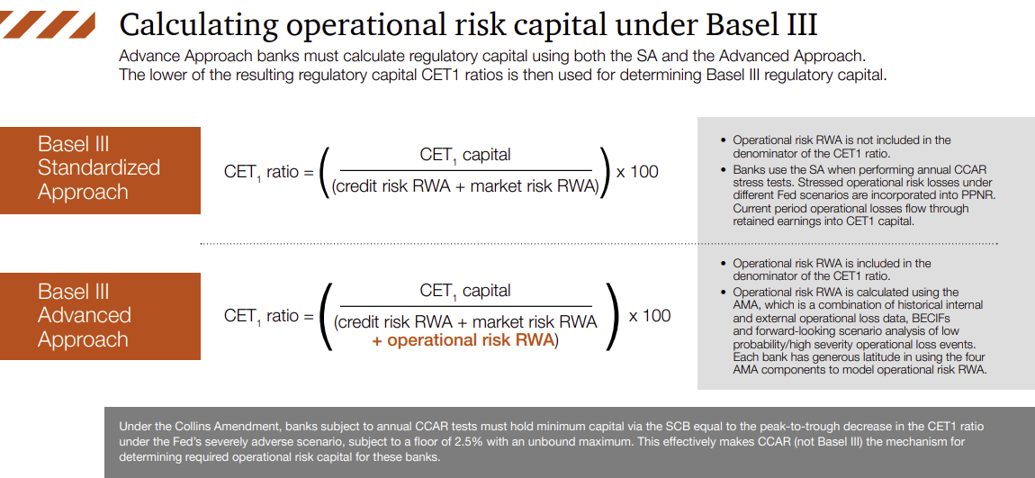
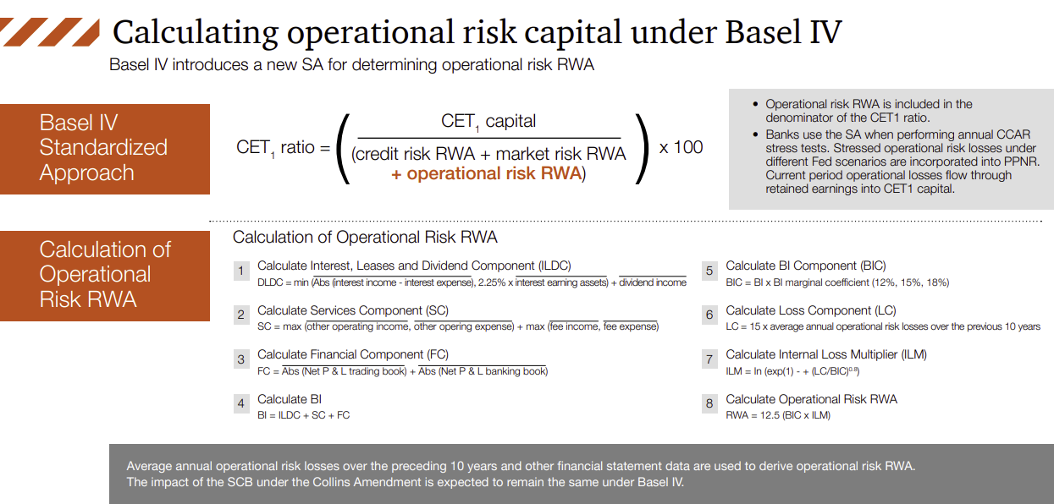
Introduction of new Operational Risk RWA requirements will be calculated based on a financial statement based proxy and an Internal Loss Multiplier, which is a scaling factor that is based on a bank’s average historical losses.

SA-CCR
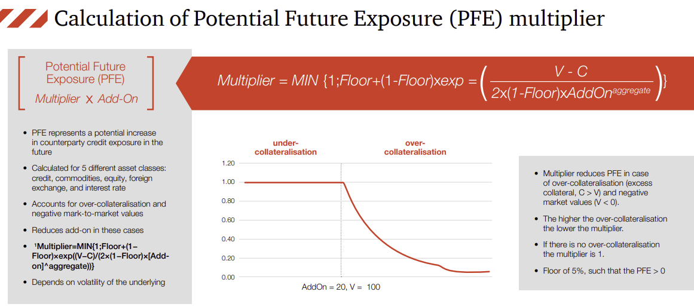
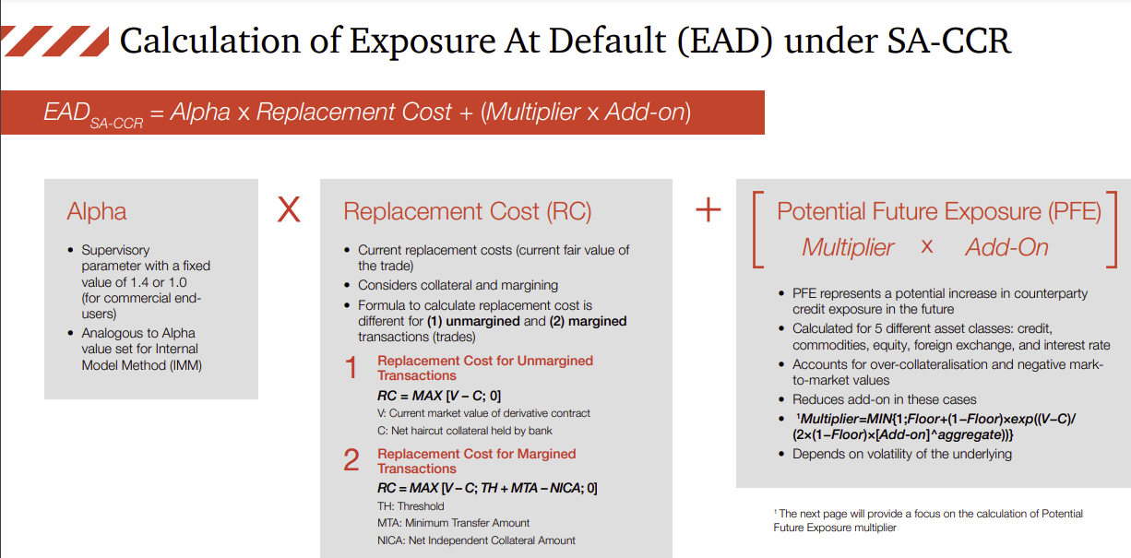
Replaces the current exposure method.
Recognizes secured and cleared trades.
Introduces increased risk sensitivity by addressing over-collateralisation and negative market values.
Introduces hedging sets for specific asset classes.

