Front_Office
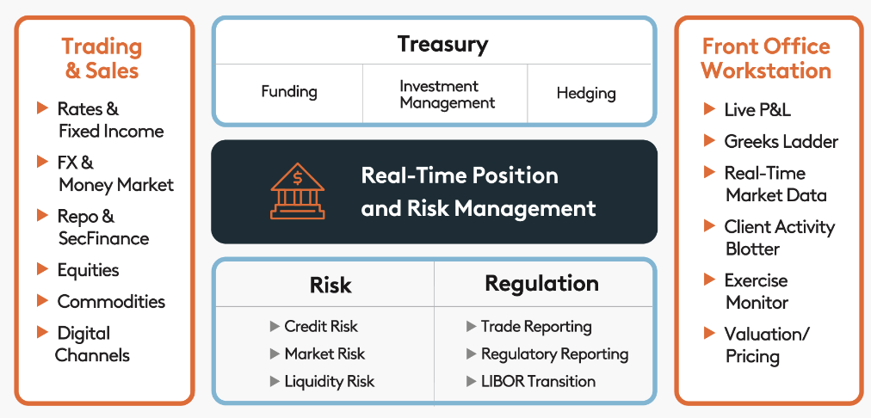

To achieve trading and portfolio management objectives and gain competitive advantage, firms need to fortify their front offices by adopting:
a) Tighter integration: front-to-back
b) A data-driven approach
c) A single source of truth
d) Trading modernization through digital transformation

Middle_Office_Trading_Risk
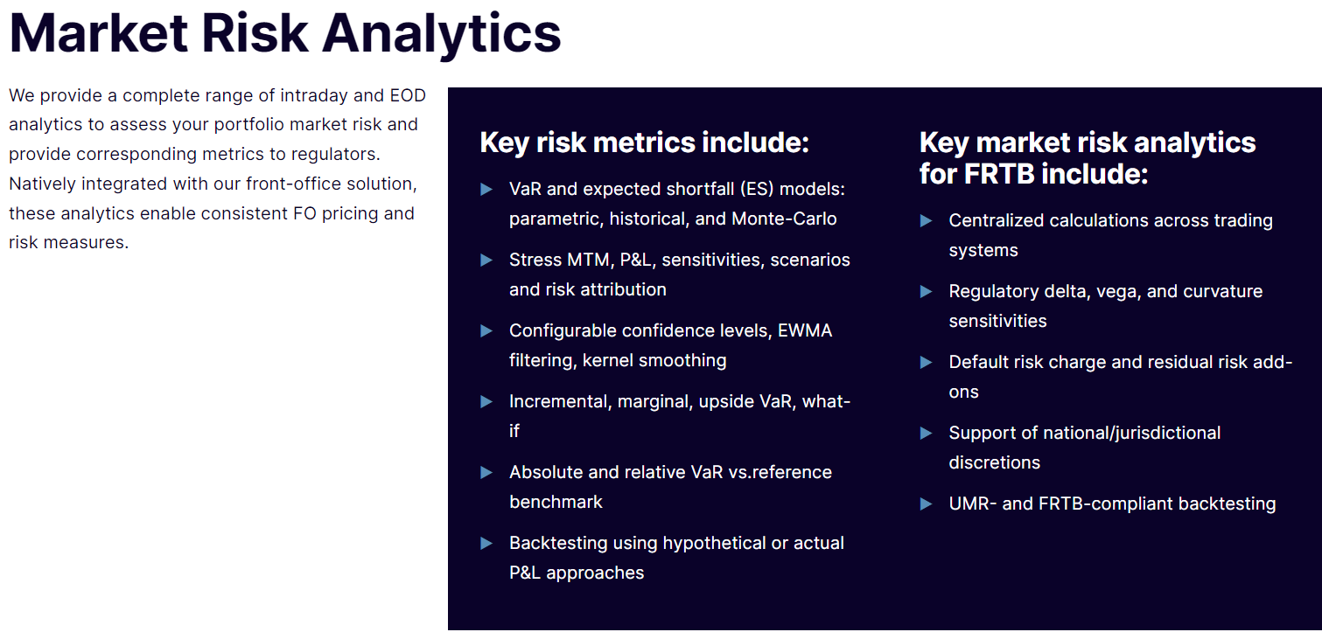
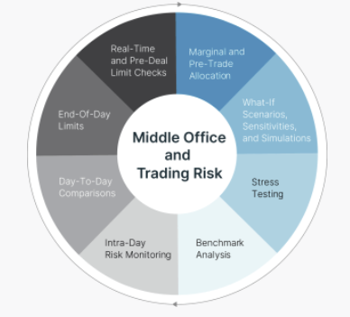
Firms are trading ever larger derivatives volumes as they address new market demands and incorporate financial innovations. The total cost of trading is also increasing driven by larger trading volumes and, in addition to existing XVA spread and margin requirements, new complex regulations such as Basel III’s FRTB and SA-CCR. In this challenging environment, it is a strategic imperative that firms can estimate –during the pre-trade phase –the impact of a trade on their market, counterparty credit, or liquidity risk profiles.

In addition to generating official end-of-day (EOD) metrics and reports, we enable intraday risk monitoring, real-time pre-deal limits checks, what-if simulations, and stress scenarios. We provide a Risk, P&L and Liquidity management solution for cross asset, cleared and uncleared businesses. It allows users to better price and hedge their risk exposures and to forecast their funding and capital needs. With our middle office and trading risk platform you can optimize profitability in a world of volatile markets and ever-changing regulatory environment.

Collateral_Margin
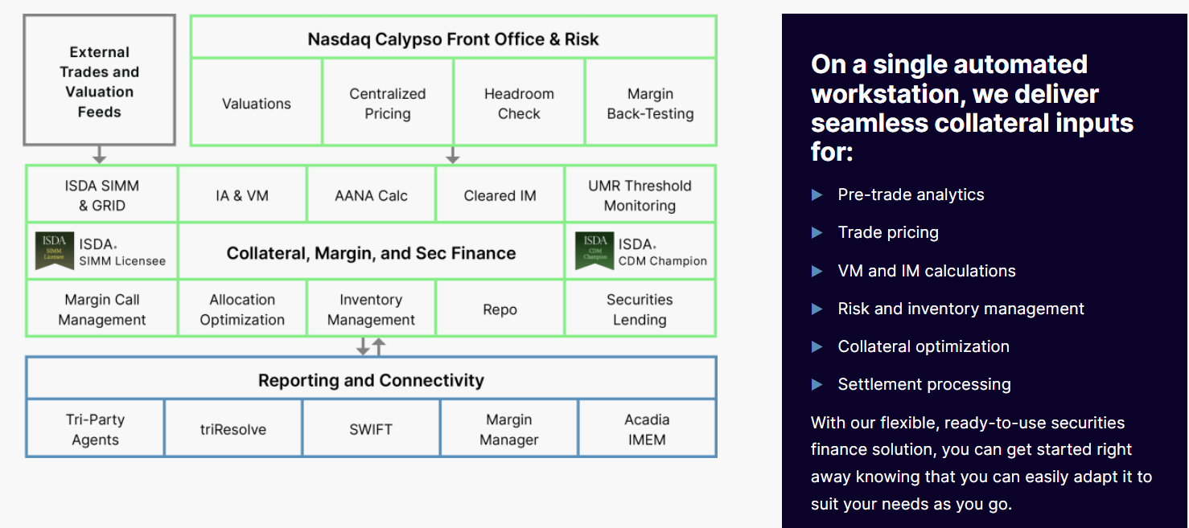
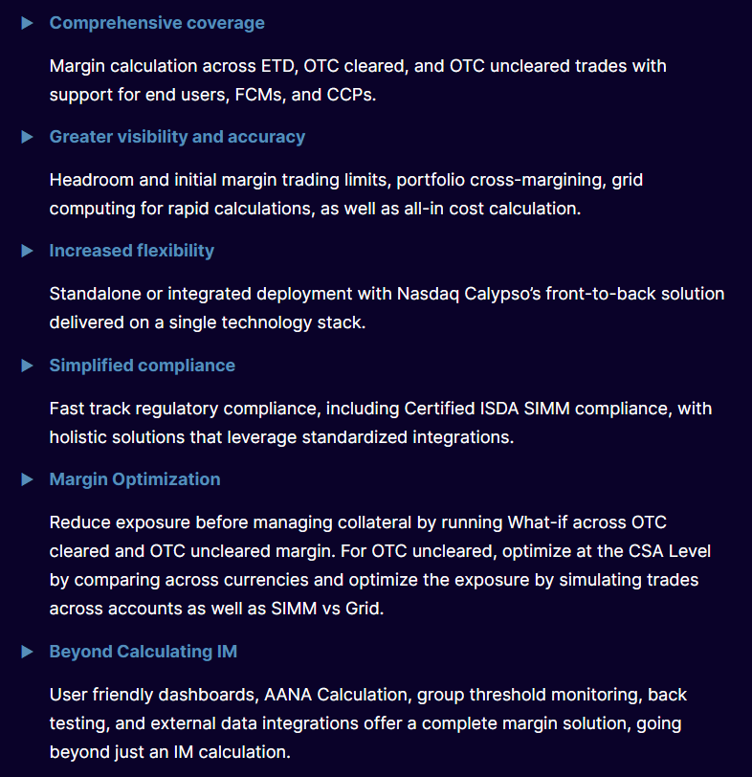
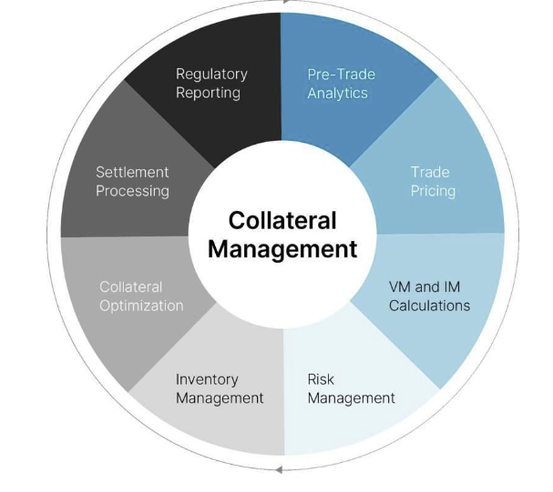
A single cash and security inventory to optimally manage margin calls, allocate collateral, and trade securities finance transactions.

The growing need to integrate the collateral function with the treasury and capital market trading solution is driven by new pricing, hedging, and counterparty risk best-practices, and by larger regulatory frameworks including UMR, SA-CCR, and SFTR. Facing increased demand for non-cash collateral, firms also urgently need to optimize inventory to lend, pledge as collateral, or repo. Hampered by siloed data, systems, fragmented inventories, and manual processes, firms must access data and processes across the organization to optimize their assets and cover collateral requirements.

We help financial institutions reduce counterparty credit risk while strengthening processing and data consistency. With Nasdaq, you can meet today’s many challenges across margin calculations for cleared and uncleared trades, collateral management, and securities financing.

Clearing
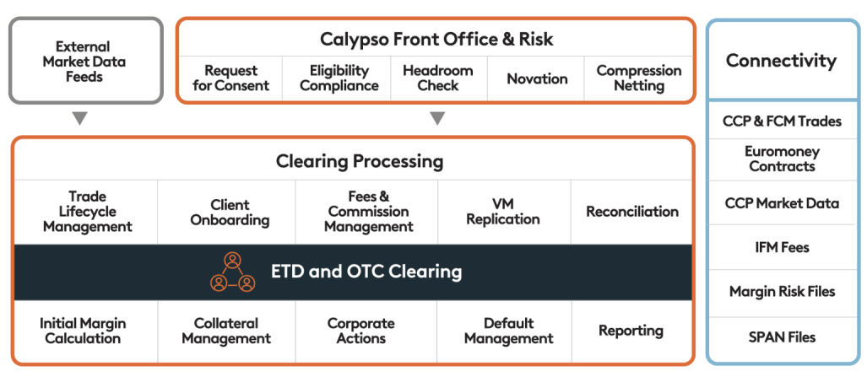
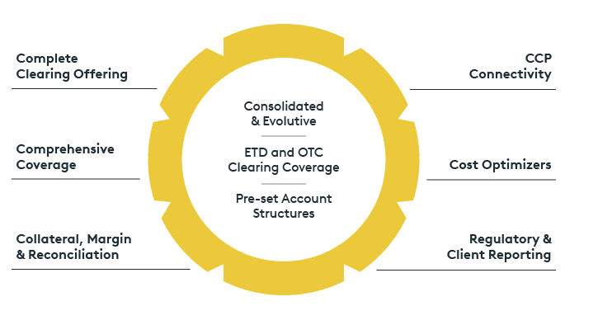

We provide an integrated cross-asset over the counter (OTC) and exchange traded derivatives (ETD) clearing solution that includes trade connectivity, processing, collateral management and optimization, margin calculation and reconciliation. Nasdaq’s cloud-hosted integrated clearing solution, you can go beyond compliance to achieve market best-practice adoption, TCO reduction, and process optimization, extending to a fully-managed BPO via our utility partners.

Post_Trade_Processing
 | In a world of shrinking margins and growing complexity of exotics transaction processing, it is fundamental that the back-office function provides reliability, efficiency, auditability and high degree of governance and controls. To reduce operational costs while complying with an ever-changing regulatory landscape, firms must transform the back office into an agile, adaptable, scalable and intelligent processing machine that can serve business needs efficiently.

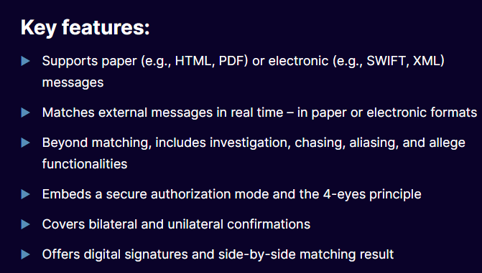
Confirmation & Matching
Our STP electronic and automated trade-to-confirmation solution provides a framework for real-time matching and settlement of any message type and delivers essential audit, investigation, and allege functions.

