BCBS 239
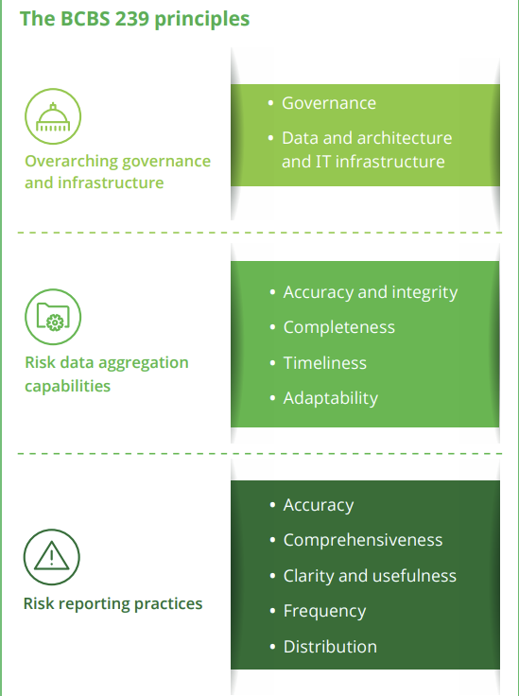
RDARR | Principles for effective risk data aggregation and risk reporting
BCBS | Basel Committee on Banking Supervision

Regulatory_Landscape
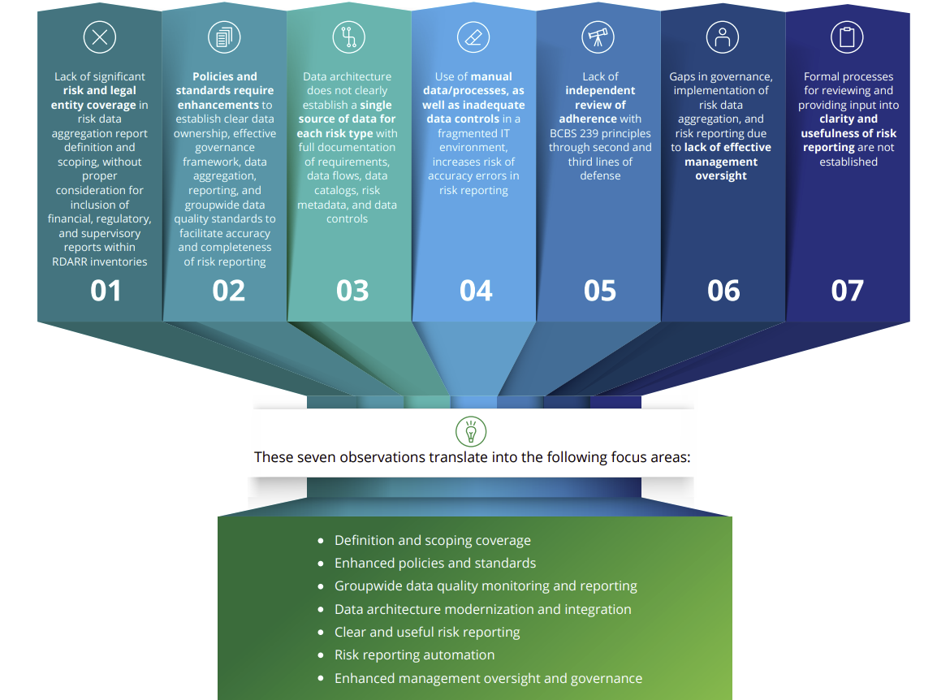

RDARR-Framework
