Sheet1
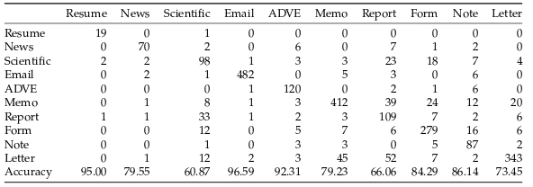
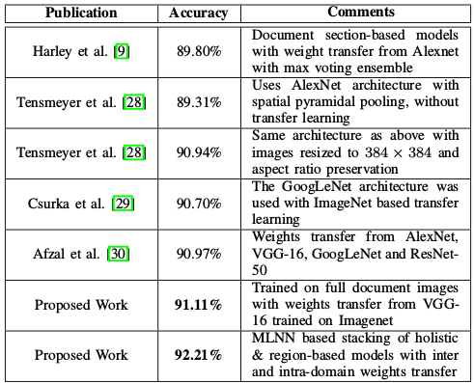
Paper | Author | Date | Tobacco3482 | BigTobacco | Training method
Structural similarity for document image classification and retrieval | Jayant Kumar | 11-2013 | 43.8 |  | 100 training samples per class
Convolutional Neural Networks for Document Image Classification |  |  | 65.35 |  | 100 training samples per class
Evaluation of deep convolutional nets for document image classification and retrieval | Harley | 02-2015 | 79.9 | 89.8 | 800/200/test | Does not mention 100 samples per class | Introduce RVL-CDIP (BigTobacco)
DeepDocClassifier : Document Classification with Deep Convolutional Neural Network | Afzal | 2015 | 77.6 |  | 20-100 samples per size | AlexNet Pretraining
Cutting the Error by Half | Afzal | 04-2017 | 91.13 (document pretraining) | 90.97 | 10-100 samples per class | 77.52 with ImagenNet pretraining | 70.28 No pretraining | Beats DeepDocClassifier (state-of-art) | Does not mention Harley as state-of-the-art
Real-Time Document Image Classification using Deep CNN and Extreme Learning Machines | Andreas Kölsch | 11-2017 | 90.05 (document pretraining) |  | 100 training samples per class | AlexNet pretrained in RVL-CDIP | 75.73 without RVL-CDIP pretrain | Compares with DeepDoc
Document Image Classification with Intra-Domain Learning and Stacked Generalization of Convolutional Neural Networks | Arindam Das | 08-2018 |  | 92.21
Deep Convolutional Neural Networks for Document Classification | Fabio Ellena | 04-2018 | 83.2/77.2 (without pretraining) |  | No 800/test mention | Does not mention 100 samples per class | (Densenet-121) Imagenet pretraining
Multimodal deep networks for text and image-based document classification | Nicolas Audebert | 07-2018 | 87.8 |  | 800/test | Does not mention 100 samples per class | MobileNetv2 pretrained in ImageNet

