Models_results
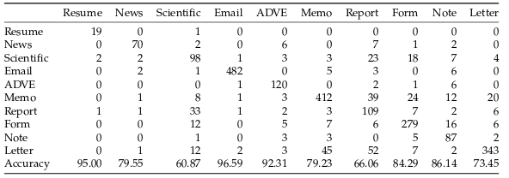
 | Text model | Image model | batch_size | lr | epochs
 | FastText + Byte | No | 40 | 0.03 | 10 | [0.9524, | 0.5806, | 0.6667, | 0.8477, | 0.4286, | 0.1295, | 0.3533, | 0.4428, | 0.5686, | 0.5342]
 | FastText + Byte | Mobilenetv2 | 32 | 0.003 | 5 | 0.0000, | 0.0000, | 1.0000, | 0.0000, | 0.0000, | 0.0000, | 0.0000, | 0.0000, | 0.0000, | 0.0352
 | FastText + Byte | No | 40 | 0.03 | 100 | 1.0000, | 0.7661, | 0.6061, | 0.8898, | 0.6241, | 0.4495, | 0.4132, | 0.6747, | 0.5588, | 0.4948 | 64.70%
combined_cnn | Flair + CNN | Mobilenetv2 | 1 | 0.003 | 5 | 0.8095, | 0.6452, | 0.4182, | 0.9378, | 0.5366, | 0.6298, | 0.5988, | 0.5572, | 0.6848, | 0.7847
combined_cnn | Flair + CNN | Densenet | 1 | 0.003 | 20 | 0.9524, | 0.9032, | 0.5818, | 0.9739, | 0.6504, | 0.8302, | 0.5389, | 0.7771, | 0.6413, | 0.6915 | 75.41%
image_model | No | Densenet | 32 | 0.001 | 50 | 0.0952, | 0.6613, | 0.2545, | 0.7535, | 0.9023, | 0.3924, | 0.5808, | 0.6627, | 0.7353, | 0.3561
fusion_pretrained_v3 | FastText + Byte | Densenet | 40 | 0.003 | 5 | 0.0000, | 0.7097, | 0.0727, | 0.8657, | 0.9549, | 0.0000, | 0.4731, | 0.5301, | 0.7255, | 0.0973
combined_cnn | Flair + CNN (tokenizer) | Densenet | 1 | 0.001 | 20 | 0.9524, | 0.8306, | 0.6970, | 0.9719, | 0.6562, | 0.8114, | 0.5150, | 0.7982, | 0.7660, | 0.7143 | 77.13% | 78.40%
image_model | No | Densenet | 40 | 0.01(franchutes) | 150
combined_cnn | Flair + CNN (tokenizer) | Densenet | 1 | 0.001 | 80 | 1.0000, | 0.8506, | 0.5963, | 0.9659, | 0.6290, | 0.7846, | 0.5636, | 0.8006, | 0.7978, | 0.8287 | 79.50% |  | Longer time test
combined_cnn_v2 | Flair + CNN (tokenizer) | Densenet | 32 | 0.01 | 20 | 1.0000, | 0.6818, | 0.5342, | 0.9659, | 0.8769, | 0.8096, | 0.6424, | 0.7704, | 0.8119, | 0.7216 | 79.10% |  | Testing CNN with batch_size >1
combined_cnn_v2 | Flair + CNN (tokenizer) | Densenet | 32 | 0.01 | 100 | 0.9500, | 0.7955, | 0.6087, | 0.9659, | 0.9231, | 0.7923, | 0.6606, | 0.8429, | 0.8614, | 0.7345 | 81.30%

