Resa - iframe
Website homepage | We want a JS front end program who get those 8 answers |  | We want the possibility to get in url 8 parameters with answers to this question. we jump to the next question if we already have the answer
SCREEN 1 | Define the apartment
Bouton Radio |  | Vous vendez (YOU SELL) | Vous louez (YOU RENT)
Bouton Radio |  | Maison | Appartement
Select | si Maison | -40m2 | 40 à 80 | 80 à 120 | 120 à 160 | 160 à 200 | 200 à 250 | 250 à 300 | Plus de 300
Select | Si Appartement | 1 pièce | Studio T1 | T2 | T3 | T4 | T5 | T6 | T7 | T8 | T9 | T10
Bouton Radio | Date permis de construire | avant le 01/01/1949 | entre 1949 et le 01/07/1997 | après le 01/07/1997
Adresse | Google maps api autocompletion | https://developers.google.com/maps/documentation/javascript/examples/places-autocomplete-addressform
Installation de gaz ? |  | Non | Oui, Moins de 15 ans | Oui, Plus de 15 ans
Installation de gaz ? |  | Non | Oui, Moins de 15 ans | Oui, Plus de 15 ans

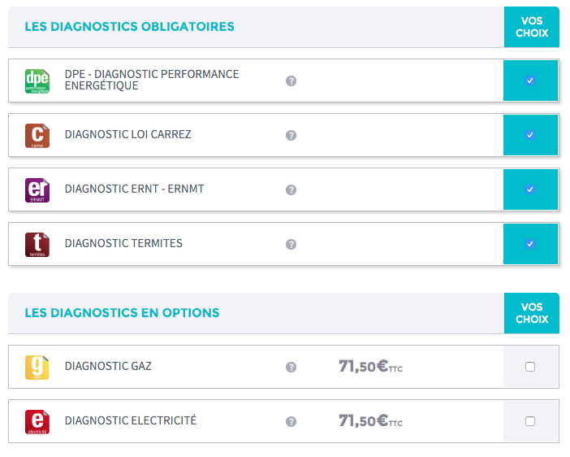
SCREEN 2 | Products choice (CART)
Diagnostics list with check box in front of each. box checked when diag is mandatory

DPE - Diagnostic Performance Energétique |  | Mandatory
Diagnostic amiante avant vente |  | Before 01/07/1997
Diagnostic Plomb |  | Before 01/01/1949
Diagnostic loi Carrez |  | Mandatory
Diagnostic ERNT - ERNMT |  | Mandatory
Diagnostic Termites |  | depends on postcode 2 first figures : http://www.developpement-durable.gouv.fr/IMG/pdf/Dpts_termites_2015.pdf
Diagnostic Gaz |  | IF Oui, plus de 15 ans
Diagnostic Electricité |  | IF Oui, plus de 15 ans
Diagnostic Etat Parasitaire |  | Always optional

 | User decide to uncheck check (choose the products he wants to order), the user can uncheck a mandatory check by default diagnostic
 | Each diagnostic has a price depending on some criteria, and a time do to it.
 | We havent ask anything to our server yet
 | Total price is sum of products selected. Time needed to make all the diag is sum of each

 | We send to the server all the answers to the questions: pending order
 | We ask for rendez-vous availability by sending a request with the total time needed as parameter

SCREEN 3 | Rendez-vous / planning

 | The goal of our planning system is to first book the whole day of the Diagnostiquer with Priority = 1 then 2 then 3
 | The client can choose a date from tomorrow to next 60 days (not more)
 | Working day is from 8h to 19h (8am to 7pm)
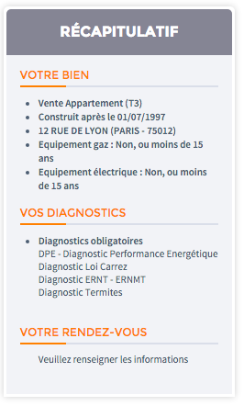
 | diagnositquer do not work on sunday
 | book for tomorrow OR Saturday increased the price by a ratio
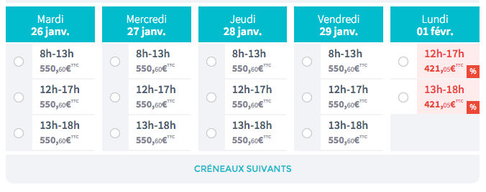
 | We propose Two rendez vous in the morning and two in the afternoon (only 3 for the whole day on the screenshot)
 | 9h and 10h are proposed by default when calendat is empty for the morning
 | 14h and 15h are proposed by default for the afternoon is empty
 | Last beginning time for morning : 11h30
 | Last diag of the day has to finish at 19h 7pm max
 | A diag can start at 00min or 30 ex: 9H30 10H 10h30
 | The diagnostiquer need 30 minutes to go from a place to another.. its minimum time between to mission
 | one hour minimum between each diag beginning
Example | Romain has priority 1 Nabil 2
 | Romain has a diag from 9h to 10h
 | Nabil is empty
 | someone order a one hour diag
 | Platform propose for the morning
 | Romain 10h30 - 11H30
 | Romain 11h30 - 12H30
 | Afternoong
 | Romain 14h - 15H
 | Romain 15h - 16h

Other example | Romain has one diag from 10 to 11 and one from 15h to 16h
 | Nabil is empty
 | Someone order a 1h30 diag
 | Nabil at 8h - 9h30 |  | why nabil here
 | Romain at 11h30 - 13H
 | Romain 13h-14h30
 | Romain 16h30 - 18h
 | Tell me if you dont get it

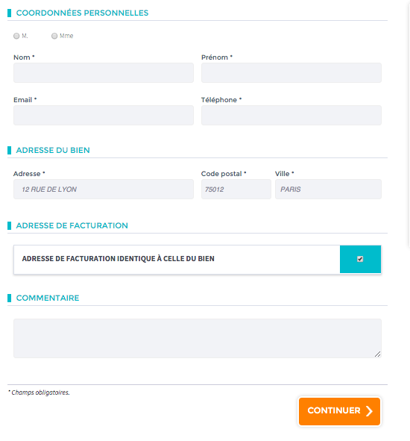
 | The user choose on of the proposed rendez-vous.
 | Then he filled in some fieldss
 | Then pay OR send a link by mail to the one who has to pay !
 | Then admin receive the order with the selected diagnostiquer into copy with all the order details
 | The admin and diagnostiqueur can access to the back office to check his calendar. (see back office tab)

 | Only the Landlord payment is online by debit card... then we will make manually a wiretransfer to all the diagnostiquer at the end of the month
 | If Agency or Other companies, possibility to 1)send a link to the landlord wich will link to debit card payment OR 2)include this order in the monthly invoice
 | the first of each month, we send en email to each companies (everybody except landlord) with an invoice with all the orders delivered (pdf uploaded) of the previous month, and the total to pay. in France VAT is 20%. Maybe we can integrate in the mail a link to pay by credit card. or they pay by wiretransfer offline.
 | Possibility for a delivered order for the admin to turn an order to 0 € ... we need in the case that we did bad job and we do no want to make him pay (only available for agencies and companies because landlord paid right away by debit card)
order status : | request | not yet ordered
 | Ordered-pending | the agency or company decided to send the payment link to the landlord. its considered as ordered. same features
 | Ordered | the client confirm order (payment if landlord, select option invoice end of the month). The admin and concerned diagnostiquer are notified by mail.. link to access to plannig
 | Prepaid | Ordered and paid by credit card by the landlord (the debit card payment page return if success or failed)
 | Delivered | PDF uploaded but not yet paid option invoice
 | Payment-Pending | PDF is uploaded. Not sent to the client... the landlord is re-notified he has to pay now to receive the pdf
 | Complete | pdf upload and paid

 | if agency send the link to the client (not monthly invoice option). We need to wait the landlord to pay to change the status to Ordered.

 | When we receive a payment through wiretransfer.. we should have the possibility to change in back office the order status from delivered to paid

 | When the client receive the order confirmation by mail, it would be great to send a proforma invoice in pdf in attached file.
 | When he receive the PDF, we can attach the final invoice (the same figure as the proforma, but with a different title

Back OFFICE
Admin can see statistics
Admin can see all the diagnostiquers calendars and details of each order
Admin can add diagnostiquer and give priority order. can deactivate one
ADmin can see turnover per day/month/year per diagnostiquer and overall
Each diagnostiqueur, has access to his own calendar in a responsive light back office
Diagnostiqueur see the platform fill in their calendar....he has access to his calendar (screenshot) and he can click on a time period and check the detail of the sale. the service is considered done when he has uploaded the PDF (delivery.. )
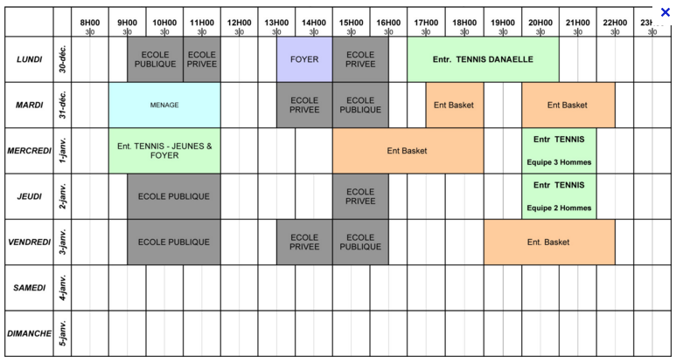
After delivery we update his monthly and yearly turnover wich is displayed on each diagnostiquer calendar
The Client and the landlord receive the PDF by email... and can see it in his back office

Le diagnostiqueur has access to his monthly turnover and yearly turnover

Planning / calendar
When a new order is allocated to him the diagnostiquer and admin receive an email with details. They have a link to access to their back office with the calednar
details of an order : all the info we collected...but display in first diag adress / hour time of diag / list of diags in the order
He can insert in his calendar the fact that he is now available from day/hour to day/hour

Date / Hour of order
Adress
Caractéristiques
List of ordered diags
Comments / Informations
Upload diag (when its finished)
Back to global calendar

HE can see on the same main dashboard page with his calendar his monthly/yearly calendar

Mails sent to diagnostiquer

Welcome : when the admin subscribe him... the diagnostiquer receive an email with login/password to access his calendar
Order confirmation... inside a mail a button.... I am not available anymore.... if clicks, it allocate the order to an available Diagnostiquers (notify the admin about this change)
After he uploaded the diag he has a mail wich tell him order is finished, we added the money to his turnover in back office

Only the Landlord payment is online... then we will make manually a wiretransfer to all the diagnostiquer at the end of the month
If Agency or Other companies, possibility to 1)send a link to the landlord OR 2)include this order in the monthly invoie
At the end of each month, we send en email to each companies with an invoice with all the orders, and the total to pay. in France VAT is 20%
Possibility for a delivered order for the admin to turn an order to 0 € ... we need in the case that we did bad job and we do no want to make him pay (only available for agencies and companies because landlord paid right away by debit card)

