detalle
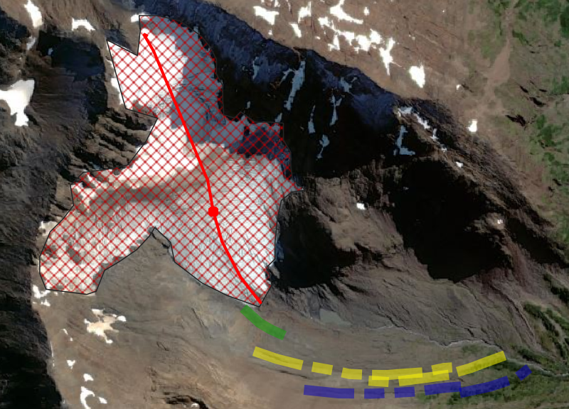
Pasar nuevos mapas
MP1 | MP2 |  | MP3
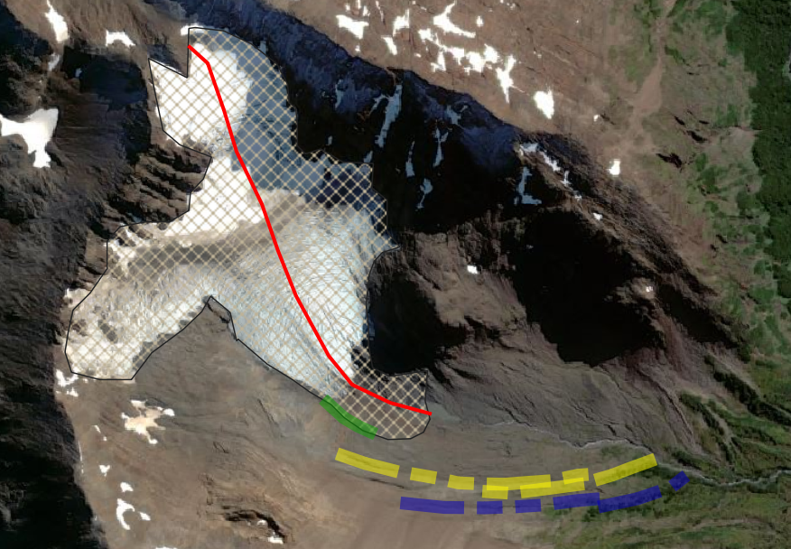
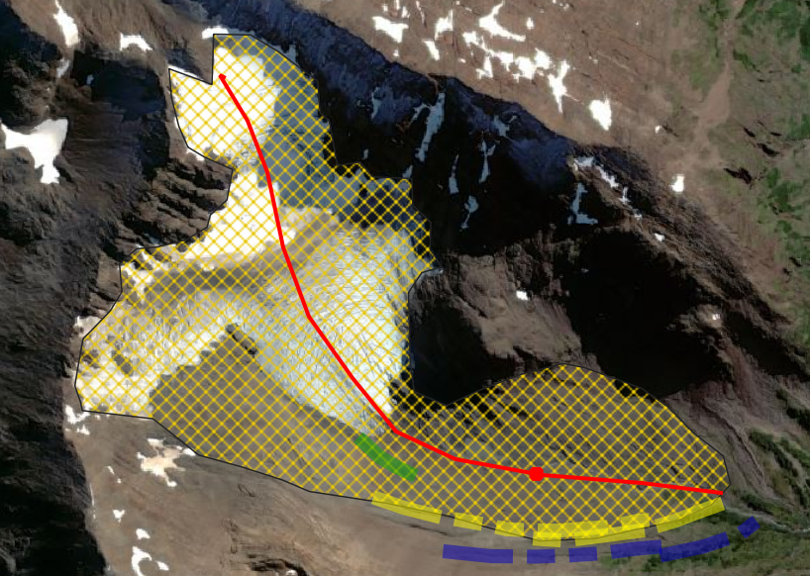

Ruta de medición | Ruta de medición |  | Ruta de medición

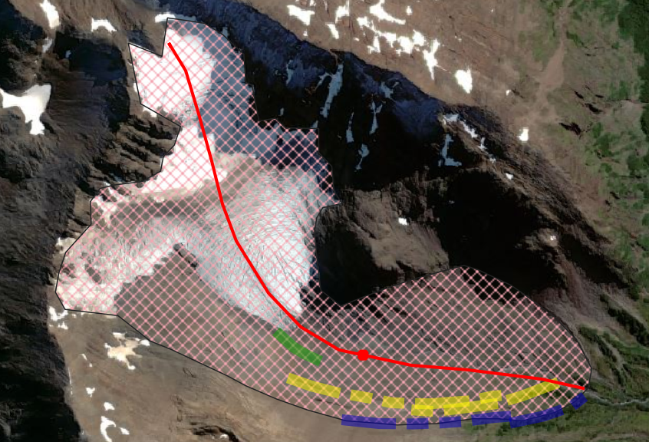
MP4

 | curva hipsometrica
 | Orden de los datos
 | Area**0.5 en porcentaje | Altura

Ruta de medición

