05 Analisis
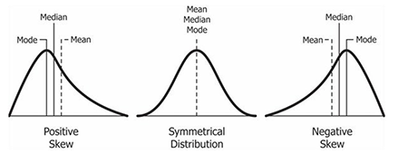
price_sqft |  | floorNum |  | price * 100K |  | sqf |  | sumAreas |  | diffSqfSumAreas

Media | 9331.5303347 | Media | 7.9337517434 | Media | 17095990.586 | Media | 2835.5821717 | Media | 3642.7264784 | Media | -807.14430671
Error típico | 104.35547491 | Error típico | 0.11568120894 | Error típico | 259003.22636 | Error típico | 479.8880233 | Error típico | 429.20393817 | Error típico | 64.493138738
Mediana | 8338.5 | Mediana | 7 | Mediana | 13800000 | Mediana | 1669.5071496 | Mediana | 2093 | Mediana | 0.0066633025698
Moda | 10000 | Moda | 2 | Moda | 12500000 | Moda | 2000 | Moda | 1350 | Moda | 0
Desviación estándar | 5588.6229817 | Desviación estándar | 6.1951580729 | Desviación estándar | 13870584.025 | Desviación estándar | 25699.784683 | Desviación estándar | 22985.463817 | Desviación estándar | 3453.8469364
Varianza de la muestra | 31232706.832 | Varianza de la muestra | 38.379983548 | Varianza de la muestra | 1.9239310119E+14 | Varianza de la muestra | 660478932.75 | Varianza de la muestra | 528331546.9 | Varianza de la muestra | 11929058.66
Curtosis | 476.81173237 | Curtosis | 3.1693111585 | Curtosis | 13.802149394 | Curtosis | 792.31959726 | Curtosis | 739.87575655 | Curtosis | 1000.1543798
Coeficiente de asimetría | 14.983471187 | Coeficiente de asimetría | 1.359131386 | Coeficiente de asimetría | 2.8917593057 | Coeficiente de asimetría | 27.573430942 | Coeficiente de asimetría | 26.74257364 | Coeficiente de asimetría | 27.238010063
Rango | 199996 | Rango | 45 | Rango | 148400000 | Rango | 874927.99885 | Rango | 737081 | Rango | 147752.75354
Mínimo | 4 | Mínimo | 0 | Mínimo | 1600000 | Mínimo | 72.001152018 | Mínimo | 66 | Mínimo | -9899.7535428
Máximo | 200000 | Máximo | 45 | Máximo | 150000000 | Máximo | 875000 | Máximo | 737147 | Máximo | 137853
Suma | 26762829 | Suma | 22754 | Suma | 49031301000 | Suma | 8132449.6684 | Suma | 10447339.54 | Suma | -2314889.8716
Cuenta | 2868 | Cuenta | 2868 | Cuenta | 2868 | Cuenta | 2868 | Cuenta | 2868 | Cuenta | 2868

La media es 9331 y la mediana es inferior con un valor de 8338. Esto nos indicia asimetr'ia de la distribucion con existencia algunos valores altos. La curtosis positiva nos dice que la asimetria es hacia la derecha. La tendencia del precio por metros cuadrado nos podria indicar que hay muchos pisos. |  | La media es7.9 y la mediana es inferior con un valor de 7. Esto nos indicia asimetr'ia de la distribucion con existencia algunos valores altos. La curtosis positiva nos dice que la asimetria es hacia la derecha. Es probable que haya muchos valores con pisos altos, lo que indica que la construccion de la vivienda en la India tiende a edificios de muchas plantas. |  | 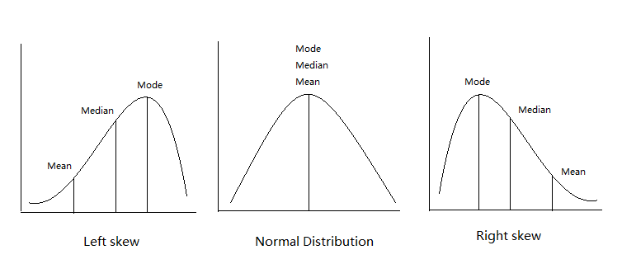 La media es nuevamente mas alta que la mediana. Esto era de esperar, ya que la tendencia en el precio por metros cuadrado era esa. Los datos nos indican asimetr'ia de la distribucion con existencia algunos valores altos. La curtosis positiva nos dice que la asimetria es hacia la derecha. Es probable que haya pisos caros y esto puede estar relacionado con el lujo de los mismos.

