Analysis
Row Labels | Sum of TOTAL SELLING VALUE | Sum of TOTAL BUYING VALUE | Sum of TOTAL SELLING VALUE | Row Labels | Sum of TOTAL BUYING VALUE | Sum of TOTAL SELLING VALUE |  | TRUE | TRUE | TRUE | PRODUCT | UOM | Sum of TOTAL SELLING VALUE | Sum of QUANTITY |  |  |  | Row Labels | Sum of TOTAL SELLING VALUE |  |  |  | Row Labels | Sum of TOTAL SELLING VALUE | Row Labels | Sum of TOTAL SELLING VALUE
1 | $13,167.81 | 332504 | 401411.92 | Jan | 34290 | 41346.96 | Month | Sales | Profit | Profit Percentage | Product01 | Kg | 9764.72 | 94 | $22,952.16 | Product01 | $9,764.72 | Category01 | $69,261.95 | Category01 | $69,261.95 | 17% | Direct Sales | $208,140.15 | Cash | $199,516.90
2 | $13,210.22 |  |  | Feb | 25341 | 30857.3 | Jan | $41,347 | $7,057 | 21% | Product02 | Kg | 13423.2 | 94 |  | Product02 | $13,423.20 | Category02 | $92,963.87 | Category02 | $92,963.87 | 23% | Online | $133,923.87 | Online | $201,895.02
3 | $20,202.10 |  |  | Mar | 23437 | 28616.65 | Feb | $30,857 | $5,516 | 22% | Product03 | Kg | 6394.26 | 79 | Product41 | Product03 | $6,394.26 | Category03 | $52,299.51 | Category03 | $52,299.51 | 13% | Wholesaler | $59,347.90
4 | $11,312.20 | Total Sales | $401,411.92 | Apr | 21282 | 26579.11 | Mar | $28,617 | $5,180 | 22% | Product04 | Lt | 6056.16 | 124 | Ft | Product04 | $6,056.16 | Category04 | $95,269.40 | Category04 | $95,269.40 | 24%
5 | $11,711.45 | Total Profit | $68,907.92 | May | 26526 | 30910.45 | Apr | $26,579 | $5,297 | 25% | Product05 | Ft | 15716.61 | 101 | 132 | Product05 | $15,716.61 | Category05 | $91,617.19 | Category05 | $91,617.19 | 23%
6 | $14,365.54 | Profit Percentage | 21% | Jun | 24879 | 30533.71 | May | $30,910 | $4,384 | 17% | Product06 | Kg | 4531.5 | 53 |  | Product06 | $4,531.50
7 | $7,132.79 |  |  | Jul | 29878 | 35251.79 | Jun | $30,534 | $5,655 | 23% | Product07 | Lt | 2291.04 | 48 |  | Product07 | $2,291.04 | Category04 | $95,269.40 |  | $401,411.92 | 100%
8 | $14,262.46 |  |  | Aug | 29831 | 35350.4 | Jul | $35,252 | $5,374 | 18% | Product08 | Kg | 10502.82 | 111 |  | Product08 | $10,502.82
9 | $16,824.67 |  |  | Sep | 28758 | 35242.81 | Aug | $35,350 | $5,519 | 19% | Product09 | No. | 581.64 | 74 |  | Product09 | $581.64
10 | $15,229.35 |  |  | Oct | 27842 | 33500.69 | Sep | $35,243 | $6,485 | 23% | Product10 | Ft | 16428 | 100 |  | Product10 | $16,428.00
11 | $11,915.58 |  |  | Nov | 29306 | 36124.07 | Oct | $33,501 | $5,659 | 20% | Product11 | Lt | 5856.4 | 121
12 | $14,837.36 |  |  | Dec | 31134 | 37097.98 | Nov | $36,124 | $6,818 | 23% | Product12 | Kg | 11582.91 | 123
13 | $8,084.26 |  |  |  |  |  | Dec | $37,098 | $5,964 | 19% | Product13 | Kg | 8423.52 | 69
14 | $9,461.14 |  |  |  |  |  |  |  |  |  | Product14 | Kg | 12764.64 | 87
15 | $12,189.70 |  |  |  |  |  |  |  |  |  | Product15 | No. | 1839.24 | 117
16 | $12,762.63 |  |  |  |  |  |  |  |  |  | Product16 | No. | 1996.8 | 120
17 | $3,659.24 |  |  |  |  |  |  |  |  |  | Product17 | Ft | 9877.14 | 63
18 | $18,582.39 |  |  |  |  |  |  |  |  |  | Product18 | No. | 4035.22 | 82
19 | $10,204.23 |  |  |  |  |  |  |  |  |  | Product19 | Ft | 20160 | 96
20 | $20,482.78 |  |  |  |  |  |  |  |  |  | Product20 | Lt | 8006.25 | 105
21 | $10,665.40 |  |  |  |  |  |  |  |  |  | Product21 | Ft | 10727.64 | 66
22 | $11,315.84 |  |  |  |  |  |  |  |  |  | Product22 | Ft | 9909.9 | 70
23 | $18,818.19 |  |  |  |  |  |  |  |  |  | Product23 | Ft | 12853.56 | 86
24 | $11,488.40 |  |  |  |  |  |  |  |  |  | Product24 | Ft | 10202.4 | 65
25 | $18,688.43 |  |  |  |  |  |  |  |  |  | Product25 | No. | 599.76 | 72
26 | $13,710.08 |  |  |  |  |  |  |  |  |  | Product26 | No. | 2761.92 | 112
27 | $11,440.67 |  |  |  |  |  |  |  |  |  | Product27 | Lt | 6226.08 | 109
28 | $13,306.16 |  |  |  |  |  |  |  |  |  | Product28 | No. | 4682.72 | 112
29 | $8,794.48 |  |  |  |  |  |  |  |  |  | Product29 | Lt | 5523.44 | 104
30 | $16,666.27 |  |  |  |  |  |  |  |  |  | Product30 | Ft | 22945.92 | 114
31 | $6,920.10 |  |  |  |  |  |  |  |  |  | Product31 | Kg | 6249.6 | 60
 |  |  |  |  |  |  |  |  |  |  | Product32 | Kg | 16329.72 | 139
 |  |  |  |  |  |  |  |  |  |  | Product33 | Kg | 13645.8 | 114
 |  |  |  |  |  |  |  |  |  |  | Product34 | Lt | 8978.2 | 154
 |  |  |  |  |  |  |  |  |  |  | Product35 | No. | 703.5 | 105
 |  |  |  |  |  |  |  |  |  |  | Product36 | Kg | 7222.5 | 75
 |  |  |  |  |  |  |  |  |  |  | Product37 | Kg | 5145.6 | 60
 |  |  |  |  |  |  |  |  |  |  | Product38 | Kg | 8871.12 | 111
 |  |  |  |  |  |  |  |  |  |  | Product39 | No. | 3957.15 | 93
 |  |  |  |  |  |  |  |  |  |  | Product40 | Kg | 7718.4 | 67
 |  |  |  |  |  |  |  |  |  |  | Product41 | Ft | 22952.16 | 132
 |  |  |  |  |  |  |  |  |  |  | Product42 | Ft | 20574 | 127
 |  |  |  |  |  |  |  |  |  |  | Product43 | Kg | 6064.84 | 73
 |  |  |  |  |  |  |  |  |  |  | Product44 | Kg | 16333.92 | 199

Sheet1
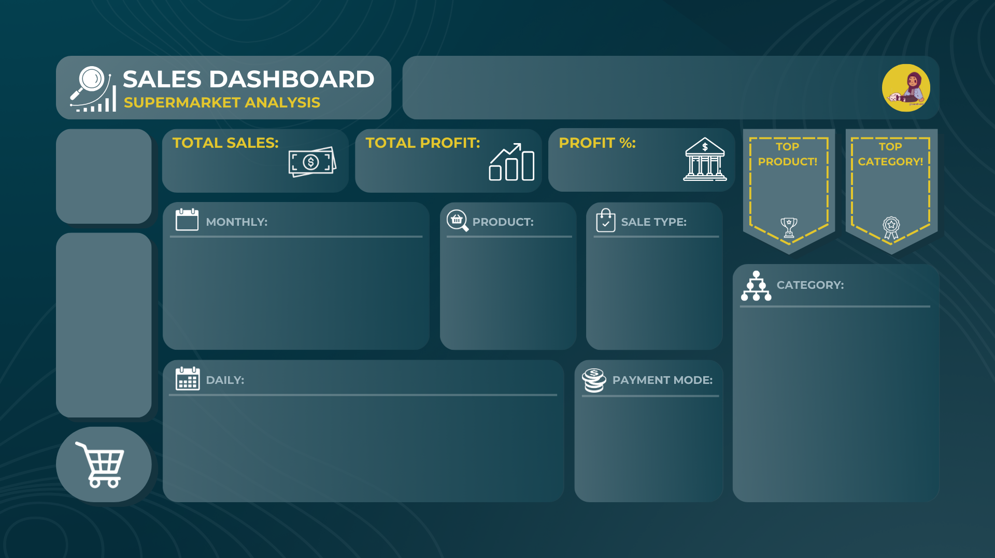

$401,411.92
$68,907.92
21%
Product41
Category04
132
Ft
$22,952.16
$95,269.40

Product01 | $9,764.72
Product02 | $13,423.20
Product03 | $6,394.26
Product04 | $6,056.16
Product05 | $15,716.61
Product06 | $4,531.50
Product07 | $2,291.04
Product08 | $10,502.82
Product09 | $581.64
Product10 | $16,428.00
 | Sales | Profit
Jan | $41,347 | $7,057
Feb | $30,857 | $5,516
Mar | $28,617 | $5,180
Apr | $26,579 | $5,297
May | $30,910 | $4,384
Jun | $30,534 | $5,655
Jul | $35,252 | $5,374
Aug | $35,350 | $5,519
Sep | $35,243 | $6,485
Oct | $33,501 | $5,659
Nov | $36,124 | $6,818
Dec | $37,098 | $5,964
 | Total
Direct Sales | $208,140.15
Online | $133,923.87
Wholesaler | $59,347.90

Category01 | 17%
Category02 | 23%
Category03 | 13%
Category04 | 24%
Category05 | 23%

 | Total
Cash | $199,516.90
Online | $201,895.02
 | Total
1 | $13,167.81
2 | $13,210.22
3 | $20,202.10
4 | $11,312.20
5 | $11,711.45
6 | $14,365.54
7 | $7,132.79
8 | $14,262.46
9 | $16,824.67
10 | $15,229.35
11 | $11,915.58
12 | $14,837.36
13 | $8,084.26
14 | $9,461.14
15 | $12,189.70
16 | $12,762.63
17 | $3,659.24
18 | $18,582.39
19 | $10,204.23
20 | $20,482.78
21 | $10,665.40
22 | $11,315.84
23 | $18,818.19
24 | $11,488.40
25 | $18,688.43
26 | $13,710.08
27 | $11,440.67
28 | $13,306.16
29 | $8,794.48
30 | $16,666.27
31 | $6,920.10

