Keyence Measurement Key
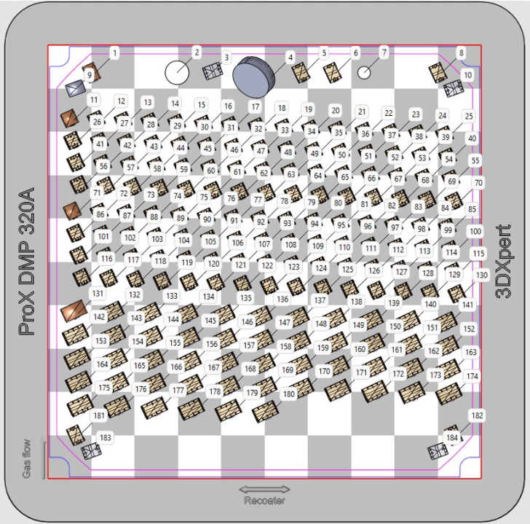
A
B
C
D
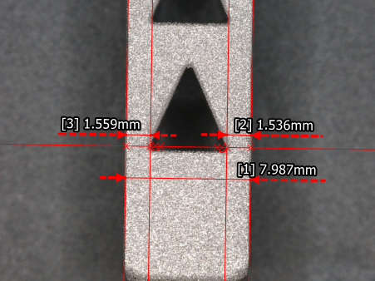
Plate Region | Feature Number | Feature ID | Part Profile | Keyence Label | Feature
A | 1 | A1 | LEFT PROFILE | 1 | Cage Height
A | 2 | A2 | LEFT PROFILE | 2 | Triangle-Edge Thickness 1
A | 3 | A3 | LEFT PROFILE | 3 | Triangle-Edge Thickness 2
A | 4 | A4 | RIGHT PROFILE | 1 | Cage Height
A | 5 | A5 | RIGHT PROFILE | 2 | Triangle-Edge Thickness 1
A | 6 | A6 | RIGHT PROFILE | 3 | Triangle-Edge Thickness 2
A | 7 | A7 | FRONT PROFILE | 1 | Cage Width | Left/Right Profile
A | 8 | A8 | FRONT PROFILE | 2 | Wall Thickness 1
A | 9 | A9 | FRONT PROFILE | 3 | Wall Thickness 2
A | 10 | A10 | BACK PROFILE | 1 | Cage Width
A | 11 | A11 | BACK PROFILE | 2 | Wall Thickness 1
A | 12 | A12 | BACK PROFILE | 3 | Wall Thickness 2
B | 1 | B1 | LEFT PROFILE | 1 | Cage Height
B | 2 | B2 | LEFT PROFILE | 2 | Triangle-Edge Thickness 1
B | 3 | B3 | LEFT PROFILE | 3 | Triangle-Edge Thickness 2
B | 4 | B4 | RIGHT PROFILE | 1 | Cage Height
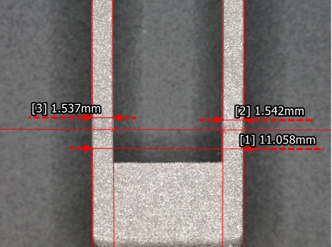
B | 5 | B5 | RIGHT PROFILE | 2 | Triangle-Edge Thickness 1
B | 6 | B6 | RIGHT PROFILE | 3 | Triangle-Edge Thickness 2
B | 7 | B7 | FRONT PROFILE | 1 | Cage Width
B | 8 | B8 | FRONT PROFILE | 2 | Wall Thickness 1
B | 9 | B9 | FRONT PROFILE | 3 | Wall Thickness 2
B | 10 | B10 | BACK PROFILE | 1 | Cage Width
B | 11 | B11 | BACK PROFILE | 2 | Wall Thickness 1 | Front/ Back Profile
B | 12 | B12 | BACK PROFILE | 3 | Wall Thickness 2
C | 1 | C1 | LEFT PROFILE | 1 | Cage Height
C | 2 | C2 | LEFT PROFILE | 2 | Triangle-Edge Thickness 1
C | 3 | C3 | LEFT PROFILE | 3 | Triangle-Edge Thickness 2
C | 4 | C4 | RIGHT PROFILE | 1 | Cage Height
C | 5 | C5 | RIGHT PROFILE | 2 | Triangle-Edge Thickness 1
C | 6 | C6 | RIGHT PROFILE | 3 | Triangle-Edge Thickness 2
C | 7 | C7 | FRONT PROFILE | 1 | Cage Width
C | 8 | C8 | FRONT PROFILE | 2 | Wall Thickness 1
C | 9 | C9 | FRONT PROFILE | 3 | Wall Thickness 2
C | 10 | C10 | BACK PROFILE | 1 | Cage Width
C | 11 | C11 | BACK PROFILE | 2 | Wall Thickness 1
C | 12 | C12 | BACK PROFILE | 3 | Wall Thickness 2
D | 1 | D1 | LEFT PROFILE | 1 | Cage Height
D | 2 | D2 | LEFT PROFILE | 2 | Triangle-Edge Thickness 1
D | 3 | D3 | LEFT PROFILE | 3 | Triangle-Edge Thickness 2
D | 4 | D4 | RIGHT PROFILE | 1 | Cage Height
D | 5 | D5 | RIGHT PROFILE | 2 | Triangle-Edge Thickness 1
D | 6 | D6 | RIGHT PROFILE | 3 | Triangle-Edge Thickness 2
D | 7 | D7 | FRONT PROFILE | 1 | Cage Width
D | 8 | D8 | FRONT PROFILE | 2 | Wall Thickness 1
D | 9 | D9 | FRONT PROFILE | 3 | Wall Thickness 2
D | 10 | D10 | BACK PROFILE | 1 | Cage Width
D | 11 | D11 | BACK PROFILE | 2 | Wall Thickness 1
D | 12 | D12 | BACK PROFILE | 3 | Wall Thickness 2

