Sheet1
Regulator output calulation
included trim pot.

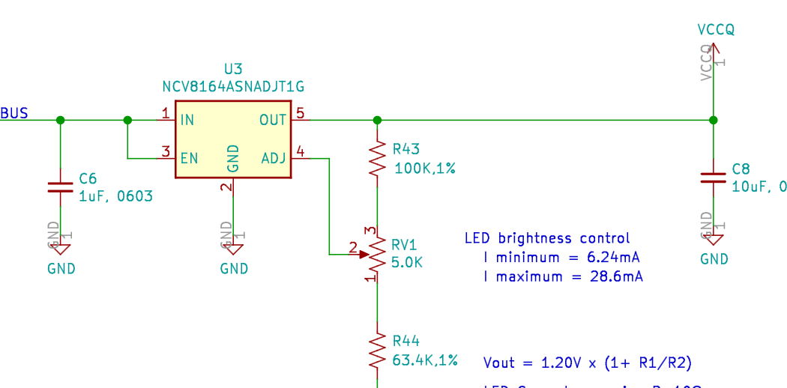
 |  | Vfeedback= | 1.20 | V

 |  | R43= | 45.00 | K | 95
 |  | R44= | 30.00 | K | 63.2
 |  | RV1= | 5.00 | K | 10
 |  | LED Vf= | 2.71 | V
 |  | Serieis R= | 10.00 | Ω

 |  | Equivalent resistances
 |  | Minimum | Maximum
 | R1= | 50.00 | 45.00 | K
 | R2= | 30.00 | 35.00 | K

 | Vout= | 3.20 | 2.74 | Volts

 | LED I= | 24.5 | 1.6428571429 | mA

