Sheet1
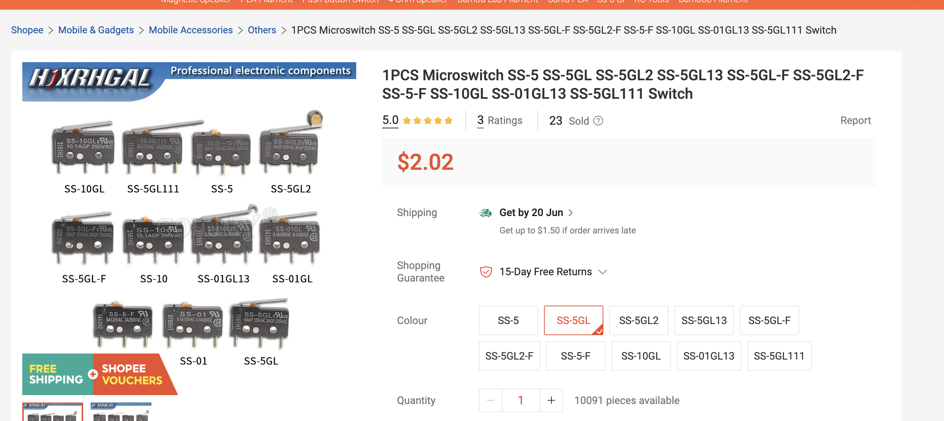
Item | Qty | Unit Cost | Total Cost
PCB + PCBA | 1 | 37.02 | 37.02 | https://user-cdn.hackclub-assets.com/019ec03b-e187-7697-af22-933ac9d2341e/Screenshot%202026-06-13%20at%205.01.44%E2%80%AFPM.png
Speaker | 2 | 2.3 | 4.6
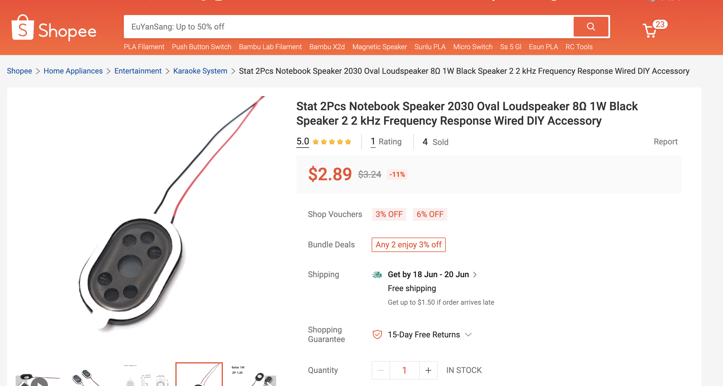
SS-5GL | 2 | 1.6 | 3.2
 |  |  | 0
 |  |  | 0
 |  |  | 0
 |  |  | 0
 |  |  | 0
 |  |  | 0
 |  |  | 0
 |  |  | 0
 |  |  | 0
 |  |  | 0
 |  |  | 0
 |  |  | 0
Total |  |  | 44.82

