Instructions
Tool Instructions and Layout
This tool provides a preliminary determination on whether the conservation practice being monitored has an effect on a water quality parameter.
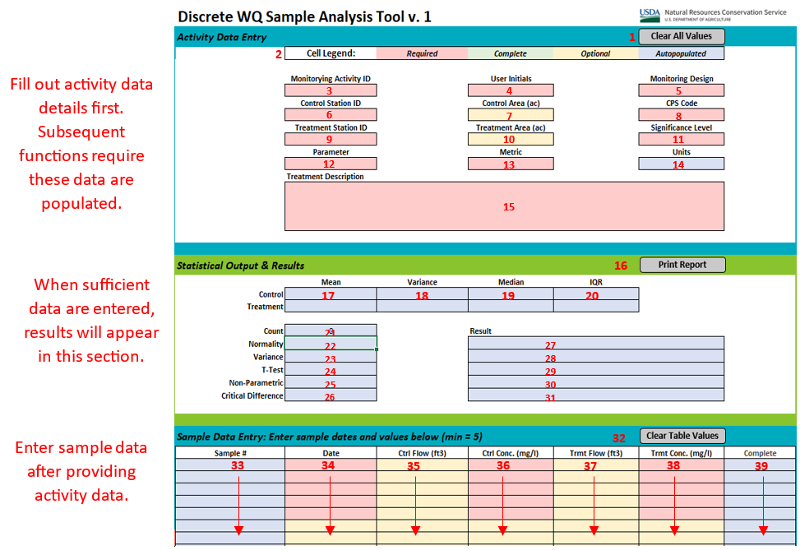
Description of Features
Section - Activity Data Entry: User enters describing the activity and the type of anlysis being performed
Ref # | Name | Type | Description
1 | Clear All Values | Button | Clear all user-entered values in the Project Data Entry and Sample Data Entry sections.
2 | Cell Lengend | Reference | Code of each cell's color, which were created to guide the user through the tool and change automatically as users fill out cells. The colors are defined as followed: red cells are required to be filled out by the user, but have not been completed yet; green cells are required to be filled out by the user and have been completed already; yellow cells can be filled out by the user, but are not required for proper tool function; blue cells are autopopulated and cannot be edited by user.
3 | Monitoring Activity ID | User Entered | A 7 character ID assigned to each project by NRCS- WQMT.
4 | User Initials | User Entered | Initials of entity using this reporting tool and associated with activity.
5 | Monitoring Design | User Selected | Type of design of project; determines type of T-Test or non-parametric test used by tool. The options are defined as following: side by side are projects evaluating separate watersheds and consist of a control (no conservation practice) and treatment (conservation practice) watersheds; above and below are projects evaluating one watershed that compare the control (unaffected by conservation practice) and treatment (affected by conservation practice) sections.
6 | Control Station ID | User Entered | Nine character alphanumeric station ID assigned by NRCS-WQMT to the control station.
7 | Control Area (ac) | User Entered | The number of acres that discharge to the control station. Optional, dependant on metric.
8 | CPS Code | User Selected | Conservation practice standard code for the treatment that is being evaluated by the project.
9 | Treatment Station ID | User Entered | Alphanumeric station ID assigned by NRCS to the treatment station.
10 | Treatment Area (ac) | User Entered | The number of acres that discharge to the treatment station. Optional, dependant on metric.
11 | Significance Level | User Selected | The alpha level, defined as the probability of rejecting the null hypothesis when the null hypothesis is true (probability of false positive aka the wrong answer); results above this pre-determined level are determined to be "not significant" and the evaluated treatment deemed to have no effect. The lower the level, the lower the chance of "significant" results. The standard level used in scientific publications is 0.05; p-values between 0.05 and 0.1 are often described as "marginally significant" in ecological studies.
12 | Parameter | User Selected | Water quality parameter that the data is associated with.
13 | Metric | User Selected | Specify what quantity will be assessed
14 | Units | Auto-Populated | Units associated with the water quality parameter; Autopopulated (no input required).
15 | Treatment Description | User Entered | Brief description of how CPS is being tested. Be quantitative when possible.
Section - Statistical Output & Results: Results from analyses and brief explanations will be displayed in this section
Ref # | Name | Type | Description
16 | Print Report | Button | Button that will go to the print preview of the "printout" sheet.
17 | Mean | Auto-Populated | Mean of the control and treatment data.
18 | Variance | Auto-Populated | Variance of the control and treatment data.
19 | Median | Auto-Populated | Median of the control and treatment data.
20 | IQR | Auto-Populated | Interquartile range, specifically middle 50% fourth spread or the difference between the 75th and 25th percentiles, of the control and treatment data.
21 | Count | Auto-Populated | Event sample size.
22 | Normality | Auto-Populated | Determines whether data is normal or not normal based on the Shapiro-Wilk Royston test; determines whether to use T-Test or nonparametric test; minimum sample size n ≥ 4.
23 | Variance | Auto-Populated | Determines whether variances of the control and treatment data are equal; determines which independent samples (side by side monitoring design) T-Test to use.
24 | T-Test | Auto-Populated | T-Test results showing whether control and treatment data are significantly different based on the alpha level chosen in "Significance Level"; type of T-Test used is determined by "Monitoring Design": independent sample T-Test for "Side by Side," paired sample T-Test for "Above and Below."
25 | Non-Parametric | Auto-Populated | Will display as "Mann-Whitney U" or "Wilcoxon Signed-Rank" depending on data distribution and monitoring design: Non-parametric test results showing whether control and treatment data are significantly different based on the alpha level chosen in "Significance Level"; only shows results if data is not normal; is determined by "Monitoring Design": if "Side by Side" then Mann-Whitney U test result shown, if "Above and Below" then Wilcoxon Signed-Rank test result is shown.
26 | Critical Difference | Auto-Populated | The critical value, is the smallest significant difference between two means (comparison of two means rather than two groups as a whole). It is used to prove differences between means. This calculation uses Fisher's LSD (Least Significant Difference) formula.
27-31 | Descriptive Results | Auto-Populated | Explains test results in more detail, including p-value.
Sample Data Entry: This is the table where the user enters data which will be used for all statistical tests in the tool. At least 5 entries must be completed to satisfy minimum sample requirements.
Ref # | Name | Type | Description
32 | Clear Table Values | Button | Button that will clear the user-entered values only in the Sample Data Entry section.
33 | Sample # | Auto-Populated | Number of each sample entry, autopopulated when "Date," "Control Value," and "Treatment Value" are filled out.
34 | Date | User Entered | Date of sample collection.
35 | Ctrl Flow (ft3/cfs) | User Entered | The discharge in cubic feet that was measured at the control site. Required if analyzing load or yield.
36 | Ctrl Conc (mg/l) | User Entered | Concentration of the water quality parameter (see "Parameter" and "Units") that was collected at the control site.
37 | Trmt Flow (ft3/cfs) | User Entered | The discharge in cubic feet that was measured at the treatment site. Required if analyzing load or yield.
38 | Trmt Conc (mg/l) | User Entered | Concentration of the water quality parameter (see "Parameter" and "Units") that was collected at the treatment site.
39 | Complete | Auto-Populated | Marks whether all values for sample entry are completed; autopopulated when "Date," "Control Value," and "Treatment Value" are filled out.

tool
Clear All Values
Discrete WQ Sample Analysis Tool v. 1
Activity Data Entry
 | Cell Legend: | Required | Complete | Optional | Autopopulated

 | Monitorying Activity ID |  | User Initials |  | Monitoring Design
 | AL00101 |  | JLR |  | Above and below
 | Control Station ID |  | Control Area (ac) |  | CPS Code
 | AL0010101 |  | 20 |  | 316
 | Treatment Station ID |  | Treatment Area (ac) |  | Significance Level
 | AL0010102 |  | 40 |  | 0.05
 | Parameter |  | Metric |  | Units
 | NH4 |  | Load |  | lbs.
 | Treatment Description
 | Corn with cover crop

Print Report
Statistical Output & Results
 | Mean | Variance | Median | IQR
Control | 111.3223 | 49181.4810 | 0.4370 | 1.3075
Treatment | 0.5387 | 0.6863 | 0.2185 | 0.1988

Count | 5 |  | Result
Normality | NOT NORMAL |  | Control p-value = 0, Treatment p-value = 0.01
Variance | UNEQUAL VARIANCE |  | Variances differ at p-value = 0
T-Test | NA |  | NA: See test result below
Wilcoxon Signed-Rank | NOT SIGNIFICANT |  | NH4 is not different at p-value = 0.5
Critical Difference | 255.702 |  | Least significant difference between values is 255.702

Clear Table Values
 |  |  |  |  |  |  | Values used for Calcs
Sample Data Entry: Enter sample dates and values below (min = 5) |  |  |  |  |  |  | last row= | 39
Sample # | Date | Ctrl Total Flow (ft3) | Ctrl Conc. (mg/l) | Trmt Total Flow (ft3) | Trmt Conc. (mg/l) | Complete | ct_vals | tx_vals | ct_plt_vals | tx_plt_vals
1 | 2025-01-20 | 1000.00 | 7.00 | 100.00 | 7.00 | X | 0.43700 | 0.04370 | 0.43699536147 | 0.043699536147
2 | 2025-03-21 | 1111.00 | 8000.00 | 500.00 | 7.00 | X | 554.85925 | 0.21850 | 554.85925325 | 0.21849768074
3 | 2025-05-20 | 8.00 | 7.00 | 5000.00 | 7.00 | X | 0.00350 | 2.18498 | 0.0034959628918 | 2.1849768074
4 | 2025-07-19 | 3000.00 | 7.00 | 9.00 | 7.00 | X | 1.31099 | 0.00393 | 1.3109860844 | 0.0039329582532
5 | 2025-09-17 | 2.00 | 7.00 | 555.00 | 7.00 | X | 0.00087 | 0.24253 | 0.00087399072294 | 0.24253242562
 |  |  |  |  |  |  |  |  | #N/A | #N/A
 |  |  |  |  |  |  |  |  | #N/A | #N/A
 |  |  |  |  |  |  |  |  | #N/A | #N/A
 |  |  |  |  |  |  |  |  | #N/A | #N/A
 |  |  |  |  |  |  |  |  | #N/A | #N/A
 |  |  |  |  |  |  |  |  | #N/A | #N/A
 |  |  |  |  |  |  |  |  | #N/A | #N/A
 |  |  |  |  |  |  |  |  | #N/A | #N/A
 |  |  |  |  |  |  |  |  | #N/A | #N/A
 |  |  |  |  |  |  |  |  | #N/A | #N/A
 |  |  |  |  |  |  |  |  | #N/A | #N/A
 |  |  |  |  |  |  |  |  | #N/A | #N/A
 |  |  |  |  |  |  |  |  | #N/A | #N/A
 |  |  |  |  |  |  |  |  | #N/A | #N/A
 |  |  |  |  |  |  |  |  | #N/A | #N/A
 |  |  |  |  |  |  |  |  | #N/A | #N/A
 |  |  |  |  |  |  |  |  | #N/A | #N/A
 |  |  |  |  |  |  |  |  | #N/A | #N/A
 |  |  |  |  |  |  |  |  | #N/A | #N/A
 |  |  |  |  |  |  |  |  | #N/A | #N/A
 |  |  |  |  |  |  |  |  | #N/A | #N/A
 |  |  |  |  |  |  |  |  | #N/A | #N/A
 |  |  |  |  |  |  |  |  | #N/A | #N/A
 |  |  |  |  |  |  |  |  | #N/A | #N/A
 |  |  |  |  |  |  |  |  | #N/A | #N/A
 |  |  |  |  |  |  |  |  | #N/A | #N/A
 |  |  |  |  |  |  |  |  | #N/A | #N/A
 |  |  |  |  |  |  |  |  | #N/A | #N/A
 |  |  |  |  |  |  |  |  | #N/A | #N/A
 |  |  |  |  |  |  |  |  | #N/A | #N/A
 |  |  |  |  |  |  |  |  | #N/A | #N/A
 |  |  |  |  |  |  |  |  | #N/A | #N/A
 |  |  |  |  |  |  |  |  | #N/A | #N/A
 |  |  |  |  |  |  |  |  | #N/A | #N/A
 |  |  |  |  |  |  |  |  | #N/A | #N/A
 |  |  |  |  |  |  |  |  | #N/A | #N/A
 |  |  |  |  |  |  |  |  | #N/A | #N/A
 |  |  |  |  |  |  |  |  | #N/A | #N/A
 |  |  |  |  |  |  |  |  | #N/A | #N/A
 |  |  |  |  |  |  |  |  | #N/A | #N/A
 |  |  |  |  |  |  |  |  | #N/A | #N/A
 |  |  |  |  |  |  |  |  | #N/A | #N/A
 |  |  |  |  |  |  |  |  | #N/A | #N/A
 |  |  |  |  |  |  |  |  | #N/A | #N/A
 |  |  |  |  |  |  |  |  | #N/A | #N/A
 |  |  |  |  |  |  |  |  | #N/A | #N/A
 |  |  |  |  |  |  |  |  | #N/A | #N/A
 |  |  |  |  |  |  |  |  | #N/A | #N/A
 |  |  |  |  |  |  |  |  | #N/A | #N/A
 |  |  |  |  |  |  |  |  | #N/A | #N/A
 |  |  |  |  |  |  |  |  | #N/A | #N/A
 |  |  |  |  |  |  |  |  | #N/A | #N/A
 |  |  |  |  |  |  |  |  | #N/A | #N/A
 |  |  |  |  |  |  |  |  | #N/A | #N/A
 |  |  |  |  |  |  |  |  | #N/A | #N/A
 |  |  |  |  |  |  |  |  | #N/A | #N/A
 |  |  |  |  |  |  |  |  | #N/A | #N/A
 |  |  |  |  |  |  |  |  | #N/A | #N/A
 |  |  |  |  |  |  |  |  | #N/A | #N/A
 |  |  |  |  |  |  |  |  | #N/A | #N/A
 |  |  |  |  |  |  |  |  | #N/A | #N/A
 |  |  |  |  |  |  |  |  | #N/A | #N/A
 |  |  |  |  |  |  |  |  | #N/A | #N/A
 |  |  |  |  |  |  |  |  | #N/A | #N/A
 |  |  |  |  |  |  |  |  | #N/A | #N/A
 |  |  |  |  |  |  |  |  | #N/A | #N/A
 |  |  |  |  |  |  |  |  | #N/A | #N/A
 |  |  |  |  |  |  |  |  | #N/A | #N/A
 |  |  |  |  |  |  |  |  | #N/A | #N/A
 |  |  |  |  |  |  |  |  | #N/A | #N/A
 |  |  |  |  |  |  |  |  | #N/A | #N/A
 |  |  |  |  |  |  |  |  | #N/A | #N/A
 |  |  |  |  |  |  |  |  | #N/A | #N/A
 |  |  |  |  |  |  |  |  | #N/A | #N/A
 |  |  |  |  |  |  |  |  | #N/A | #N/A
 |  |  |  |  |  |  |  |  | #N/A | #N/A
 |  |  |  |  |  |  |  |  | #N/A | #N/A
 |  |  |  |  |  |  |  |  | #N/A | #N/A
 |  |  |  |  |  |  |  |  | #N/A | #N/A
 |  |  |  |  |  |  |  |  | #N/A | #N/A

