Frontend
🧱 Basic Structure of the App

Let’s call it: PaySpark (you can rename it later 😎)

Core Pages:

1. / – Landing Page

2. /login – User login

3. /register – Sign up

4. /dashboard – Main wallet screen (shows balance + recent transactions)

5. /send – Send money to another user

6. /transactions – Full transaction history

🖼️ UI Layout Sketch (Basic Visual Idea)

We’ll keep it clean, modern, and mobile-friendly (like Stripe or Cash App vibes):

🔹 Top Navigation Bar

Logo (left)

Links: Dashboard | Send | Transactions | Logout (right)

🔹 Dashboard (Main Screen)
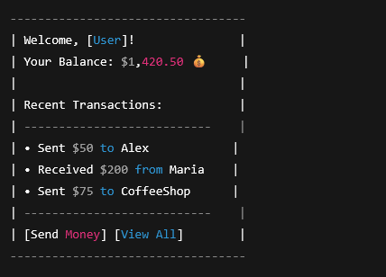

🔹 Send Money Form

Input: Recipient Email or Username

Input: Amount

Button: "Send Money"

Show a confirmation/toast

🎨 Suggested UI Styling

Use Tailwind CSS for super fast, responsive styling

Or, use Chakra UI if you prefer a ready-to-use component library

Keep the color palette:

Primary: Indigo / Deep Blue (trust)

Accent: Green (success/money)

Light Gray Background

⚙️ Frontend Tech Stack

Feature | Tool
Framework | Next.js
Styling | Tailwind CSS or Chakra UI
Auth | JWT (login/token stored in cookies or localStorage)
State | React Context or Zustand (simple & fast)
API Communication | Axios or Fetch to talk to backend

👉 Let’s Start With One Page?

I can build out:

The Login page UI (Next.js + Tailwind)

Or the Dashboard page UI (where balance & transactions show)

Or the Send Money form

Which one do you wanna see first? Or want the full pages/ folder layout to start with? You’re the boss 😎

Login Page
🔐 Login Page – UX Goals

Clear and trustworthy – This is where people enter sensitive info

Mobile-first, responsive

Friendly, professional layout that says: "You're safe here."

🖼️ Visual Layout (Mock-up Style)

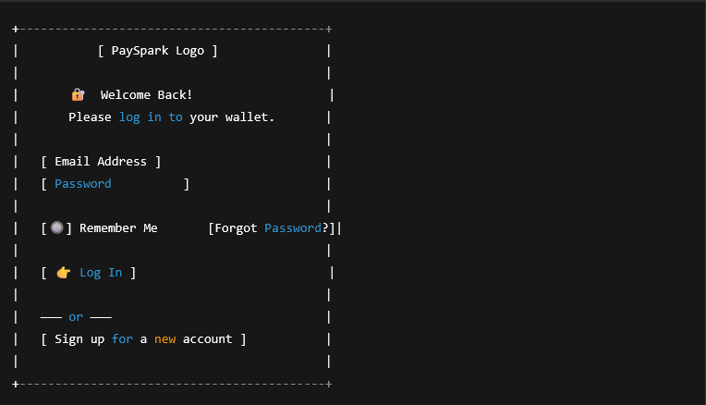

🎨 Styling Notes (Tailwind CSS Example)

Centered box with shadow and rounded corners

Light gray background, white form box

Input fields with subtle borders

Green login button with hover animation

Small font links for “Forgot password” and “Signup”

🧑‍💻 Sample Code (Next.js + Tailwind CSS)

see in the app dir

📦 Requirements

To use this page:

Make sure Tailwind CSS is installed and configured in your Next.js project

Create a pages/login.tsx file with the above code

Optional: Add logo and favicon to match branding

Register Page
This page will let users create an account with:

Name

Email

Password

Confirm password (good UX move!)

Optionally: Checkbox to agree to Terms & Privacy

🖼️ Visual Layout (Just like before, simple and clean)

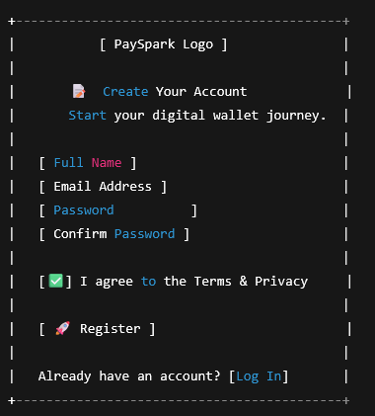

🧑‍💻 Sample Code (Next.js + Tailwind CSS)

see in the app dir

📌 Next Steps

✅ Add this file as pages/register.tsx

🔒 Add form validation (I can help with that)

📬 Connect it to your backend (API to create user)

🧪 Add success + error messages

🧠 Store JWT in localStorage or cookies once backend sends it

Dashboard Page
🖼️ Visual Layout of the Dashboard

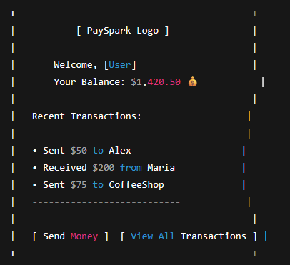

🎨 Styling Notes

Clean, spacious layout for a professional feel

The balance will be prominently displayed in green (for trust and success)

Transactions are displayed in a list with time and amount

Action buttons for Send Money and View All Transactions

🧑‍💻 Sample Code (Next.js + Tailwind CSS)

see in the app

🛠️ Key Features:

Balance Display: Shows user’s current balance (you’ll dynamically populate this with real data)

Recent Transactions: Shows a simple list of transactions with amount and time (you can connect this to your backend later for live data)

Action Buttons: "Send Money" and "View All Transactions" for easy navigation

📦 To Do Next:

1. Dynamic Data:

Replace the static data (like balance and transactions) with dynamic data from your backend API.

You'll likely create endpoints like /api/dashboard to fetch user info and transaction history.

2. Navigation:

Add links or use useRouter to navigate between pages (for instance, clicking "Send Money" takes you to the /send page).

