Decision Tree
 |  | Original Trainning Set (15 tree) | Original Supplied Set (14 tree)

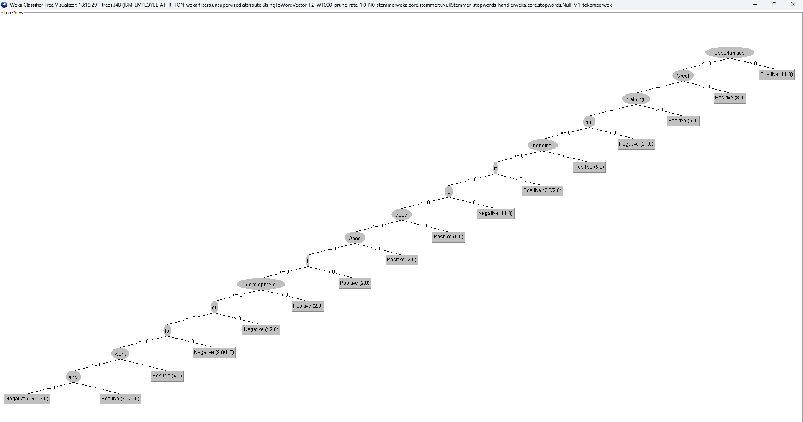
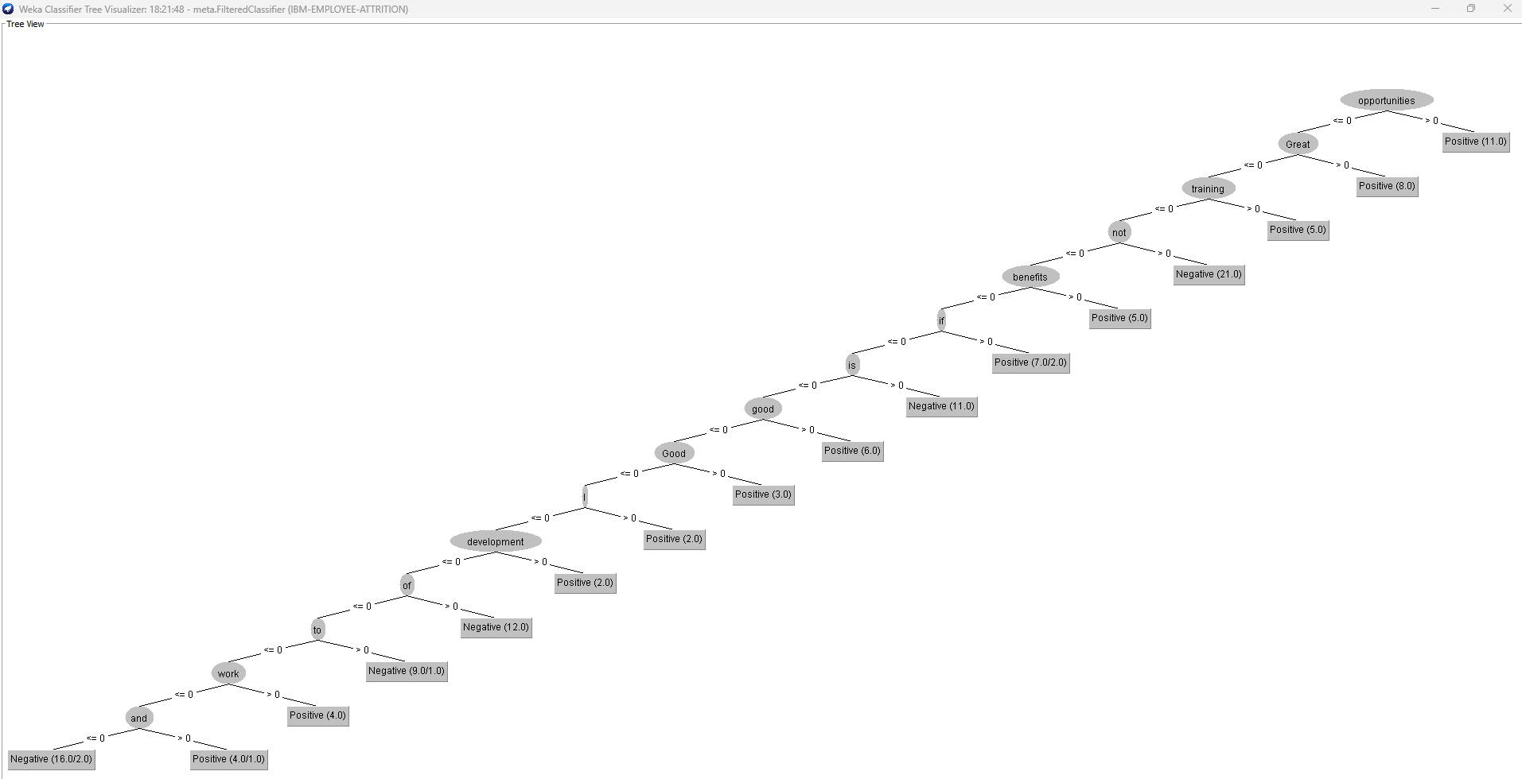

 | Optimised Trainning Set (13 tree) |  | Optimized Supplied Set (13 tree)

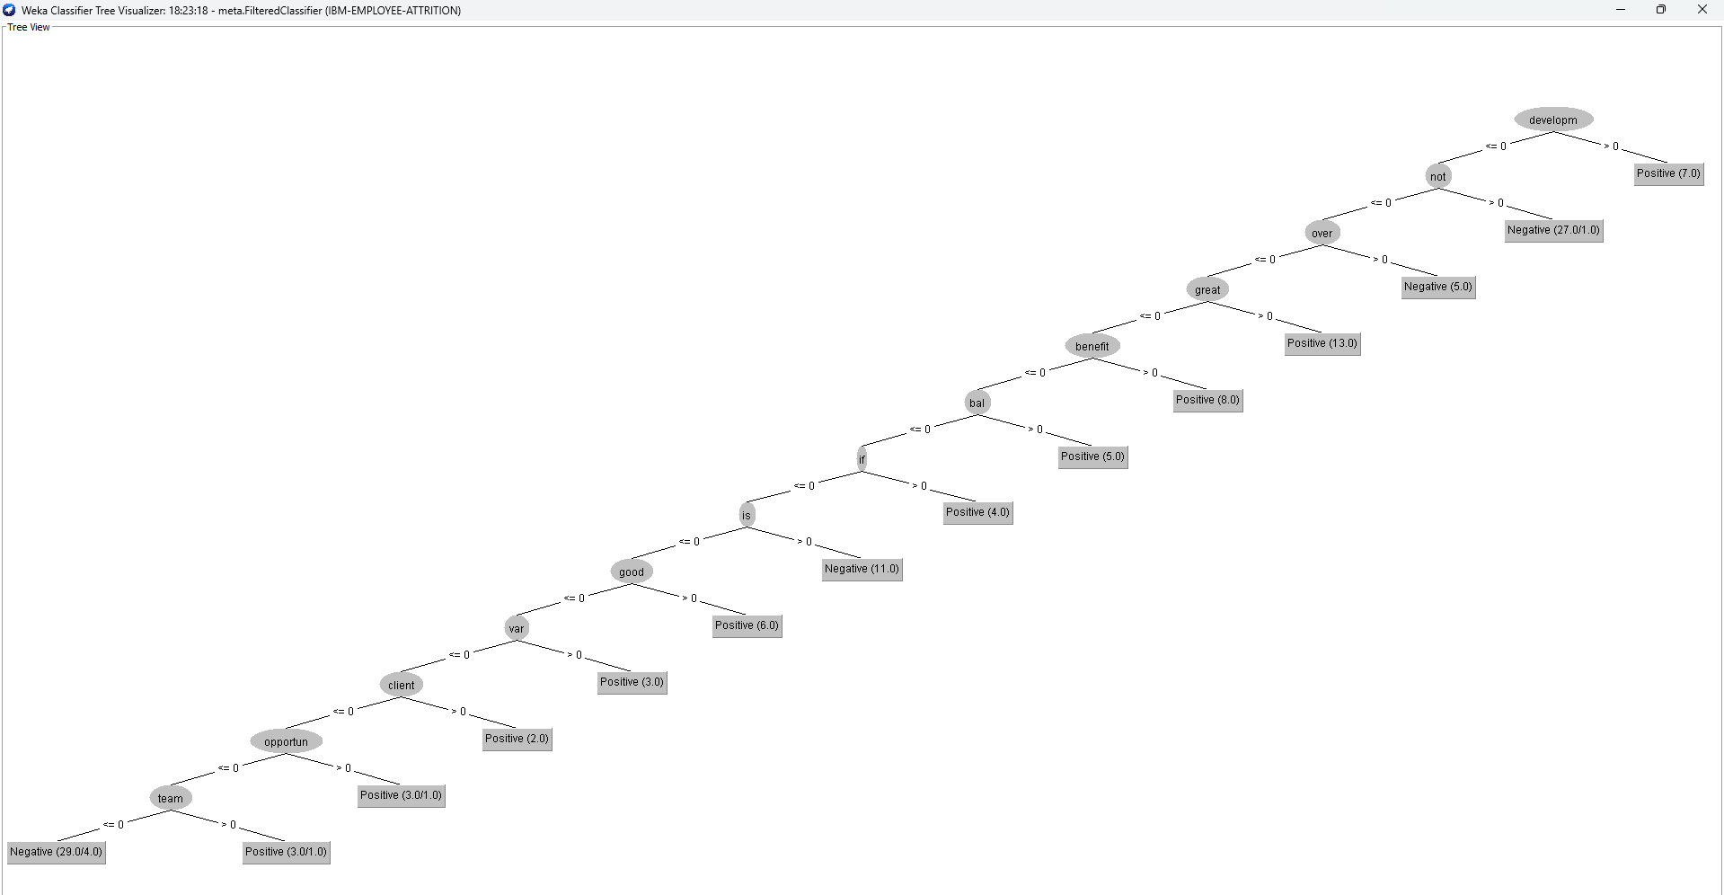
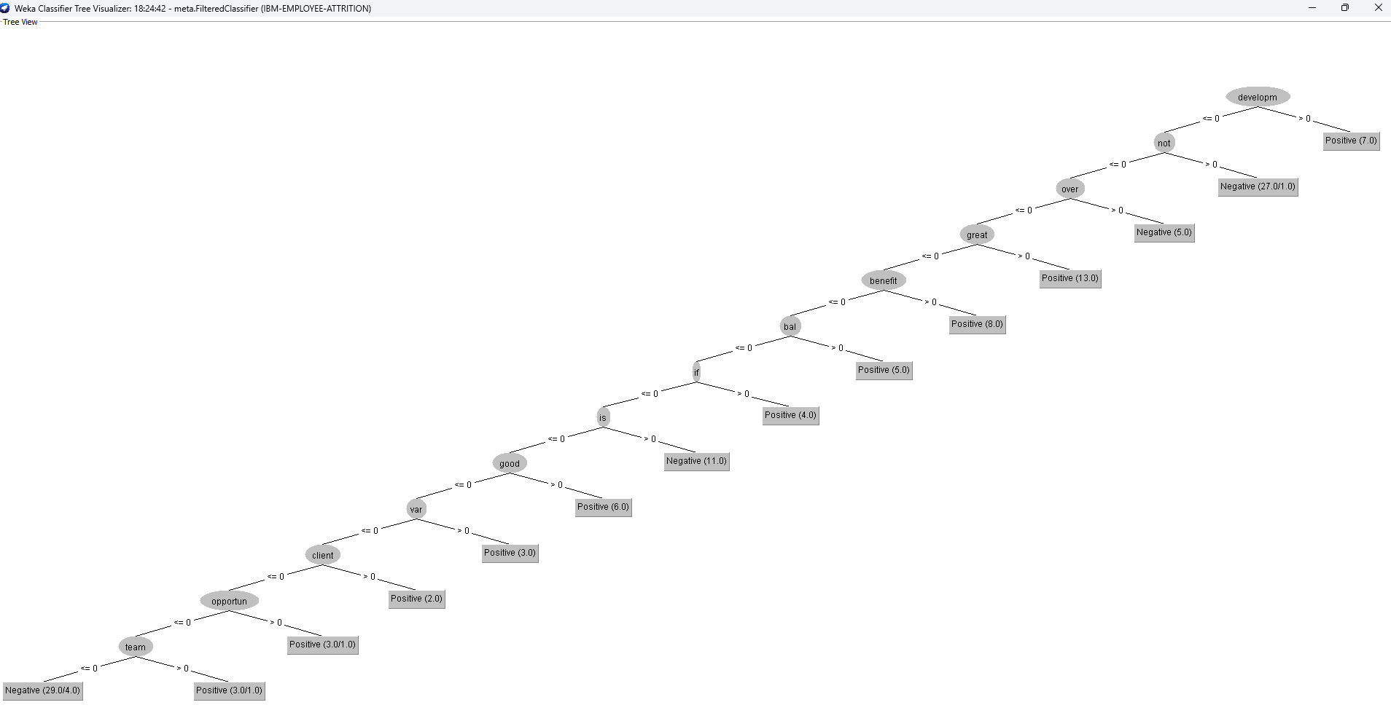

Observation
We can observe from our decision tree that after the optimization using the IDFTransform and TFTransform, the keywords in our decision tree has changed and given us the most relevant keywords.
Also we can see that the tree decreased in the optimization classification model.

Filter_Parameters
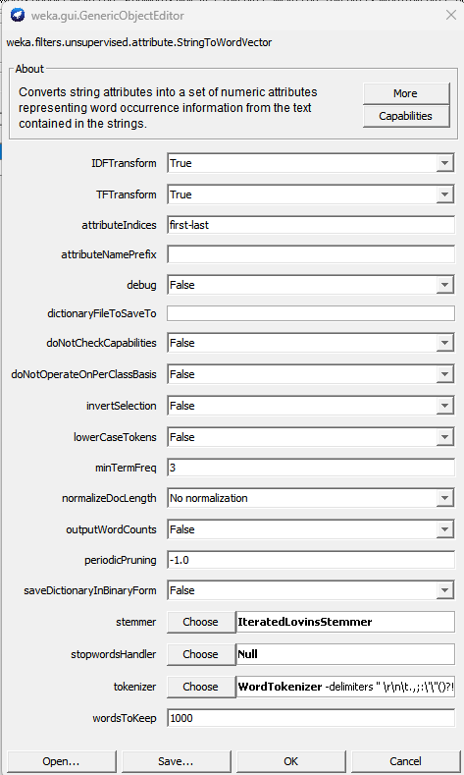

Screenshots
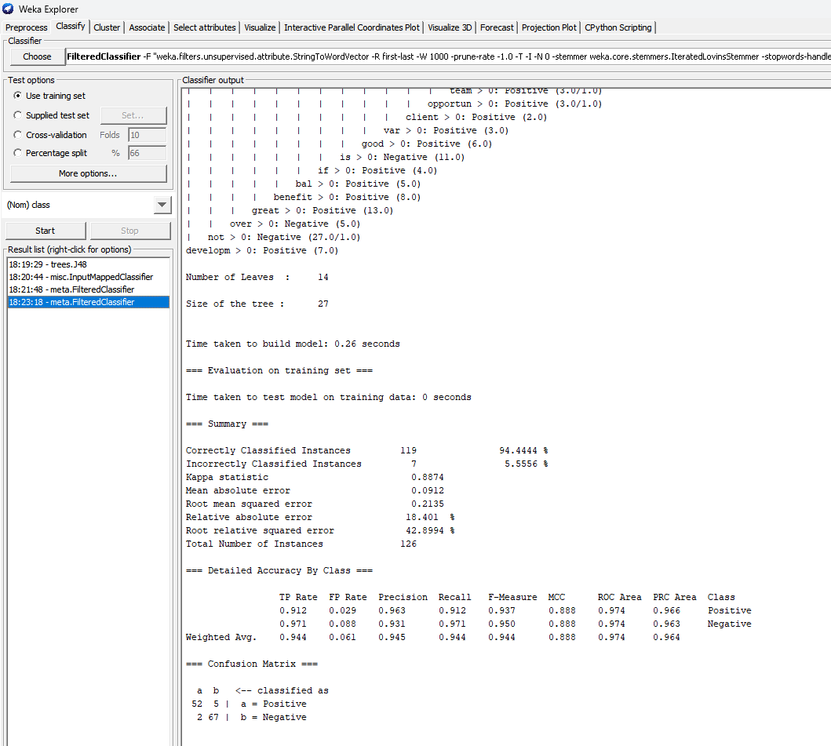
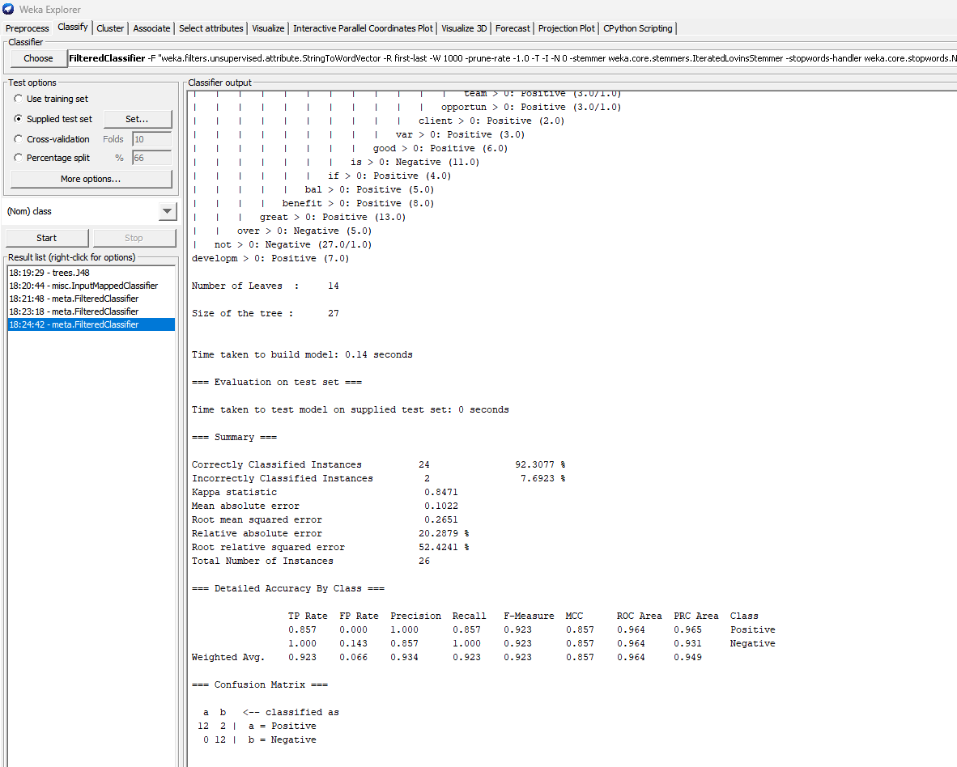
Original J48 Training Test Set Classification Model | Original J48 Supplied Test Set Classification Model
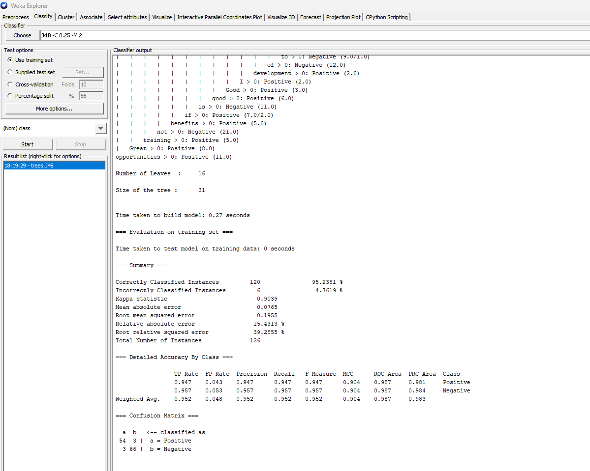
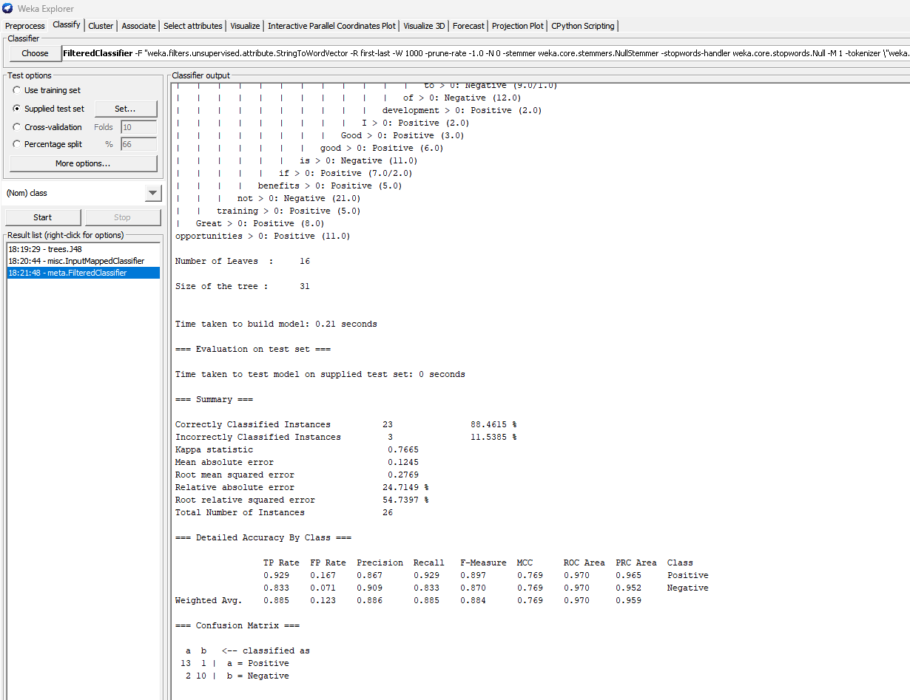

Optimized J48 Training Test Set Classification Model | Optimized J48 Supplied Test Set Classification Model

