Notes
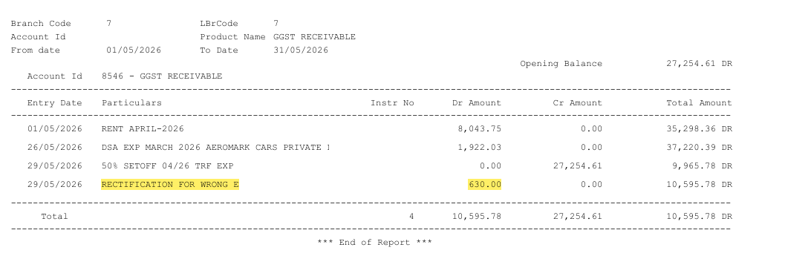
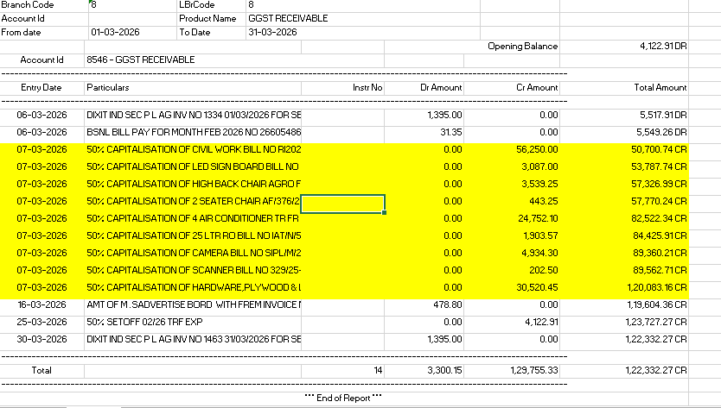
Note-1
Vasna Branch

Note-2 | In Vasna Branch, entry booked in GL 8546 dtd 02/05/2026 of Rs. 1395 but ommited to be booked in GL 8547. Hence difference arises.

Note-3 | In Surat Branch, entry dtd 22/05/2026 wrongly made in GL 8546, 8547 instead of being done in GL 1878, 1879 respectively.
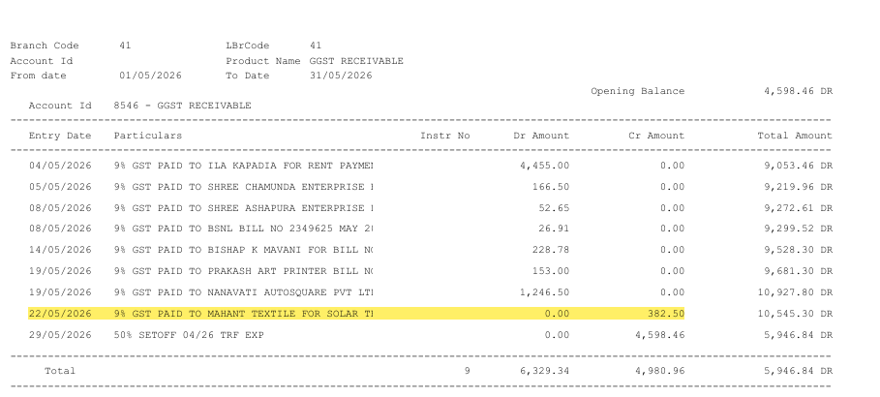

Note-4 | Difference dur to rectification entry

