SUN REALTY-CALC
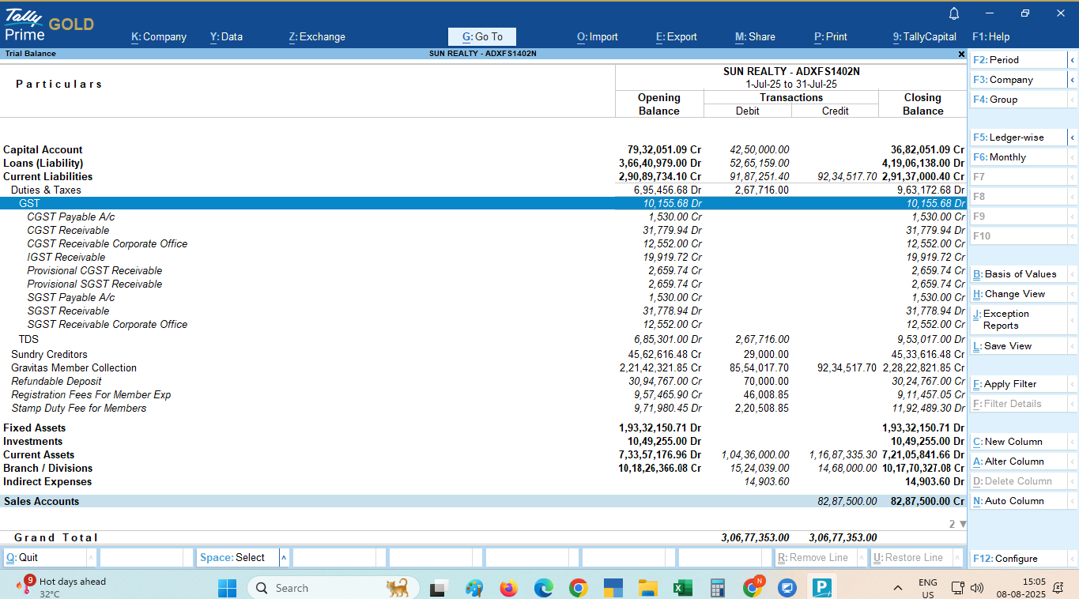
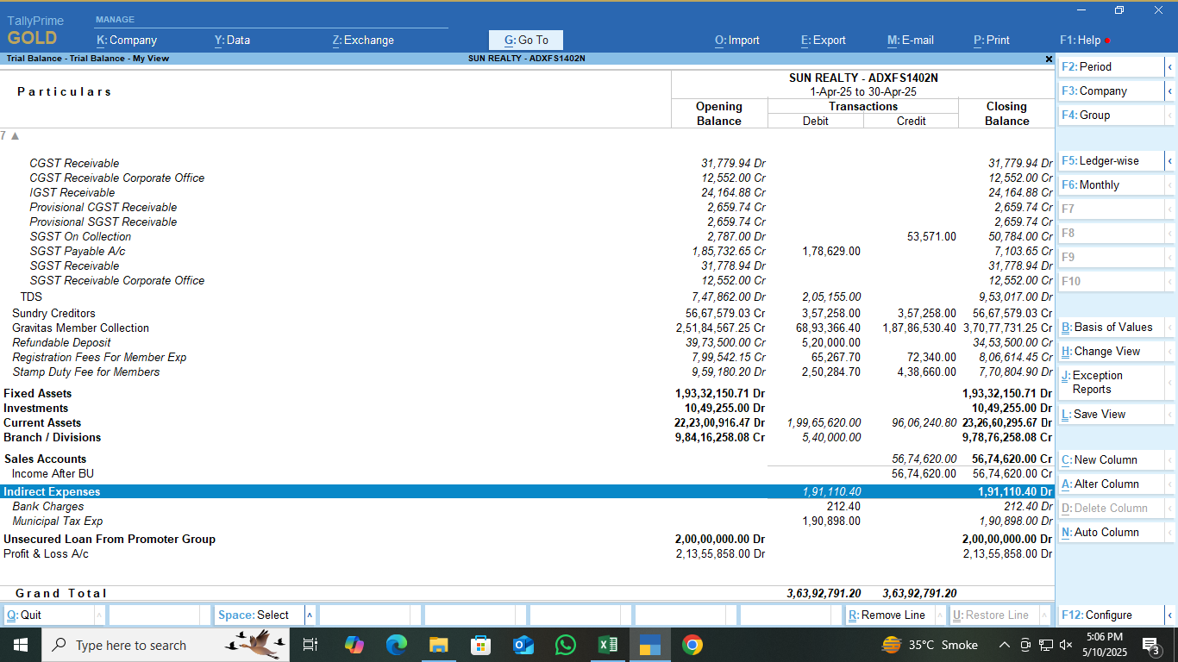
Sun Realty

GST PAYABLE ON COMMERCIAL CONSTRUCTION FOR THE MONTH OF AUG-26

Supply | AMOUNT | LAND VALUE (1/3) | TAXABLE VALUE (2/3) | RATE | CGST @ 9% | SGST@ 9% | TOTAL

COMMERCIAL CONSTRUCTION SERVICE |  |  |  | 18%
Refundable Deposite Income (B2C) |  |  |  | 18%
B2B E- Invoice Effect In Payable |  |  |  |  | - | -
Less : Refund |  |  |  | 18%
ADD: Maintenance Expence |  |  |  | 18%
ADD: Receipt of AEC, AUDA |  |  |  | 18%

LESS:- Entry of Receipt deleted Back dated hence excess payment shows
 |  |  | - | 18%
 | - |  |  | 18%
 |  |  |  | 18%
TOTAL
B2C
Cancellation Income | - | - |  | 18%
 |  |  |  | 18%
Advance adjusted for same |  |  |  | 18%
Extra work income (2/3portion only) |  |  |  | 18%
Advance adjusted for same |  |  |  | 18%
COMMERCIAL CONSTRUCTION SERVICE (AFTER BU)
COMMERCIAL CONSTRUCTION SERVICE (AFTER BU) BACK DATED ENTRY in Jan-26 (838, Zahabiya After Bu) | 0.00

TOTAL
B2C SALE & Advance adjustment (as per sale deed sheet) |  |  |  | 18%

Supply | GSTIN |  | AMOUNT | RATE | CGST | SGST | TOTAL

Rent income-Meglyn Technologies Pvt Ltd (SAC-)] ( To be Confirm is there any income ) | 24AAJCM9952F1Z6 |  |  | 18%

TOTAL

GST PAYABLE UNDER RCM FOR THE MONTH OF AUG-26
.
Service | AMOUNT | RATE | CGST | SGST | TOTAL

SUN GRAVITAS
Advocate fees | - | 18.00%
Carting and Transportation (Gayatri Sales Corp) |  | 5.00%
Security Services |  | 18.00%
Sponsharship Services |  | 18.00%

SUN OFFICE
Freight Charges(Gayatri Sales Corporation) |  | 5.00%
Security Expense | - | 18.00%

TOTAL

INPUT TAX CREDIT FOR THE MONTH OF AUG-26

PARTICULARS | CGST | SGST | IGST

Opening Balance |  |  | -
Add : ITC FOR THE AUG-26 | - |  | -
Add : ITC of RCM of NOV-25

Add : ITC of Previous Month (Now reflacting in GSTR-2B) | - |  | -
Less: Credit Note In GSTR-2B but not in Book
Add:ITC of Bills which are in GSTR-2B but not in Books (DEC)
Add:ITC of Bills which are in GSTR-2B but not in Books (Decil)
Total CENVAT available
Less : ITC OF IGST Utilized for NOV-25 | -
Less : ITC REVERSED FOR THE NOV-25
Net ITC Available for Utilisation
Less : ITC Utilised FOR THE NOV-25
Closing Balance

GST Payable for the month of AUG-26

PARTICULARS | CGST | SGST | TOTAL

LESS.: CENVAT IGST CREDIT UTILIZED
LESS.: CENVAT CREDIT UTILIZED
TOTAL PAYABLE FOR RESIDENTIAL INCLUDING IGST

GST Paid on RENT Income

GST UNDER RCM
SUN GRAVITAS
SUN OFFICE
GST Payable
GST Late Fees
Net GST Payable

CREDIT REVERSAL DUE TO BU |  |  |  |  | Particulars | Ratio
PARTICULARS | CGST | SGST | IGST | TOTAL | Sold Units Ratio | 45.75
Total Input Tax Credit Available for the AUG-26 |  |  |  |  | Unsold Units Ratio | 54.25
 |  |  |  |  | Total
Credit Available for Units Sold Before BU
Credit Not Available for Units Sold after BU ( Rule 42 & 43 Credit Reversal )
Total Input Tax Credit for the AUG-26

FOOTPRINT- CALCULATION
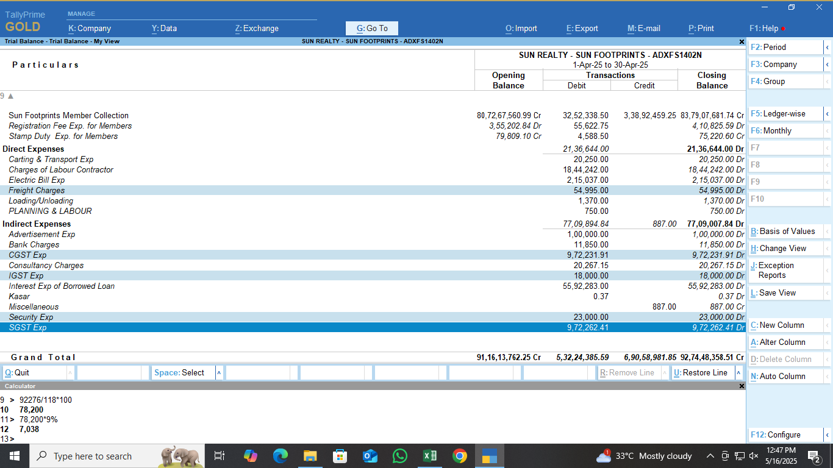
Sun Realty Footprint
GST PAYABLE ON COMMERCIAL CONSTRUCTION FOR THE MONTH OF AUG'26

Supply | AMOUNT | RATE | CGST | SGST | TOTAL

SUN REALTY Footprint RESIDENTIAL |  | 1.00%
Less : Refund |  | 1.00%
Less: Entry RECTIFIED IN BOOKS OF APRIL-26 F-401, Shubham S/o Gajendra Kumar Mishra | (2,800) | 1.00%
LESS : REFUND/PAYMENT ENTRY DELETED FROM BOOKS OF APR-26 D-503,Hansaben Kanakray Rathod_cancelled | 420,792 | 1.00% |  |  |  | 36,121

SUN REALTY Footprint COMMERCIAL | 116,057,327 | 5.00% | 2,342,922 | 2,342,922 | 4,685,844
Less : Refund |  | 5.00%

TOTAL
B2C
Cancellation Charges Income |  | 18.00%
After BU sale deed Exempt sale | 183,438,718 | 0.00%
TOTAL
NET TOTAL

GST PAYABLE UNDER RCM FOR THE MONTH OF AUG-26
.
Service | AMOUNT | RATE | CGST | SGST | TOTAL

SUN REALTY Footprint
Advocate fees | - | 18.00%
Carting and Transportation (Gayatri Sales Corp) |  | 5.00%
Security Services |  | 18.00%
Sponsor Ship Exp |  | 18.00%

TOTAL

INELIGIBLE CREDIT FOR THE MONTH OF AUG-26

PARTICULARS | CGST | SGST | IGST

ITC FOR THE AUG-26
Add: Ineligible ITC
Add: Ineligible ITC FOR RCM
Total ineligible CENVAYT
TOTAL

GST Payable for the month of AUG'26

PARTICULARS | CGST | SGST | TOTAL

TOTAL PAYABLE FOR RESIDENTIAL INCLUDING IGST

GST UNDER RCM
SUN Footprint
SUN OFFICE
GST Payable
Net GST Payable

