Sheet1
S.No | Title | conference Title | Organized by | National/International | Link
1 | A Chest X-Ray Image Based Model for Classification and Detection of Diseases | 4th EAI International Conference on Cognitive Computing and Cyber Physical Systems 2023 (IC4S 2023) | Vishnu Institute of Technology, Bhimavaram, India | International | https://link.springer.com/chapter/10.1007/978-3-031-48888-7_36
2 | IODTDLCNN: Implementation of Object Detection and Tracking by using Deep Learning based Convolutional Neural Network | 2022 First International Conference on Electrical, Electronics, Information and Communication Technologies (ICEEICT) | K. Ramakrishnan College of Engineering (KRCE) in Tamil Nadu, India. | International | https://ieeexplore.ieee.org/document/9768632 | https://www.scopus.com/authid/detail.uri?authorId=59038856500
3 | FRCAPE: Frequency Re-configurable Co-planar Antenna Using Parasitic Elements | 2020 IEEE International Conference on Advent Trends in Multidisciplinary Research and Innovation (ICATMRI) | Central Library, Indian Institute of Technology Delhi |  | https://ieeexplore.ieee.org/document/9398416 | https://www.scopus.com/authid/detail.uri?authorId=59038856500
4 | Implementation of Potential Leukemia Detection using Recurrent Neural Networks with Blood Cell Counting | 2022 First International Conference on Electrical, Electronics, Information and Communication Technologies (ICEEICT) | K. Ramakrishnan College of Engineering (KRCE) in Tamil Nadu, India. | International | https://ieeexplore.ieee.org/document/9768569 | https://www.scopus.com/authid/detail.uri?authorId=59038856500
 | Exploring Prominent Convolutional Neural Network Frameworks to Identify COVID-19 deceases by Using Medical Images | 5th EAI International Conference on Cognitive Computing and Cyber Physical Systems (IC4S) | Vishnu Institute of Technology, Bhimavaram, India
5 | Adaptive Filtering Techniques for PLI, Motion Artifacts, Baseline Wandering, Removal in ECG Signal | National Conference on ETET-2016 | Nawab Shah Alam Khan College of Engg. & Technology, | International
6 | Implementation of Brain Tumor Detection with Deep Learning Classification Using Hybrid Feature Extraction | 2022 First International Conference on Electrical, Electronics, Information and Communication Technologies (ICEEICT) | K. Ramakrishnan College of Engineering (KRCE) in Tamil Nadu, India. | International | https://ieeexplore.ieee.org/document/9768532 | https://www.scopus.com/authid/detail.uri?authorId=59038856500
7 | Remote Sensing and Natural Image Dehazing using DCP based IDERS Framework | 2022 First International Conference on Electrical, Electronics, Information and Communication Technologies (ICEEICT) | K. Ramakrishnan College of Engineering (KRCE) in Tamil Nadu, India. | International | https://ieeexplore.ieee.org/document/9768593 | https://www.scopus.com/authid/detail.uri?authorId=59038856500
8 | A low power reduction technique multi-Vt for Risc core | ICESPVLSI | GNIT | International
9 | Multi - Vt - A low power reduction techniques for Risc core | ICAICV | PSG Coimbatore | International
10 | Leakage mitigation techniques in nanometer scarred transistors | ICPVS | Kakatiya university Warangal | International
11 | Complex multiplier implementation of pipelined FFTS in FPGA’s | SPACES 2015 | KL university | International | https://ieeexplore.ieee.org/document/7058232 | https://www.scopus.com/feedback/author/reviewAuthorProfile.uri?authorIds=58829329300
12 | Adaptive filtering techniques for PIL ,motion, artifacts, baseline wandering removal in ECG signal | ETET | NASKCET, Hyderabad | International
13 | An Efficient VLSI Architecture Decimation-in-Frequency Fast Fourier Transform Algorithm for Real-Valued Data | NCRAE | ICFAI, Hyderabad | International
14 | Design and Analysis of 3 Element MIMO Antennas with Pattern and Polarization Diversity for Wireless Applications | ICECEIC | SCSVM,kanchipuram | International | 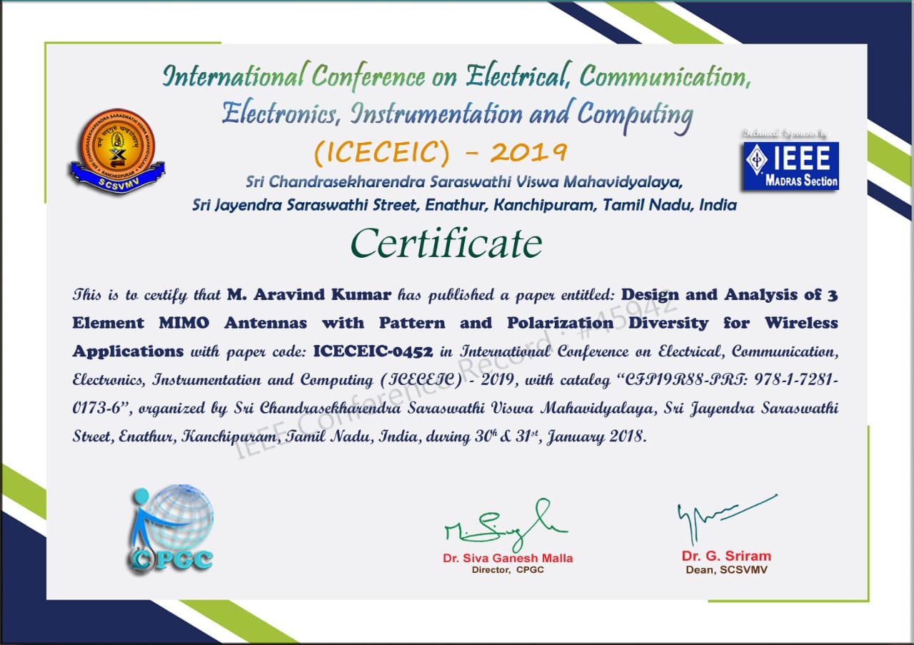
15
16
17
18
19
20

