Country
Country | Life Expectency of Female | Life Expectency Of Male
India | 59 | 58
China | 69 | 67
Japan | 82 | 76
Indonesia | 65 | 61
Bangladesh | 53 | 53
Afghanistan | 44 | 45
Argentina | 75 | 68
Armenia | 75 | 68
Australia | 80 | 74
Austria | 79 | 73
Azerbaijan | 75 | 67
Bahrain | 74 | 71
Barbados | 78 | 73
Belarus | 76 | 66
Belgium | 79 | 73
Bolivia | 64 | 59
Bosnia | 78 | 72
Botswana | 66 | 60
Brazil | 67 | 57
Bulgaria | 75 | 69
Burkina Faso | 50 | 47
Burundi | 50 | 46
Cambodia | 52 | 50
Cameroon | 58 | 55
Canada | 81 | 74
Cent. Afri.R | 44 | 41
Chile | 78 | 71
Colombia | 75 | 69
Costa Rica | 79 | 76
Croatia | 77 | 70
Cuba | 78 | 74
Czech Rep. | 77 | 69
Denmark | 79 | 73
Domincan R. | 70 | 66
Ecuador | 73 | 67
Egypt | 63 | 60
El Salvador | 69 | 64
Estonia | 76 | 67
Ethiopia | 54 | 51
Finland | 80 | 72
France | 82 | 74
Gabon | 58 | 52
Gambia | 52 | 48
Georgia | 76 | 69
Germany | 79 | 73
Greece | 80 | 75
Guatemala | 67 | 62
Haiti | 47 | 43
Honduras | 70 | 65
Hong Kong | 80 | 75
Hungary | 76 | 67
Iceland | 81 | 76
Iran | 67 | 65
Iraq | 68 | 65
Ireland | 78 | 73
Israel | 80 | 76
Italy | 81 | 74
Jordan | 74 | 70
Kenya | 55 | 51
Kuwait | 78 | 73
Latvia | 75 | 64
Lebanon | 71 | 67
Liberia | 57 | 54
Libya | 65 | 62
Lithuania | 77 | 68
Malaysia | 72 | 66
Mexico | 77 | 69
Morocco | 70 | 66
N. Korea | 73 | 67
Netherlands | 81 | 75
New Zealand | 80 | 73
Nicaragua | 67 | 61
Nigeria | 57 | 54
Norway | 81 | 74
Oman | 70 | 66
Pakistan | 58 | 57
Panama | 78 | 71
Paraguay | 75 | 72
Peru | 67 | 63
Philippines | 68 | 63
Poland | 77 | 69
Portugal | 78 | 71
Romania | 75 | 69
Russia | 74 | 64
Rwanda | 46 | 43
S. Korea | 74 | 68
Saudi Arabia | 70 | 66
Senegal | 58 | 55
Singapore | 79 | 73
Somalia | 55 | 54
South Africa | 68 | 62
Spain | 81 | 74
Sweden | 81 | 75
Switzerland | 82 | 75
Syria | 68 | 65
Taiwan | 78 | 72
Tanzania | 45 | 41
Thailand | 72 | 65
Turkey | 73 | 69
U.Arab Em. | 74 | 70
Uganda | 43 | 41
UK | 80 | 74
Ukraine | 75 | 65
Uruguay | 77 | 71
USA | 79 | 73
Uzbekistan | 72 | 65
Venezuela | 76 | 70
Vietnam | 68 | 63
Zambia | 45 | 44
Grand Total | 7647 | 7076

Literacy Rate
Row Labels | Count of literacy
 | 1
Animist | 4
Buddhist | 7
Catholic | 41
Hindu | 1
Jewish | 1
Muslim | 27
Orthodox | 8
Protstnt | 16
Taoist | 2
Tribal | 1
Grand Total | 109

Catholic
country | populatn | density | urban | religion | lifeexpf | lifeexpm | literacy | pop_incr | babymort | gdp_cap | region | calories | aids | birth_rt | death_rt | aids_rt | log_gdp | lg_aidsr | b_to_d | fertilty | log_pop | cropgrow | lit_male | lit_fema | climate
Argentina | 33,900 | 12.0 | 86 | Catholic | 75 | 68 | 95 | 1.3 | 25.6 | 3,408 | 6 | 3,113 | 3,904 | 20.0 | 9 | 11.52 | 3.53 | 1.63 | 2.22 | 2.8 | 4.53 | 9 | 96 | 95 | 8
Austria | 8,000 | 94.0 | 58 | Catholic | 79 | 73 | 99 | 0.2 | 6.7 | 18,396 | 1 | 3,495 | 1,150 | 12.0 | 11 | 14.38 | 4.26 | 1.70 | 1.09 | 1.5 | 3.90 | 17 | #NULL! | #NULL! | 8
Belgium | 10,100 | 329.0 | 96 | Catholic | 79 | 73 | 99 | 0.2 | 7.2 | 17,912 | 1 | #NULL! | 1,603 | 12.0 | 11 | 15.87 | 4.25 | 1.74 | 1.09 | 1.7 | 4.00 | 24 | #NULL! | #NULL! | 8
Bolivia | 7,900 | 6.9 | 51 | Catholic | 64 | 59 | 78 | 2.7 | 75.0 | 730 | 6 | 1,916 | 87 | 34.0 | 9 | 1.10 | 2.86 | 1.02 | 3.78 | 4.2 | 3.90 | 3 | 85 | 71 | 4
Brazil | 156,600 | 18.0 | 75 | Catholic | 67 | 57 | 81 | 1.3 | 66.0 | 2,354 | 6 | 2,751 | 49,312 | 21.0 | 9 | 31.49 | 3.37 | 1.99 | 2.33 | 2.7 | 5.19 | 7 | 82 | 80 | 5 | Row Labels | Count of country | Sum of gdp_cap | Sum of babymort | Count of calories | Count of aids | Sum of pop_incr | Sum of log_gdp | Sum of region | Count of lg_aidsr | Count of death_rt | Sum of birth_rt | Count of aids_rt | Count of b_to_d | Count of fertilty | Sum of log_pop | Count of climate | Count of cropgrow | Count of lit_fema | Count of lit_male | Sum of lifeexpm | Count of literacy | Sum of lifeexpf | Count of urban | Sum of populatn | Sum of density
Burundi | 6,000 | 216.0 | 5 | Catholic | 50 | 46 | 50 | 2.3 | 105.0 | 208 | 4 | 1,932 | 7,225 | 44.0 | 21 | 120.42 | 2.32 | 2.61 | 2.10 | 6.8 | 3.78 | 43 | 61 | 40 | 8
Canada | 29,100 | 2.8 | 77 | Catholic | 81 | 74 | 97 | 0.7 | 6.8 | 19,904 | 1 | 3,482 | 9,511 | 14.0 | 8 | 32.68 | 4.30 | 2.01 | 1.75 | 1.8 | 4.46 | 5 | #NULL! | #NULL! | 9
 | Count of country | Sum of gdp_cap | Sum of babymort | Count of calories | Count of aids | Sum of pop_incr | Sum of log_gdp | Sum of region | Count of lg_aidsr | Count of death_rt | Sum of birth_rt | Count of aids_rt
Catholic | 41 | 236987 | 1486.4 | 41 | 41 | 57.51 | 140.62662139 | 163 | 41 | 41 | 977 | 41
Chile | 14,000 | 18.0 | 85 | Catholic | 78 | 71 | 93 | 1.7 | 14.6 | 2,591 | 6 | 2,581 | 831 | 23.0 | 6 | 5.94 | 3.41 | 1.43 | 3.83 | 2.5 | 4.15 | 7 | 94 | 93 | 8
Colombia | 35,600 | 31.0 | 70 | Catholic | 75 | 69 | 87 | 2.0 | 28.0 | 1,538 | 6 | 2,598 | 4,583 | 24.0 | 6 | 12.87 | 3.19 | 1.67 | 4.00 | 2.5 | 4.55 | 4 | 88 | 86 | 5
Costa Rica | 3,300 | 64.0 | 47 | Catholic | 79 | 76 | 93 | 2.3 | 11.0 | 2,031 | 6 | 2,808 | 587 | 26.0 | 4 | 17.79 | 3.31 | 1.78 | 6.50 | 3.1 | 3.52 | 6 | 93 | 93 | 5
Croatia | 4,900 | 85.0 | 51 | Catholic | 77 | 70 | 97 | -0.1 | 8.7 | 5,487 | 2 | #NULL! | 56 | 11.0 | 11 | 1.14 | 3.74 | 1.03 | 1.00 | 1.7 | 3.69 | 32 | #NULL! | #NULL! | 6
Cuba | 11,100 | 99.0 | 74 | Catholic | 78 | 74 | 94 | 1.0 | 10.2 | 1,382 | 6 | #NULL! | 245 | 17.0 | 7 | 2.21 | 3.14 | 1.17 | 2.43 | 1.9 | 4.05 | 23 | 95 | 93 | 5
Czech Rep. | 10,400 | 132.0 | #NULL! | Catholic | 77 | 69 | #NULL! | 0.2 | 9.3 | 7,311 | 2 | 3,632 | 48 | 13.0 | 11 | 0.46 | 3.86 | 0.86 | 1.17 | 1.8 | 4.02 | #NULL! | #NULL! | #NULL! | 8
Domincan R. | 7,800 | 159.0 | 60 | Catholic | 70 | 66 | 83 | 1.8 | 51.5 | 1,034 | 6 | 2,359 | 2,353 | 25.0 | 6 | 30.17 | 3.01 | 1.98 | 4.17 | 2.8 | 3.89 | 23 | 85 | 82 | 5
Ecuador | 10,700 | 39.0 | 56 | Catholic | 73 | 67 | 88 | 2.0 | 39.0 | 1,085 | 6 | 2,531 | 381 | 26.0 | 6 | 3.37 | 3.04 | 1.28 | 4.33 | 3.1 | 4.03 | 6 | 90 | 86 | 5
El Salvador | 5,800 | 246.0 | 44 | Catholic | 69 | 64 | 73 | 2.0 | 41.0 | 1,078 | 6 | 2,317 | 530 | 33.0 | 7 | 9.64 | 3.03 | 1.57 | 4.71 | 3.8 | 3.76 | 27 | 76 | 70 | 5
France | 58,000 | 105.0 | 73 | Catholic | 82 | 74 | 99 | 0.5 | 6.7 | 18,944 | 1 | 3,465 | 30,003 | 13.0 | 9 | 51.73 | 4.28 | 2.20 | 1.40 | 1.8 | 4.76 | 32 | #NULL! | #NULL! | 8
Gabon | 1,300 | 4.2 | 46 | Catholic | 58 | 52 | 61 | 1.5 | 94.0 | 4,283 | 4 | 2,383 | 472 | 28.0 | 14 | 36.31 | 3.63 | 2.05 | 2.00 | 4.0 | 3.11 | 1 | 74 | 48 | 5
Guatemala | 10,300 | 97.0 | 39 | Catholic | 67 | 62 | 55 | 2.6 | 57.0 | 1,342 | 6 | 2,235 | 499 | 35.0 | 8 | 4.84 | 3.13 | 1.37 | 4.38 | 4.8 | 4.01 | 12 | 63 | 47 | 5
Haiti | 6,500 | 231.0 | 29 | Catholic | 47 | 43 | 53 | 1.6 | 109.0 | 383 | 6 | 2,013 | 4,987 | 40.0 | 19 | 71.24 | 2.58 | 2.35 | 2.11 | 5.9 | 3.81 | 20 | 59 | 47 | 5
Honduras | 5,600 | 46.0 | 44 | Catholic | 70 | 65 | 73 | 2.7 | 45.0 | 1,030 | 6 | 2,247 | 3,473 | 35.0 | 6 | 62.02 | 3.01 | 2.28 | 5.83 | 4.9 | 3.75 | 14 | 76 | 71 | 4
Hungary | 10,500 | 111.0 | 64 | Catholic | 76 | 67 | 99 | -0.3 | 12.5 | 5,249 | 2 | 3,644 | 149 | 12.0 | 13 | 1.42 | 3.72 | 1.07 | 0.92 | 1.8 | 4.02 | 51 | 99 | 98 | 8
Ireland | 3,600 | 51.0 | 57 | Catholic | 78 | 73 | 98 | 0.3 | 7.4 | 12,170 | 1 | 3,778 | 392 | 14.0 | 9 | 10.89 | 4.09 | 1.61 | 1.56 | 2.0 | 3.56 | 14 | #NULL! | #NULL! | 8
Italy | 58,100 | 188.0 | 69 | Catholic | 81 | 74 | 97 | 0.2 | 7.6 | 17,500 | 1 | 3,504 | 21,770 | 11.0 | 10 | 38.06 | 4.24 | 2.07 | 1.10 | 1.3 | 4.76 | 32 | 98 | 96 | 6
Kenya | 28,200 | 49.0 | 24 | Catholic | 55 | 51 | 69 | 3.1 | 74.0 | 323 | 4 | 2,163 | 30,126 | 42.0 | 11 | 111.58 | 2.51 | 2.57 | 3.82 | 5.9 | 4.45 | 3 | 80 | 58 | 4
Lithuania | 3,800 | 58.0 | 69 | Catholic | 77 | 68 | 99 | 0.3 | 17.0 | 6,710 | 2 | #NULL! | 5 | 15.0 | 10 | 0.13 | 3.83 | 0.67 | 1.50 | 2.0 | 3.58 | 49 | 99 | 98 | 7
Mexico | 91,800 | 46.0 | 73 | Catholic | 77 | 69 | 87 | 1.9 | 35.0 | 3,604 | 6 | 3,052 | 18,353 | 28.0 | 5 | 19.99 | 3.56 | 1.82 | 5.60 | 3.2 | 4.96 | 12 | 90 | 85 | 3
Netherlands | 15,400 | 366.0 | 89 | Catholic | 81 | 75 | 99 | 0.6 | 6.3 | 17,245 | 1 | 3,151 | 3,055 | 13.0 | 9 | 19.84 | 4.24 | 1.82 | 1.44 | 1.6 | 4.19 | 26 | #NULL! | #NULL! | 8
Nicaragua | 4,100 | 33.0 | 60 | Catholic | 67 | 61 | 57 | 2.7 | 52.5 | 447 | 6 | 2,265 | 66 | 35.0 | 7 | 1.53 | 2.65 | 1.09 | 5.00 | 4.3 | 3.61 | 9 | 57 | 57 | 5
Panama | 2,600 | 34.0 | 53 | Catholic | 78 | 71 | 88 | 1.9 | 16.5 | 2,397 | 6 | 2,539 | 644 | 25.0 | 5 | 24.77 | 3.38 | 1.90 | 5.00 | 2.9 | 3.41 | 6 | 88 | 88 | 5
Paraguay | 5,200 | 11.0 | 48 | Catholic | 75 | 72 | 90 | 2.7 | 25.2 | 1,500 | 6 | 2,757 | 77 | 33.0 | 5 | 1.60 | 3.18 | 1.10 | 7.33 | 4.3 | 3.72 | 20 | 92 | 88 | 6
Peru | 23,650 | 18.0 | 70 | Catholic | 67 | 63 | 85 | 2.0 | 54.0 | 1,107 | 6 | 2,186 | 1,068 | 26.0 | 7 | 4.66 | 3.04 | 1.36 | 3.71 | 3.1 | 4.37 | 3 | 92 | 79 | 3
Philippines | 69,800 | 221.0 | 43 | Catholic | 68 | 63 | 90 | 1.9 | 51.0 | 867 | 3 | 2,375 | 136 | 27.0 | 7 | 0.20 | 2.94 | 0.72 | 3.86 | 3.4 | 4.84 | 26 | 90 | 90 | 5
Poland | 38,600 | 123.0 | 62 | Catholic | 77 | 69 | 99 | 0.3 | 13.8 | 4,429 | 2 | #NULL! | 201 | 14.0 | 10 | 0.52 | 3.65 | 0.88 | 1.40 | 1.9 | 4.59 | 46 | 99 | 98 | 8
Portugal | 10,500 | 108.0 | 34 | Catholic | 78 | 71 | 85 | 0.4 | 9.2 | 9,000 | 1 | #NULL! | 1,811 | 12.0 | 10 | 18.29 | 3.95 | 1.79 | 1.20 | 1.5 | 4.02 | 32 | 89 | 82 | 7
Rwanda | 8,400 | 311.0 | 6 | Catholic | 46 | 43 | 50 | 2.8 | 117.0 | 292 | 4 | 1,971 | 10,706 | 49.0 | 21 | 137.26 | 2.47 | 2.68 | 2.33 | 8.2 | 3.92 | 29 | 64 | 37 | 8
Spain | 39,200 | 77.0 | 78 | Catholic | 81 | 74 | 95 | 0.3 | 6.9 | 13,047 | 1 | 3,572 | 24,202 | 11.0 | 9 | 61.74 | 4.12 | 2.28 | 1.22 | 1.4 | 4.59 | 31 | 97 | 93 | 8
Switzerland | 7,000 | 170.0 | 62 | Catholic | 82 | 75 | 99 | 0.7 | 6.2 | 22,384 | 1 | 3,562 | 3,662 | 12.0 | 9 | 52.31 | 4.35 | 2.21 | 1.33 | 1.6 | 3.85 | 10 | #NULL! | #NULL! | 8
Uganda | 19,800 | 76.0 | 11 | Catholic | 43 | 41 | 48 | 2.4 | 112.0 | 325 | 4 | 2,153 | 43,875 | 49.0 | 24 | 221.59 | 2.51 | 2.95 | 2.04 | 6.8 | 4.30 | 23 | 62 | 35 | 5
Uruguay | 3,200 | 18.0 | 89 | Catholic | 77 | 71 | 96 | 0.8 | 17.0 | 3,131 | 6 | 2,653 | 469 | 17.0 | 10 | 14.66 | 3.50 | 1.71 | 1.70 | 2.4 | 3.51 | 8 | 97 | 96 | 8
Venezuela | 20,600 | 22.0 | 91 | Catholic | 76 | 70 | 88 | 2.2 | 28.0 | 2,829 | 6 | 2,582 | 3,511 | 26.0 | 5 | 16.48 | 3.45 | 1.75 | 5.20 | 3.1 | 4.31 | 3 | 90 | 87 | 5

Dashboard
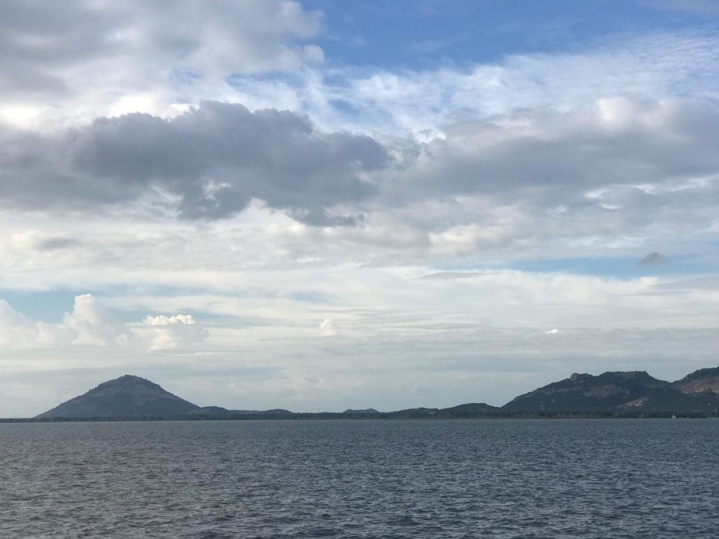
INTERACTIVE DASHBOARD

 | Life Expectency of Female | Life Expectency Of Male
India | 59 | 58
China | 69 | 67
Japan | 82 | 76
Indonesia | 65 | 61
Bangladesh | 53 | 53
Afghanistan | 44 | 45
Argentina | 75 | 68
Armenia | 75 | 68
Australia | 80 | 74
Austria | 79 | 73
Azerbaijan | 75 | 67
Bahrain | 74 | 71
Barbados | 78 | 73
Belarus | 76 | 66
Belgium | 79 | 73
Bolivia | 64 | 59
Bosnia | 78 | 72
Botswana | 66 | 60
Brazil | 67 | 57
Bulgaria | 75 | 69
Burkina Faso | 50 | 47
Burundi | 50 | 46
Cambodia | 52 | 50
Cameroon | 58 | 55
Canada | 81 | 74
Cent. Afri.R | 44 | 41
Chile | 78 | 71
Colombia | 75 | 69
Costa Rica | 79 | 76
Croatia | 77 | 70
Cuba | 78 | 74
Czech Rep. | 77 | 69
Denmark | 79 | 73
Domincan R. | 70 | 66
Ecuador | 73 | 67
Egypt | 63 | 60
El Salvador | 69 | 64
Estonia | 76 | 67
Ethiopia | 54 | 51
Finland | 80 | 72
France | 82 | 74
Gabon | 58 | 52
Gambia | 52 | 48
Georgia | 76 | 69
Germany | 79 | 73
Greece | 80 | 75
Guatemala | 67 | 62
Haiti | 47 | 43
Honduras | 70 | 65
Hong Kong | 80 | 75
...
 | Total
 | 1
Animist | 4
Buddhist | 7
Catholic | 41
Hindu | 1
Jewish | 1
Muslim | 27
Orthodox | 8
Protstnt | 16
Taoist | 2
Tribal | 1

 | Count of country | Sum of gdp_cap | Sum of babymort | Count of calories | Count of aids | Sum of pop_incr | Sum of log_gdp | Sum of region | Count of lg_aidsr | Count of death_rt | Sum of birth_rt | Count of aids_rt
Catholic | 41 | 236987 | 1486.4 | 41 | 41 | 57.51 | 140.62662139 | 163 | 41 | 41 | 977 | 41

