Analysis
Row Labels | Sum of attempts | Sum of score | %
Arielle | 1000 | 341 | 34.10%
L | 300 | 72 | 24.00%
R | 700 | 269 | 38.43%
Boris | 1000 | 338 | 33.80%
L | 700 | 199 | 28.43%
R | 300 | 139 | 46.33%
Grand Total | 2000 | 679 | 33.95%

 |  |  |  |  |  |  |  |  | Legend
 | Column Labels |  |  |  |  | Sucess Rates by Hand |  |  |  | Relatively Low
 | Arielle |  | Boris |  |  |  |  | Diff |  | Relatively High
Row Labels | Sum of score | Sum of attempts | Sum of score | Sum of attempts |  | Arielle | Boris
L | 72 | 300 | 199 | 700 | Left | 24.00% | 28.43% | 4.43%
R | 269 | 700 | 139 | 300 | Right | 38.43% | 46.33% | 7.90%
 |  |  |  |  | Diff | 14.43% | 17.90%

 |  |  |  |  |  | Sucess Rates #attempts
Right Hand | Score | Attempt |  |  |  | Arielle | Boris | Diff
Arielle | 380 | 1000 |  |  | 300 attempts | 24% | 46% | 22%
Boris | 460 | 1000 |  |  | 700 attempts | 38% | 28% | 10%
 | 8% |  |  |  | Diff | 14% | 18%

Left Hand | Score | Attempt
Arielle | 240 | 1000
Boris | 280 | 1000 |  |  | Strength by Hand | Boris
 | 4% |  |  |  | Endurance | Arielle
 |  |  |  |  | Overall Success | Arielle
Right Hand | Score | Attempt
Arielle | 269 | 700
Boris | 324 | 700
 | 55

Left Hand | Score | Attempt
Arielle | 72 | 300
Boris | 85 | 300
 | 13

Histograms
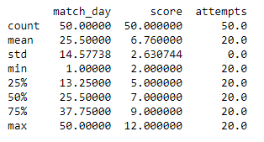
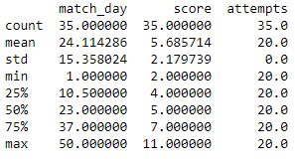
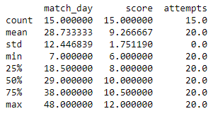
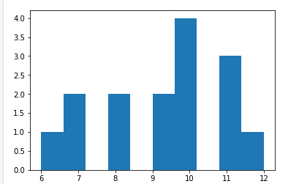
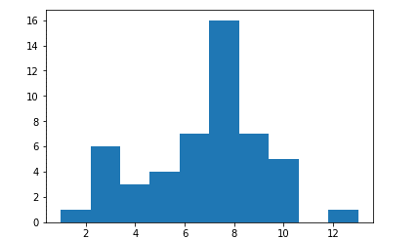
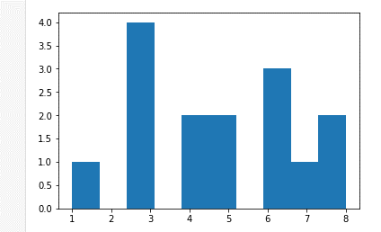
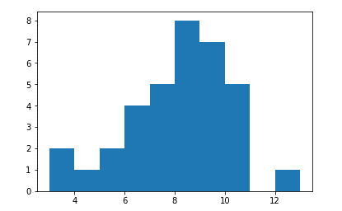
Subject | Mean | Std.dev |  | Subject | Mean | Std.dev | Subject | Mean | Std.dev | Subject | Mean | Std.dev
Population | 6.79 | 2.53 |  | Mean & stddiv of Arielle | 6.82 | 2.47 | Mean & stddiv of Arielle left | 4.8 | 2.04 | Mean & stddiv of Arielle right | 7.68 | 2.125
 |  |  | Arille
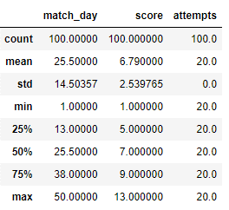
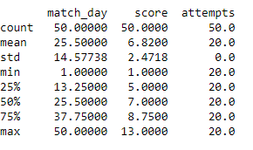
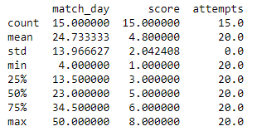
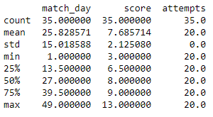

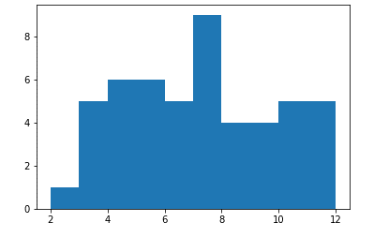
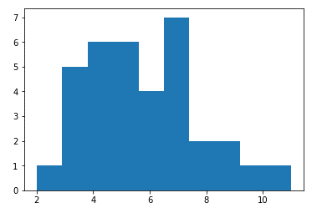
 |  |  |  | Mean & stddiv of Boris | 6.76 | 2.63 | Mean & stddiv of Boris left | 5.68 | 2.17 | Mean & stddiv of Boris right | 9.26 | 1.75
 |  |  | Boris

