Sheet1
1
 | The main aim of this survey is to findout similarity and disimilarity between professors
 | Y means two professors are similar
 | N means two professors are not similar
 | NA means you have no idea about those professors.

2
 | I have added some of the features of this survey.
 | a.
 |  | Only fillup the upper triangular of the matrix (colored in blue).
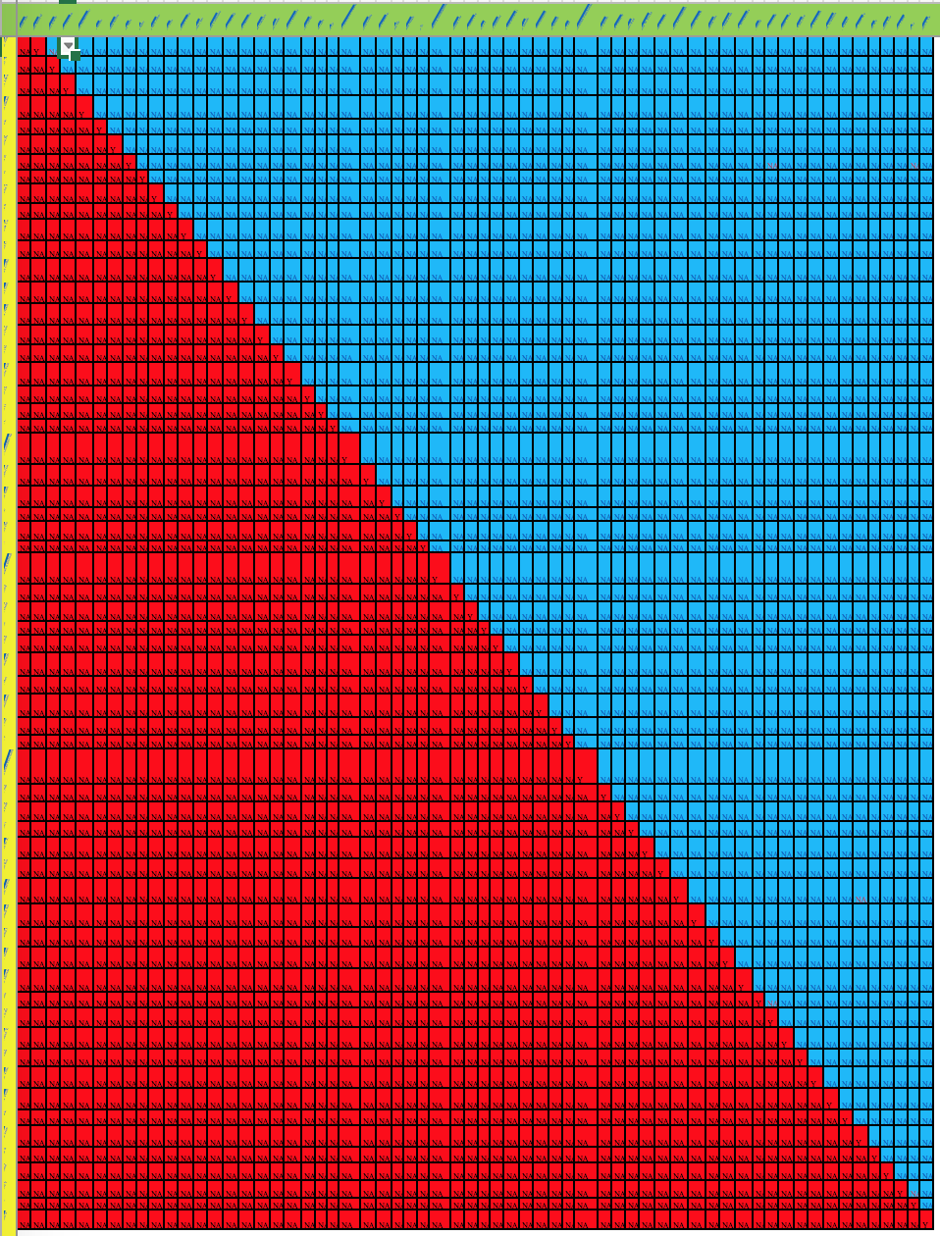

 | b.
 |  | Professors are mentioned in upper most row and column
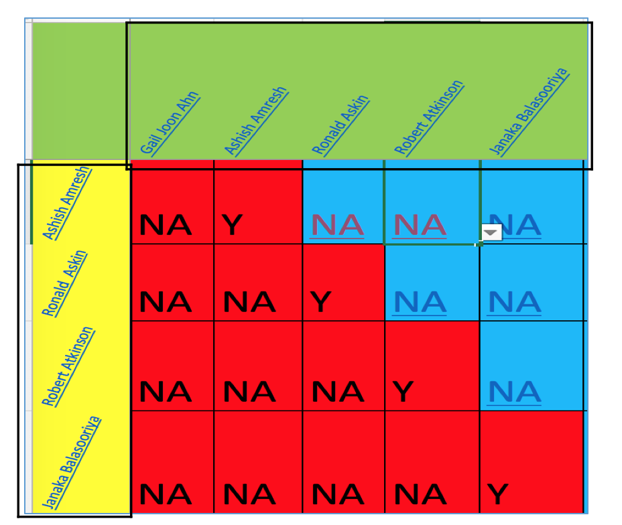

 | c.
 |  | If you do not know about the professor click on the name, it will lead you to his/her website.
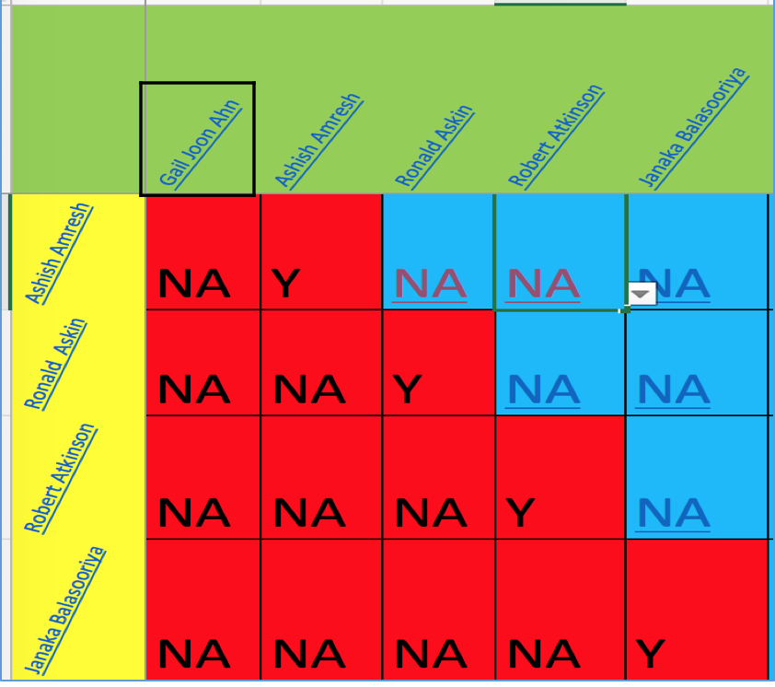


 | d.
 |  | The upper and lower most row and column are fixed.It will help you to navigate between cells.

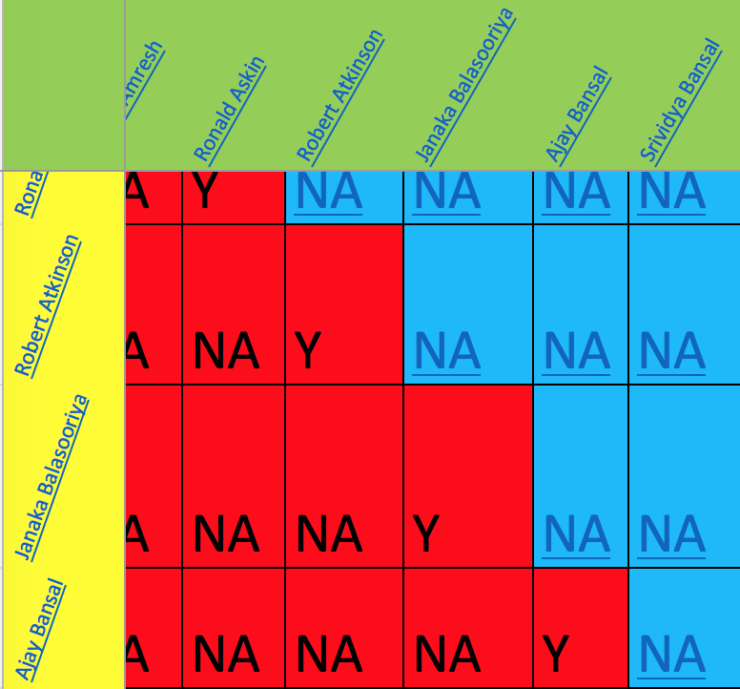

 | e.
 |  | The red cells are locked, you will not able to click on the red cells.
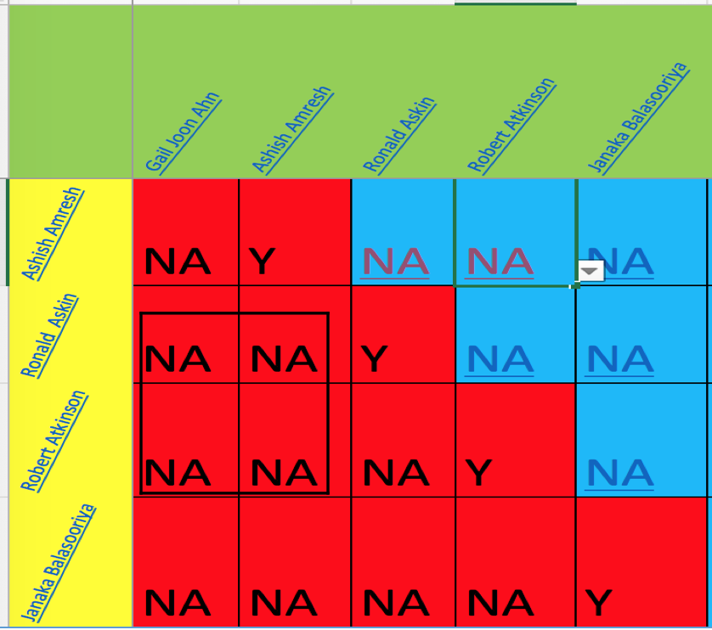

 | f
 |  | The blue cells have dropdown option (Y/N/NA). Select any one of the options, by default they are NA.
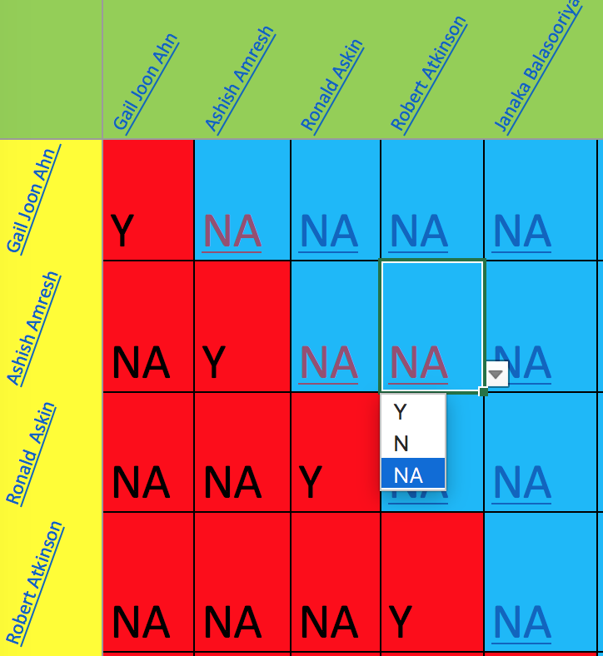

 | g
 |  | If you click on the blue cell, It will lead you to a webpage where both professors webpages will be opened side by side.It will help you to compare the professors.

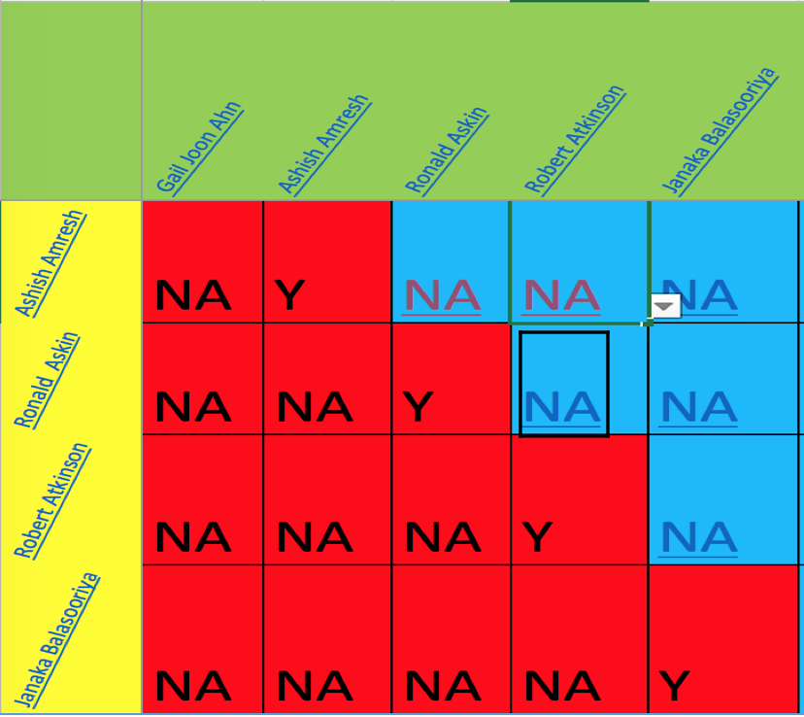

 |  | You can check the research interests of those two professors and select proper dropdown option according to you.

 | h
 |  | I have used functions and macros in this excel, please do not deactivate those otherwise these features will not work

 | i
 |  | I will request you to select either Y or N in most of the cases. It will be really helpful to me.
 |  | NA does not add any value into my research and if you submit the survey with more than 15% of responses with NA
 |  | I have to discard your survey.
 |  | If you do not know the professors before hand please use the links in excel to get a brief overview and select option according to that.
 |  | After checking all the options if you still have no clue then you can select the NA option.
 |  | There are total 1891 cells that need to be filled. So 283 cells can be NA not more than that.

 | j
 |  | You might feel problem to select the blue cell as it will lead you to webpage. I can suggest to select the cell by using up,down,left and right arrow keys instead of mouse click.

 | k
 |  | As it is a very lengthy survey and boring too. You can take as much time as you need. No need of hurry.

 | l
 |  | Please let me know if you face any issue or have any suggestion to improve this survey.

 |  | I really appreciate your feedback on this survey.

