PURCHASE
LOGO | FIX TOP BAR

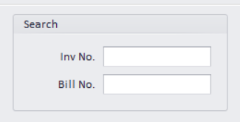
LEFT PANEL
 |  | DATE | 2022-06-22 |  | PURCHASER | HH |  | INVOICE NO | AUTO |  |  | P/R | POLISH
 |  | CURRENCY | USD |  | BILL NO | 1
 |  |  |  |  |  |  |  | BROKER | ABC
 |  | PARTY | XYZ |  |  |  |  | BROKER AMT | 1000 |  |  | TYPE | LOCAL

 |  | DUE DAYS | 30 |  | OVER DUE | 10 |  | ADAT | NON
 |  | DUE DATE | 2022-07-22 |  | OVER DUE DATE | 2022-08-01 |  | ADAT AMT | 20

 |  | NO | TYPE | REFNO | COLOR | CLARITY | SHAPE | SIZE | LOTNO | CERTNO | PCS | CARAT | RATE | CUR.RATE | AMOUNT | L1 | L2 | NET AMOUNT | KAPAN | REMARK | CURRENCY | DELETE
 |  | 1 | GIA | A1 | FANCY YELLOW | SI1 | CUSHION | 1 CRT UP |  | 1234567890 | 1 | 10.2 | 200 | 1 | 2040 | 1 | 2 | 1950 | S1 | OK | USD
 |  | 2 | PARCEL | 5 | M PINK |  | RD | MIX SIZE |  |  | 0 | 200.2 | 100 | 77 | 1541540 | 0 | 0 | 1541540 | S2 | OK | INR
 |  | 3 | SINGLE | A2 | VIVID YELLOW |  | RADIANT | 0.50 PO |  |  | 1 | 1.02 | 200 | 1 | 2001 | 1 | 1 | 1950 | S3 |  | USD
 |  | 4
 |  | 5

 |  | CARAT | 10.2 |  | AMOUNT | 1950 |  | TAX% | 20 | 400 |  | +/- AMT | 10 | FINAL AMOUNT |  | 500

 |  | REMARK
 |  |  |  |  |  |  | SAVE | CANCEL | PRINT | EXIT | DELETE

EXPENSE
LOGO | FIX TOP BAR

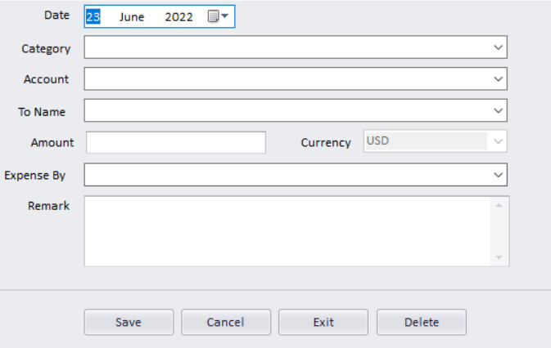
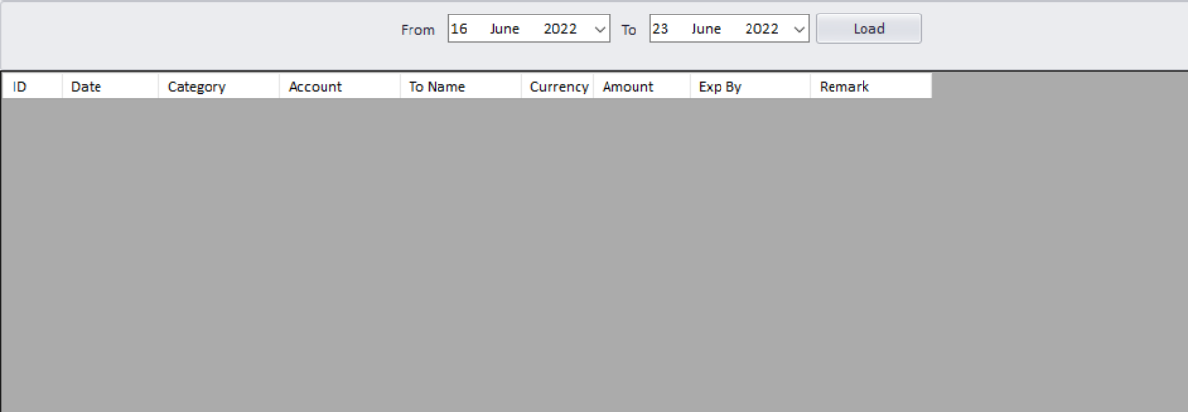
LEFT PANEL

PARTY MASTER
LOGO | FIX TOP BAR

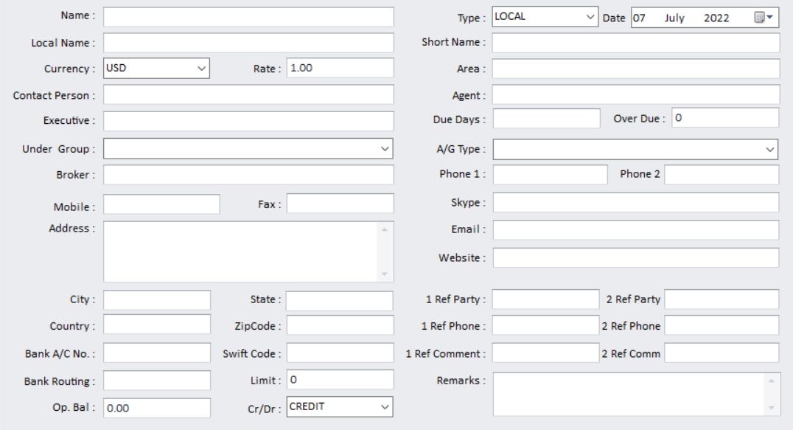
LEFT PANEL

 |  | SAVE | RESET | DELETE

