20250106_curated_PHO_genes
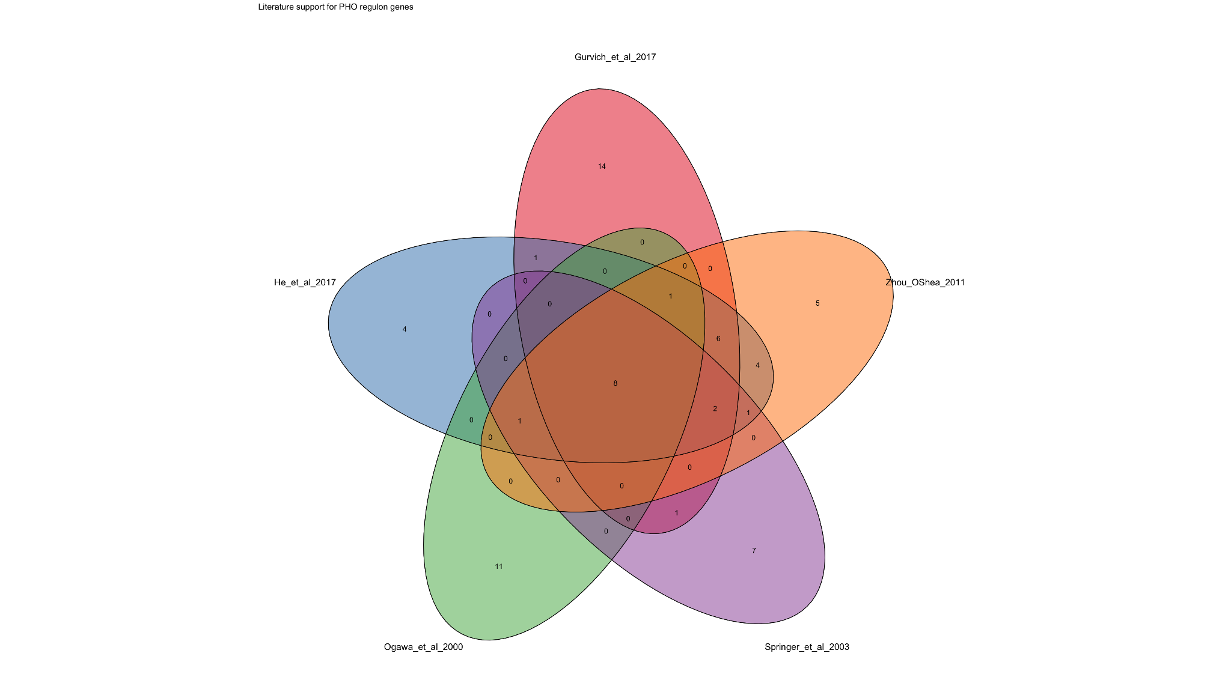
gene_id | gene_name | functional_category | category_order | function_description | n_papers | support_score | supporting_papers
YML123C | PHO84 | Transporters | 1 | High-affinity phosphate (Pi) transporter | 5 | 4 | Gurvich_et_al_2017; He_et_al_2017; Zhou_OShea_2011; Springer_et_al_2003; Ogawa_et_al_2000
YCR098C | GIT1 | Transporters | 1 | Glycerophosphoinositol transporter involved in phosphate scavenging | 3 | 2 | He_et_al_2017; Zhou_OShea_2011; Springer_et_al_2003
YDR040C | ENA1 | Transporters | 1 | Sodium efflux ATPase linked to phosphate and stress responses | 2 | 1 | He_et_al_2017; Zhou_OShea_2011
YDR039C | ENA2 | Transporters | 1 | Sodium efflux ATPase linked to phosphate and stress responses | 2 | 1 | He_et_al_2017; Zhou_OShea_2011
YBR296C | PHO89 | Transporters | 1 | Na+/Pi cotransporter for alternative phosphate uptake | 5 | 4 | Gurvich_et_al_2017; He_et_al_2017; Zhou_OShea_2011; Springer_et_al_2003; Ogawa_et_al_2000
YER072W | VTC1 | Poly P Metabolism | 2 | Vacuolar transporter chaperone complex subunit for polyphosphate synthesis | 3 | 2 | Gurvich_et_al_2017; He_et_al_2017; Zhou_OShea_2011
YFL004W | VTC2 | Poly P Metabolism | 2 | Vacuolar transporter chaperone complex subunit for polyphosphate synthesis | 3 | 2 | Gurvich_et_al_2017; He_et_al_2017; Zhou_OShea_2011
YPL019C | VTC3 | Poly P Metabolism | 2 | Vacuolar transporter chaperone complex subunit for polyphosphate synthesis | 3 | 2 | Gurvich_et_al_2017; He_et_al_2017; Zhou_OShea_2011
YJL012C | VTC4 | Poly P Metabolism | 2 | Catalytic core of vacuolar polyphosphate polymerase | 3 | 2 | Gurvich_et_al_2017; He_et_al_2017; Zhou_OShea_2011
YGR233C | PHO81 | Regulatory | 3 | Central PHO pathway regulator and CDK inhibitor | 5 | 4 | Gurvich_et_al_2017; He_et_al_2017; Zhou_OShea_2011; Springer_et_al_2003; Ogawa_et_al_2000
YJL117W | PHO86 | Regulatory | 3 | PHO pathway factor required for phosphate transporter function | 5 | 4 | Gurvich_et_al_2017; He_et_al_2017; Zhou_OShea_2011; Springer_et_al_2003; Ogawa_et_al_2000
YLR410W | VIP1 | Regulatory | 3 | Inositol polyphosphate kinase involved in phosphate signaling | 3 | 2 | Gurvich_et_al_2017; He_et_al_2017; Zhou_OShea_2011
YHR136C | SPL2 | Regulatory | 3 | PHO pathway regulator modulating phosphate uptake | 4 | 3 | Gurvich_et_al_2017; He_et_al_2017; Zhou_OShea_2011; Ogawa_et_al_2000
YER037W | PHM8 | Phosphatases | 4 | Phosphate-responsive phosphatase of the PHM family | 4 | 3 | Gurvich_et_al_2017; He_et_al_2017; Zhou_OShea_2011; Springer_et_al_2003
YER062C | HOR2 | Phosphatases | 4 | Phosphatase involved in phosphate metabolism and stress adaptation | 2 | 1 | He_et_al_2017; Zhou_OShea_2011
YPL110C | GDE1 | Phosphatases | 4 | Glycerophosphodiester phosphodiesterase releasing phosphate | 2 | 1.5 | Gurvich_et_al_2017; He_et_al_2017
YOR163W | DDP1 | Phosphatases | 4 | Diphosphoinositol polyphosphate phosphohydrolase | 3 | 2 | Gurvich_et_al_2017; He_et_al_2017; Zhou_OShea_2011
YAR071W | PHO11 | Phosphatases | 4 | Repressible secreted acid phosphatase | 5 | 4 | Gurvich_et_al_2017; He_et_al_2017; Zhou_OShea_2011; Springer_et_al_2003; Ogawa_et_al_2000
YHR215W | PHO12 | Phosphatases | 4 | Repressible secreted acid phosphatase | 5 | 4 | Gurvich_et_al_2017; He_et_al_2017; Zhou_OShea_2011; Springer_et_al_2003; Ogawa_et_al_2000
YBR093C | PHO5 | Phosphatases | 4 | Major repressible secreted acid phosphatase | 5 | 4 | Gurvich_et_al_2017; He_et_al_2017; Zhou_OShea_2011; Springer_et_al_2003; Ogawa_et_al_2000
YDR481C | PHO8 | Phosphatases | 4 | Vacuolar alkaline phosphatase | 5 | 4 | Gurvich_et_al_2017; He_et_al_2017; Zhou_OShea_2011; Springer_et_al_2003; Ogawa_et_al_2000
YGL224C | SDT1 | other | 5 | Pyrimidine nucleotidase; suppressor of disruption of TFIIS | 2 | 2 | Gurvich_et_al_2017; Springer_et_al_2003
YPL018W | CTF19 | Other | 5 | Outer kinetochore protein | 4 | 3 | He_et_al_2017; Zhou_OShea_2011; Springer_et_al_2003; Ogawa_et_al_2000
YJR060W | CBF1 | Other | 5 | Centromere-binding transcription factor linked to phosphate regulation | 2 | 1 | He_et_al_2017; Zhou_OShea_2011
YDR281C | PHM6 | Other | 5 | Phosphate-responsive gene of unclear molecular function | 4 | 3 | Gurvich_et_al_2017; He_et_al_2017; Zhou_OShea_2011; Springer_et_al_2003

