How to use this
There is an In-Document Chat for discussing the NDA with other online users. Click the chat-bubble icon in the upper-right corner to access it.
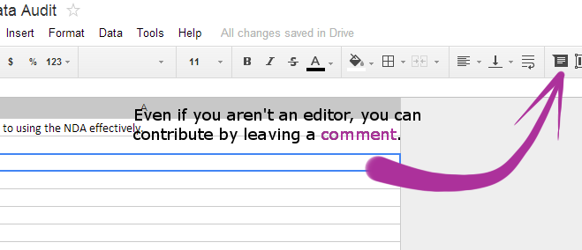
Cells with orange corners are commented. Click them or hover over their corners to read those comments.

The "Comments" button in the upper-right corner shows a list of all comments that have been made on the document.
The number displayed on a tab shows how many comments that tab holds. Hover over the number to reveal all comments on that tab!

