Recap
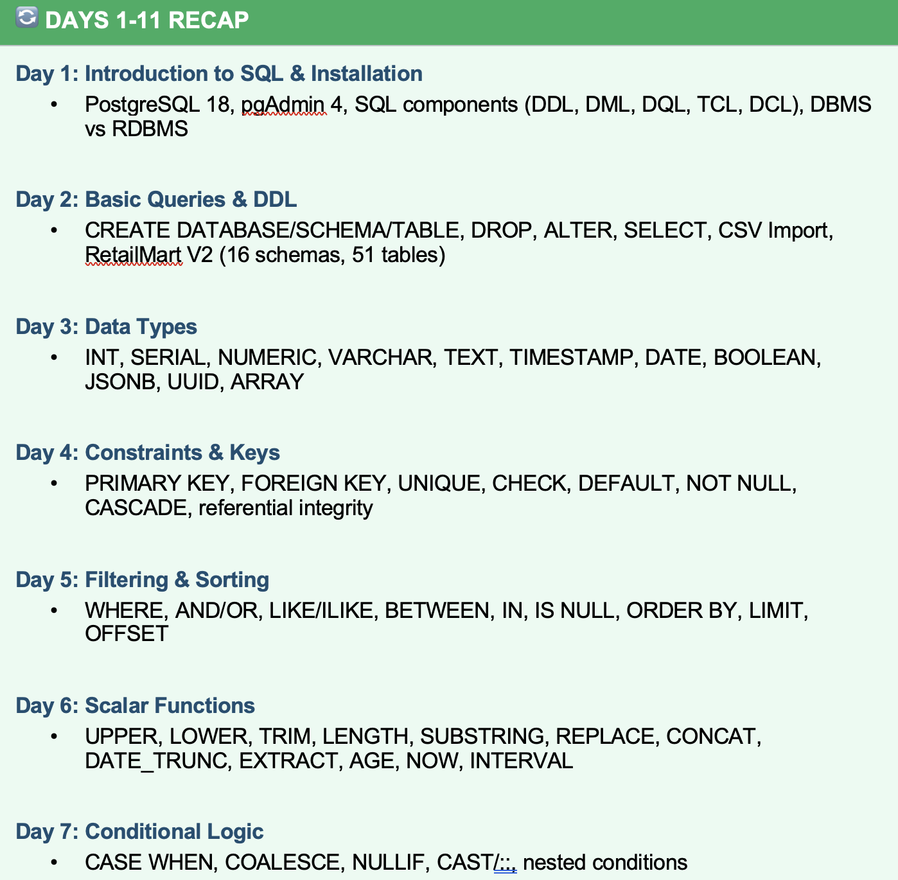

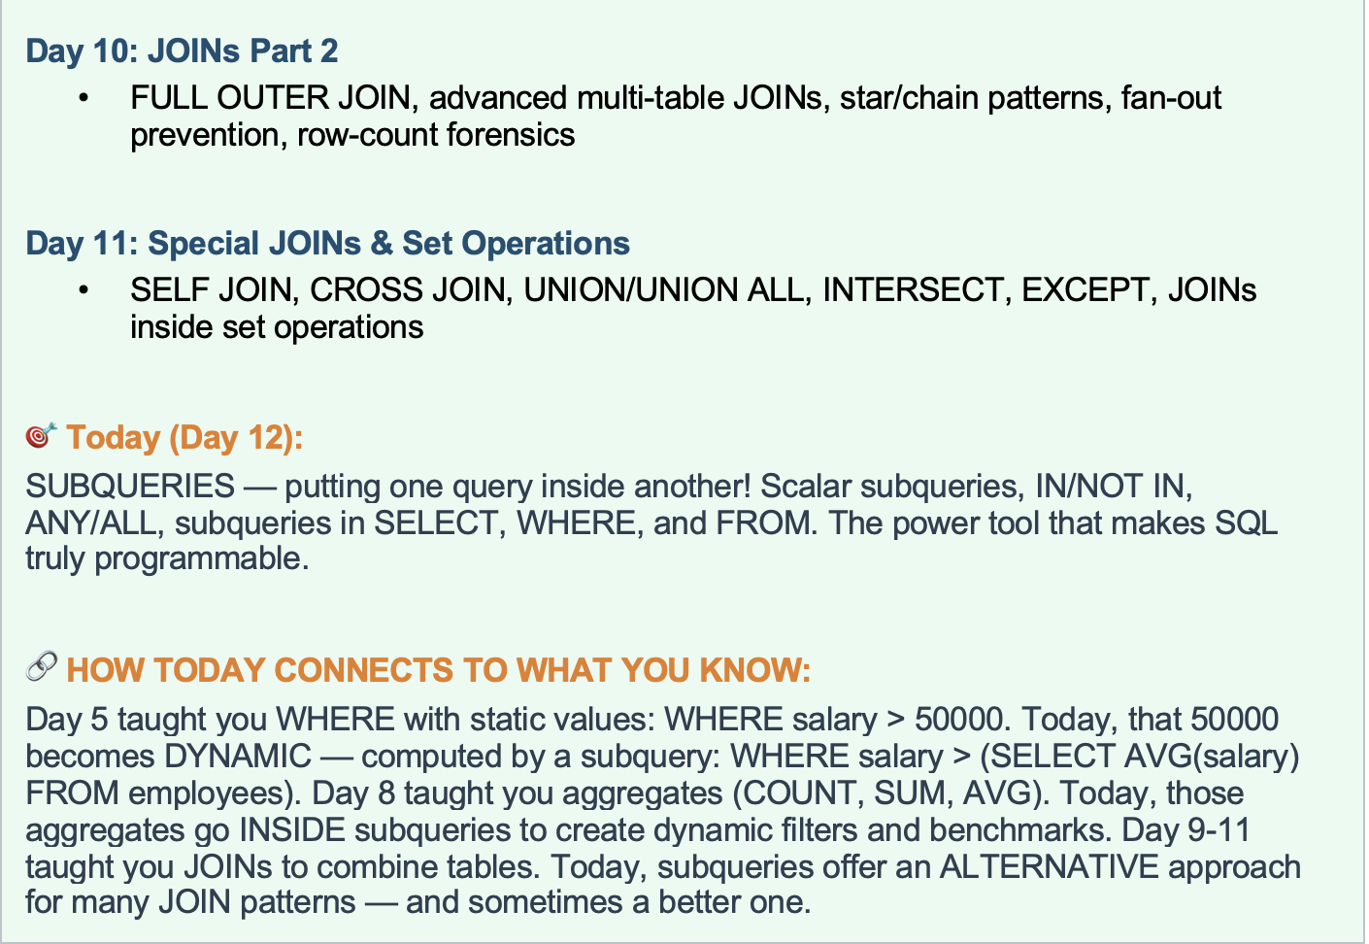

Agenda
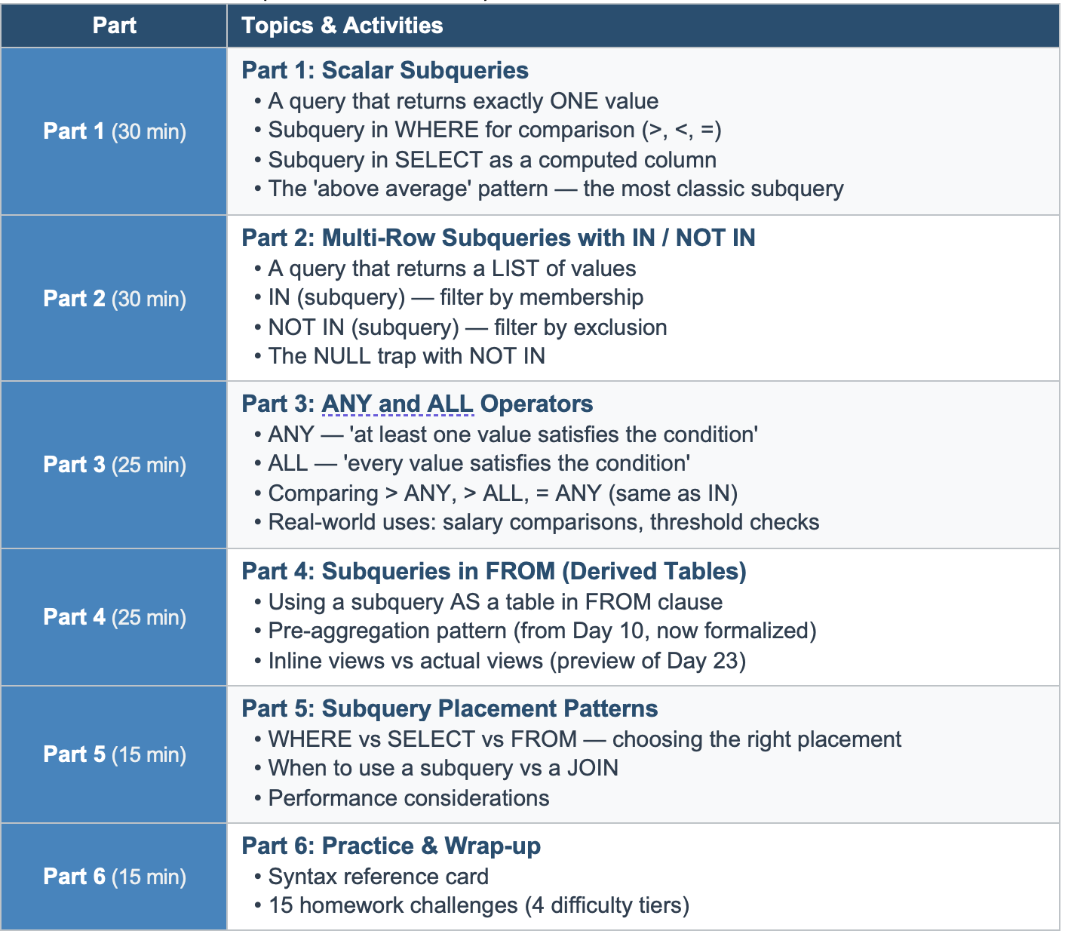

Story
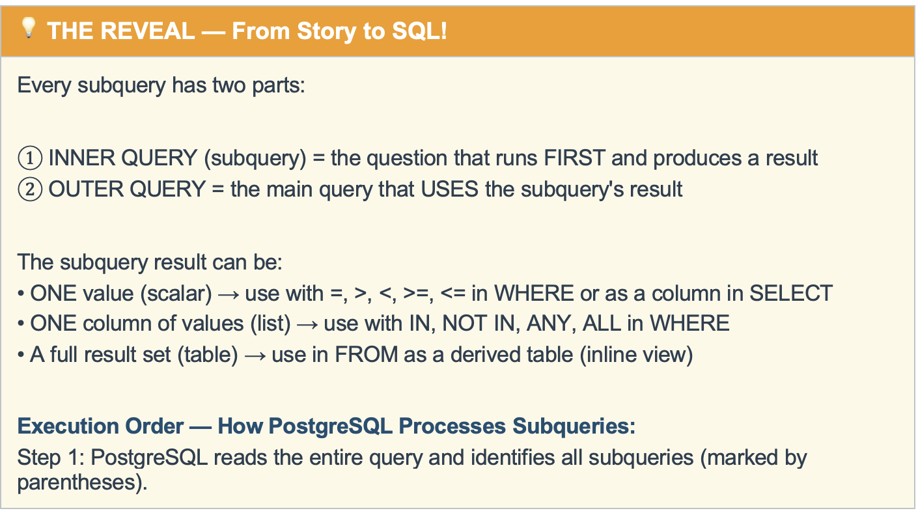
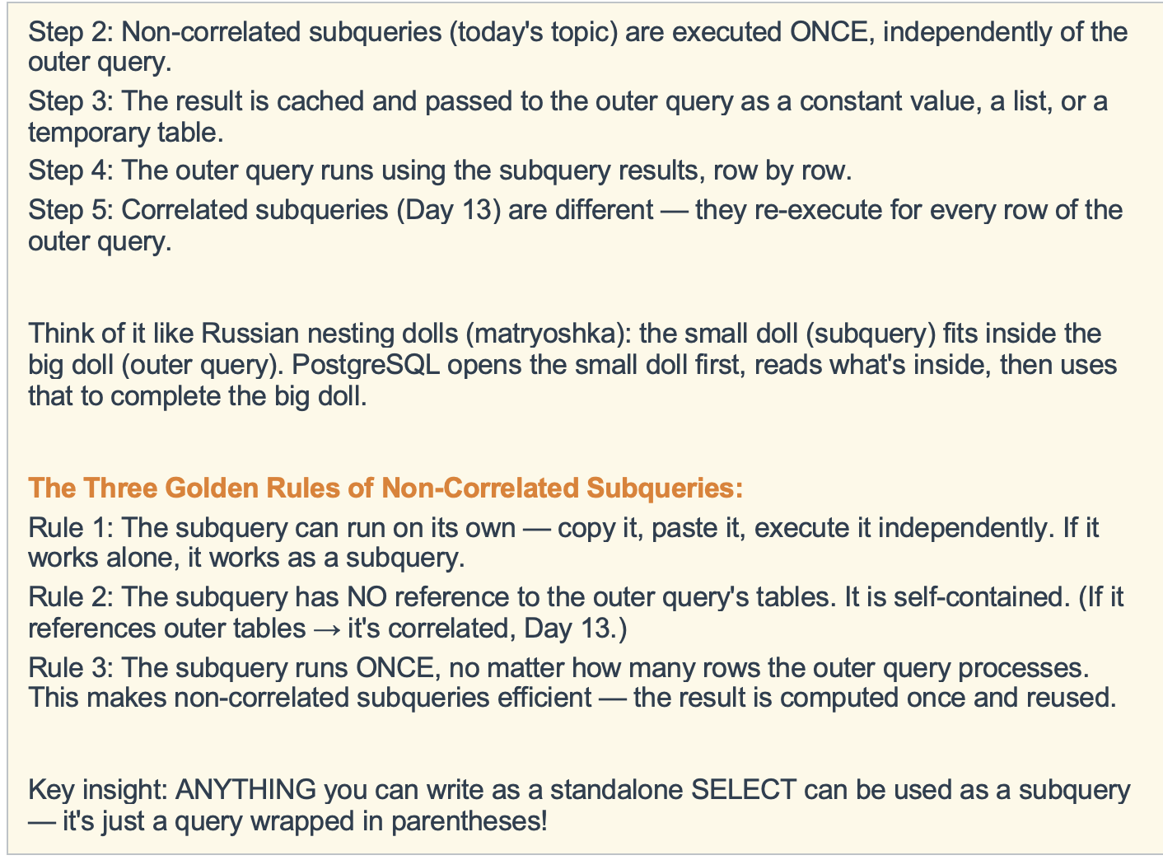
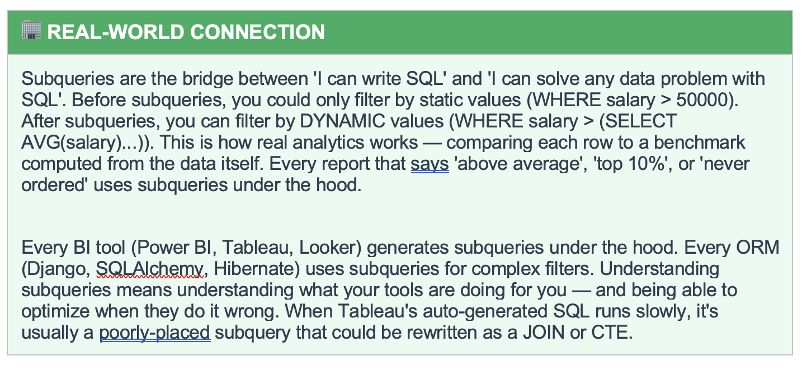
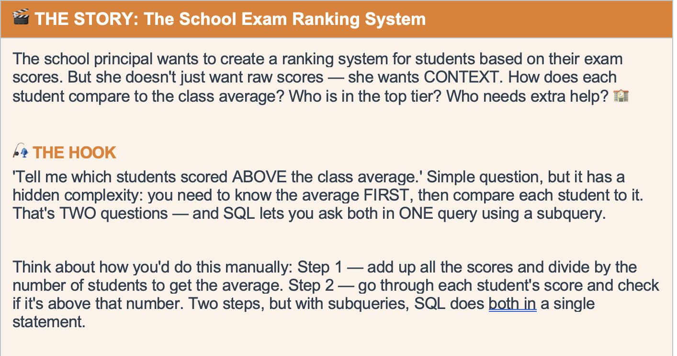

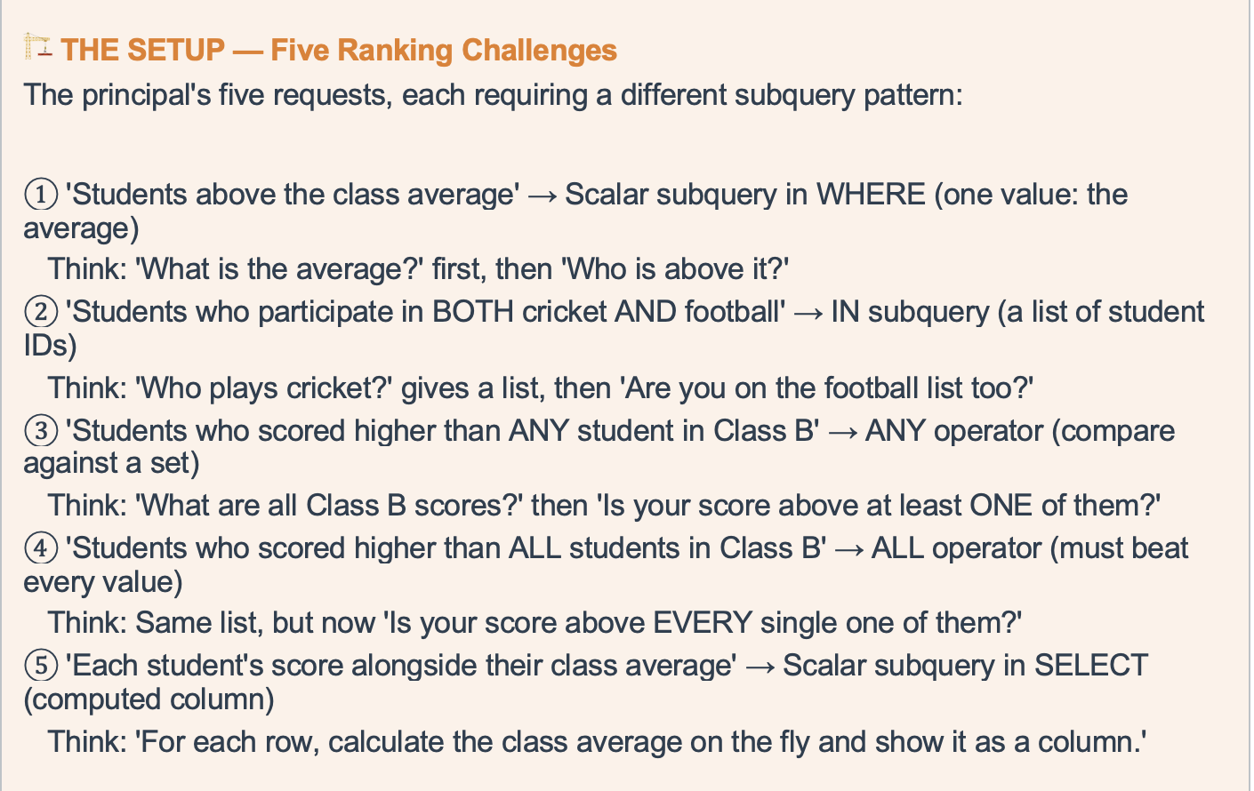

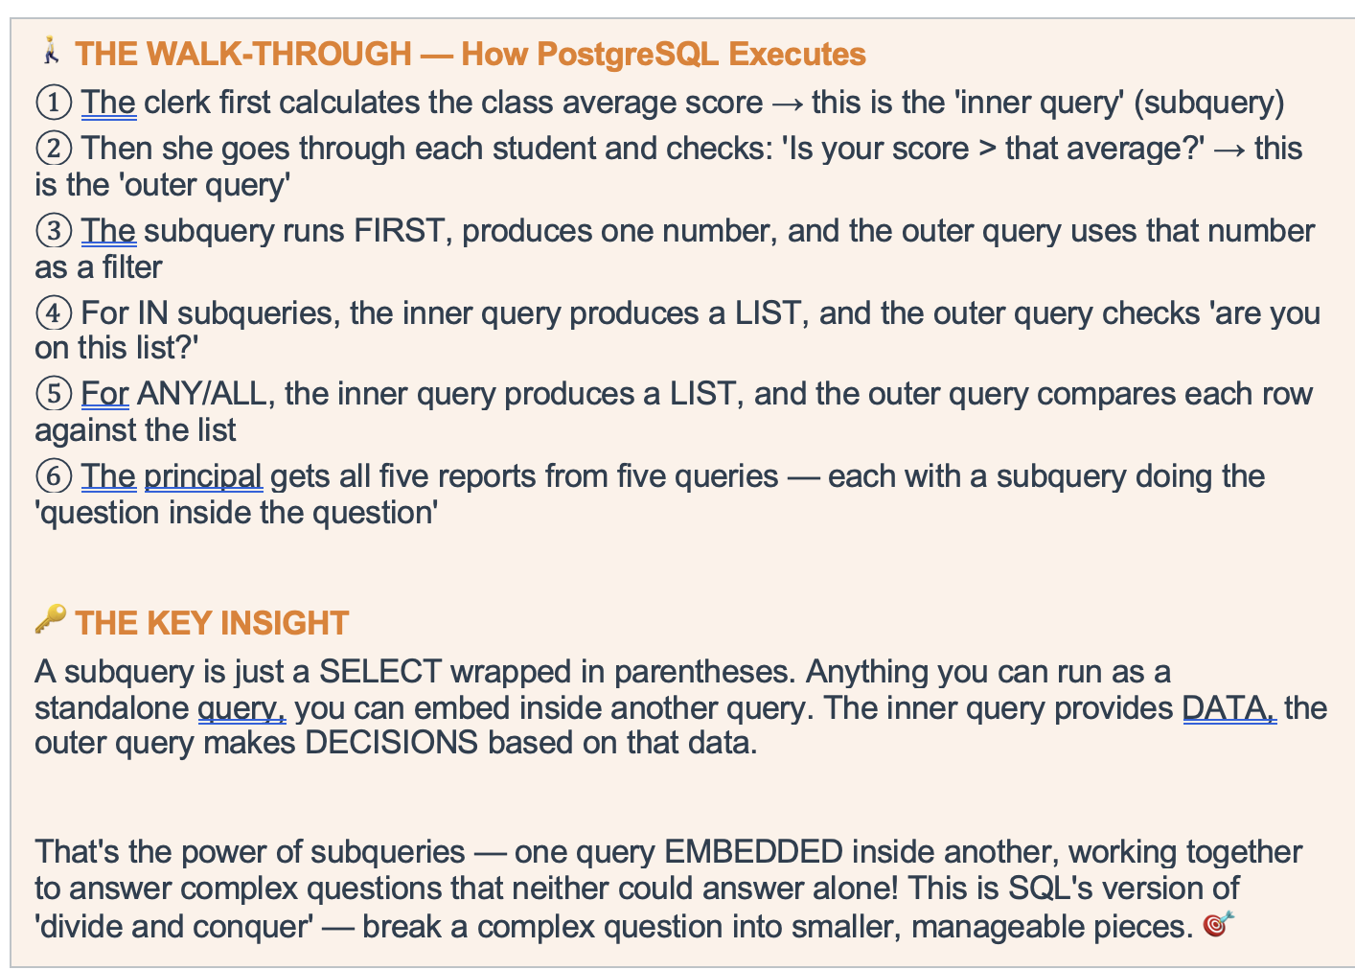

If
 | TRUE |  |  |  |  | FALSE
 |  | if |  |  |  |  | if
 |  |  | TRUE |  | FALSE |  |  | TRUE |  | FALSE
 |  |  |  | if |  |  |  |  | if
 |  |  |  | TRUE |  |  |  |  | TRUE

 |  |  |  | TRUE |  |  |  |  | TRUE

SELECT

FROM

JOIN

WHERE

