Shareholders Equity
Colgate-Palmolive Company

Consolidated Shareholder's Equity

 |  | Dec-13 | Dec-14 | Dec-15 | Dec-16 | Dec-17 | Dec-18 | Dec-19 | Dec-20 | Dec-21 | Dec-22
 | Beginning Equity Balance |  |  |  |  |  | 243 | (34) | (292) | (536) | (767)
 | Net Income |  |  |  |  |  | 1,885 | 1,950 | 1,997 | 2,041 | 2,095
 | Issuance/ (Repurchase) of Equity |  |  |  |  |  | (1,350) | (1,350) | (1,350) | (1,350) | (1,350)
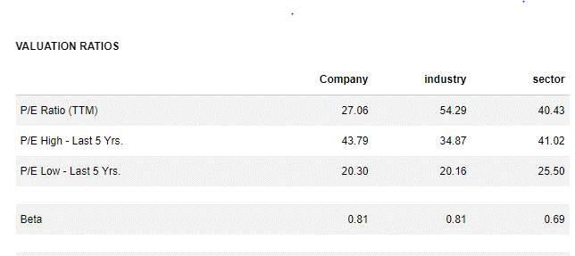
 | Dividends Paid |  |  |  |  |  | (1,320) | (1,365) | (1,398) | (1,429) | (1,467)
 | Option Proceeds |  |  |  |  |  | 507 | 507 | 507 | 507 | 507
 | Ending Equity Balance | 2,536 | 1,385 | (44) | 17 | 243 | (34) | (292) | (536) | (767) | (981)

 | Share Repurchase Assumptions
 | Current Year EPS | 2.38 | 2.36 | 1.52 | 2.72 | 2.28 | 2.12 | 2.20 | 2.25 | 2.30 | 2.36
 | Assumed Current Year EPS Multiple |  |  | 45x | 25x | 32x | 33x | 33x | 33x | 33x | 33x
 | Implied Share Price |  |  | 68 | 69 | 73 | 70 | 72 | 74 | 76 | 78
 | Shares Repurchased - millions |  |  | 22.8 | 19.3 | 19.2 | 19.3 | 18.6 | 18.2 | 17.8 | 17.3
 | Amount Repurchased ( $ outgo) | 1,521 | 1,530 | 1,551 | 1,335 | 1,399 | 1,350 | 1,350 | 1,350 | 1,350 | 1,350

 | New Shares from Exercised Options
 | New Shares from Exercised Options - millions |  |  | 7.39 | 8.53 | 9.67
 | Average Strike Price |  |  | 46.96 | 52.29 | 52.43
 | Option Proceeds | 339 | 371 | 347 | 446 | 507

 | Restricted Stock Units (RSUs) | 2.16 | 1.76 | 1.51 | 1.40 | 1.30 | 1.50 | 1.50 | 1.50 | 1.50 | 1.50

 | Dividend Assumptions
 | Total Dividends Paid | 1,382.0 | 1,446.0 | 1,493.0 | 1,508.0 | 1,529.0 | 1,319.6 | 1,365.2 | 1,397.6 | 1,428.8 | 1,466.6
 | Net Income | 2,241 | 2,180 | 1,384 | 2,441 | 2,024 | 1,885 | 1,950 | 1,997 | 2,041 | 2,095
 | Dividend Payout Ratio | 61.7% | 66.3% | 107.9% | 61.8% | 75.5% | 70.0% | 70.0% | 70.0% | 70.0% | 70.0%

 | Shares and ESOPs

 | Balance, January 1, 2011

 | Common stock acquired
 | Shares issued for stock options
 | Shares issued for restricted stock units and other
 | Balance, December 31, 2011

 | Common stock acquired
 | Shares issued for stock options
 | Shares issued for restricted stock units and other
 | Balance, December 31, 2012

 | Common stock acquired
 | Shares issued for stock options
 | Shares issued for restricted stock units and other
 | Balance, December 31, 2013

