meta
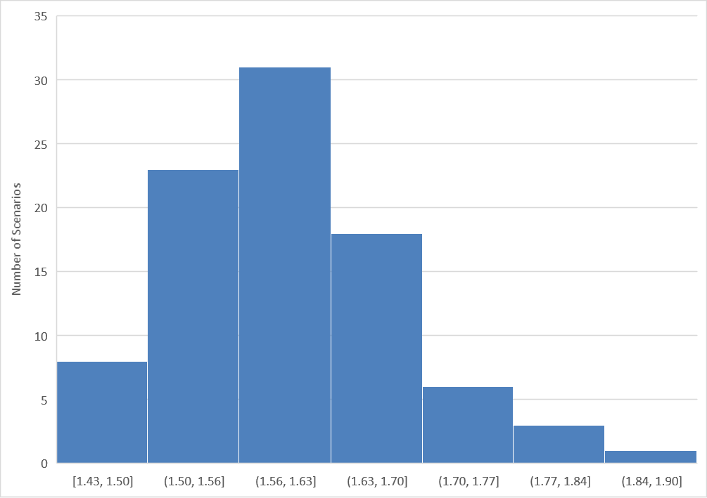
model | scenario | exclude | category | subcategory | Kyoto-GHG|2010 (SAR) | baseline | marker | reference | project | median warming at peak (MAGICC6) | year of peak warming (MAGICC6) | median warming in 2100 (MAGICC6) | median warming peak-and-decline (MAGICC6) | median warming at peak (FAIR) | year of peak warming (FAIR) | exceedance year|1.5°C | return year|1.5°C | overshoot years|1.5°C | exceedance severity|1.5°C | exceedance year|2.0°C | return year|2.0°C | overshoot years|2.0°C | minimum net CO2 emissions (Gt CO2/yr) | cumulative CO2 emissions (2016-2100, Gt CO2) | cumulative CCS (2016-2100, Gt CO2) | cumulative BECCS (2016-2100, Gt CO2) | cumulative sequestration land-use (2016-2100, Gt CO2) | cumulative CO2 emissions (2016 to peak warming, Gt CO2) | year of netzero CO2 emissions | cumulative CO2 emissions (2016 to netzero, Gt CO2) | warming at netzero (MAGICC6) | final energy|2100 | carbon price|2030 | carbon price|2030 (NPV) | carbon price|2050 | carbon price|2050 (NPV) | carbon price|2100 | carbon price|2100 (NPV) | carbon price|Avg NPV (2030-2100) | carbon price|AC NPV (2030-2100) | carbon price|CC NPV (2030-2100)
REMIND 1.7 | CEMICS-1.5-CDR12 | FALSE | 1.5C low overshoot | Lower 1.5C low overshoot | in range | CEMICS-Ref |  | Strefler et al., 2018 | CEMICS | 1.602167406 | 2041 | 1.305261129 | 0.296906277 | 1.329 | 2038 | 2031 | 2068 | 37 | 2.410394305 |  |  |  | -11.33893 | 183.6095078 | 482.941328 | 365.6478705 | 365.4129505 | 660.1834209 | 2043 | 659.8242089 | 1.597141252 | 835.6111 | 215.4084 | 132.24207168 | 571.5426 | 132.24206859 | 6554.1021 | 132.24195986 | 132.24205129 | 134.82266233 | 134.98102516
REMIND 1.7 | CEMICS-1.5-CDR20 | FALSE | 1.5C high overshoot | Lower 1.5C high overshoot | in range | CEMICS-Ref |  | Strefler et al., 2018 | CEMICS | 1.682241181 | 2051 | 1.323271598 | 0.358969583 | 1.392 | 2048 | 2030 | 2082 | 52 | 6.159462081 |  |  |  | -18.83112 | 186.5054503 | 703.168011 | 416.3811405 | 292.176396 | 825.5949443 | 2052 | 824.7867533 | 1.680371227 | 900.1685 | 102.4809 | 62.914382745 | 305.1247 | 70.598974608 | 3498.984 | 70.598915703 | 70.00367906 | 71.567058842 | 71.599989318
...
REMIND 1.7 | CEMICS-1.5-CDR8 | FALSE | 1.5C low overshoot | Lower 1.5C low overshoot | in range | CEMICS-Ref |  | Strefler et al., 2018 | CEMICS | 1.549328069 | 2039 | 1.309762218 | 0.239565851 | 1.295 | 2035 | 2032 | 2056 | 24 | 0.816279413 |  |  |  | -7.458134 | 183.9874808 | 359.319519 | 293.1873135 | 227.935809 | 568.4807593 | 2038 | 570.0186785 | 1.547625548 | 809.9187 | 454.2751 | 278.88550464 | 1205.3275 | 278.88560174 | 13821.9588 | 278.88532905 | 278.88547087 | 284.32772709 | 284.66169833
MERGE-ETL 6.0 | DAC15_50 | FALSE | 1.5C low overshoot | Lower 1.5C low overshoot | exclude | BAU |  | Marcucci et al., 2017 | DAC | 1.601409806 | 2072 | 1.305834225 | 0.295575581 | 1.388 | 2068 | 2055 | 2089 | 34 | 2.244637359 |  |  |  | -42.6638 | 214.5944 | 923.82885 | 665.03435 |  | 879.15632 | 2062 | 924.24937 | 1.569876961 | 947.6 | 168.35 | 103.35229623 | 470.9 | 108.95564057 | 4178.62 | 84.311914869 | 100.58558818 | 102.06369877 | 102.31052284
C-ROADS-5.005 | Ratchet-1.5-allCDR | FALSE | 1.5C high overshoot | Lower 1.5C high overshoot | in range |  |  | Holz et al., 2018 | C-ROADS | 1.699010175 | 2048 | 1.285687649 | 0.413322526 | 1.454 | 2049 | 2033 | 2077 | 44 | 5.611547639 |  |  |  | -13.9391 | 407.0334 |  | 185.04293 | 413.663252 | 884.191192 | 2054 | 899.50495 | 1.687970966

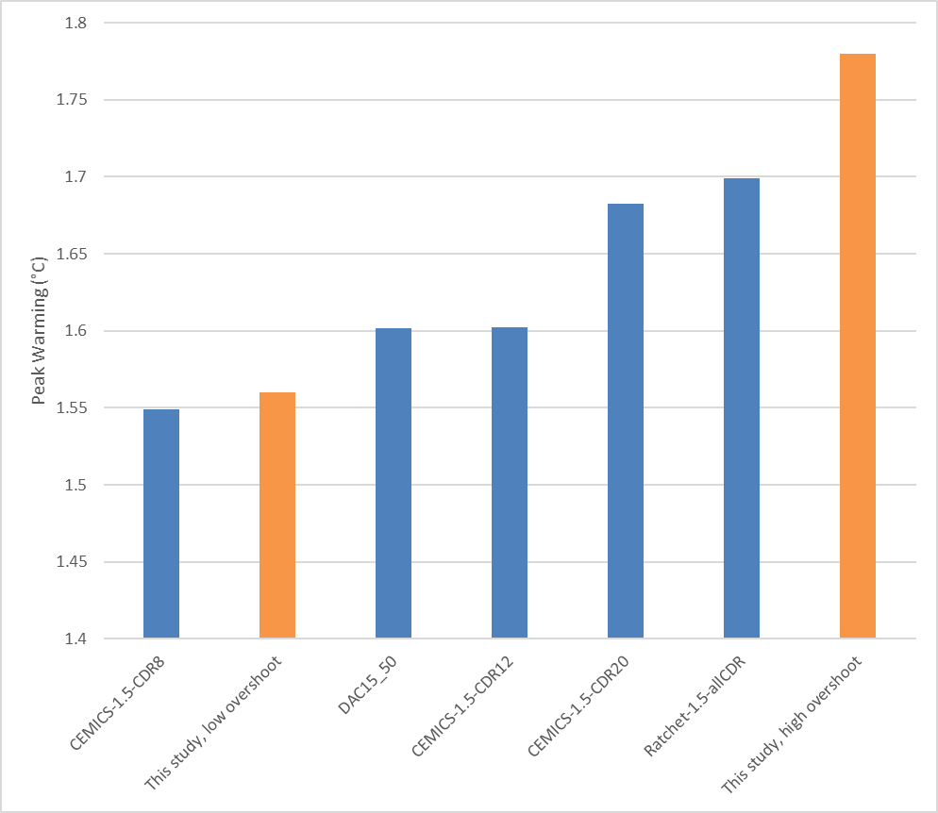

scenario | Column1 | median warming at peak (MAGICC6)
CEMICS-1.5-CDR8 | Strefler et al., 2018 | 1.549328069
This study, low overshoot | This study, low overshoot | 1.56
DAC15_50 | Marcucci et al., 2017 | 1.601409806
CEMICS-1.5-CDR12 | Strefler et al., 2018 | 1.602167406
CEMICS-1.5-CDR20 | Strefler et al., 2018 | 1.682241181
Ratchet-1.5-allCDR | Holz et al., 2018 | 1.699010175
This study, high overshoot | This study, high overshoot | 1.78

