07-03-2024
Early

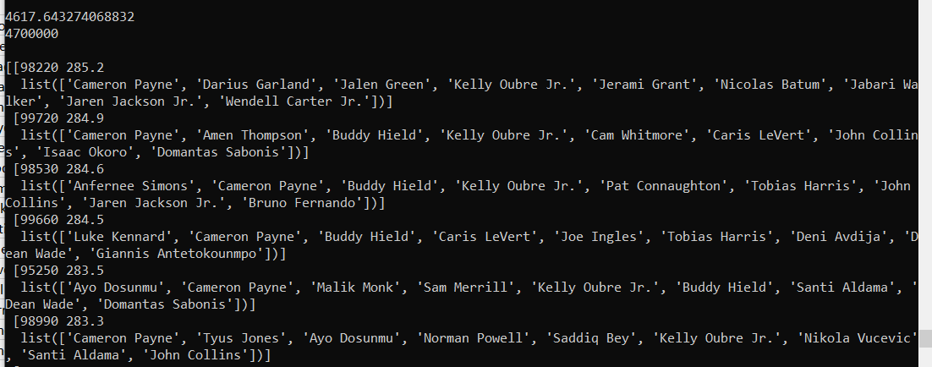
 |  | Contest | Entry | Finish | Entrants | Money | Percent | Profit | Return
 |  | $2 Mini | $2 | 149 | 667 | $4.20 | 22% | $2.20 | 2.1
 |  | $500 Micro | $1 | 179 | 1000 | $1.00
 |  | $200 Single | $10 | 7 | 17 | $0.00
 |  | $50 Double Up | $50 | 6 | 6 | $0.00
 |  | $20 Double Up | $20 | 6 | 6 | $0.00
 |  | $10 Double Up | $10 | 10 | 10 | $0.00
 |  | $2 Double Up | $2 | 4 | 9 | $4.00
 | Scored | $5 Triple Up | $5 | 3 | 5 | $0.00
 | 309 | $2 Triple Up | $2 | 3 | 7 | $0.60
 |  | $20 6 Man | $20 | 4 | 5 | $0.00
 |  | $10 6 Man | $10 | 4 | 4 | $0.00
 |  | $5 6 Man | $5 | 3 | 6 | $0.00
 |  | $2 6 Man | $2 | 3 | 6 | $0.00

Late

 |  |  |  |  | Contest | Entry | Finish | Entrants | Money | Percent | Profit | Return
 |  |  |  |  | $300 Mini | $2 | 132 | 218 | 0
 |  |  |  |  | High Roller | 150 | 25 | 25 | 0

 |  |  |  | 248.5

AFL

 |  |  |  | 679

