Tiling range
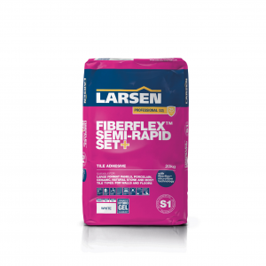
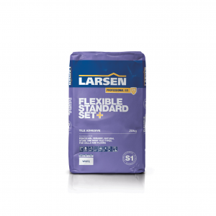
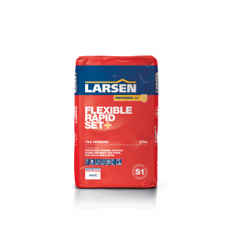
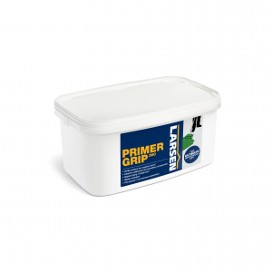
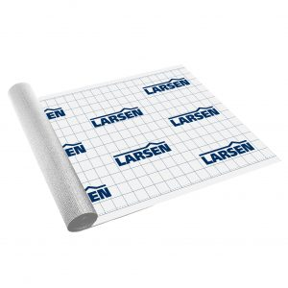
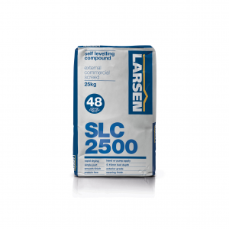
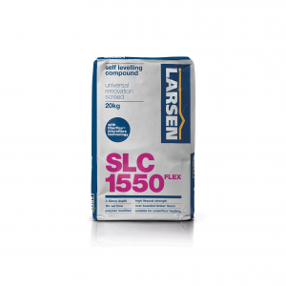
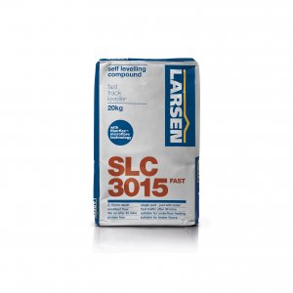
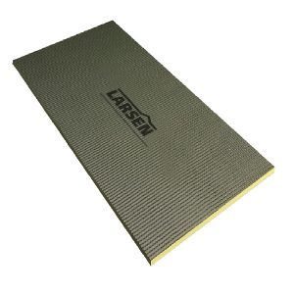

PRODUCT | NETT PRICE | COLOUR | PERFORMANCE | SIZE | PACKED | PRODUCT CODE | BARCODE
 | 3.23

Professional Adhesive Range

Flexible Standard Set+ Purple Bag C2TE S1 | 9.18 | grey | C2TE S1 | 20kg | 64 | M452G20 | 5036879460282
(interior, exterior, flexible, wall & floor, grout after 18hr, | 10.96 | white | C2TE S1 | 20kg | 64 | M452W20 | 5036879460237
suitable for large format tiles, swimming pools, UFH)

Fiberflex Semi-Rapid Set+ Pink Bag C2TE S1 | 11.15 | grey | C2TE S1 | 20kg | 64 | M454G20 | 5036879460060
(interior, exterior, flexible, wall & floor, grout after 6hr, | 12.74 | white | C2TE S1 | 20kg | 64 | M454W20 | 5036879460077
gel technology designed for extra large format tiles, UFH)

Ultimate Flexible Rapid Set - Tan Bag C2F S2 | 16.25 | grey | C2F S2 | 20kg | 64 | M453G20 | 5036879460152
(highly flexible, suitable for tongue & groove floorboards | 18.44 | white | C2F S2 | 20kg | 64 | M453W20 | 5036879460053
and green screeds, UFH)

Flexible Rapid Set+ Red Bag C2F S1 | 8.14 | grey | C2F S1 | 10kg | 1 | M383G10 | 5036879460138
(interior, exterior, flexible, grout after 3hr, UFH, suitable | 11.02 | grey | C2F S1 | 20kg | 64 | M451G20 | 5036879460145
for large format tiles) | 13.42 | white | C2F S1 | 20kg | 64 | M451W20 | 5036879460176

Rapid Set Flex - Green Bag C2FT | 9.95 | grey | C2FT | 20kg | 64 | M450G20 | 5036879460121
(interior, exterior, grout after 3hr, UFH) | 12.05 | white | C2FT | 20kg | 64 | M450W20 | 5036879460220

Standard Set Flex - Blue Bag C2TE | 10.10 | white | C2TE | 20kg | 64 | M473W20 | 5036879460398
(interior, exterior, wall & floor, grout after 18hr, UFH)

Colourfast 360 Grout & Silicone

Colourfast Grout 13888CG2WA | 5.18 | Anthracite | 13888CG2WA | 3kg | 8 | M360A03 | 5036879940159
(wall & floor, flexible, fast setting grout, | 11.94 |  |  | 10kg | 1 | M360A10 | 5036879940166
water repellent, stain resistant, anti mould) | 5.18 | Black | 13888CG2WA | 3kg | 8 | M360B03 | 5036879940173
 | 11.94 |  |  | 10kg | 1 | M360BL10 | 5036879940180
 | 5.18 | Beige | 13888CG2WA | 3kg | 8 | M360BE03 | 5036879940074
 | 11.94 |  |  | 10kg | 1 | M360BE10 | 5036879940081
 | 5.18 | Brown | 13888CG2WA | 3kg | 8 | M360BR03 | 5036879940135
 | 11.94 |  |  | 10kg | 1 | M360BR10 | 5036879940142
 | 5.18 | Grey | 13888CG2WA | 3kg | 8 | M360G03 | 5036879940111
 | 11.94 |  |  | 10kg | 1 | M360G10 | 5036879940128
 | 5.18 | Ivory | 13888CG2WA | 3kg | 8 | M360I03 | 5036879940036
 | 11.94 |  |  | 10kg | 1 | M360I10 | 5036789940043
 | 5.18 | Jasmine | 13888CG2WA | 3kg | 8 | M360J03 | 5036879940050
 | 11.94 |  |  | 10kg | 1 | M360J10 | 5036879940067
 | 5.18 | Silver Grey | 13888CG2WA | 3kg | 8 | M360SG03 | 5036879940098
 | 11.94 |  |  | 10kg | 1 | M360SG10 | 5036879940104
 | 5.18 | White | 13888CG2WA | 3kg | 8 | M360W03 | 5036879940012
 | 11.94 |  |  | 10kg | 1 | M360W10 | 5036879940029
 | 5.18 | Taupe | 13888CG2WA | 3kg | 8 | M360T03 | 5036879940197
 | 11.94 |  |  | 10kg | 1 | M360T10 | 5036879940203
 | 5.18 | Walnut | 13888CG2WA | 3kg | 8 | M360WN03 | 5036879001010
 | 11.94 |  |  | 10kg | 1 | M360WN10 | 5036879001034
 | 5.18 | Limestone | 13888CG2WA | 3kg | 8 | M360L03 | 5036879940210
 | 11.94 |  |  | 10kg | 1 | M360L10 | 5036879940227

Silicone | 4.60 | Black |  | 300ml | 12 | S500B01 | 5036879940371
(non shrink, elastic, waterproof sealant for | 4.60 | Beige |  | 300ml | 12 | S500BE01 | 5036879940340
sanitary and construction applications) | 4.60 | Clear |  | 300ml | 12 | S500C01 | 5036879940302
 | 4.60 | Grey |  | 300ml | 12 | S500G01 | 5036879940364
 | 4.60 | Ivory |  | 300ml | 12 | S500I01 | 5036879940326
 | 4.60 | Jasmine |  | 300ml | 12 | S500J01 | 5036879940333
 | 4.60 | Silver Grey |  | 300ml | 12 | S500SG01 | 5036879940357
 | 4.60 | White |  | 300ml | 12 | S500W01 | 5036879940319

Primers

Acrylic Primer - Pink | 5.95 | pink |  | 1lt | 12 | M901 01 | 5036879700012
(seals porous substrates prior to tiling) | 16.51 | pink |  | 5lt | 4 | M901 05 | 5036879700036

Primer Grip 360 | 7.08 | green |  | 1kg | 10 | M906 01 | 5036879700098
(textured primer for difficult and smooth substrates) | 20.49 | green |  | 5kg | 1 | M906 05 | 5036879700074

Thermal Construction Board | 7.76 | 1200 x 600mm |  | 6mm | 10 | WBRJ120 06 | 5036879690146
- Waterproof, lightweight tile backer board | 8.31 | (per box) |  | 10mm | 10 | WBRJ120 10 | 5036879690153
- High compressive strength 300kPa | 8.65 |  |  | 12.5mm | 6 | WBRJ120 12.5 | 5036879690177
- High critical weight 80kg/m2 |  |  |  | 20mm | 6
- High insulation value 0.033 W/mK |  |  |  | 30mm | 4
- High sound reduction 19dB |  |  |  | 40mm | 3
- Fire classification Class O / Euroclass E |  |  |  | 50mm | 2
 |  |  |  | 60mm | 2
 |  |  |  | 70mm | 2

 |  | 1200 x 600mm |  | 6mm | 320 | WIGJ120FP06 | 5036879690146
 |  | (pallet quantity) |  | 10mm | 300 | WIGJ120FP10 | 5036879690153
 |  |  |  | 12.5mm | 276 | WIGJ120FP12.5 | 5036879690177
 |  |  |  | 20mm | 168 | WIGJ120FP20 | 5036879690184

 |  | 2400 X 600mm |  | 10mm | 200 | WIGJ246FP10 | 5036879690207
 |  | (pallet quantity) |  | 12.5mm | 180 | WIGJ246FP12.5 | 5036879690214
 |  |  |  | 20mm | 168 | WIGJ246FP20 | 5036879690221

 |  | 2400 X 1200mm |  | 12.5mm | 90 | WIGJ240FP12.5 | 5036879690245
 |  | (pallet quantity) |  | 20mm | 84 | WIGJ240FP20 | 5036879690245

Screws & Washers | 4.79 |  |  | 25mm | 1(30) | WBRJ130 25 | 5036879690160
(50+50 per pack) | 4.79 |  |  | 45mm | 1 (30) | WBRJ130 45 | 5036879690191

Tanking Tape | 12.42 |  |  | 5m | 12 | J116 05 | 5036879690092
(self adhesive, excellent adhesion, waterproof, | 38.88 |  |  | 20m | 1 | J116 20 | 5036879690108
butyl rubber tape)

CTA Tanking Membrane | 22.16 |  |  | 4l / white | 1 | M349W05 | 5036879460275
(waterproof, quick drying, solvent free, liquid membrane) | 41.14 |  |  | 10l / white | 1 | M349W10 | 5036879690085

Tanking

Waterproof Tanking Kit | 37.75 |  |  | 5m(2) | 1 | M348 04 | 5036879690078
(4msq in 2 coats - 4lt liquid membrane, 0.5lt acrylic
primer, 5m flexible joint sealing tape)

RapidTank360 | 41.50 |  | 1.6kg / m2 @1mm | 4kg | 1 | WBRM348RT04 | 5036879700104
(2 part cement tanking slurry, highly flexible, fast curing, | 64.50 |  |  | 10kg | 1 | WBRM348RT10 | 5036879700111
applied in 2 coats by trowel, roller, brush, spray)

CTA Tanking Membrane | 22.16 |  |  | 4l / white | 1 | M349W05 | 5036879460275
(waterproof, quick drying, solvent free, liquid membrane) | 41.14 |  |  | 10l / white | 1 | M349W10 | 5036879690085

Tanking Tape | 12.42 |  |  | 5m | 12 | J116 05 | 5036879690092
(self adhesive, excellent adhesion, waterproof, | 38.88 |  |  | 20m | 1 | J116 20 | 5036879690108
butyl rubber tape)

Flexible Shower Seal Tape | 14.58 |  |  | 3.5m | 12 | M348 350 | 5036879690061
(waterproof, self adhesive sealing tape for showers, | 84.75 |  |  | 25m | 1 | M348R25
baths and kitchens)

Duomat360 | 130.00 | 0.7mm |  | 30m x 1m | 1
(very strong, low profile decoupling membrane)

Waterproof Anti-Crack Membrane | 154.37 | 0.9mm |  | 20m x 1m | 1 | 1J100 20 | 5036879690115
(3 ply, low profile, waterproof & decoupling membrane)

Decoupling / CI Matting | 265.00 |  |  | 30m x 1m | 1 | F101 01 | 5036879140504

WP1000 / Waterproof Membrane | 130.00 |  |  | 30m x 1m | 1 | F101 02 | 5036879140511

Levelling Compounds

Self Levelling Compound | 7.52 |  | CT-C16-F4 | 20kg | 1 (64) | M311 20 | 5036879350026
(<6mm subfloor self leveller)

SLC1500 <25mm |  |  | CT-C30-F7 | 25kg | 1 (48)
(<25mm, flexible, strong, longer working time)

SLC1550 FLEX <50mm | 10.98 |  | CT-C25-F7 | 20kg | 1 (64) | M322 20 | 5036879340065
(3-50mm, flexible, fibre reinforced levelling compound)

SLC3015 FAST <15mm | 16.04 |  | CT-C35-F10 | 20kg | 1 (64) | M324 20 | 5036879340089
(<15mm,rapid setting levelling compound,
coverings after 45 min)

Lartex Flo Powder (latex powder) <10mm | 8.02 |  | CT-C20-F5 | 20kg | 1 (64) | M339 20 | 5036879340010
Lartex Flo Liquid (latex liquid) | 5.64 |  |  | 4.5lt | 4 | M339L04 | 5036879540069
(<10mm, dense, smooth leveller for vinyl, carpet and tiles)

SLC 2500 | 22.23 |  | CT-C30-F7-RWA20 | 25kg | 1 (56) | M324 25 | 5036879360056
(internal, external, industrial strength, finished surface)

Substrate - Prepare & Repair

Feather Edge | 10.26 |  |  | 10kg | 1 | M314 10 | 5036879360032
(<3mm, 12mm in layers, fast cure smoothing compound
for small areas and joints between different surfaces)

Rapid Patch | 15.19 |  | CT-C30-F7 | 12.5kg | 1 | Y107 12 | 5036879900023
(<25mm, internal, external mortar repair for floor, steps
and reconstruction of precast concrete)

Quickset | 22.25 |  | CT-C40-F10 | 25kg | 1 (56) | Y104 25 | 5036879900016
(5-75mm, fast cure, high strength mortar repair for screeds,
pavements and floors, finished surface)

PrimaDry | 13.98 |  | CT-C30-F6 | 22.5kg | 1 (56) | M325 20 | 5036879730286
(semi-dry screed cement, add sand, easy workability,
fast drying, high strength, early covering)

Tile Care

Extra Strength Remover | 9.41 |  |  | 1lt | 6 | M395ER01 | 5036879210030
(strong, acidic, grout and cement remover)

Clean & Shine | 9.74 |  |  | 1lt | 6 | M395SC01 | 5036879210054
(superior cleaner, fresh scent) | 45.05

Impregnating Sealer | 9.85 |  |  | 1lt | 6 | M395IS01 | 5036879210092
(solvent based protector and colour enhancer, water | 45.05 |  |  | 5lt | 1 | M395IS05 | 5036879210153
repellent and stain resistant finish for porous tiles)

Stone & Grout Protector | 16.45 |  |  | 1lt | 6 | M395MP01 | 5036879210085
(water based sealer, virtually invisible, water and oil
repellent, for porous surfaces and natural stone)

