Sheet1
 |  | Tested By:Sneha Kulkarni
 |  | Project:Smart Cookies
 |  | URL: smartcookie.in
 |  | Test cases pass:
 |  | Test cases fail: | `
 |  | No. of test cases:

TC_ID | Objectives | Prequiste | Stepsto be followed | Expected Result | Test Data | Actual Result | Status
TC_login_001 | Check the functionality of 'login' button on welcome page. | Welcome page should be open. | 1.Open the browser. 2.Enter theURL:smartcookie.in. 3.Click on login button. | Should display the drop down for user type. |  | Displays the drop down for usertype | Pass
TC_login_002 | Check the functionality of drop down arrow. | Welcome page should be open. | 1.Open the browser. 2.Enter theURL:smartcookie.in. 3.Click on login button. 4.Observe if it gives the list of user type. | Should give the list of usertype. |  | Gives the list of usertype. | Pass
TC_login_003 | Check if user type is listed alphabetically. | Welcome page should be open. | 1.Open the browser. 2.Enter theURL:smartcookie.in. 3.Click on login button. 4.Gives the list of user type. 5.Observe, if usertype are in alphabetic order. | User type should be in alphabetic order. |  | User type is not in alphabetic order. | Fail
TC_login_004 | Check if user is able to select the usertype by pressing the down key on keyboard. | Welcome page should be open. | 1.Open the browser. 2.Enter theURL:smartcookie.in. 3.Click on login button. 4.Drop down is displayed. 5.Select the usertype using the down key on keyboard. | User should be able to select the usertype using down key on keyboard |  | User is not able to select the usertype using down key on keyboard. | Fail
TC_login_005 | Check the spelling, font and style of text inside the drop down. | Welcome page should be open. | 1.Open the browser. 2.Enter theURL:smartcookie.in. 3.Click on login button. 4.Drop down is displayed. 5.Observe the spelling, font and style of text inside the drop down. | Text inside the drop down should have the correct spelling, font and style. |  | Text inside the drop down has correct spelling, font, and style. | Pass
TC_login_006 | Check that on clicking the usertype, it displayed the page for corresponding usertype. | Welcome page should be open. | 1.Open the browser. 2.Enter theURL:smartcookie.in. 3.Click on login button. 4.Drop down is displayed. 5.Select the usertype. | Should display the page for corresponding usertype. | Parent. | Displays the page for corresponding usertype. | Pass
TC_login_007 | Check the time taking in loading the page under each usertype. | Welcome page should be open. | 1.Open the browser. 2.Enter theURL:smartcookie.in. 3.Click on login button. 4.Drop down is displayed. 5.Select the usertype. | Too much time should not be taken to load the page. |  | Too much time is not taken to load the page. | Pass
TC_login_010 | To check the functionality of 'login' button with valid username and password. | Login page should be open | 1.Select user type as parent from the dropdown list. 2.Select login type. 3.Enter valid username. 4.Enter valid password. 5.Click on login button. | User should be able to login Successfully. | UN:9970724458 Pwrd:12345 | User is able to login successfully | Pass
TC_login_011 | To check the functionality of 'login' button with invalid username and password. | Login page should be open | 1.Select user type as parent from the dropdown list. 2.Select login type. 3.Enter invalid username. 4.Enter invalid password. 5.Click on login button. | User should not be able to login Successfully. | UN:9970724444 Pwrd:123456 | User is not able to login successfully | Pass
TC_login_012 | To check the functionality of 'login' button with valid username and invalid password. | Login page should be open | 1.Select user type as parent from the dropdown list. 2.Select login type. 3.Enter valid username. 4.Enter invalid password. 5.Click on login button. | User should not be able to login Successfully. | UN:9970724458 Pwrd:123456 | User is not able to login successfully | Pass
TC_login_013 | To check the functionality of 'login' button with blank fields. | Login page should be open | 1.Select user type as parent from dropdown list. 2.Select login type. 2.Leave fields blank. 3.Click on login button. | User should not be able to login Successfully. | UN: Pwrd: | User is not able to login successfully. | Pass
TC_login_014 | To check the functionality of 'login' button with blank username and valid password. | Login page should be open | 1.Select user type as parent from the dropdown list. 2.Blank username. 3.Enter valid password. 4.Click on login button | User should not be able to login Successfully. | UN: Pwrd:12345 | User is not able to login successfully. | Pass
TC_login_015 | To check the functionality of 'login' button with valid username with blank password. | Login page should be open | 1.Select user type as parent from the dropdown list. 2.Enter valid username. 3.Blank password. 4.Click on login button. | User should not be able to login Successfully. | UN:9970724458 Pwrd: | User is not able to login successfully. | Pass
TC_login_016 | Check if country code is getting displayed properly.(Chrome browser) | Login page should be open | 1.Open the browser. 2.Enter the URL: smartcookie.in 3.Select user type as parent from the dropdown list. 4.Parent login page is displayed. 5.Select the login type as phone number. 6.Observe, if country code is not displayed properly. | Country code should be displayed properly. |  | Country code is not displayed properly. | Fail | 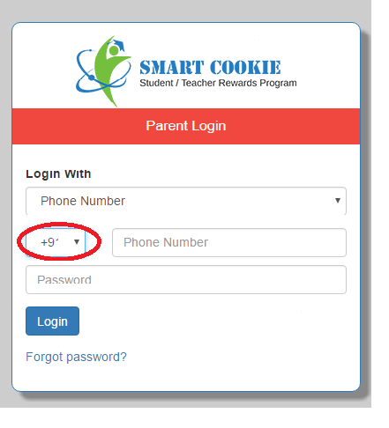
TC_login_017 | Check if country code is getting displayed properly.(Mozilla Browser) | Login page should be open | 1.Open the browser. 2.Enter the URL: smartcookie.in 3.Select user type as parent from the dropdown list. 4.Parent login page is displayed. 5.Select the login type as phone number. 6.Observe, if country code is displayed properly. | Country code should be displayed properly. |  | Country is getting displayed properly. | Pass | 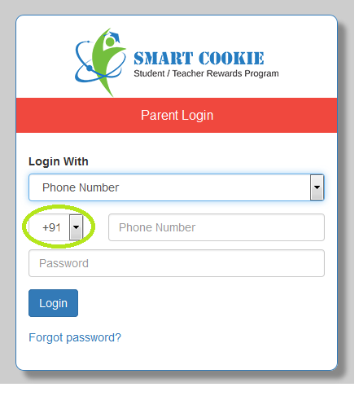
TC_login_018 | Check the functioanlity of 'Forgot password' link | Login page should be open | 1.Open the browser. 2.Enter the URL: smartcookie.in 3.Select user type as parent from the dropdown list. 4.Parent login page is displayed. 5.Click on forgot password link. | Should navigate to forgot password page. |  | Navigates to forgot password page. | Pass
TC_login_019 | Check the functionality of drop down arrow. | Forgot password page should be open. | 1.Open the browser. 2.Enter the URL: smartcookie.in 3.Select user type as parent from the dropdown list. 4.Parent login page is displayed. 5.Click on forgot passwor link. 6.Forgot password page is displayed. | Should drop the list. |  | Drops the list | Pass
TC_login_020 | Check the spelling, font and style of text inside the drop down. | Forgot password page should be open. | 1.Open the browser. 2.Enter the URL: smartcookie.in 3.Select user type as parent from the dropdown list. 4.Parent login page is displayed. 5.Click on forgot passwor link. 6.Forgot password page is dipslayed. 7.Click on drop down arrow. 8.Observe, the spelling, font and style of text inside the drop down. 9.Observe, the spelling of 'Sponsor' | Text inside the drop down should have the correct spelling, font and style. | Sponsor. | Spelling mistake for sponsor. | Fail | 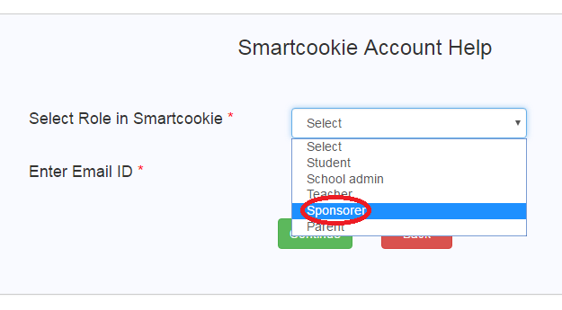
TC_login_021 | Check the functionality of 'continue' button | Forgot password page should be open. | 1.Click on forgot password link. 2.Forgot password page is displayed. 3.Select the role in smart cookie. 4.Enter email id. | Should display the message 'Your password has been sent to your registered Email ID' |  | Displays the meassage 'Your password has been sent to your registered Email ID' | Pass
TC_login_022 | Check the functionality of 'back' button. | Forgot password page should be open. | 1.Click on forgot password link. 2.Forgot password page is displayed. 3.Click on back button. | Should navigate to login page. |  | Navigates to welcome page | Fail

