MVE and MinVar
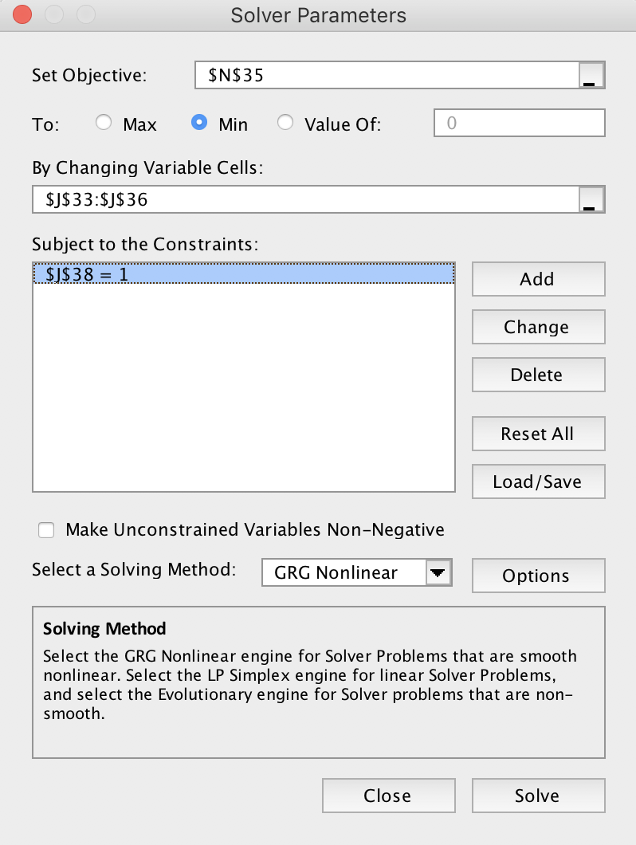
Mean variance analysis using SOLVER in Excel

This file helps you calculate the MVE and MV portfolios using solver. The file also plots the Mean variance frontier arising from the two portfolios
The light blue cells are inputs. Try changning them and run solver and see how the two portfolios and the mean variance frontier change
You can also include various constrains on the on the weights, for instance, that none of them are negative

Mean variance frontier
Asset characteristics
 | Expected | Standard |  | Correlation matrix
 | return | Deviation |  | 1 | 2 | 3
Asset 1 | 0.05 | 0.2 | 1 | 1 | 0.6 | 0.1
Asset 2 | 0.04 | 0.15 | 2 | 0.6 | 1 | 0.2
Asset 3 | 0.8 | 0.2 | 3 | 0.1 | 0.2 | 1 |  |  |  |  | FRONTIER
 |  |  |  |  |  |  |  |  |  |  | weight in MVE | Eret | Standard dev
T-Bill | 0.01 |  | St. dev. | 0.2 | 0.15 | 0.2 |  |  |  |  | -1 | 0.03 | 0.17
 |  |  |  |  |  |  |  |  |  |  | -0.9 | 0.05 | 0.16
 | Excess returns |  |  | Variance-covariance matrix |  |  |  |  |  |  | -0.8 | 0.07 | 0.16
 |  |  |  | 1 | 2 | 3 |  |  |  |  | -0.7 | 0.09 | 0.15
1 | 0.04 |  | 1 | 0.040 | 0.018 | 0.004 |  |  |  |  | -0.6 | 0.11 | 0.15
2 | 0.03 |  | 2 | 0.018 | 0.023 | 0.006 |  |  |  |  | -0.5 | 0.12 | 0.14
3 | 0.79 |  | 3 | 0.004 | 0.006 | 0.040 |  |  |  |  | -0.4 | 0.14 | 0.14
 |  |  |  |  |  |  |  |  |  |  | -0.2 | 0.18 | 0.13
 |  |  |  |  |  |  |  |  |  |  | -0.1 | 0.19 | 0.13
 |  |  |  |  |  |  |  |  |  |  | 0 | 0.21 | 0.13
 |  |  |  |  |  |  |  |  |  |  | 0.1 | 0.23 | 0.13
 |  |  |  |  |  |  |  |  |  |  | 0.2 | 0.25 | 0.13
 |  |  |  |  |  |  |  |  |  |  | 0.3 | 0.27 | 0.13
 |  |  |  |  |  |  |  |  |  |  | 0.4 | 0.28 | 0.13
The MVE Portfolio |  |  |  |  |  |  | The MV (minimum var) Portfolio |  |  |  | 0.5 | 0.30 | 0.13
 | Weights |  |  |  |  |  |  | Weights |  |  | 0.6 | 0.32 | 0.13
Asset 1 | 0.5312 |  | Expected Return |  | 0.3925 |  | Asset 1 | 0.1029 | Expected Return | 0.2129 | 0.8 | 0.36 | 0.14
Asset 2 | 0.0120 |  | Standard Deviation |  | 0.1479 |  | Asset 2 | 0.6709 | Standard Deviation | 0.1307 | 0.9 | 0.37 | 0.14
Asset 3 | 0.4568 |  | Sharpe Ratio |  | 2.5861 |  | Asset 3 | 0.2262 | Sharpe Ratio | 1.5523 | 1 | 0.39 | 0.15
 |  |  |  |  |  |  |  |  |  |  | 1.1 | 0.41 | 0.15
Sum of weights | 1.0000 |  |  |  |  |  | Sum of weights | 1.0000 |  |  | 1.2 | 0.43 | 0.16
 |  |  |  |  |  |  |  |  |  |  | 1.3 | 0.45 | 0.16
Covariance between MVE and MV: |  |  | 0.015461382976 |  |  |  |  |  |  |  | 1.4 | 0.46 | 0.17
 |  |  |  |  |  |  |  |  |  |  | 1.5 | 0.48 | 0.17
 |  |  |  |  |  |  |  |  |  |  | 1.6 | 0.50 | 0.18
HOW TO USE SOLVER |  |  |  |  |  |  |  |  |  |  | 1.7 | 0.52 | 0.19
 |  |  |  |  |  |  |  |  |  |  | 1.8 | 0.54 | 0.19
To use solver, first activate it as an add in (go to tools and activate the solver add in) |  |  |  |  |  |  |  |  |  |  | 1.9 | 0.55 | 0.20
 |  |  |  |  |  |  |  |  |  |  | 2 | 0.57 | 0.21
Under the data tab, press solver, and the following screen appears
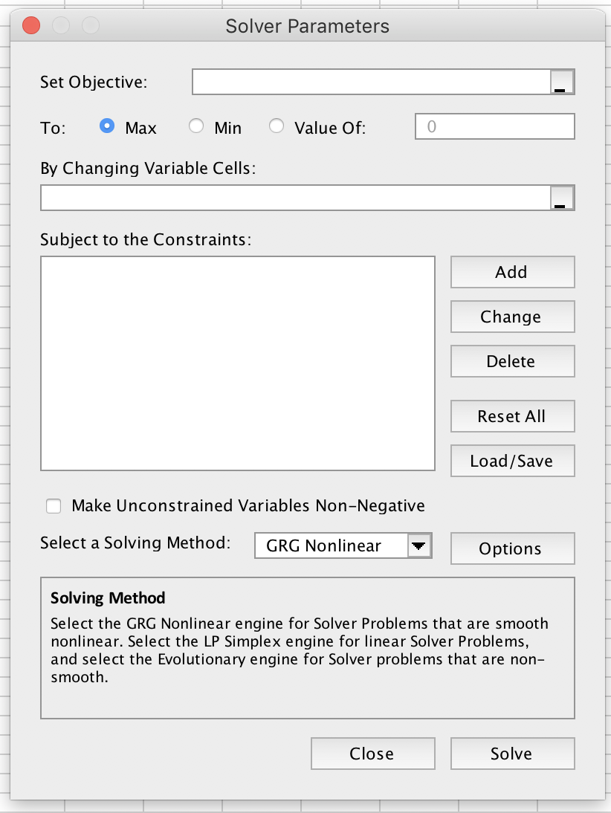

TO SOLVE FOR MVE PORTFOLIO:
1. Set the objective cell to be the Sharpe ratio of the MVE port and set the solver to maximize
2. In the "by changing cells" input, you chose the portfolio weights of the MVE portfolio
3. Remember to add the constraint that the portfolio weights sum to one

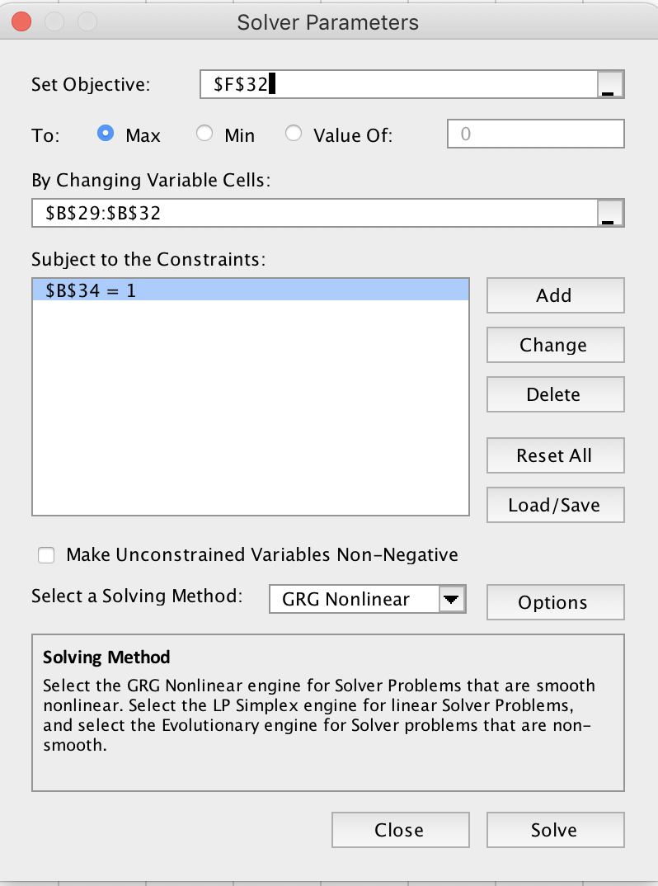

TO SOLVE FOR MV PORTFOLIO:
1. Set the objective cell to be the standard deviation of the Min Var portfolio and set the solver to minimize
2. In the "by changing cells" input, you chose the portfolio weights of the MV portfolio
3. Remember to add the constraint that the portfolio weights sum to one

