Driver-Passenger
Part | Qty | Price | Line | Note
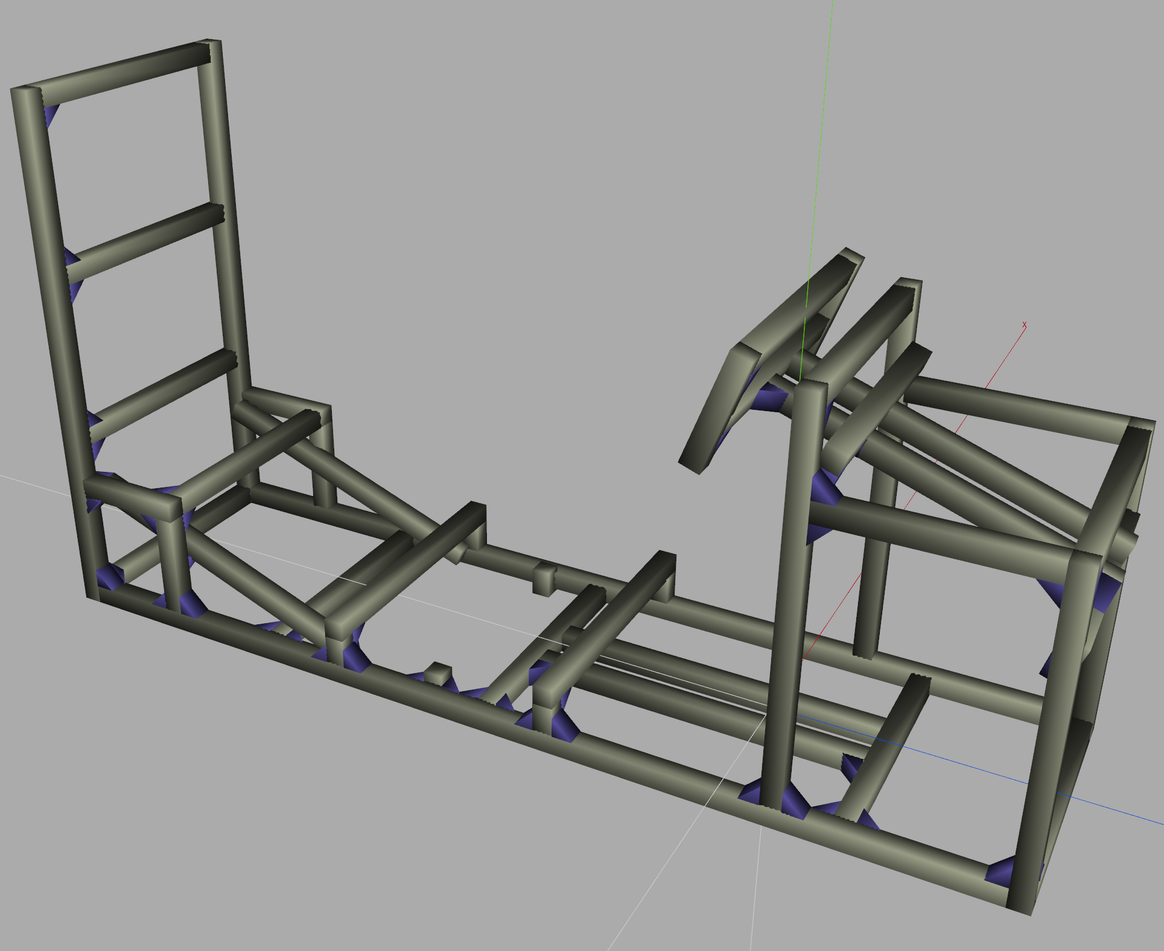
HFS8-4040-1920 | 2 | 34.94 | 69.88
HFS8-4040-1100-LTP | 2 | 22.02 | 44.04
HFS8-4040-780 | 2 | 14.19 | 28.38
HFS8-4040-660 | 2 | 12.01 | 24.02
HFS8-4040-650-TPW | 2 | 15.83 | 31.66
HFS8-4040-625 | 2 | 11.37 | 22.74
HFS8-4040-640-LTP | 2 | 13.64 | 27.28
HFS8-4040-560 | 2 | 10.19 | 20.38
HFS8-4040-480 | 15 | 8.73 | 130.95
HFS8-4040-380 | 2 | 6.91 | 13.82
HFS8-4040-230 | 6 | 5.45 | 32.7
HFS8-4040-60 | 4 | 5.45 | 21.8
HFS8-4040-50-LTP | 2 | 7.45 | 14.9
HBLFSNF8-SEU | 100 | 2.17 | 217 | Brackets
HFC8-4040-B | 20 | 0.98 | 19.6 | End caps
FJRP12 | 6 | 4.38 | 26.28 | Feet
HNTT8-8 | 30 | 0.58 | 17.4 | Track nuts | Floor Plates
SCB8-16 | 30 | 0.47 | 14.1 | Bolts

 |  |  | 776.93

Center
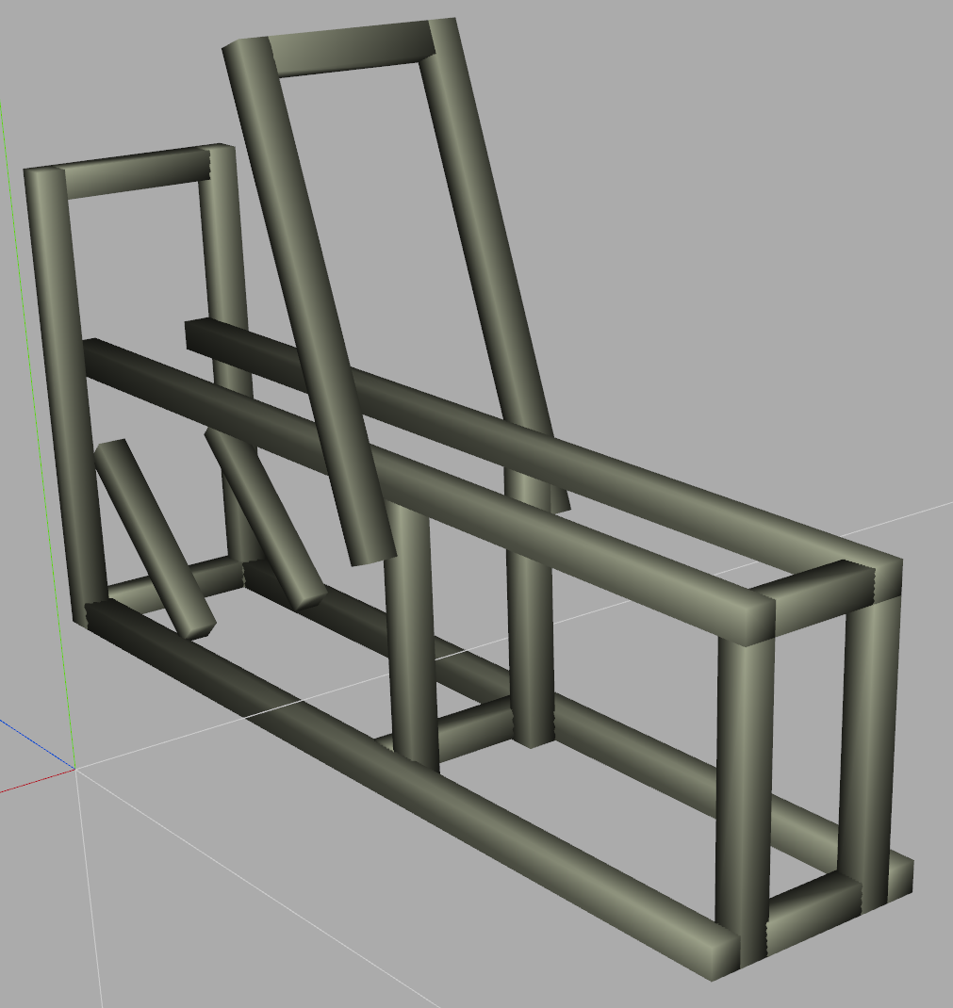
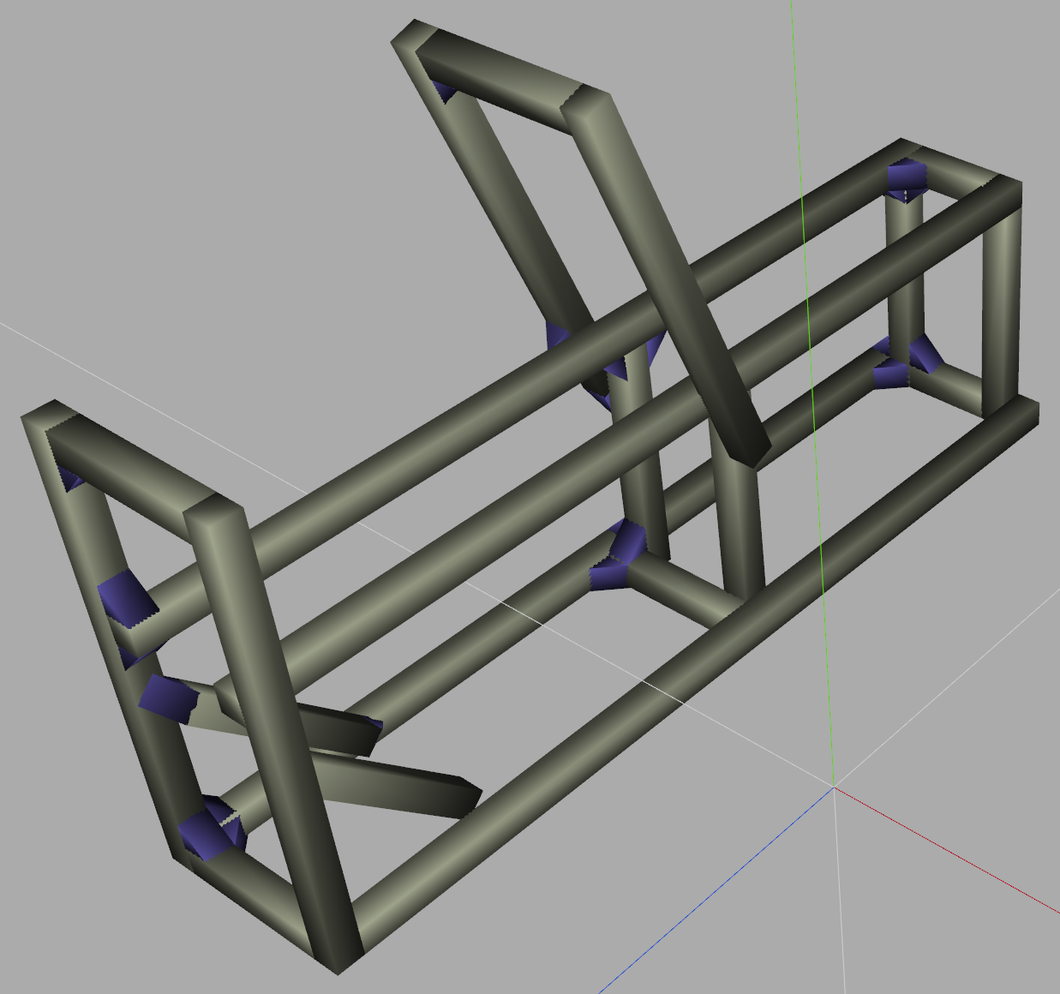
Part | Qty | Price | Line | Note
 |  |  |  |  | Center Section
HFS8-4040-140 | 2 | 5.45 | 10.9
HFS8-4040-220 | 4 | 5.45 | 21.8
HFS8-4040-300-TPW | 2 | 9.46 | 18.92
HFS8-4040-360-LTP | 4 | 8.55 | 34.2
HFS8-4040-600-LTP | 2 | 12.92 | 25.84
HFS8-4040-640-LTP | 2 | 13.64 | 27.28
HFS8-4040-1320 | 2 | 24.02 | 48.04
HFS8-4040-1360 | 2 | 24.75 | 49.5
HBLFSNF8-SEU | 44 | 2.17 | 95.48 | Bracket Set
HFC8-4040-B | 10 | 0.98 | 9.8 | caps
FJRP12 | 4 | 4.38 | 17.52 | Feet
HNTT8-8 | 24 | 0.58 | 13.92 | Track nuts | For Joining sCenter/Seat Sections
SCB8-16 | 24 | 0.47 | 11.28 | Bolts
HRMZA-SU-A65-B65-T6-L40-G40-N8 | 6 | 11.98 | 71.88 | Plate

 |  | Total | 359.28

Bar Spec | http://us.misumi-ec.com/pdf/fa/2012/p2_0587.pdf
Tapping spec | http://us.misumi-ec.com/pdf/fa/2012/p2_0681.pdf
End Caps | http://us.misumi-ec.com/pdf/fa/2012/p2_0623.pdf
Feet Spec | http://us.misumi-ec.com/pdf/fa/2012/p2_1043.pdf
Bracket Spec | http://us.misumi-ec.com/pdf/fa/2012/p2_0597.pdf

 |  |  |  |  | SS

