Testset for Alkanols
 | 4_nitroaniline | anthracene | benzene | butan_1_ol | butanone | cyclohexane | ethane | ethanol | methanol | n_butane | n_heptane | n_hexane | n_octane | n_pentane | nitromethane | phenanthrene | propan_1_ol | pyrene | pyridine | toluene | triethylamine
Geometry | 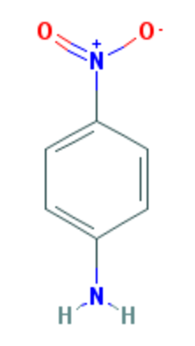 | 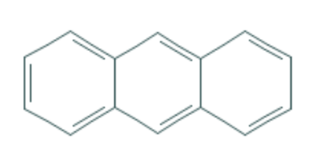 | 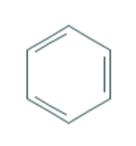 |  |  |  |  |  |  |  |  |  |  |  |  |  |  | 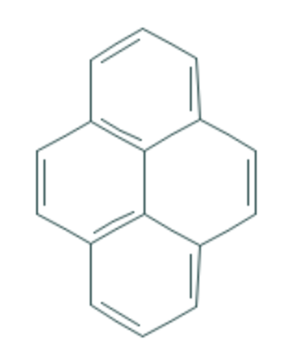 | 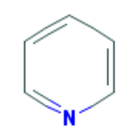 | 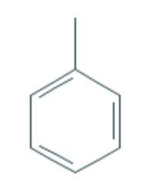
Avg error for water | 1.09 | 0.337 | 0.388 | 0.217 | 1.076 | 0.941 | 0.34 | 0.767 | 0.974 | 0.175 | 0.037 | 0.111 | 0.254 | 0.146 | 2.3 | 0.444 | 0.183 | 0.596 | 0.235 | 0.113 | 0.63
Avg error for methanol | 0.134 | 0.569 | 0.214 | 1.149 | 1.919 | 1.647 | 0.37 | 1.403 | 0.903 | 0.561 | 0.214 | 0.188 | 0.096 | 0.434 | 2.207 | 0.252 | 0.547 | 0.196 | 0.596 | 0.447 | 0.455
Avg error for ethanol | 0.188 | 0.378 | 0.238 | 0.954 | 2.063 | 1.782 | 0.7 | 1.553 | 1 | 0.539 | 0.424 | 0.317 | 0.256 | 0.429 | 1.738 | 0.26 | 0.648 | 0.31 | 0.257 | 0.32 | 0.186
Avg error for propanol | 0.262 | 0.243 | 0.321 | 1.17 | 2.159 | 1.911 | 0.857 | 1.461 | 1.192 | 0.718 | 0.436 | 0.369 | 0.342 | 0.539 | 1.56 | 0.327 | 0.926 | 0.367 | 0.249 | 0.336 | 0.191
Avg error for butanol | 0.259 | 0.544 | 0.282 | 1.08 | 2.408 | 1.917 | 0.951 | 1.84 | 1.212 | 0.5 | 0.819 | 0.456 | 0.703 | 0.663 | 1.473 | 0.355 | 0.88 | 1.184 | 0.392 | 0.492 | 0.446
Avg error for octanol | 2.154 | 0.578 | 0.2886 | 2.28 | 3.177 | 2.04 | 0.823 | 2.89 | 2.73 | 0.817 | 0.782 | 0.665 | 0.735 | 0.577 | 1.135 | 0.496 | 1.88 | 0.494 | 1.662 | 1.08 | 0.567
 | 0.68116666667 | 0.4415 | 0.2886 | 1.1416666667 | 2.1336666667 | 1.7063333333 | 0.6735 | 1.6523333333 | 1.3351666667 | 0.55166666667 | 0.452 | 0.351 | 0.39766666667 | 0.46466666667 | 1.7355 | 0.35566666667 | 0.844 | 0.5245 | 0.56516666667 | 0.46466666667 | 0.4125

 |  |  |  |  |  |  |  |  |  |  |  |  |  | 1

 |  |  |  |  |  |  |  | #DIV/0! | #DIV/0! | #DIV/0! | #DIV/0! | #DIV/0! | #DIV/0!

Results
Solvent | alpha | beta | gamma | mu | phi | A | B [-2,2] | RMS | eps | geometry |  | H-bond acceptor | H-bond donor | test set
'Water' | 0.69493611321 | -31.998626555 | 0.12931089322 | -0.05189265109 | -0.73390624615 | 0.0031237887733 | 1.7175808308 | 1.7122119929 | 78.36 |  | Hydrogen bond? | 1 | 1 | Li, Na, K, Cl, Br, I, butanone, ethanol, cyclohexane, benzene, n_octane, pyrene
'Octanol' | 0.36674156605 | -41.197012552 | -0.33339445977 | -0.18139936434 | -0.40294760446 | -0.012027233582 | 1.9852665826 | 2.4952665428 | 10.3 |  | ~=2 surface area offset | 1 | 1 | Li, Na, K, Cl, Br, I, butanone, ethanol, cyclohexane, benzene, n_octane, pyrene
'Dichloroethane' | 0.27649257911 | -16.480792821 | -0.26410276929 | -0.41646025236 | 1.3371428511 | -0.016822129155 | 1.9994499294 | 2.4650759773 | 10.125 |  | High RMS for NP solvent | 0 | 0 | Li, Na, K, Cl, Br, I, butanone, ethanol, cyclohexane, benzene, n_octane, pyrene
'Propanone' | 0.16725590663 | -39.116868176 | -1.1142592619 | -0.52638423147 | -0.75377034532 | -0.016777502413 | 1.9998704756 | 1.2917476809 | 20.83 |  | small mu | 1 | 0 | Li, Na, K, Cl, Br, I, butanone, ethanol, cyclohexane, benzene, n_octane, pyrene
'Dimethylsulfoxide' | 0.23281233658 | -25.909722418 | -0.85275581805 | -0.45486269864 | -0.13142848883 | -0.013933904999 | 1.9999999996 | 1.4599557779 | 48.826 |  | Polar solvents | 2 | 0 | Li, Na, K, Cl, Br, I, butanone, ethanol, cyclohexane, benzene, n_octane, pyrene
'Propanol' | 0.64866218444 | -35.756640113 | 0.40063170948 | -0.047448123029 | -0.64303038515 | -0.014145557452 | 1.9999561043 | 1.8115331913 | 20.523 |  | Nonpolar solvents | 1 | 1 | Li, Na, K, Cl, Br, I, butanone, ethanol, cyclohexane, benzene, n_octane, pyrene
'Dimethylformamide' | 0.31691789414 | -16.162387081 | -0.71137636681 | -0.5429627754 | -1.1233937242 | -0.016199855507 | 1.9952773798 | 1.6660055607 | 37.219 |  | Butanol shows the same trend as other alkanols for alpha (alpha decreases as MM of alkanol increases) | 0 | 1 | Li, Na, K, Cl, Br, I, butanone, ethanol, cyclohexane, benzene, n_octane, pyrene
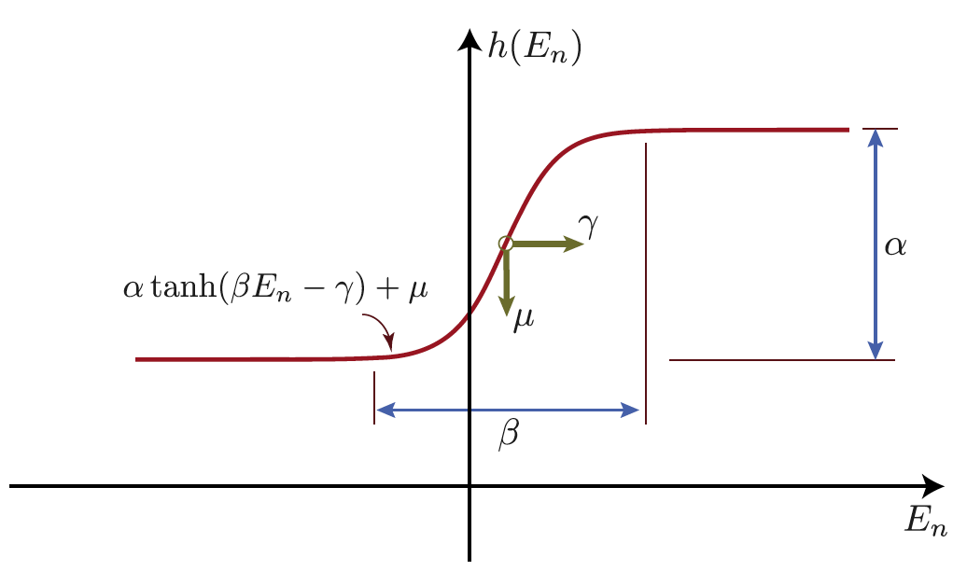
'Ethanol' | 0.74628172066 | -20.336132103 | 0.49957647916 | 0.044366222912 | 1.4555491129 | -0.014115052597 | 1.9995472162 | 1.5879575069 | 24.852 |  |  | 1 | 1 | Li, Na, K, Cl, Br, I, butanone, ethanol, cyclohexane, benzene, n_octane, pyrene
'Methanol' | 0.76114121818 | -26.555254834 | 0.42907824857 | 0.070352514044 | 0.49880092355 | -0.013202431587 | 1.9996405234 | 1.9424901313 | 32.613 |  |  | 1 | 1 | Li, Na, K, Cl, Br, I, butanone, ethanol, cyclohexane, benzene, n_octane, pyrene
'Acetonitrile' | 0.41806895921 | -15.863552178 | -0.087002006227 | -0.47867980967 | 0.87042422309 | -0.014728482629 | 1.7770335089 | 1.3075475819 | 35.688 |  |  | 1 | 1 | Li, Na, K, Cl, Br, I, butanone, ethanol, cyclohexane, benzene, n_octane, pyrene
Butanol | 0.56786769753 | -77.510629763 | 0.98759259242 | -0.0102835 | 0.84762199992 | -0.01481356656 | 1.9803952015 | 2.58 | 17.33 |  |  | 1 | 1 | Cs, Na, K, Cl, Br, I, butanone, ethanol, cyclohexane, benzene, n_octane, pyrene
Nitromethane | 0.6884 | -20.8812 | -0.0842 | -0.4359 | -0.721 | -0.0102 | 1.4585 | 1.0355 | 36.56 |  |  | 2 | 0 | Li, Na, K, Cl, Br, I, butanone, ethanol, toluene, 14_dioxane, n_octane, nitromethane
Nitrobenzene | 0.15717902801 | -78.908541509 | -2.8548765785 | -0.57304010345 | 7.0264478034 | -0.010579436694 | 1.9985947097 | 2.6404 | 34.81 |  |  | 2 | 0
Dimethylacetamide | 0.21734106454 | -13.09353738 | -0.93221239592 | -0.60098609761 | -1.3330529718 | -0.012396805423 | 1.4093124008 | 1.1341 | 37.78 |  |  | 0 | 1 | Li, Na, K, Cl, Br, I, butanone, ethanol, toluene, 14_dioxane, n_octane, nitromethane

