Alkanes
 | Compound | pentane | hexane | heptane | octane | nonane | decane | Testset1 |  |  |  |  |  |  |  | T1 | alpha | beta | gamma | mu | phi | A | B | RMS(trial) | RMS | Num Sol | T2 | alpha | beta | gamma | mu | phi | A | B | RMS(trial) | RMS | Num Sol | T3 | alpha | beta | gamma | mu | phi | A | B | RMS(trial) | RMS | Num Sol | T4 | alpha | beta | gamma | mu | phi | A | B | RMS(trial) | RMS | Num Sol | T5 | alpha | beta | gamma | mu | phi | A | B | RMS(trial) | RMS | Num Sol |  | T6 | alpha | beta | gamma | mu | phi | A | B | RMS(trial) | RMS | Num Sol | T7 | alpha | beta | gamma | mu | phi | A | B | RMS(trial) | RMS | Num Sol |  | T8 | alpha | beta | gamma | mu | phi | A | B | RMS(trial) | RMS | Num Sol | T9 | alpha | beta | gamma | mu | phi | A | B | RMS(trial) | RMS | Num Sol | T10 | alpha | beta | gamma | mu | phi | A | B | RMS(trial) | RMS | Num Sol
1 | 33_dimethylbutan_2_one | -4.43 | -4.34 | -4.3 | -4.21 | -4.19 | -4.15 | 33_dimethylbutan_2_one | 14 | n_butyl_acetate |  |  |  |  |  | pentane | 1.920 | -153.381 | 79.745 | -0.965 | -0.083 | -0.022 | 3.593 | 0.232 | 0.813 | 25 | pentane | 1.895 | -148.997 | 62.410 | -0.953 | -0.087 | -0.021 | 3.364 | 0.225 | 0.801 | 25 | pentane | 1.927 | -24.752 | 22.076 | -0.968 | 0.016 | -0.022 | 3.634 | 0.225 | 0.819 | 25 | pentane | 1.936 | -16.693 | 14.038 | -0.972 | -0.013 | -0.022 | 3.644 | 0.221 | 0.796 | 25 | pentane | 1.927 | -151.651 | 49.770 | -0.967 | 0.027 | -0.021 | 3.457 | 0.246 | 0.796 | 25 |  | pentane | 1.241 | -52.743 | 15.320 | -0.662 | -0.067 | -0.016 | 2.032 | 0.542 | 0.786 | 25 | pentane | 1.864 | -65.982 | 60.989 | -0.939 | 0.071 | -0.021 | 3.289 | 0.208 | 0.782 | 25 |  | pentane | 0.572 | -28.518 | 9.157 | -0.366 | -0.030 | -0.010 | 0.676 | 1.054 | 1.018 | 25 | pentane | 0.782 | -174.875 | 3.536 | -0.454 | 0.009 | -0.011 | 0.980 | 0.678 | 0.916 | 25 | pentane | 1.837 | 81.474 | 24.469 | -0.928 | -0.008 | -0.020 | 3.271 | 0.202 | 0.818 | 25 | 0.07
2 | butan_1_ol | -3.77 | -3.77 | -3.66 | -3.69 | -3.77 | -3.77 | ethyl_acetate | 13 | methyl_propanoate |  |  |  |  |  | hexane | 0.793 | -25.005 | 15.891 | -0.955 | -0.018 | -0.021 | 3.801 | 0.222 | 1.278 | 55 | hexane | 1.448 | -63.616 | 31.126 | -0.752 | 0.037 | -0.020 | 3.298 | 0.203 | 1.266 | 55 | hexane | 1.475 | -130.283 | 16.024 | -0.766 | 0.027 | -0.018 | 2.722 | 0.317 | 1.284 | 55 | hexane | 1.378 | -61.374 | 9.471 | -0.728 | 0.099 | -0.016 | 2.092 | 0.391 | 1.242 | 55 | hexane | 1.792 | -33.771 | 95.466 | -0.907 | 0.029 | -0.021 | 3.410 | 0.202 | 1.272 | 55 |  | hexane | 1.298 | 7.023 | 14.682 | -0.686 | 0.022 | -0.016 | 2.208 | 0.361 | 1.293 | 55 | hexane | 1.595 | -153.095 | 24.355 | -0.818 | 0.072 | -0.021 | 3.399 | 0.173 | 1.271 | 55 |  | hexane | 1.506 | -42.327 | 28.956 | -0.780 | -0.022 | -0.020 | 3.448 | 0.204 | 1.338 | 55 | hexane | 1.650 | -47.523 | 71.037 | -0.843 | 0.013 | -0.020 | 3.070 | 0.207 | 1.238 | 55 | hexane | 1.643 | -31.394 | 16.283 | -0.841 | 0.050 | -0.020 | 3.333 | 0.203 | 1.317 | 55 | 0.03
3 | ethanol | -2.15 | -2.73 | -2.15 | -2.15 | -2.15 | -2.44 | ethylamine | 12 | methyl_pentanoate |  |  |  |  |  | heptane | 1.878 | 68.016 | 73.071 | -0.946 | -0.093 | -0.021 | 3.629 | 0.192 | 1.448 | 58 | heptane | 1.871 | -39.262 | 95.450 | -0.942 | -0.035 | -0.021 | 3.445 | 0.193 | 1.433 | 58 | heptane | 0.794 | -119.605 | 6.153 | -0.992 | 0.032 | -0.014 | 1.712 | 0.658 | 1.491 | 58 | heptane | 1.927 | -55.360 | 23.349 | -0.967 | -0.051 | -0.021 | 3.537 | 0.194 | 1.400 | 58 | heptane | 1.901 | -63.193 | 13.993 | -0.956 | 0.035 | -0.021 | 3.520 | 0.203 | 1.426 | 58 |  | heptane | 1.123 | -75.337 | 19.439 | -0.606 | -0.099 | -0.015 | 1.748 | 0.617 | 1.423 | 58 | heptane | 1.743 | -4.794 | 12.888 | -0.884 | 0.040 | -0.020 | 3.204 | 0.140 | 1.406 | 58 |  | heptane | 0.861 | -58.821 | 20.866 | -0.493 | -0.046 | -0.012 | 1.366 | 0.805 | 1.570 | 58 | heptane | 1.909 | -191.919 | 17.458 | -0.959 | -0.007 | -0.020 | 3.243 | 0.204 | 1.399 | 58 | heptane | 1.746 | -59.543 | 58.446 | -0.882 | 0.032 | -0.020 | 3.260 | 0.180 | 1.473 | 58 | 0.05
4 | ethyl_acetate | -3.69 | -3.62 | -3.5 | -3.48 | -3.45 | -3.43 | heptan_2_one | 16 | n_propylamine |  |  |  |  |  | octane | 1.876 | 76.135 | 71.695 | -0.945 | -0.038 | -0.021 | 3.659 | 0.176 | 0.733 | 34 | octane | 1.297 | -19.331 | 13.561 | -0.684 | -0.034 | -0.017 | 2.328 | 0.369 | 0.687 | 34 | octane | 1.881 | 81.075 | 28.202 | -0.947 | 0.032 | -0.021 | 3.641 | 0.189 | 0.744 | 34 | octane | 1.367 | 19.882 | 16.192 | -0.717 | -0.025 | -0.017 | 2.388 | 0.432 | 0.689 | 34 | octane | 1.840 | -43.150 | 95.463 | -0.928 | 0.020 | -0.021 | 3.513 | 0.192 | 0.718 | 34 |  | octane | 1.861 | 105.584 | 41.681 | -0.938 | -0.093 | -0.021 | 3.424 | 0.221 | 0.720 | 34 | octane | 1.794 | -19.406 | 13.227 | -0.907 | 0.044 | -0.020 | 3.364 | 0.146 | 0.702 | 34 |  | octane | 1.524 | -177.710 | 16.318 | -0.788 | -0.039 | -0.018 | 2.809 | 0.317 | 0.746 | 34 | octane | 1.884 | 105.792 | 41.200 | -0.948 | 0.000 | -0.021 | 3.389 | 0.198 | 0.699 | 34 | octane | 1.793 | -50.293 | 18.752 | -0.907 | 0.020 | -0.020 | 3.406 | 0.167 | 0.745 | 34 | 0.02
5 | ethylamine | -2.18 | -2.09 | -2.09 | -2.04 | -1.98 | -1.92 | hexan_2_one | 6 | heptan_1_ol |  | non repeat 1 |  |  |  | nonane | 1.868 | -44.725 | 95.458 | -0.941 | 0.004 | -0.021 | 3.671 | 0.179 | 0.586 | 25 | nonane | 1.613 | -22.566 | 1.764 | -0.826 | -0.045 | -0.019 | 3.068 | 0.258 | 0.610 | 25 | nonane | 1.514 | -44.001 | 11.310 | -0.783 | -0.043 | -0.017 | 2.555 | 0.409 | 0.657 | 25 | nonane | 1.891 | -160.625 | 27.601 | -0.951 | -0.011 | -0.021 | 3.586 | 0.206 | 0.573 | 25 | nonane | 1.616 | -19.139 | 16.451 | -0.828 | 0.058 | -0.019 | 3.089 | 0.278 | 0.608 | 25 |  | nonane | 1.228 | -45.243 | 12.012 | -0.655 | -0.071 | -0.015 | 1.921 | 0.531 | 0.738 | 25 | nonane | 1.817 | -12.848 | 18.217 | -0.917 | 0.043 | -0.021 | 3.427 | 0.187 | 0.588 | 25 |  | nonane | 1.819 | 99.377 | 71.101 | -0.919 | -0.091 | -0.021 | 3.641 | 0.189 | 0.621 | 25 | nonane | 1.882 | -74.596 | 22.827 | -0.947 | 0.003 | -0.021 | 3.404 | 0.221 | 0.574 | 25 | nonane | 1.300 | -18.783 | 14.011 | -0.687 | 0.029 | -0.016 | 2.327 | 0.383 | 0.701 | 25 | 0.06
6 | heptan_1_ol | -5.62 | -5.75 | -5.6 | -5.56 | -5.62 | -5.62 | methanol | 2 | butan_1_ol |  | hex repeat 1 |  |  |  | decane | 1.793 | -34.837 | 18.523 | -0.908 | -0.091 | -0.021 | 3.664 | 0.209 | 0.957 | 37 | decane | 1.677 | 32.712 | 15.876 | -0.854 | 0.004 | -0.020 | 3.492 | 0.212 | 0.958 | 37 | decane | 1.763 | 94.474 | 25.297 | -0.881 | 0.100 | -0.020 | 3.349 | 0.226 | 0.964 | 37 | decane | 1.845 | -83.558 | 19.263 | -0.930 | 0.003 | -0.021 | 3.455 | 0.211 | 0.906 | 37 | decane | 1.892 | -71.888 | 54.019 | -0.952 | 0.033 | -0.021 | 3.585 | 0.214 | 0.950 | 37 |  | decane | 1.086 | -156.354 | 2.975 | -0.532 | -0.099 | -0.013 | 1.631 | 0.578 | 1.157 | 37 | decane | 1.817 | -92.485 | 14.708 | -0.917 | 0.043 | -0.021 | 3.436 | 0.195 | 0.934 | 37 |  | decane | 1.727 | 22.734 | 16.242 | -0.878 | -0.016 | -0.021 | 3.555 | 0.204 | 0.992 | 37 | decane | 1.742 | -191.394 | 24.072 | -0.884 | 0.005 | -0.020 | 3.212 | 0.212 | 0.902 | 37 | decane | 1.715 | -38.559 | 27.608 | -0.872 | 0.031 | -0.020 | 3.465 | 0.213 | 0.990 | 37 | 0.07
7 | heptan_2_one | -5.4 | -5.36 | -5.22 | -5.25 | -5.24 | -5.18 | methyl_hexanoate | 8 | hexan_1_ol
8 | hexan_1_ol | -4.97 | -5.14 | -4.89 | -4.86 | -4.97 | -4.97 | n_butyl_acetate | 15 | n_propyl_acetate |  |  |  |  |  |  |  |  |  |  |  |  |  |  |  |  |  |  |  |  |  |  |  |  |  |  |  |  |  |  |  |  |  |  |  |  |  |  |  |  |  |  |  |  |  |  |  |  |  |  |  |  |  |  |  |  |  |  |  |  | Max RMS | Min RMS | Mean RMS |  |  |  |  |  |  |  |  |  | T11 | alpha | beta | gamma | mu | phi | A | B | RMS(trial) | RMS | Num Sol
9 | hexan_2_one | -4.79 | -4.68 | -4.55 | -4.6 | -4.59 | -4.61 | n_propylamine | 2 | butan_1_ol |  |  |  |  |  |  |  |  |  |  |  |  |  |  |  |  |  |  |  |  |  |  |  |  |  |  |  |  |  |  |  |  |  |  |  |  |  |  |  |  |  |  |  |  |  |  |  |  |  |  |  |  |  |  |  |  |  |  |  | pentane | 1.018 | 0.782 | 0.835 | 0.799 |  |  |  |  |  |  |  |  | pentane | 1.916 | 56.204 | 61.574 | -0.963 | 0.002 | -0.021 | 3.508 | 0.216 | 0.799 | 25
10 | methanol | -1.29 | -1.49 | -1.29 | -1.29 | -1.29 | -1.29 | propan_1_ol | 12 | methyl_pentanoate |  |  |  |  |  |  |  |  |  |  |  |  |  |  |  |  |  |  |  |  |  |  |  |  |  |  |  |  |  |  |  |  |  |  |  |  |  |  |  |  |  |  |  |  |  |  |  |  |  |  |  |  |  |  |  |  |  |  |  | hexane | 1.338 | 1.238 | 1.280 | 1.274 |  |  |  |  |  |  |  |  | hexane | 1.660 | -15.902 | 13.449 | -0.848 | 0.023 | -0.021 | 3.375 | 0.204 | 1.274 | 55
11 | methyl_hexanoate | -5.67 | -5.64 | -5.63 | -5.53 | -5.51 | -5.48 |  | 13 | methyl_propanoate |  |  |  |  |  |  |  |  |  |  |  |  |  |  |  |  |  |  |  |  |  |  |  |  |  |  |  |  |  |  |  |  |  |  |  |  |  |  |  |  |  |  |  |  |  |  |  |  |  |  |  |  |  |  |  |  |  |  |  | heptane | 1.570 | 1.399 | 1.447 | 1.423 |  |  |  |  |  |  |  |  | heptane | 1.946 | 87.747 | 32.035 | -0.976 | 0.034 | -0.021 | 3.504 | 0.186 | 1.423 | 58
12 | methyl_pentanoate | -4.96 | -4.94 | -4.92 | -4.86 | -4.85 | -4.77 |  | 14 | n_butyl_acetate |  |  |  |  |  |  |  |  |  |  |  |  |  |  |  |  |  |  |  |  |  |  |  |  |  |  |  |  |  |  |  |  |  |  |  |  |  |  |  |  |  |  |  |  |  |  |  |  |  |  |  |  |  |  |  |  |  |  |  | octane | 0.746 | 0.687 | 0.718 | 0.720 |  |  |  |  |  |  |  |  | octane | 1.861 | -96.839 | 18.317 | -0.938 | 0.009 | -0.021 | 3.547 | 0.173 | 0.720 | 34
13 | methyl_propanoate | -3.69 | -3.65 | -3.63 | -3.57 | -3.5 | -3.49 |  | 8 | hexan_1_ol |  |  |  |  |  |  |  |  |  |  |  |  |  |  |  |  |  |  |  |  |  |  |  |  |  |  |  |  |  |  |  |  |  |  |  |  |  |  |  |  |  |  |  |  |  |  |  |  |  |  |  |  |  |  |  |  |  |  |  | nonane | 0.738 | 0.573 | 0.626 | 0.931 |  |  |  |  |  |  |  |  | nonane | 0.795 | 2.456 | 8.801 | -0.459 | 0.015 | -0.011 | 1.052 | 0.757 | 0.931 | 25
14 | n_butyl_acetate | -4.88 | -4.86 | -4.83 | -4.8 | -4.69 | -4.66 |  | 4 | ethyl_acetate |  |  |  |  |  |  |  |  |  |  |  |  |  |  |  |  |  |  |  |  |  |  |  |  |  |  |  |  |  |  |  |  |  |  |  |  |  |  |  |  |  |  |  |  |  |  |  |  |  |  |  |  |  |  |  |  |  |  |  | decane | 1.157 | 0.902 | 0.971 | 0.943 |  |  |  |  |  |  |  |  | decane | 1.753 | -55.325 | 25.714 | -0.889 | 0.014 | -0.021 | 3.531 | 0.208 | 0.943 | 37
15 | n_propyl_acetate | -4.21 | -4.1 | -4.09 | -4.09 | -4.07 | -4.02 |  | 5 | ethylamine
16 | n_propylamine | -3.13 | -3.13 | -3.03 | -3 | -2.96 | -2.96 |  | 8 | hexan_1_ol |  |  |  |  |  |  |  |  |  |  |  |  |  |  |  |  |  |  |  |  |  |  |  |  |  |  |  |  |  |  |  |  |  |  |  |  |  |  |  |  |  |  |  |  |  |  |  |  |  |  |  |  |  |  |  |  |  |  |  |  |  |  |  |  |  |  |  |  |  |  |  |  | Consistent | alpha | beta | gamma | mu | phi | A | B | RMS(trial) | RMS | MAE | Num Sol
17 | pentan_1_ol | -3.92 | -4.38 | -4.09 | -4.1 | -3.92 | -3.92 |  | 10 | methanol |  |  |  |  |  |  |  |  |  |  |  |  |  |  |  |  |  |  |  |  |  |  |  |  |  |  |  |  |  |  |  |  |  |  |  |  |  |  |  |  |  |  |  |  |  |  |  |  |  |  |  |  |  |  |  |  |  |  |  |  |  |  |  |  |  |  |  |  |  |  |  |  | pentane | 1.938 | -102.803 | 14.829 | -0.973 | 0.014 | -0.022 | 3.685 | 0.220 | 0.789 | 0.4527 | 25
18 | propan_1_ol | -2.76 | -2.81 | -3.01 | -2.76 | -2.76 | -2.76 |  |  |  |  |  |  |  |  |  |  |  |  |  |  |  |  |  |  |  |  |  |  |  |  |  |  |  |  |  |  |  |  |  |  |  |  |  |  |  |  |  |  |  |  |  |  |  |  |  |  |  |  |  |  |  |  |  |  |  |  |  |  |  |  |  |  |  |  |  |  |  |  |  |  |  | hexane | 1.799 | -108.421 | 45.192 | -0.858 | 0.046 | -0.021 | 3.388 | 0.210 | 1.259 | 0.9439 | 55
 |  |  |  |  |  |  |  |  |  | T1 | T2 |  | T3 | T4 | T5 |  |  |  |  |  |  |  |  |  |  |  |  |  |  |  |  |  |  |  |  |  |  |  |  |  |  |  |  |  |  |  |  |  |  |  |  |  |  |  |  |  |  |  |  |  |  |  |  |  |  |  |  |  |  |  |  |  |  |  |  |  |  |  |  |  |  |  | heptane | 1.884 | 64.612 | 16.563 | -0.946 | -0.090 | -0.021 | 3.554 | 0.196 | 1.400 | 0.9806 | 58
 |  |  |  |  |  |  |  |  |  | 33_dimethylbutan_2_one | 33_dimethylbutan_2_one |  | 33_dimethylbutan_2_one | 33_dimethylbutan_2_one | 33_dimethylbutan_2_one |  |  |  |  |  | 33_dimethylbutan_2_one |  | 33_dimethylbutan_2_one |  | 33_dimethylbutan_2_one |  |  |  |  |  |  |  |  |  |  |  |  |  |  |  |  |  |  |  |  |  |  |  |  |  |  |  |  |  |  |  |  |  |  |  |  |  |  |  |  |  |  |  |  |  |  |  |  |  |  |  |  |  |  |  |  |  | octane | 1.894 | 57.801 | 26.244 | -0.953 | 0.041 | -0.022 | 3.672 | 0.177 | 0.701 | 0.4436 | 34
 |  |  |  |  |  |  |  |  |  | ethanol | ethyl_acetate |  | ethanol | butan_1_ol | ethyl_acetate |  |  |  |  |  | ethanol |  | butan_1_ol |  | butan_1_ol |  |  |  |  |  |  |  |  |  |  |  |  |  |  |  |  |  |  |  |  |  |  |  |  |  |  |  |  |  |  |  |  |  |  |  |  |  |  |  |  |  |  |  |  |  |  |  |  |  |  |  |  |  |  |  |  |  | nonane | 1.889 | -69.064 | 15.528 | -0.951 | 0.014 | -0.022 | 3.656 | 0.206 | 0.571 | 0.3165 | 25
 |  |  |  |  |  |  |  |  |  | ethyl_acetate | ethanol |  | ethylamine | ethanol | ethylamine |  |  |  |  |  | ethylamine |  | ethanol |  | ethanol |  |  |  |  |  |  |  |  |  |  |  |  |  |  |  |  |  |  |  |  |  |  |  |  |  |  |  |  |  |  |  |  |  |  |  |  |  |  |  |  |  |  |  |  |  |  |  |  |  |  |  |  |  |  |  |  |  | decane | 1.841 | -0.764 | 26.702 | -0.929 | 0.019 | -0.021 | 3.564 | 0.215 | 0.916 | 0.6067 | 37
 |  |  |  |  |  |  |  |  |  | ethylamine | ethylamine |  | heptan_2_one | hexan_1_ol | heptan_2_one |  |  |  |  |  | heptan_1_ol |  | ethyl_acetate |  | heptan_1_ol
 | 33_dimethylbutan_2_one | -4.43 | -4.34 | -4.3 | -4.21 | -4.19 | -4.15 |  |  | heptan_1_ol | heptan_1_ol |  | methanol | hexan_2_one | methanol |  |  |  |  |  | heptan_2_one |  | heptan_1_ol |  | heptan_2_one
 | butan_1_ol | -3.77 | -3.77 | -3.77 | -3.77 | -3.69 | -3.66 |  |  | hexan_2_one | hexan_1_ol |  | methyl_hexanoate | methanol | heptan_1_ol |  |  |  |  |  | hexan_1_ol |  | heptan_2_one |  | hexan_2_one
 | ethanol | -2.73 | -2.15 | -2.44 | -2.15 | -2.15 | -2.15 |  |  | methanol | methyl_hexanoate |  | methyl_pentanoate | methyl_hexanoate | methyl_hexanoate |  |  |  |  |  | hexan_2_one |  | hexan_2_one |  | methyl_pentanoate
 | ethyl_acetate | -3.69 | -3.62 | -3.5 | -3.48 | -3.45 | -3.43 |  |  | methyl_pentanoate | methyl_propanoate |  | n_butyl_acetate | methyl_propanoate | n_butyl_acetate |  |  |  |  |  | n_butyl_acetate |  | n_butyl_acetate |  | n_propylamine
 | ethylamine | -2.18 | -2.09 | -2.09 | -2.04 | -1.98 | -1.92 |  |  | n_propyl_acetate | n_butyl_acetate |  | n_propyl_acetate | n_butyl_acetate | n_propylamine |  |  |  |  |  | n_propylamine |  | n_propylamine |  | pentan_1_ol
 | heptan_1_ol | -5.75 | -5.62 | -5.62 | -5.62 | -5.6 | -5.56 |  |  | pentan_1_ol | pentan_1_ol |  | propan_1_ol | propan_1_ol | pentan_1_ol |  |  |  |  |  | propan_1_ol |  | propan_1_ol |  | propan_1_ol
 | heptan_2_one | -5.4 | -5.36 | -5.25 | -5.24 | -5.22 | -5.18
 | hexan_1_ol | -5.14 | -4.97 | -4.97 | -4.97 | -4.89 | -4.86
 | hexan_2_one | -4.79 | -4.68 | -4.61 | -4.6 | -4.59 | -4.55
 | methanol | -1.49 | -1.29 | -1.29 | -1.29 | -1.29 | -1.29 |  |  | T6 | T7 |  | T8 | T9 | T10 |  | consistent
 | methyl_hexanoate | -5.67 | -5.64 | -5.63 | -5.53 | -5.51 | -5.48 |  |  | 33_dimethylbutan_2_one | ethylamine |  | butan_1_ol | 33_dimethylbutan_2_one | butan_1_ol |  | 33_dimethylbutan_2_one
 | methyl_pentanoate | -4.96 | -4.94 | -4.92 | -4.86 | -4.85 | -4.77 |  |  | butan_1_ol | hexan_1_ol |  | ethanol | butan_1_ol | ethylamine |  | ethanol
 | methyl_propanoate | -3.69 | -3.65 | -3.63 | -3.57 | -3.5 | -3.49 |  |  | ethanol | hexan_2_one |  | ethyl_acetate | ethanol | hexan_1_ol |  | hexan_1_ol
 | n_butyl_acetate | -4.88 | -4.86 | -4.83 | -4.8 | -4.69 | -4.66 |  |  | hexan_2_one | methyl_hexanoate |  | ethylamine | ethyl_acetate | methanol |  | heptan_2_one
 | n_propyl_acetate | -4.21 | -4.1 | -4.09 | -4.09 | -4.07 | -4.02 |  |  | methanol | methyl_propanoate |  | heptan_2_one | heptan_1_ol | methyl_pentanoate |  | heptan_1_ol
 | n_propylamine | -3.13 | -3.13 | -3.03 | -3 | -2.96 | -2.96 |  |  | methyl_propanoate | n_butyl_acetate |  | methanol | heptan_2_one | methyl_propanoate |  | propan_1_ol
 | pentan_1_ol | -4.38 | -4.1 | -4.09 | -3.92 | -3.92 | -3.92 |  |  | n_butyl_acetate | n_propylamine |  | methyl_hexanoate | hexan_2_one | n_butyl_acetate |  | hexan_2_one
 | propan_1_ol | -3.01 | -2.81 | -2.76 | -2.76 | -2.76 | -2.76 |  |  | n_propyl_acetate | heptan_2_one |  | methyl_pentanoate | n_butyl_acetate | n_propyl_acetate |  | n_propylamine
 |  |  |  |  |  |  |  |  |  | n_propylamine | pentan_1_ol |  | n_butyl_acetate | n_propylamine | n_propylamine |  | methyl_hexanoate
 |  |  |  |  |  |  |  |  |  | propan_1_ol | propan_1_ol |  | n_propyl_acetate | propan_1_ol | pentan_1_ol |  | pentan_1_ol

 |  |  |  |  |  |  |  |  |  |  |  | butan_1_ol | 1-butanol |  | butan_1_ol |  | 33_dimethylbutan_2_one
 |  |  |  |  |  |  |  |  |  |  |  | heptan_1_ol | 1-heptanol |  | propan_1_ol |  | ethanol
 |  |  |  |  |  |  |  |  |  |  |  | hexan_1_ol | 1-hexanol |  | ethanol |  | hexan_1_ol
 |  |  |  |  |  |  |  |  |  |  |  | pentan_1_ol | 1-pentanol |  | methanol |  | heptan_2_one
 |  |  |  |  |  |  |  |  |  |  |  | propan_1_ol | 1-propanol |  | methyl_propanoate |  | heptan_1_ol
 |  |  |  |  |  |  |  |  |  |  |  | heptan_2_one | 2-heptanone |  | n_butyl_acetate |  | propan_1_ol
 |  |  |  |  |  |  |  |  |  |  |  | hexan_2_one | 2-hexanone |  | hexan_2_one |  | hexan_2_one
 |  |  |  |  |  |  |  |  |  |  |  | 33_dimethylbutan_2_one | 3,3-dimethylbutanone |  | heptan_2_one |  | n_propylamine
 |  |  |  |  |  |  |  |  |  |  |  | n_butyl_acetate | butylacetate |  | ethylamine |  | methyl_hexanoate
 |  |  |  |  |  |  |  |  |  |  |  | ethanol | ethanol |  | 33_dimethylbutan_2_one |  | pentan_1_ol
 |  |  |  |  |  |  |  |  |  |  |  | ethyl_acetate | ethylacetate
 |  |  |  |  |  |  |  |  |  |  |  | ethylamine | ethylamine
 |  |  |  |  |  |  |  |  |  |  |  | methanol | methanol
 |  |  |  |  |  |  |  |  |  |  |  | methyl_hexanoate | methylhexanoate
 |  |  |  |  |  |  |  |  |  |  |  | methyl_pentanoate | methylpentanoate
 |  |  |  |  |  |  |  |  |  |  |  | methyl_propanoate | methylpropanoate
 |  |  |  |  |  |  |  |  |  |  |  | n_propyl_acetate | propylacetate
 |  |  |  |  |  |  |  |  |  |  |  | n_propylamine | propylamine

Testset for Alkanols
 | 4_nitroaniline | anthracene | benzene | butan_1_ol | butanone | cyclohexane | ethane | ethanol | methanol | n_butane | n_heptane | n_hexane | n_octane | n_pentane | nitromethane | phenanthrene | propan_1_ol | pyrene | pyridine | toluene | triethylamine
Geometry | 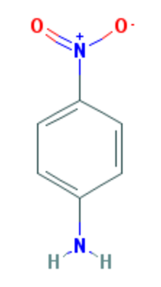 | 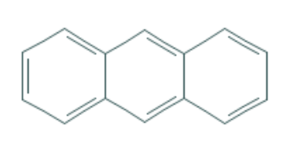 | 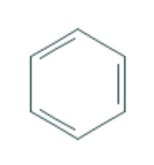 |  |  |  |  |  |  |  |  |  |  |  |  |  |  | 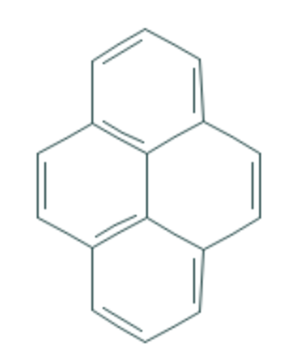 | 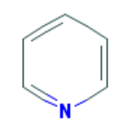 | 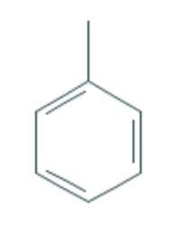
Avg error for water | 1.09 | 0.337 | 0.388 | 0.217 | 1.076 | 0.941 | 0.34 | 0.767 | 0.974 | 0.175 | 0.037 | 0.111 | 0.254 | 0.146 | 2.3 | 0.444 | 0.183 | 0.596 | 0.235 | 0.113 | 0.63
Avg error for methanol | 0.134 | 0.569 | 0.214 | 1.149 | 1.919 | 1.647 | 0.37 | 1.403 | 0.903 | 0.561 | 0.214 | 0.188 | 0.096 | 0.434 | 2.207 | 0.252 | 0.547 | 0.196 | 0.596 | 0.447 | 0.455
Avg error for ethanol | 0.188 | 0.378 | 0.238 | 0.954 | 2.063 | 1.782 | 0.7 | 1.553 | 1 | 0.539 | 0.424 | 0.317 | 0.256 | 0.429 | 1.738 | 0.26 | 0.648 | 0.31 | 0.257 | 0.32 | 0.186
Avg error for propanol | 0.262 | 0.243 | 0.321 | 1.17 | 2.159 | 1.911 | 0.857 | 1.461 | 1.192 | 0.718 | 0.436 | 0.369 | 0.342 | 0.539 | 1.56 | 0.327 | 0.926 | 0.367 | 0.249 | 0.336 | 0.191
Avg error for butanol | 0.259 | 0.544 | 0.282 | 1.08 | 2.408 | 1.917 | 0.951 | 1.84 | 1.212 | 0.5 | 0.819 | 0.456 | 0.703 | 0.663 | 1.473 | 0.355 | 0.88 | 1.184 | 0.392 | 0.492 | 0.446
Avg error for octanol | 2.154 | 0.578 | 0.2886 | 2.28 | 3.177 | 2.04 | 0.823 | 2.89 | 2.73 | 0.817 | 0.782 | 0.665 | 0.735 | 0.577 | 1.135 | 0.496 | 1.88 | 0.494 | 1.662 | 1.08 | 0.567
 | 0.68116666667 | 0.4415 | 0.2886 | 1.1416666667 | 2.1336666667 | 1.7063333333 | 0.6735 | 1.6523333333 | 1.3351666667 | 0.55166666667 | 0.452 | 0.351 | 0.39766666667 | 0.46466666667 | 1.7355 | 0.35566666667 | 0.844 | 0.5245 | 0.56516666667 | 0.46466666667 | 0.4125

 |  |  |  |  |  |  |  |  |  |  |  |  |  | 1

 |  |  |  |  |  |  |  | #DIV/0! | #DIV/0! | #DIV/0! | #DIV/0! | #DIV/0! | #DIV/0!

1 | 4_nitroaniline
2 | anthracene
3 | benzene
4 | butan_1_ol
5 | butanone
6 | cyclohexane
7 | ethane
8 | ethanol
9 | methanol
10 | n_butane
11 | n_heptane
12 | n_hexane
13 | n_octane
14 | n_pentane
15 | nitromethane
16 | phenanthrene
17 | propan_1_ol
18 | pyrene
19 | pyridine
20 | toluene
21 | triethylamine

Results
Solvent | alpha | beta | gamma | mu | phi | A | B [-2,2] | RMS | eps | geometry |  | H-bond acceptor | H-bond donor | test set
'Water' | 0.69493611321 | -31.998626555 | 0.12931089322 | -0.05189265109 | -0.73390624615 | 0.0031237887733 | 1.7175808308 | 1.712 | 78.36 |  | Hydrogen bond? | 1 | 1 | Li, Na, K, Cl, Br, I, butanone, ethanol, cyclohexane, benzene, n_octane, pyrene
'Octanol' | 0.36674156605 | -41.197012552 | -0.33339445977 | -0.18139936434 | -0.40294760446 | -0.012027233582 | 1.9852665826 | 2.495 | 10.3 |  | ~=2 surface area offset | 1 | 1 | Li, Na, K, Cl, Br, I, butanone, ethanol, cyclohexane, benzene, n_octane, pyrene
'Dichloroethane' | 0.27649257911 | -16.480792821 | -0.26410276929 | -0.41646025236 | 1.3371428511 | -0.016822129155 | 1.9994499294 | 2.465 | 10.125 |  | High RMS for NP solvent | 0 | 0 | Li, Na, K, Cl, Br, I, butanone, ethanol, cyclohexane, benzene, n_octane, pyrene
'Propanone' | 0.16725590663 | -39.116868176 | -1.1142592619 | -0.52638423147 | -0.75377034532 | -0.016777502413 | 1.9998704756 | 1.292 | 20.83 |  | small mu | 1 | 0 | Li, Na, K, Cl, Br, I, butanone, ethanol, cyclohexane, benzene, n_octane, pyrene
'Dimethylsulfoxide' | 0.23281233658 | -25.909722418 | -0.85275581805 | -0.45486269864 | -0.13142848883 | -0.013933904999 | 1.9999999996 | 1.460 | 48.826 |  | Polar solvents | 2 | 0 | Li, Na, K, Cl, Br, I, butanone, ethanol, cyclohexane, benzene, n_octane, pyrene
'Propanol' | 0.64866218444 | -35.756640113 | 0.40063170948 | -0.047448123029 | -0.64303038515 | -0.014145557452 | 1.9999561043 | 1.812 | 20.523 |  | Nonpolar solvents | 1 | 1 | Li, Na, K, Cl, Br, I, butanone, ethanol, cyclohexane, benzene, n_octane, pyrene
'Dimethylformamide' | 0.31691789414 | -16.162387081 | -0.71137636681 | -0.5429627754 | -1.1233937242 | -0.016199855507 | 1.9952773798 | 1.666 | 37.219 |  | Butanol shows the same trend as other alkanols for alpha (alpha decreases as MM of alkanol increases) | 0 | 1 | Li, Na, K, Cl, Br, I, butanone, ethanol, cyclohexane, benzene, n_octane, pyrene
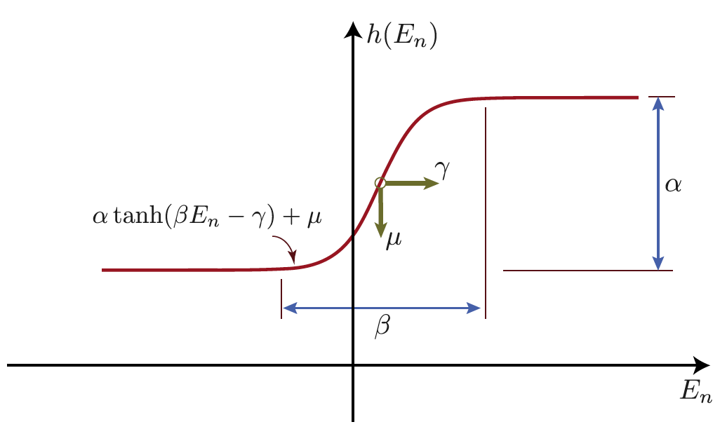
'Ethanol' | 0.74628172066 | -20.336132103 | 0.49957647916 | 0.044366222912 | 1.4555491129 | -0.014115052597 | 1.9995472162 | 1.588 | 24.852 |  |  | 1 | 1 | Li, Na, K, Cl, Br, I, butanone, ethanol, cyclohexane, benzene, n_octane, pyrene
'Methanol' | 0.76114121818 | -26.555254834 | 0.42907824857 | 0.070352514044 | 0.49880092355 | -0.013202431587 | 1.9996405234 | 1.942 | 32.613 |  |  | 1 | 1 | Li, Na, K, Cl, Br, I, butanone, ethanol, cyclohexane, benzene, n_octane, pyrene
'Acetonitrile' | 0.41806895921 | -15.863552178 | -0.087002006227 | -0.47867980967 | 0.87042422309 | -0.014728482629 | 1.7770335089 | 1.308 | 35.688 |  |  | 1 | 1 | Li, Na, K, Cl, Br, I, butanone, ethanol, cyclohexane, benzene, n_octane, pyrene
Butanol | 0.56786769753 | -77.510629763 | 0.98759259242 | -0.0102835 | 0.84762199992 | -0.01481356656 | 1.9803952015 | 2.580 | 17.33 |  |  | 1 | 1 | Cs, Na, K, Cl, Br, I, butanone, ethanol, cyclohexane, benzene, n_octane, pyrene
Nitromethane | 0.6884 | -20.8812 | -0.0842 | -0.4359 | -0.721 | -0.0102 | 1.4585 | 1.036 | 36.56 |  |  | 2 | 0 | Li, Na, K, Cl, Br, I, butanone, ethanol, toluene, 14_dioxane, n_octane, nitromethane
Nitrobenzene | 0.15717902801 | -78.908541509 | -2.8548765785 | -0.57304010345 | 7.0264478034 | -0.010579436694 | 1.9985947097 | 2.640 | 34.81 |  |  | 2 | 0
Dimethylacetamide | 0.21734106454 | -13.09353738 | -0.93221239592 | -0.60098609761 | -1.3330529718 | -0.012396805423 | 1.4093124008 | 1.134 | 37.78 |  |  | 0 | 1 | Li, Na, K, Cl, Br, I, butanone, ethanol, toluene, 14_dioxane, n_octane, nitromethane

Chemical species w big err
Compound | Family | 2D Chemical Structure | W | O | DCE | esters | alcohols | aldehydes | amides | amines | phenol derivatives | ethers | acids | glycols | ketones | haloalkanes | haloalkenes | halobenzenes | sulfonyls | nitroalkanes | O
1_bromo_2_chloroethane | haloalkanes | 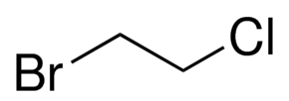 | #REF! | #REF! | #REF! | 11_diacetoxyethane | 111_trifluoropropan_2_ol | butyraldehyde | benzamide | dimethylamine | 3_methoxyphenol | phenyl_trifluoroethyl_ether | 3_methylbutanoic_acid | 12_dimethoxyethane | 4_methoxyacetophenone | 1_bromo_2_chloroethane | hexafluoropropene | 1234_tetrachlorobenzene | dimethyl_sulfone | nitromethane | 1_naphthylamine
1_methyl_imidazole | aromatic organic | 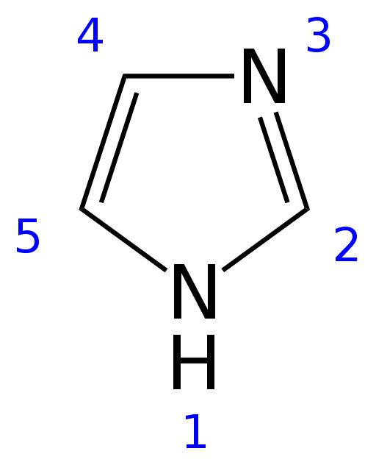 | #REF! | #REF! | #REF! | 12_diacetoxyethane | 2_methylpropan_2_ol | benzaldehyde | ethanamide | ethylamine | 2_nitrophenol | 2_methoxyethanol | acetic_acid | 12_ethanediol | heptan_2_one | 111_trifluoro_222_trimethoxyethane |  | 1235_tetrachlorobenzene | methanesulfonyl_chloride | nitroethane | 111_trifluoropropan_2_ol
1_naphthylamine | aromatic amines | 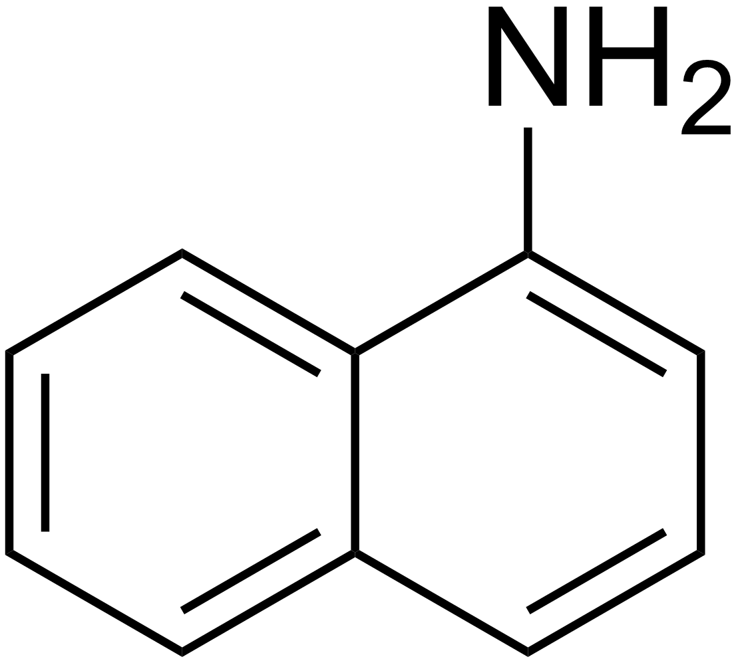 | #REF! | #REF! | #REF! | phenyl_formate | butan_1_ol | 4_hydroxybenzaldehyde | N_methylacetamide | hydrazine | 4_nitrophenol | 2_propoxyethanol | butanoic_acid |  | 33_dimethylbutan_2_one | 12_dibromoethane |  | 1245_tetrachlorobenzene | methyl_methanesulfonate | 2_nitropropane | 12_dichlorobenzene
1_nitrobutane | nitroalkanes | 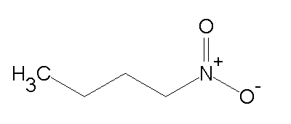 | #REF! | #REF! | #REF! | trimethoxymethylbenzene | ethanol | formaldehyde | NN_dimethylformamide | methylamine | 4_fluorophenol | 2_ethoxyethanol | hexanoic_acid |  | acetophenone | dibromomethane |  | 12_dichlorobenzene |  | 2_nitrotoluene | 12_dimethoxyethane
1_nitropentane | nitroalkanes |  | #REF! | #REF! | #REF! | diethyl_malonate | heptan_1_ol |  |  | n_butylamine | m_cresol |  | pentanoic_acid |  | butanone | pentachloroethane |  | m_bis_trifluoromethyl__benzene |  | 1_nitrobutane | 12_ethanediol
1_nitropropane | nitroalkanes | 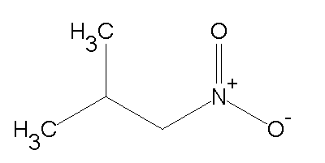 | #REF! | #REF! | #REF! | diethyl_succinate | hexan_1_ol |  |  | n_propylamine | p_cresol |  | propanoic_acid |  | hexan_2_one | tetrachloromethane |  | p_dibromobenzene |  | 1_nitropentane | 1245_tetrachlorobenzene
11_diacetoxyethane | acetate esters |  | #REF! | #REF! | #REF! | ethyl_acetate | methanol |  |  | 2_naphthylamine | phenol |  |  |  | octan_2_one | tribromomethane |  |  |  | 1_nitropropane | 2_ethylpyrazine
111_trifluoro_222_trimethoxyethane | haloalkanes |  | #REF! | #REF! | #REF! | ethyl_benzoate | octan_1_ol |  |  | 1_naphthylamine | 3_nitrophenol |  |  |  | pentan_2_one |  |  |  |  |  | 2_iodophenol
111_trifluoropropan_2_ol | alcohols | 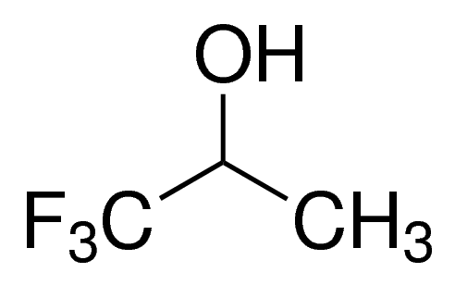 | #REF! | #REF! | #REF! | ethyl_formate | pentan_1_ol |  |  | aniline |  |  |  |  | pentan_3_one |  |  |  |  |  | 2_methoxyethanol
12_diacetoxyethane | acetate esters |  | #REF! | #REF! | #REF! | isoamyl_acetate | propan_1_ol |  |  | N_methylaniline |  |  |  |  |  |  |  |  |  |  | 2_methylpropan_2_ol
12_dibromoethane | haloalkanes | 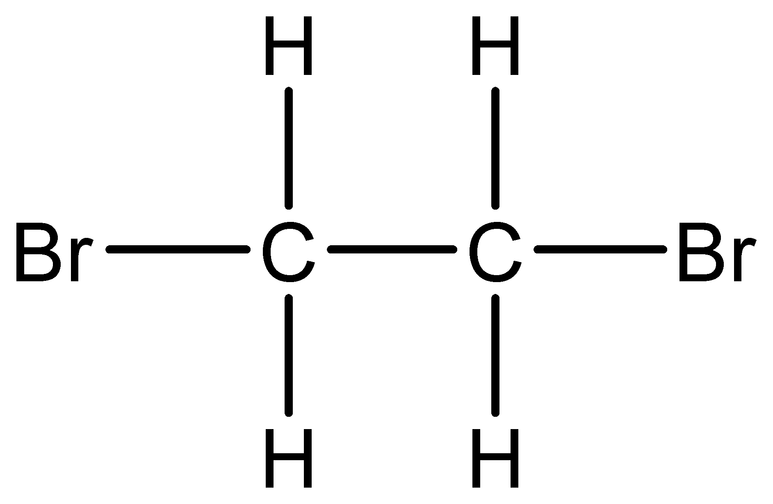 | #REF! | #REF! | #REF! | isobutyl_formate |  |  |  | NN_dimethylaniline |  |  |  |  |  |  |  |  |  |  | 2_methylpyrazine
12_dichlorobenzene | halobenzenes | 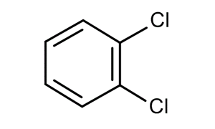 | #REF! | #REF! | #REF! | isopropyl_formate |  |  |  | p_toluidine |  |  |  |  |  |  |  |  |  |  | 2_naphthylamine
12_dimethoxyethane | glycols |  | #REF! | #REF! | #REF! | methyl_acetate |  |  |  | 4_nitroaniline |  |  |  |  |  |  |  |  |  |  | 222_trifluoroethanol
12_ethanediol | glycols | 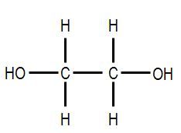 | #REF! | #REF! | #REF! | methyl_benzoate |  |  |  | piperidine |  |  |  |  |  |  |  |  |  |  | 33_dimethylbutan_2_one
1234_tetrachlorobenzene | aromatic organic |  | #REF! | #REF! | #REF! | methyl_butanoate |  |  |  | piperazine |  |  |  |  |  |  |  |  |  |  | 4_hydroxybenzaldehyde
1235_tetrachlorobenzene | aromatic organic | 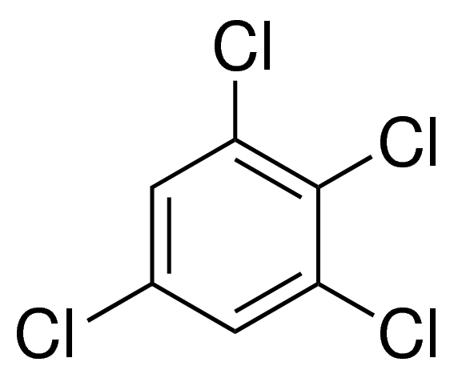 | #REF! | #REF! | #REF! | methyl_formate |  |  |  |  |  |  |  |  |  |  |  |  |  |  | 4_nitroaniline
1245_tetrachlorobenzene | aromatic organic | 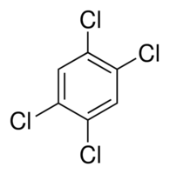 | #REF! | #REF! | #REF! | methyl_hexanoate |  |  |  |  |  |  |  |  |  |  |  |  |  |  | acetic_acid
14_dimethyl_piperazine | organic | 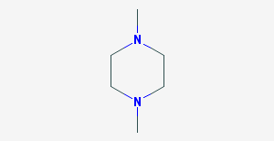 | #REF! | #REF! | #REF! | methyl_p_methoxybenzoate |  |  |  |  |  |  |  |  |  |  |  |  |  |  | acetophenone
2_ethoxyethanol | glycol ethers |  | #REF! | #REF! | #REF! | methyl_pentanoate |  |  |  |  |  |  |  |  |  |  |  |  |  |  | aniline
2_ethylpyrazine |  | 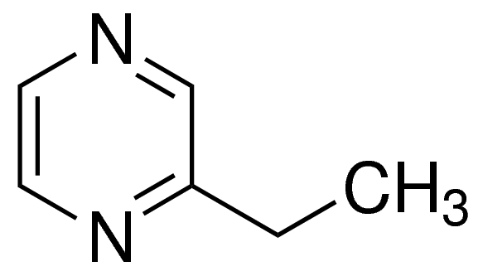 | #REF! | #REF! | #REF! | methyl_propanoate |  |  |  |  |  |  |  |  |  |  |  |  |  |  | benzaldehyde
2_iodophenol | halogenophenols | 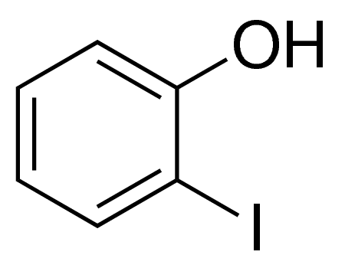 | #REF! | #REF! | #REF! | n_butyl_acetate |  |  |  |  |  |  |  |  |  |  |  |  |  |  | benzamide
2_methoxy_111_trimethoxyethane |  |  | #REF! | #REF! | #REF! | n_propyl_acetate |  |  |  |  |  |  |  |  |  |  |  |  |  |  | butan_1_ol
2_methoxyethanol | glycol ether |  | #REF! | #REF! | #REF! | n_propyl_formate |  |  |  |  |  |  |  |  |  |  |  |  |  |  | butanoic_acid
2_methylpropan_2_ol | alcohols | 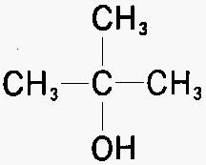 | #REF! | #REF! | #REF! | triacetyl_glycerol |  |  |  |  |  |  |  |  |  |  |  |  |  |  | butanone
2_methylpyrazine |  | 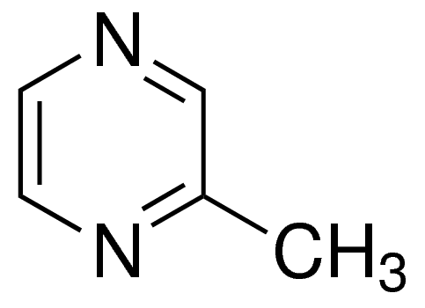 | #REF! | #REF! | #REF! |  |  |  |  |  |  |  |  |  |  |  |  |  |  |  | butyraldehyde
2_naphthylamine | aminonaphthalenes | 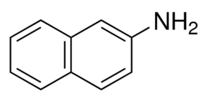 | #REF! | #REF! | #REF! | 24 | 10 | 4 | 4 | 15 | 8 | 4 | 6 | 2 | 9 | 7 | 1 | 6 | 3 | 7 | cyclohexane
2_nitrophenol | aromatic nitrate |  | #REF! | #REF! | #REF! |  |  |  |  |  |  |  |  |  |  |  |  |  |  |  | dibromomethane
2_nitropropane | nitro compound | 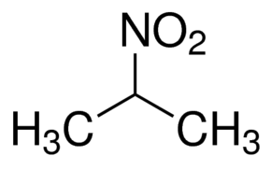 | #REF! | #REF! | #REF! |  |  |  |  |  |  |  |  |  |  |  |  |  |  |  | dimethyl_disulfide
2_nitrotoluene | nitro compound aromatic | 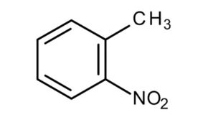 | #REF! | #REF! | #REF! |  |  |  |  |  |  |  |  |  |  |  |  |  |  |  | dimethylamine
2_propoxyethanol | glycol ether |  | #REF! | #REF! | #REF! |  |  |  |  |  |  |  |  |  |  |  |  |  |  |  | ethanol
222_trifluoroethanol | halogenoalcohols | 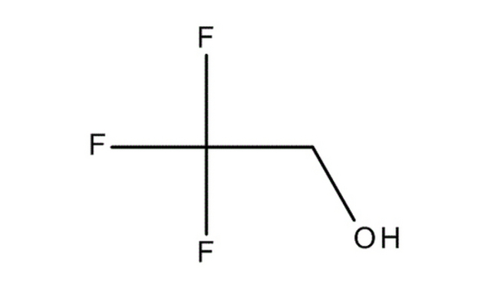 | #REF! | #REF! | #REF! |  |  |  |  |  |  |  |  |  |  |  |  |  |  |  | ethyl_acetate
25_dimethylphenol | xylenols | 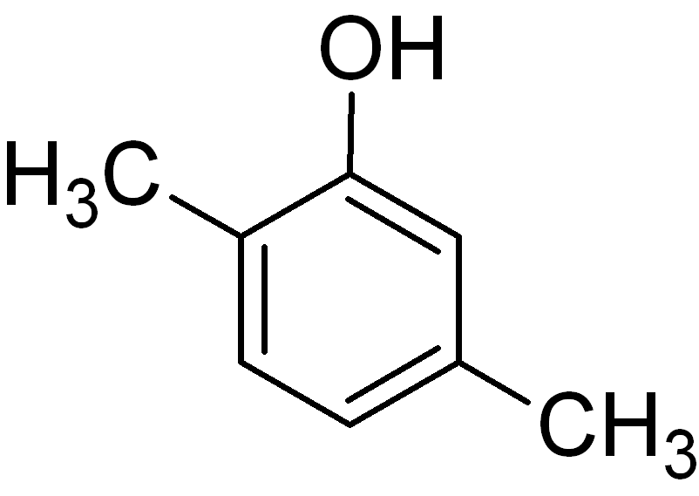 | #REF! | #REF! | #REF! |  |  |  |  |  |  |  |  |  |  |  |  |  |  |  | ethyl_benzoate
3_methoxyphenol | aromatic + alcohol | 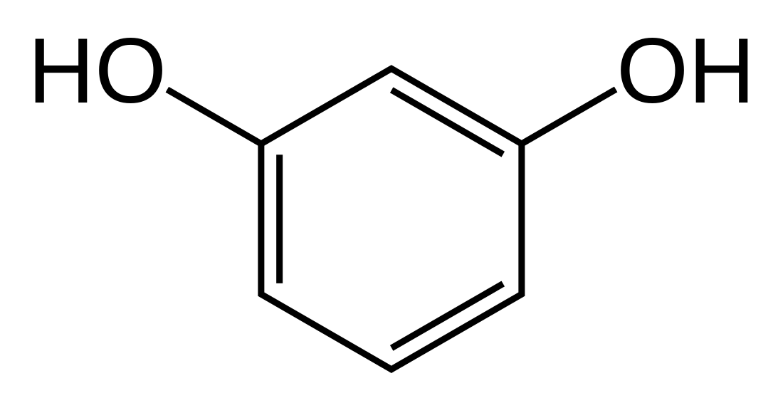 | #REF! | #REF! | #REF! |  |  |  |  |  |  |  |  |  |  |  |  |  |  |  | ethylamine
3_methylbutanoic_acid | carboxilic acids | 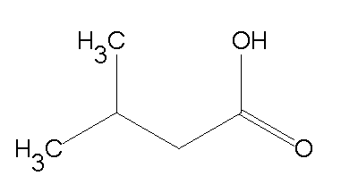 | #REF! | #REF! | #REF! |  |  |  |  |  |  |  |  |  |  |  |  |  |  |  | formaldehyde
3_nitrophenol | nitro + phenol | 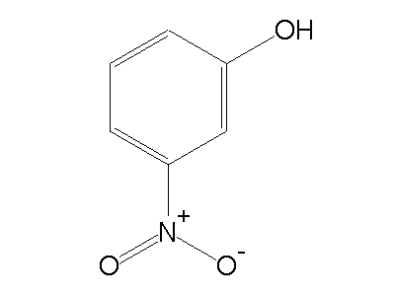 | #REF! | #REF! | #REF! |  |  |  |  |  |  |  |  |  |  |  |  |  |  |  | heptan_2_one
33_dimethylbutan_2_one | ketones | 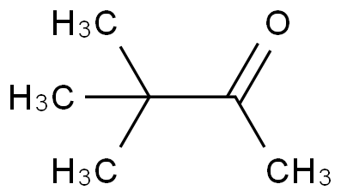 | #REF! | #REF! | #REF! |  |  |  |  |  |  |  |  |  |  |  |  |  |  |  | hexan_2_one
4_fluorophenol | phenol | 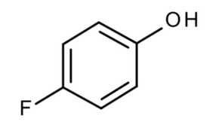 | #REF! | #REF! | #REF! |  |  |  |  |  |  |  |  |  |  |  |  |  |  |  | hexanoic_acid
4_hydroxybenzaldehyde | aldehyde + phenol | 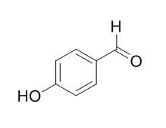 | #REF! | #REF! | #REF! |  |  |  |  |  |  |  |  |  |  |  |  |  |  |  | hydrazine
4_methoxyacetophenone | aromatic ketones | 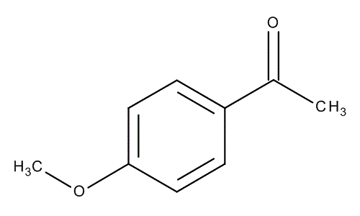 | #REF! | #REF! | #REF! |  |  |  |  |  |  |  |  |  |  |  |  |  |  |  | m_cresol
4_nitroaniline | aromatic nitro/amine | 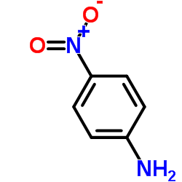 | #REF! | #REF! | #REF! |  |  |  |  |  |  |  |  |  |  |  |  |  |  |  | methanol
4_nitrophenol | aromatic nitro |  | #REF! | #REF! | #REF! |  |  |  |  |  |  |  |  |  |  |  |  |  |  |  | methyl_acetate
acetic_acid | carboxilic acids |  | #REF! | #REF! | #REF! |  |  |  |  |  |  |  |  |  |  |  |  |  |  |  | methyl_benzoate
acetophenone | ketones | 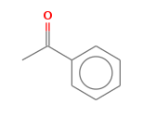 | #REF! | #REF! | #REF! |  |  |  |  |  |  |  |  |  |  |  |  |  |  |  | methyl_butanoate
aniline | aromatic amines |  | #REF! | #REF! | #REF! |  |  |  |  |  |  |  |  |  |  |  |  |  |  |  | methyl_formate
benzaldehyde | aldehyde + aromatic |  | #REF! | #REF! | #REF! |  |  |  |  |  |  |  |  |  |  |  |  |  |  |  | methyl_pentanoate
benzamide | amides | 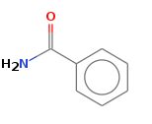 | #REF! | #REF! | #REF! |  |  |  |  |  |  |  |  |  |  |  |  |  |  |  | methyl_propanoate
butan_1_ol | alcohols |  | #REF! | #REF! | #REF! |  |  |  |  |  |  |  |  |  |  |  |  |  |  |  | methylamine
butanoic_acid | carboxilic acids |  | #REF! | #REF! | #REF! |  |  |  |  |  |  |  |  |  |  |  |  |  |  |  | morpholine
butanone | ketones |  | #REF! | #REF! | #REF! |  |  |  |  |  |  |  |  |  |  |  |  |  |  |  | n_butyl_acetate
butyraldehyde | aldehyde |  | #REF! | #REF! | #REF! |  |  |  |  |  |  |  |  |  |  |  |  |  |  |  | n_butylamine
cyclohexane | cycloalkanes |  | #REF! | #REF! | #REF! |  |  |  |  |  |  |  |  |  |  |  |  |  |  |  | N_methylacetamide
dibromomethane | haloalkanes |  | #REF! | #REF! | #REF! |  |  |  |  |  |  |  |  |  |  |  |  |  |  |  | N_methylaniline
diethyl_malonate | esters |  | #REF! | #REF! | #REF! |  |  |  |  |  |  |  |  |  |  |  |  |  |  |  | n_propyl_acetate
diethyl_succinate | esters | 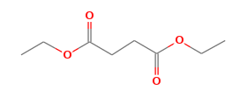 | #REF! | #REF! | #REF! |  |  |  |  |  |  |  |  |  |  |  |  |  |  |  | n_propylamine
dimethyl_disulfide | disulfides |  | #REF! | #REF! | #REF! |  |  |  |  |  |  |  |  |  |  |  |  |  |  |  | NN_dimethylformamide
dimethyl_sulfate | sulfates |  | #REF! | #REF! | #REF! |  |  |  |  |  |  |  |  |  |  |  |  |  |  |  | octan_1_ol
dimethyl_sulfone | sulfonyls |  | #REF! | #REF! | #REF! |  |  |  |  |  |  |  |  |  |  |  |  |  |  |  | octan_2_one
dimethylamine | amines |  | #REF! | #REF! | #REF! |  |  |  |  |  |  |  |  |  |  |  |  |  |  |  | p_toluidine
ethanamide | amides |  | #REF! | #REF! | #REF! |  |  |  |  |  |  |  |  |  |  |  |  |  |  |  | pentachloroethane
ethanol | alcohols |  | #REF! | #REF! | #REF! |  |  |  |  |  |  |  |  |  |  |  |  |  |  |  | pentan_2_one
ethyl_acetate | esters |  | #REF! | #REF! | #REF! |  |  |  |  |  |  |  |  |  |  |  |  |  |  |  | pentan_3_one
ethyl_benzoate | esters | 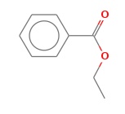 | #REF! | #REF! | #REF! |  |  |  |  |  |  |  |  |  |  |  |  |  |  |  | pentanoic_acid
ethyl_formate | esters |  | #REF! | #REF! | #REF! |  |  |  |  |  |  |  |  |  |  |  |  |  |  |  | piperazine
ethylamine | amines |  | #REF! | #REF! | #REF! |  |  |  |  |  |  |  |  |  |  |  |  |  |  |  | propan_1_ol
formaldehyde | aldehydes |  | #REF! | #REF! | #REF! |  |  |  |  |  |  |  |  |  |  |  |  |  |  |  | tetrachloroethene
heptan_1_ol | alcohols |  | #REF! | #REF! | #REF! |  |  |  |  |  |  |  |  |  |  |  |  |  |  |  | tetrachloromethane
heptan_2_one | kestone |  | #REF! | #REF! | #REF! |  |  |  |  |  |  |  |  |  |  |  |  |  |  |  | tribromomethane
hexafluoropropene | fluorocarbon alkenes | 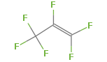 | #REF! | #REF! | #REF! |  |  |  |  |  |  |  |  |  |  |  |  |  |  |  | trichloroethene
hexan_1_ol | alcohols |  | #REF! | #REF! | #REF! |  |  |  |  |  |  |  |  |  |  |  |  |  |  |  | triethyl_phosphate
hexan_2_one | ketones |  | #REF! | #REF! | #REF! |  |  |  |  |  |  |  |  |  |  |  |  |  |  |  | trimethyl_phosphate
hexanoic_acid | carboxilic acids |  | #REF! | #REF! | #REF!
hydrazine | amines |  | #REF! | #REF! | #REF!
hydrogen_sulfide | sulfides |  | #REF! | #REF! | #REF!
isoamyl_acetate | esters |  | #REF! | #REF! | #REF!
isobutyl_formate | esters | 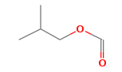 | #REF! | #REF! | #REF!
isoflurane |  | 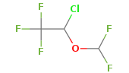 | #REF! | #REF! | #REF!
isopropyl_formate | esters |  | #REF! | #REF! | #REF!
m_bis_trifluoromethyl__benzene | halobenzenes | 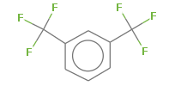 | #REF! | #REF! | #REF!
m_cresol | phenols | 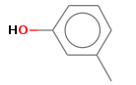 | #REF! | #REF! | #REF!
methanesulfonyl_chloride | sulfonyls |  | #REF! | #REF! | #REF!
methanol | alcohols |  | #REF! | #REF! | #REF!
methyl_acetate | esters |  | #REF! | #REF! | #REF!
methyl_benzoate | esters | 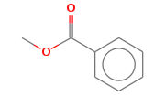 | #REF! | #REF! | #REF!
methyl_butanoate | esters |  | #REF! | #REF! | #REF!
methyl_formate | esters |  | #REF! | #REF! | #REF!
methyl_hexanoate | esters |  | #REF! | #REF! | #REF!
methyl_methanesulfonate | sulfonyls |  | #REF! | #REF! | #REF!
methyl_p_methoxybenzoate | esters | 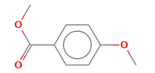 | #REF! | #REF! | #REF!
methyl_pentanoate | esters |  | #REF! | #REF! | #REF!
methyl_propanoate | esters |  | #REF! | #REF! | #REF!
methylamine | amines |  | #REF! | #REF! | #REF!
morpholine | aromatic ring |  | #REF! | #REF! | #REF!
n_butyl_acetate | esters |  | #REF! | #REF! | #REF!
n_butylamine | amines |  | #REF! | #REF! | #REF!
N_methyl_N__222_trifluoroethyl__aniline |  |  | #REF! | #REF! | #REF!
N_methylacetamide | amides |  | #REF! | #REF! | #REF!
N_methylaniline | aromatic amines |  | #REF! | #REF! | #REF!
n_propanethiol | thiols |  | #REF! | #REF! | #REF!
n_propyl_acetate | esters |  | #REF! | #REF! | #REF!
n_propyl_formate | esters |  | #REF! | #REF! | #REF!
n_propylamine | amines |  | #REF! | #REF! | #REF!
nitrobenzene | aromatic nitro | 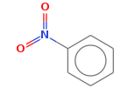 | #REF! | #REF! | #REF!
nitroethane | nitro alkaness |  | #REF! | #REF! | #REF!
nitromethane | nitro alkanes |  | #REF! | #REF! | #REF!
NN_dimethylaniline | aromatic amines | 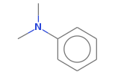 | #REF! | #REF! | #REF!
NN_dimethylformamide | amides |  | #REF! | #REF! | #REF!
octan_1_ol | alcohols |  | #REF! | #REF! | #REF!
octan_2_one | ketones |  | #REF! | #REF! | #REF!
p_cresol | phenols |  | #REF! | #REF! | #REF!
p_dibromobenzene | halobenzenes |  | #REF! | #REF! | #REF!
p_toluidine | aromatic amines |  | #REF! | #REF! | #REF!
pentachloroethane | haloalkanes | 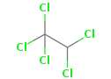 | #REF! | #REF! | #REF!
pentan_1_ol | alcohols |  | #REF! | #REF! | #REF!
pentan_2_one | ketones |  | #REF! | #REF! | #REF!
pentan_3_one | ketones |  | #REF! | #REF! | #REF!
pentanoic_acid | carboxilic acids |  | #REF! | #REF! | #REF!
phenol | phenols |  | #REF! | #REF! | #REF!
phenyl_formate | aromatic esters |  | #REF! | #REF! | #REF!
phenyl_trifluoroethyl_ether | aromatic halo ethers |  | #REF! | #REF! | #REF!
piperazine | ethyleneamines |  | #REF! | #REF! | #REF!
piperidine | secondary amines |  | #REF! | #REF! | #REF!
propan_1_ol | alcohols |  | #REF! | #REF! | #REF!
propanoic_acid | carboxilic acids |  | #REF! | #REF! | #REF!
pyrene | aromatic ring |  | #REF! | #REF! | #REF!
tetrachloroethene | haloalkenes |  | #REF! | #REF! | #REF!
tetrachloromethane | haloalkanes |  | #REF! | #REF! | #REF!
tetrahydropyran |  |  | #REF! | #REF! | #REF!
triacetyl_glycerol | esters |  | #REF! | #REF! | #REF!
tribromomethane | haloalkanes |  | #REF! | #REF! | #REF!
trichloroethene | haloalkenes |  | #REF! | #REF! | #REF!
triethyl_phosphate | phosphates |  | #REF! | #REF! | #REF!
trimethoxymethylbenzene | aromatic ethers |  | #REF! | #REF! | #REF!
trimethyl_phosphate | phosphates |  | #REF! | #REF! | #REF!

