AUD
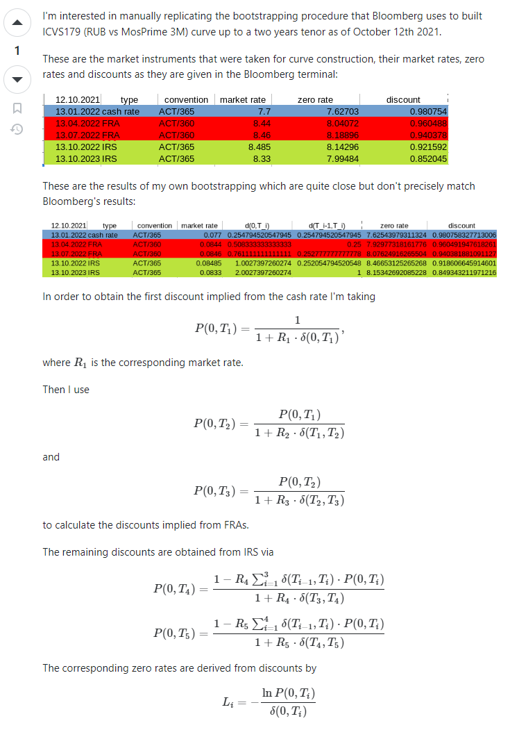
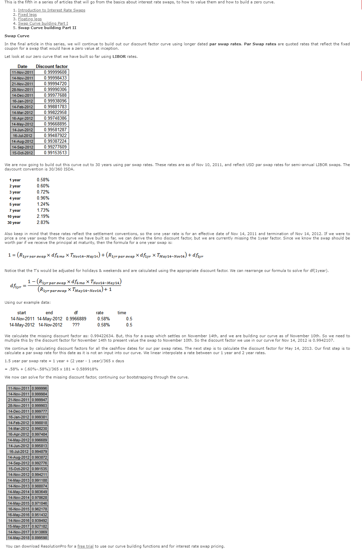
Term | Market Rate | Shift | Shifted Rate | Zero Rate | Discount |  | Ticker |  | Tenor | Date | Point | Type | Rate |  | Discount Factor | Flavor | Price | JB DF | Score
3 MO | 4.168 | 0 | 4.168 | 4.14649 | 0.989491 | 0 | RBACOR | Index | 1 | DY | 2023-08-15 | CASH | 4.07 | 0.0407000000000 | 1 | 0 | Mid
IRU3 | 4.22977 | 0 | 4.22977 | 4.19791 | 0.986747 | 1 | ADBB1M | Curncy | 1 | MO | 2023-09-15 | CASH | 4.06 | 0.0406000000000 | 0.996564 | 0 | Mid | 0.996564 | 31 | 0.0406
IRZ3 | 4.36843 | 0 | 4.36843 | 4.26249 | 0.976116 | 2 | ADBB2M | Curncy | 2 | MO | 2023-10-16 | CASH | 4.11 | 0.0411000000000 | 0.993067 | 0 | Mid | 0.993067
IRH4 | 4.4162 | 0 | 4.4162 | 4.30353 | 0.964678 | 3 | ADBB3M | Curncy | 3 | MO | 2023-11-15 | CASH | 4.168 | 0.0416800000000 | 0.989604 | 0 | Mid | 0.989604
IRM4 | 4.39328 | 0 | 4.39328 | 4.31867 | 0.954226 | 4 | IRU3 | Comdty | 115 | DY | 2023-12-08 | FUTURE_RATE | 4.229772 | 0.0422977200000 | 0.986929 | 0 | Mid | 0.986849
IRU4 | 4.30971 | 0 | 4.30971 | 4.3127 | 0.944082 | 5 | IRZ3 | Comdty | 206 | DY | 2024-03-08 | FUTURE_RATE | 4.378409 | 0.0437840900000 | 0.976272 | 0 | Mid | 0.975885
IRZ4 | 4.17546 | 0 | 4.17546 | 4.28769 | 0.934356 | 6 | IRH4 | Comdty | 304 | DY | 2024-06-14 | FUTURE_RATE | 4.416173 | 0.0441617300000 | 0.964831 | 0 | Mid | 0.964524
2 YR | 4.2563 | 0 | 4.2563 | 4.23175 | 0.918635 | 7 | IRM4 | Comdty | 395 | DY | 2024-09-13 | FUTURE_RATE | 4.403233 | 0.0440323300000 | 0.954355 | 0 | Mid | 0.954516
3 YR | 4.14525 | 0 | 4.14525 | 4.11772 | 0.883395 | 8 | IRU4 | Comdty | 486 | DY | 2024-12-13 | FUTURE_RATE | 4.309633 | 0.0430963300000 | 0.944209 | 0 | Mid | 0.945731
4 YR | 4.12875 | 0 | 4.12875 | 4.07969 | 0.849147 | 9 | IRZ4 | Comdty | 577 | DY | 2025-03-14 | FUTURE_RATE | 4.175347 | 0.0417534700000 | 0.934482 | 0 | Mid | 0.938082
5 YR | 4.15325 | 0 | 4.15325 | 4.10716 | 0.814081 | 10 | ADSWAP2Q | Curncy | 2 | YR | 2025-08-15 | SWAP | 4.261369 | 0.0426136900000 | 0.918642 | 0 | Mid | 0.921367
6 YR | 4.21383 | 0 | 4.21383 | 4.17375 | 0.778203 | 11 | ADSWAP3Q | Curncy | 3 | YR | 2026-08-17 | SWAP | 4.147 | 0.0414700000000 | 0.883449 | 0 | Mid | 0.889086
7 YR | 4.28128 | 0 | 4.28128 | 4.24858 | 0.742487 | 12 | ADSWAP4 | Curncy | 4 | YR | 2027-08-16 | SWAP | 4.2741 | 0.0427410000000 | 0.844099 | 0 | Mid | 0.853826
8 YR | 4.34494 | 0 | 4.34494 | 4.32006 | 0.707541 | 13 | ADSWAP5 | Curncy | 5 | YR | 2028-08-15 | SWAP | 4.290599 | 0.0429059900000 | 0.808432 | 0 | Mid | 0.823204
9 YR | 4.40075 | 0 | 4.40075 | 4.38341 | 0.673608 | 14 | ADSWAP6 | Curncy | 6 | YR | 2029-08-15 | SWAP | 4.34068 | 0.0434068000000 | 0.772285 | 0 | Mid | 0.793224
10 YR | 4.45125 | 0 | 4.45125 | 4.44162 | 0.64105 | 15 | ADSWAP7 | Curncy | 7 | YR | 2030-08-15 | SWAP | 4.39945 | 0.0439945000000 | 0.736412 | 0 | Mid | 0.764408
12 YR | 4.53244 | 0 | 4.53244 | 4.5367 | 0.579899 | 16 | ADSWAP8 | Curncy | 8 | YR | 2031-08-15 | SWAP | 4.4535 | 0.0445350000000 | 0.701546 | 0 | Mid | 0.737178
15 YR | 4.584 | 0 | 4.584 | 4.59391 | 0.501656 | 17 | ADSWAP9 | Curncy | 9 | YR | 2032-08-16 | SWAP | 4.504451 | 0.0450445100000 | 0.667517 | 0 | Mid | 0.711291
20 YR | 4.54125 | 0 | 4.54125 | 4.51599 | 0.404871 | 18 | ADSWAP10 | Curncy | 10 | YR | 2033-08-15 | SWAP | 4.546901 | 0.0454690100000 | 0.635218 | 0 | Mid | 0.687255
25 YR | 4.4063 | 0 | 4.4063 | 4.29559 | 0.341272 | 19 | ADSWAP12 | Curncy | 12 | YR | 2035-08-15 | SWAP | 4.62071 | 0.0462071000000 | 0.574163 | 0 | Mid | 0.643143
30 YR | 4.28375 | 0 | 4.28375 | 4.09446 | 0.292483 | 20 | ADSWAP15 | Curncy | 15 | YR | 2038-08-16 | SWAP | 4.6745 | 0.0467450000000 | 0.495162 | 0 | Mid | 0.587608
 |  |  |  |  |  | 21 | ADSWAP20 | Curncy | 20 | YR | 2043-08-17 | SWAP | 4.6395 | 0.0463950000000 | 0.397017 | 0 | Mid | 0.518460
 |  |  |  |  |  | 22 | ADSWAP25 | Curncy | 25 | YR | 2048-08-17 | SWAP | 4.5138 | 0.0451380000000 | 0.332047 | 0 | Mid | 0.469580
 |  |  |  |  |  | 23 | ADSWAP30 | Curncy | 30 | YR | 2053-08-15 | SWAP | 4.4 | 0.0440000000000 | 0.282134 | 0 | Mid | 0.430855

USD
 | Ticker | Tenor | Date | Point | Type | Rate | Discount |  | Factor | Flavor | Price | Condition | Score |  |  | Term | Market | Rate | Shift | Shifted | Rate | Zero | Rate | Discount |  | usd
0 | SOFRRATE |  |  | 1D | 2023-08-15 |  | 5.3 | 0.053 |  |  |  | 0.99985279945 |  |  |  |  |  |  |  |  |  |  |  |  | 1 | 5.3772 | 0.053772 | 4 | 1.013443 | 0.94798767458
1 | USOSFR1Z | Curncy | 1 | WK | 2023-08-23 | SWAP | 5.301 | 0.05301 | 0.99897 | 0 | Mid | 0.9986763587 |  |  |  | 1 | WK | 5.301 | 0 | 5.301 | 5.37265 | 0.998676 |  |  | 2 | 4.824 | 0.04824 | 8 | 1.01206 | 0.90855226749
2 | USOSFR2Z | Curncy | 2 | WK | 2023-08-30 | SWAP | 5.30205 | 0.0530205 | 0.997942 | 0 | Mid | 0.99764880618 |  |  |  | 2 | WK | 5.30205 | 0 | 5.30205 | 5.37081 | 0.997648 |  |  | 3 | 4.467 | 0.04467 | 12 | 1.0111675 | 0.87523115852
3 | USOSFR3Z | Curncy | 3 | WK | 2023-09-06 | SWAP | 5.306075 | 0.05306075 | 0.996914 | 0 | Mid | 0.99662115431 |  |  |  | 3 | WK | 5.30608 | 0 | 5.30608 | 5.37181 | 0.996621 |  |  | 4 | 4.2478 | 0.042478 | 16 | 1.0106195 | 0.84449526762
4 | USOSFRA | Curncy | 1 | MO | 2023-09-18 | SWAP | 5.311 | 0.05311 | 0.995155 | 0 | Mid | 0.9948626238 |  |  |  | 1 | MO | 5.311 | 0 | 5.311 | 5.37191 | 0.994862 |  |  | 5 | 4.1184 | 0.041184 | 20 | 1.010296 | 0.814755554
5 | USOSFRB | Curncy | 2 | MO | 2023-10-16 | SWAP | 5.3402 | 0.053402 | 0.991032 | 0 | Mid | 0.99074094398 |  |  |  | 2 | MO | 5.3402 | 0 | 5.3402 | 5.38956 | 0.990741 |  |  | 6 | 4.0375 | 0.040375 | 24 | 1.01009375 | 0.78581368246
6 | USOSFRC | Curncy | 3 | MO | 2023-11-16 | SWAP | 5.370401 | 0.05370401 | 0.986461 | 0 | Mid | 0.98617111901 |  |  |  | 3 | MO | 5.3704 | 0 | 5.3704 | 5.40727 | 0.986171 |  |  | 7 | 3.9805 | 0.039805 | 28 | 1.00995125 | 0.75785913668
7 | USOSFRD | Curncy | 4 | MO | 2023-12-18 | SWAP | 5.401 | 0.05401 | 0.981736 | 0 | Mid | 0.9814472556 |  |  |  | 4 | MO | 5.401 | 0 | 5.401 | 5.4249 | 0.981447 |  |  | 8 | 3.9421 | 0.039421 | 32 | 1.00985525 | 0.73064752313
8 | USOSFRE | Curncy | 5 | MO | 2024-01-16 | SWAP | 5.42085 | 0.0542085 | 0.97748 | 0 | Mid | 0.97719249538 |  |  |  | 5 | MO | 5.42085 | 0 | 5.42085 | 5.43303 | 0.977192 |  |  | 9 | 3.9185 | 0.039185 | 36 | 1.00979625 | 0.70401979745
9 | USOSFRF | Curncy | 6 | MO | 2024-02-16 | SWAP | 5.431 | 0.05431 | 0.972991 | 0 | Mid | 0.97270527083 |  |  |  | 6 | MO | 5.432 | 0 | 5.432 | 5.43177 | 0.9727 |  |  | 10 | 3.9032 | 0.039032 | 40 | 1.009758 | 0.67812209419
10 | USOSFRG | Curncy | 7 | MO | 2024-03-18 | SWAP | 5.4375 | 0.054375 | 0.968547 | 0 | Mid | 0.96826321215 |  |  |  | 7 | MO | 5.438 | 0 | 5.438 | 5.42542 | 0.968259 |  |  | 11 | 3.893761 | 0.03893761 | 44 | 1.0097344025 | 0.6529580121
11 | USOSFRH | Curncy | 8 | MO | 2024-04-16 | SWAP | 5.434175 | 0.05434175 | 0.964477 | 0 | Mid | 0.96419440294 |  |  |  | 8 | MO | 5.43418 | 0 | 5.43418 | 5.41032 | 0.964193 |  |  | 12 | 3.888567 | 0.03888567 | 48 | 1.0097214175 | 0.62852813266
12 | USOSFRI | Curncy | 9 | MO | 2024-05-16 | SWAP | 5.42285 | 0.0542285 | 0.960362 | 0 | Mid | 0.96008184249 |  |  |  | 9 | MO | 5.4235 | 0 | 5.4235 | 5.38827 | 0.960075 |  |  | 13 | 3.885893 | 0.03885893 | 52 | 1.0097147325 | 0.60487824433
13 | USOSFRJ | Curncy | 10 | MO | 2024-06-17 | SWAP | 5.407 | 0.05407 | 0.95606 | 0 | Mid | 0.9557819842 |  |  |  | 10 | MO | 5.407 | 0 | 5.407 | 5.35995 | 0.955778 |  |  | 14 | 3.884013 | 0.03884013 | 56 | 1.0097100325 | 0.58208498853
14 | USOSFRK | Curncy | 11 | MO | 2024-07-16 | SWAP | 5.381325 | 0.05381325 | 0.952312 | 0 | Mid | 0.95203611895 |  |  |  | 11 | MO | 5.38137 | 0 | 5.38137 | 5.32421 | 0.952031 |  |  | 15 | 3.8812 | 0.038812 | 60 | 1.009703 | 0.56024914512
15 | USOSFR1 | Curncy | 12 | MO | 2024-08-16 | SWAP | 5.352999 | 0.05352999 | 0.948387 | 0 | Mid | 0.94811344215 |  | 0.94918987546 |  | 12 | MO | 5.353 | 0 | 5.353 | 5.2853 | 0.948107 |  |  | 16 | 3.876003 | 0.03876003 | 64 | 1.0096900075 | 0.53946624123
16 | USOSFR1F | Curncy | 18 | MO | 2025-02-18 | SWAP | 5.03225 | 0.0503225 | 0.927274 | 0 | Mid | 0.92810908424 |  | 0.95208852519 |  | 18 | MO | 5.03225 | 0 | 5.03225 | 4.99411 | 0.927001 |  |  | 17 | 3.868072 | 0.03868072 | 68 | 1.00967018 | 0.51974697697
17 | USOSFR2 | Curncy | 2 | YR | 2025-08-18 | SWAP | 4.779001 | 0.04779001 | 0.909604 | 0 | Mid | 0.91107864438 |  | 0.95438970639 |  | 2 | YR | 4.77983 | 0 | 4.77983 | 4.7205 | 0.909321 |  |  | 18 | 3.857328 | 0.03857328 | 72 | 1.00964332 | 0.50107843283
18 | USOSFR3 | Curncy | 3 | YR | 2026-08-17 | SWAP | 4.415849 | 0.04415849 | 0.877301 | 0 | Mid | 0.88117337779 |  | 0.95770901599 |  | 3 | YR | 4.41583 | 0 | 4.41583 | 4.35735 | 0.877044 |  |  | 19 | 3.843697 | 0.03843697 | 76 | 1.0096092425 | 0.48344587197
19 | USOSFR4 | Curncy | 4 | YR | 2027-08-16 | SWAP | 4.197599 | 0.04197599 | 0.847399 | 0 | Mid | 0.85423250278 |  | 0.95971501224 |  | 4 | YR | 4.1976 | 0 | 4.1976 | 4.13844 | 0.84715 |  |  | 20 | 3.8271 | 0.038271 | 80 | 1.00956775 | 0.46683401346
20 | USOSFR5 | Curncy | 5 | YR | 2028-08-16 | SWAP | 4.0699 | 0.040699 | 0.818187 | 0 | Mid | 0.82861154224 |  | 0.96089263082 |  | 5 | YR | 4.07015 | 0 | 4.07015 | 4.01065 | 0.817935 |  |  | 21 | 3.807608 | 0.03807608 | 84 | 1.00951902 | 0.45121290996
21 | USOSFR6 | Curncy | 6 | YR | 2029-08-16 | SWAP | 3.9919 | 0.039919 | 0.789709 | 0 | Mid | 0.80427471083 |  | 0.96161335642 |  | 6 | YR | 3.99203 | 0 | 3.99203 | 3.93269 | 0.789471 |  |  | 22 | 3.785873 | 0.03785873 | 88 | 1.0094646825 | 0.43649636753
22 | USOSFR7 | Curncy | 7 | YR | 2030-08-16 | SWAP | 3.93905 | 0.0393905 | 0.762059 | 0 | Mid | 0.78120128809 |  | 0.962102309 |  | 7 | YR | 3.9395 | 0 | 3.9395 | 3.88048 | 0.761809 |  |  | 23 | 3.762694 | 0.03762694 | 92 | 1.009406735 | 0.42258081145
23 | USOSFR8 | Curncy | 8 | YR | 2031-08-18 | SWAP | 3.9031 | 0.039031 | 0.734985 | 0 | Mid | 0.75911654255 |  | 0.96243519202 |  | 8 | YR | 3.90305 | 0 | 3.90305 | 3.84451 | 0.734774 |  |  | 24 | 3.73887 | 0.0373887 | 96 | 1.009347175 | 0.40935971667
24 | USOSFR9 | Curncy | 9 | YR | 2032-08-16 | SWAP | 3.882149 | 0.03882149 | 0.708593 | 0 | Mid | 0.73807444148 |  | 0.9626292964 |  | 9 | YR | 3.88195 | 0 | 3.88195 | 3.82468 | 0.708401 |  |  | 25 | 3.7152 | 0.037152 | 100 | 1.009288 | 0.39672450694
25 | USOSFR10 | Curncy | 10 | YR | 2033-08-16 | SWAP | 3.868451 | 0.03868451 | 0.682839 | 0 | Mid | 0.7179509538 |  | 0.96275624636 |  | 10 | YR | 3.86838 | 0 | 3.86838 | 3.81258 | 0.682645 |  |  | 26 | 3.692317 | 0.03692317 | 104 | 1.0092307925 | 0.38458182358
26 | USOSFR12 | Curncy | 12 | YR | 2035-08-16 | SWAP | 3.8562 | 0.038562 | 0.633371 | 0 | Mid | 0.68035735051 |  | 0.96286981422 |  | 12 | YR | 3.85605 | 0 | 3.85605 | 3.80375 | 0.633199 |  |  | 27 | 3.670196 | 0.03670196 | 108 | 1.00917549 | 0.37290398698
27 | USOSFR15 | Curncy | 15 | YR | 2038-08-16 | SWAP | 3.84965 | 0.0384965 | 0.565169 | 0 | Mid | 0.63042330611 |  | 0.9629305443 |  | 15 | YR | 3.84954 | 0 | 3.84954 | 3.80187 | 0.565014 |  |  | 28 | 3.648647 | 0.03648647 | 112 | 1.0091216175 | 0.36168200837
28 | USOSFR20 | Curncy | 20 | YR | 2043-08-17 | SWAP | 3.7965 | 0.037965 | 0.473232 | 0 | Mid | 0.56470225413 |  | 0.96342362218 |  | 20 | YR | 3.79567 | 0 | 3.79567 | 3.73715 | 0.473194 |  |  | 29 | 3.627478 | 0.03627478 | 116 | 1.009068695 | 0.35090937758
29 | USOSFR25 | Curncy | 25 | YR | 2048-08-17 | SWAP | 3.683375 | 0.03683375 | 0.408003 | 0 | Mid | 0.51683889557 |  | 0.96447477718 |  | 25 | YR | 3.68307 | 0 | 3.68307 | 3.58294 | 0.407907 |  |  | 30 | 3.6065 | 0.036065 | 120 | 1.00901625 | 0.34058125226
30 | USOSFR30 | Curncy | 30 | YR | 2053-08-18 | SWAP | 3.574775 | 0.03574775 | 0.357128 | 0 | Mid | 0.47876047382 |  | 0.96548604619 |  | 30 | YR | 3.57475 | 0 | 3.57475 | 3.4296 | 0.357004
31 | USOSFR40 | Curncy | 40 | YR | 2063-08-16 | SWAP | 3.36225 | 0.0336225 | 0.287409 | 0 | Mid | 0.42284109032 |  | 0.96747119959 |  | 40 | YR | 3.36225 | 0 | 3.36225 | 3.11543 | 0.287309
 | USOSFR50 | Curncy | 50 | YR | 2073-08-16 | SWAP | 3.157255 | 0.03157255 | 0.246368 | 0 | Mid | 0.3842955704 |  | 0.96939376683 |  | 50 | YR | 3.15726 | 0 | 3.15726 | 2.80023 | 0.246285

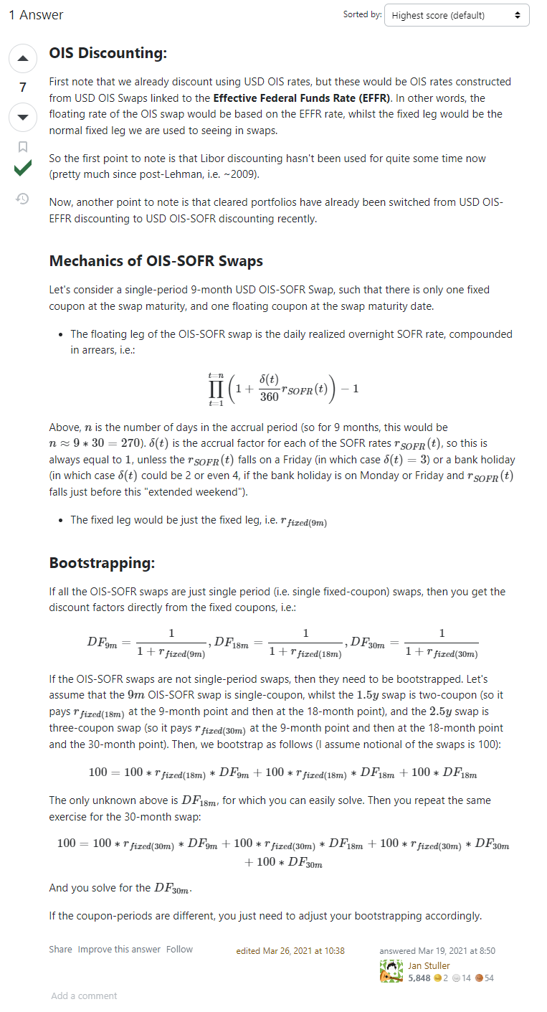
 |  |  |  |  |  |  |  |  |  |  |  |  |  |  |  |  |  |  |  |  |  |  |  |  |  |  | 0.875
 |  |  |  |  |  |  |  |  |  |  |  |  |  |  |  |  |  |  |  |  |  |  |  |  |  |  | 0.00875
 |  |  |  |  |  |  |  |  |  |  |  |  |  |  |  |  |  |  |  |  |  |  |  |  |  |  | 1.00875

 |  |  |  |  |  |  |  |  |  |  |  |  |  | 5.2789730139 | 84.374819501
 |  |  |  |  |  |  |  |  |  |  |  |  |  | 5.206890342 | 0.80087724414
 |  |  |  |  |  |  |  |  |  |  |  |  |  | 5.1393171428
 |  |  |  |  |  |  |  |  |  |  |  |  |  | 105.352999

