Calificacion
Codigo | Significado | Descripcion
G | General Audiences | Admitido para todas las edades
PG | Parental Guidance Suggested | Algunos contenidos pueden no ser apropiados para niños
PG-13 | Parents Strongly Cautioned | Algunos materiales pueden ser inapropiados para niños menores a 13 años
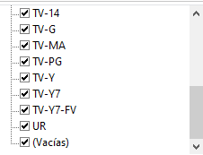
R | Restricted | Personas menores a 17 años requieren acompañamiento de un adulto
NC-17 | Adults Only | Solamente adultos
TV-G | General Audiences | Publico general en supervision de un adulto
Y | Adecuado para las edades de 0 a 7 años
Y7 | Adecuado para las edades de 7 a 16 años
GA | Adecuado para el público en general
TW | Adecuado para niños de 9 años en adelante
T | Adecuado para jóvenes de 12 años en adelante
A | Adecuado solo para adultos de 18 años en adelante
TV-MA | Mayores a 17 años | Mayor supervision de los padres
TV-PG | Program Parental Guidance Suggested | Programa con contenido no apropiado para niños
NR | Not Rated | No calificada
TV-14 | Programa para niños menores a 14 años
TV-Y |  | Programa para niños menores a 6 años
TV-Y7 | Publico infantil | Desde los 7 años
TV-Y7-FV | Publico infantil | Contiene violencia ficticia, fantasi o emociones fuertes
TV-14 | Mayores de 14 años | Se requiere la compañía de los padres

