Sheet1
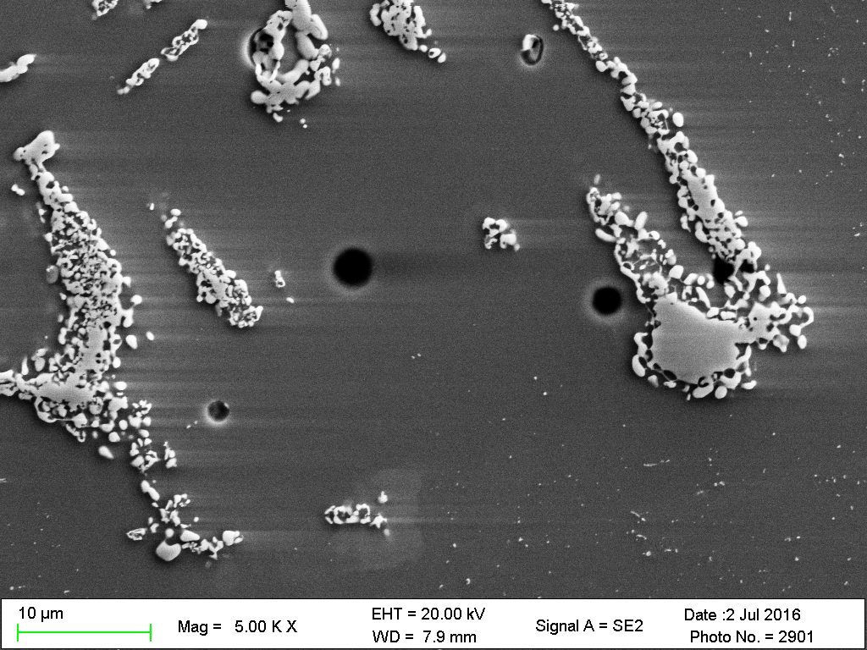
A
B
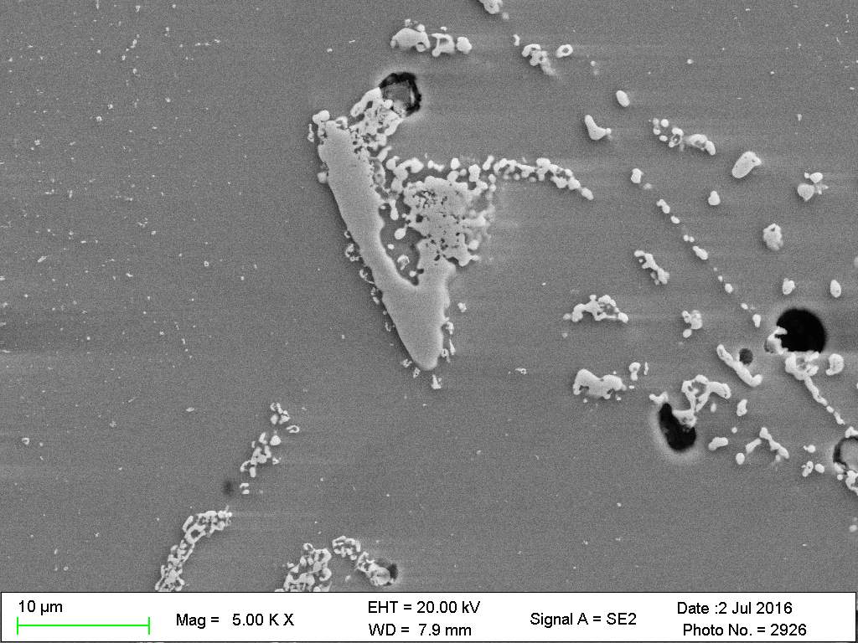
A
B

C1 OH 2375 EDS
Liquated region

A
 | Element | Analysis (wt. %) | Analysis (at. %)
 | Cr | 21 | 22
 | Ni | 32 | 30
 | Fe | 45 | 44
 | Mn | 1 | 1
 | Si | 1 | 2

