Sheet1
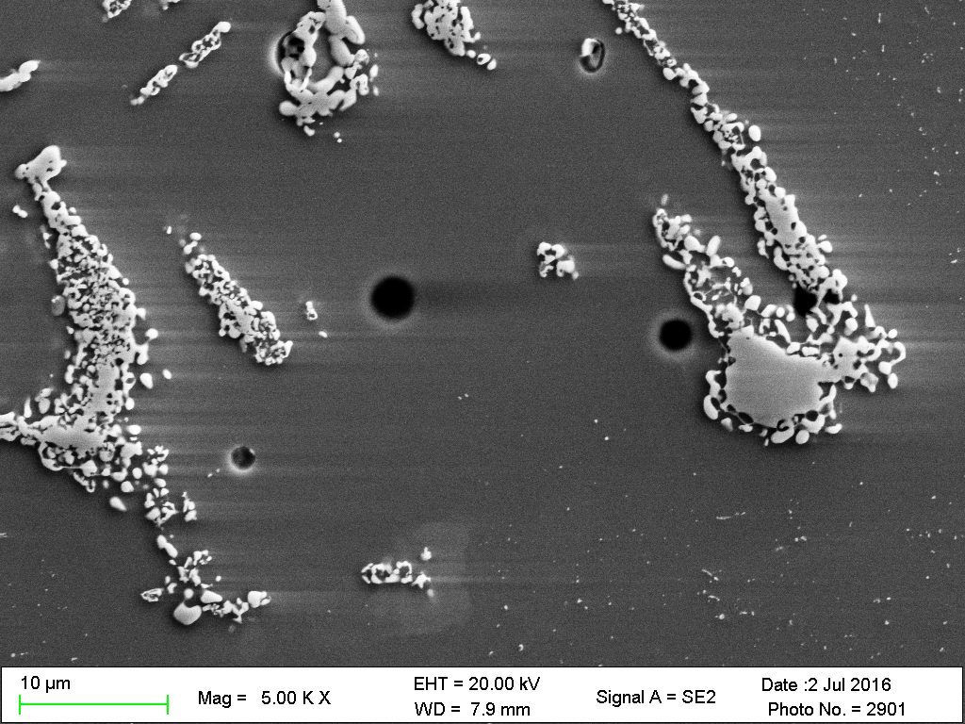
A
B
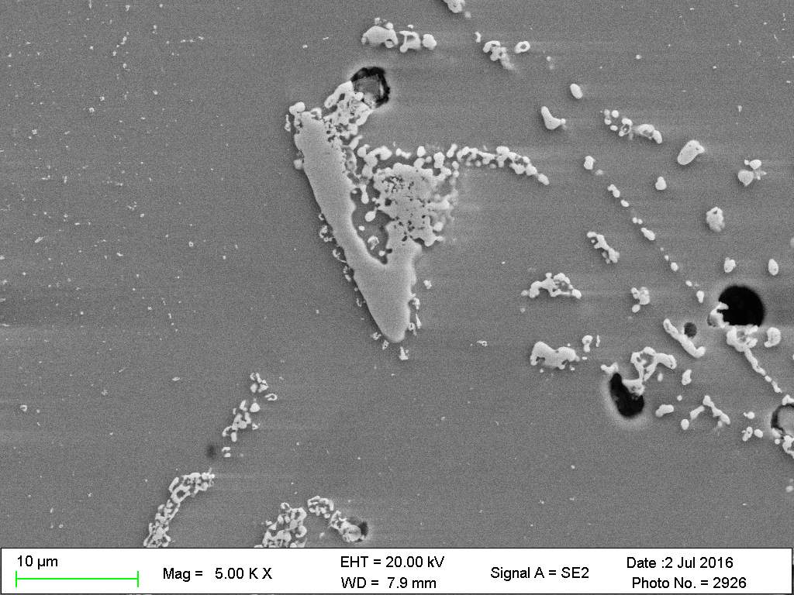
A
B

C1 OH 2375 EDS
Liquated region

A
 | Element | Analysis (wt. %) | Analysis (at. %)
 | Cr | 21 | 22
 | Ni | 32 | 30
 | Fe | 45 | 44
 | Mn | 1 | 1
 | Si | 1 | 2

C1 OC 2300 EDS
White particle/carbide

A
B
 | Element | Analysis (wt. %) | Analysis (at. %)
 | Nb | 96 | 94
 | Cr | 1.5 | 3
 | Fe | 1.4 | 2
 | Ni | 0.8 | 1

liquid region

 | Element | Analysis (wt. %) | Analysis (at. %)
 | Cr | 19 | 16
 | Ni | 29 | 22
 | Fe | 42 | 33
 | Mn | 1 | 1
 | Si | 1 | 2

Aggregate particles box scan at crack tip

 | Element | Analysis (wt. %) | Analysis (at. %)
 | Nb
 | Cr
 | Fe
 | Ni
 | Mn
 | Si

